YR56
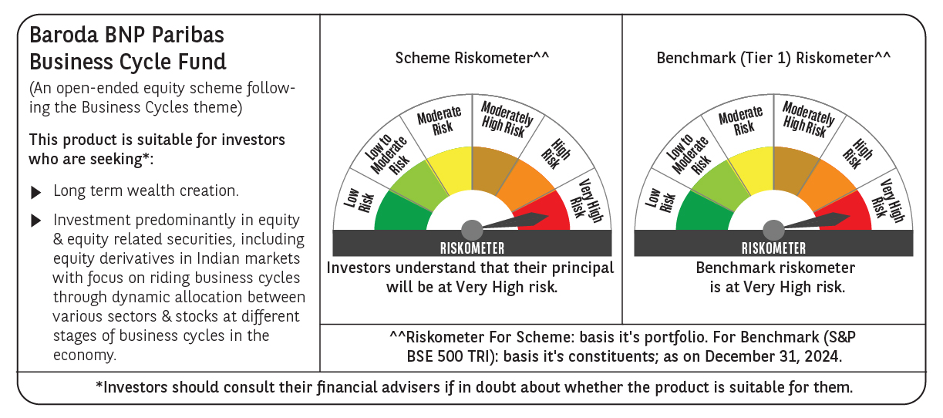
 | Baroda BNP Paribas Business Cycle Fund

 | Monthly Portfolio Statement as on December 31, 2024
 | Name of the Instrument | ISIN | Industry / Rating | Quantity | Market/Fair Value (Rs. in Lakhs) | % to Net Assets | YTM~ | YTC^ | null
 | Equity & Equity related
 | (a) Listed / awaiting listing on Stock Exchanges
HDFB03 | HDFC Bank Limited | INE040A01034 | Banks | 207,000 | 3,669.80 | 6.12%
IBCL05 | ICICI Bank Limited | INE090A01021 | Banks | 243,000 | 3,114.41 | 5.20%
RIND01 | Reliance Industries Limited | INE002A01018 | Petroleum Products | 207,000 | 2,515.98 | 4.20%
LARS02 | Larsen & Toubro Limited | INE018A01030 | Construction | 67,500 | 2,435.16 | 4.06%
LAKM02 | Trent Limited | INE849A01020 | Retailing | 31,050 | 2,211.80 | 3.69%
TCSL01 | Tata Consultancy Services Limited | INE467B01029 | IT - Software | 45,000 | 1,842.66 | 3.07%
SPIL03 | Sun Pharmaceutical Industries Limited | INE044A01036 | Pharmaceuticals & Biotechnology | 90,000 | 1,697.72 | 2.83%
DIVI02 | Divi's Laboratories Limited | INE361B01024 | Pharmaceuticals & Biotechnology | 22,500 | 1,372.23 | 2.29%
VNBL03 | Varun Beverages Limited | INE200M01039 | Beverages | 198,000 | 1,264.23 | 2.11%
INFS02 | Infosys Limited | INE009A01021 | IT - Software | 63,000 | 1,184.40 | 1.98%
ABBP01 | Hitachi Energy India Limited | INE07Y701011 | Electrical Equipment | 7,650 | 1,102.53 | 1.84%
MOTI02 | Bosch Limited | INE323A01026 | Auto Components | 3,150 | 1,074.16 | 1.79%
BSEL02 | BSE Limited | INE118H01025 | Capital Markets | 19,800 | 1,054.43 | 1.76%
KOMA02 | Kotak Mahindra Bank Limited | INE237A01028 | Banks | 58,500 | 1,044.84 | 1.74%
NSDL02 | Protean eGov Technologies Limited | INE004A01022 | IT - Services | 50,508 | 977.61 | 1.63%
NEST02 | Nestle India Limited | INE239A01024 | Food Products | 45,000 | 976.52 | 1.63%
ITCL02 | ITC Limited | INE154A01025 | Diversified FMCG | 198,000 | 957.63 | 1.60%
ESMC02 | PB Fintech Limited | INE417T01026 | Financial Technology (Fintech) | 44,100 | 930.00 | 1.55%
IFEL01 | Oracle Financial Services Software Limited | INE881D01027 | IT - Software | 7,200 | 920.84 | 1.54%
TOPH02 | Torrent Pharmaceuticals Limited | INE685A01028 | Pharmaceuticals & Biotechnology | 27,000 | 907.21 | 1.51%
SAEL02 | TVS Motor Company Limited | INE494B01023 | Automobiles | 36,000 | 852.66 | 1.42%
ALLI02 | GE Vernova T&D India Limited | INE200A01026 | Electrical Equipment | 40,500 | 840.74 | 1.40%
TELC03 | Tata Motors Limited | INE155A01022 | Automobiles | 108,000 | 799.36 | 1.33%
BTVL02 | Bharti Airtel Limited | INE397D01024 | Telecom - Services | 50,000 | 793.88 | 1.32%
PHMI02 | The Phoenix Mills Limited | INE211B01039 | Realty | 46,800 | 764.71 | 1.28%
CONB01 | Concord Biotech Limited | INE338H01029 | Pharmaceuticals & Biotechnology | 34,200 | 756.08 | 1.26%
PSYL02 | Persistent Systems Limited | INE262H01021 | IT - Software | 11,700 | 755.55 | 1.26%
ZMPL01 | Zomato Limited | INE758T01015 | Retailing | 270,000 | 750.74 | 1.25%
NTPC01 | NTPC Limited | INE733E01010 | Power | 225,000 | 750.04 | 1.25%
JYCN01 | Jyoti CNC Automation Ltd | INE980O01024 | Industrial Manufacturing | 54,854 | 740.86 | 1.24%
MCSP02 | United Spirits Limited | INE854D01024 | Beverages | 45,000 | 731.45 | 1.22%
BHEL02 | Bharat Electronics Limited | INE263A01024 | Aerospace & Defense | 243,000 | 712.35 | 1.19%
WABT01 | ZF Commercial Vehicle Control Systems India Limited | INE342J01019 | Auto Components | 5,400 | 650.37 | 1.09%
FRHL01 | Fortis Healthcare Limited | INE061F01013 | Healthcare Services | 90,000 | 647.87 | 1.08%
BFLS01 | Mphasis Limited | INE356A01018 | IT - Software | 22,500 | 640.62 | 1.07%
INGE01 | Ingersoll Rand (India) Limited | INE177A01018 | Industrial Products | 15,300 | 638.68 | 1.07%
BHAH02 | Bharat Heavy Electricals Limited | INE257A01026 | Electrical Equipment | 270,000 | 619.38 | 1.03%
ULCC01 | UltraTech Cement Limited | INE481G01011 | Cement & Cement Products | 5,400 | 617.02 | 1.03%
TAHO01 | Honeywell Automation India Limited | INE671A01010 | Industrial Manufacturing | 1,440 | 604.17 | 1.01%
SOKO03 | Jtekt India Limited | INE643A01035 | Auto Components | 369,000 | 597.56 | 1.00%
MAUD01 | Maruti Suzuki India Limited | INE585B01010 | Automobiles | 5,400 | 586.35 | 0.98%
JUHO01 | Juniper Hotels Limited | INE696F01016 | Leisure Services | 164,880 | 578.56 | 0.97%
HFFC02 | Home First Finance Company India Limited | INE481N01025 | Finance | 54,000 | 570.00 | 0.95%
HYUN01 | Hyundai Motor India Ltd | INE0V6F01027 | Automobiles | 31,500 | 568.92 | 0.95%
TEGA01 | Tega Industries Limited | INE011K01018 | Industrial Manufacturing | 36,000 | 563.89 | 0.94%
PGCI01 | Power Grid Corporation of India Limited | INE752E01010 | Power | 180,000 | 555.66 | 0.93%
SUNT02 | Sun TV Network Limited | INE424H01027 | Entertainment | 81,000 | 553.51 | 0.92%
COAL01 | Coal India Limited | INE522F01014 | Consumable Fuels | 144,000 | 553.18 | 0.92%
CIPL03 | Cipla Limited | INE059A01026 | Pharmaceuticals & Biotechnology | 36,000 | 550.44 | 0.92%
RELS01 | Jio Financial Services Limited | INE758E01017 | Finance | 180,000 | 537.66 | 0.90%
VSNL01 | Tata Communications Limited | INE151A01013 | Telecom - Services | 31,500 | 536.57 | 0.90%
FINO02 | Finolex Cables Limited | INE235A01022 | Industrial Products | 45,000 | 531.90 | 0.89%
IPLI01 | ICICI Prudential Life Insurance Company Limited | INE726G01019 | Insurance | 81,000 | 530.43 | 0.89%
HLEL02 | Hindustan Unilever Limited | INE030A01027 | Diversified FMCG | 22,500 | 523.54 | 0.87%
BOCL01 | Linde India Limited | INE473A01011 | Chemicals & Petrochemicals | 8,550 | 512.66 | 0.86%
GSPL01 | Gujarat State Petronet Limited | INE246F01010 | Gas | 135,000 | 488.57 | 0.82%
ACSO01 | Acme Solar Holdings Ltd | INE622W01025 | Finance | 206,295 | 486.13 | 0.81%
VIPI02 | VIP Industries Limited | INE054A01027 | Consumer Durables | 90,000 | 432.14 | 0.72%
NAPH02 | Natco Pharma Limited | INE987B01026 | Pharmaceuticals & Biotechnology | 27,000 | 374.57 | 0.63%
DRRL03 | Dr. Reddy's Laboratories Limited | INE089A01031 | Pharmaceuticals & Biotechnology | 26,875 | 373.16 | 0.62%
MASL02 | Mastek Limited | INE759A01021 | IT - Software | 11,604 | 345.57 | 0.58%
SCDL01 | Sundaram Clayton Limited | INE0Q3R01026 | Auto Components | 12,857 | 327.45 | 0.55%
BLTE01 | Swiggy Limited | INE00H001014 | Retailing | 58,500 | 316.43 | 0.53%
HAIL03 | Havells India Limited | INE176B01034 | Consumer Durables | 18,000 | 301.52 | 0.50%
SBAI02 | State Bank of India | INE062A01020 | Banks | 36,000 | 286.18 | 0.48%
LTFL01 | L&T Finance Limited | INE498L01015 | Finance | 180,000 | 244.13 | 0.41%
 | Sub Total |  |  |  | 57,747.37 | 96.38%
 | (b) Unlisted |  |  |  | NIL | NIL
 | Sub Total |  |  |  | NIL | NIL
 | Total |  |  |  | 57,747.37 | 96.38%
 | Derivatives
 | Index / Stock Futures
TPOWJAN25 | Tata Power Company Limited January 2025 Future |  |  | 85,050 | 336.16 | 0.56%
RINDJAN25 | Reliance Industries Limited January 2025 Future |  |  | 9,000 | 110.13 | 0.18%
 | Sub Total |  |  |  | 446.29 | 0.74%
 | Total |  |  |  | 446.29 | 0.74%
 | Money Market Instruments
 | Treasury Bill
TBIL2396 | 182 Days Tbill (MD 14/02/2025) | IN002024Y209 | Sovereign | 600,000 | 595.38 | 0.99% | 6.44%
 | Sub Total |  |  |  | 595.38 | 0.99%
 | Total |  |  |  | 595.38 | 0.99%
 | Reverse Repo / TREPS
TRP_010125 | Clearing Corporation of India Ltd |  |  |  | 1,566.45 | 2.61% | 6.58%
 | Sub Total |  |  |  | 1,566.45 | 2.61%
 | Total |  |  |  | 1,566.45 | 2.61%
 | Net Receivables / (Payables) |  |  |  | (429.02) | (0.72)%
 | GRAND TOTAL |  |  |  | 59,926.47 | 100.00%

 | ~ YTM as on December 31, 2024
 | ^ YTC represents Yield to Call provided by valuation agencies as on December 31, 2024. It is disclosed for Perpetual Bond issued by Banks (i.e. AT-1 Bond / Tier 1 Bond / Tier 2 Bond), as per AMFI Best Practices Guidelines Circular no. 135/BP/91/2020-21 re
 | Details of Stock Future / Index Future
 | Long/Short | Name of the Instrument | Industry | Quantity. | Market/Fair Value (Rs. in Lacs). | % to NAV.
 | Long | Tata Power Company Limited_30/01/2025 | Power | 85,050 | 336.16 | 0.56%
 | Long | Reliance Industries Limited_30/01/2025 | Petroleum Products | 9,000 | 110.13 | 0.18%

