YR56
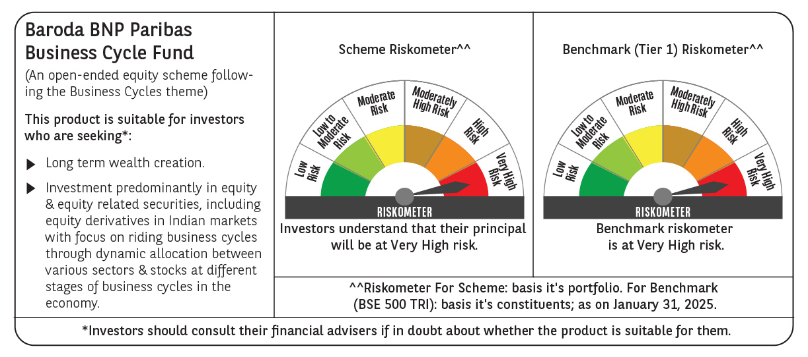
 | Baroda BNP Paribas Business Cycle Fund

 | Monthly Portfolio Statement as on January 31, 2025
 | Name of the Instrument | ISIN | Industry / Rating | Quantity | Market/Fair Value (Rs. in Lakhs) | % to Net Assets | YTM~ | YTC^ | null
 | Equity & Equity related
 | (a) Listed / awaiting listing on Stock Exchanges
HDFB03 | HDFC Bank Limited | INE040A01034 | Banks | 207,000 | 3,516.41 | 6.25%
IBCL05 | ICICI Bank Limited | INE090A01021 | Banks | 243,000 | 3,044.30 | 5.41%
RIND01 | Reliance Industries Limited | INE002A01018 | Petroleum Products | 207,000 | 2,618.76 | 4.65%
LARS02 | Larsen & Toubro Limited | INE018A01030 | Construction | 67,500 | 2,408.00 | 4.28%
TCSL01 | Tata Consultancy Services Limited | INE467B01029 | IT - Software | 45,000 | 1,850.58 | 3.29%
LAKM02 | Trent Limited | INE849A01020 | Retailing | 30,600 | 1,760.48 | 3.13%
SPIL03 | Sun Pharmaceutical Industries Limited | INE044A01036 | Pharmaceuticals & Biotechnology | 90,000 | 1,569.56 | 2.79%
KOMA02 | Kotak Mahindra Bank Limited | INE237A01028 | Banks | 81,000 | 1,540.05 | 2.74%
DIVI02 | Divi's Laboratories Limited | INE361B01024 | Pharmaceuticals & Biotechnology | 22,500 | 1,254.98 | 2.23%
INFS02 | Infosys Limited | INE009A01021 | IT - Software | 63,000 | 1,184.27 | 2.10%
BSEL02 | BSE Limited | INE118H01025 | Capital Markets | 19,800 | 1,050.58 | 1.87%
NEST02 | Nestle India Limited | INE239A01024 | Food Products | 45,000 | 1,040.94 | 1.85%
ABBP01 | Hitachi Energy India Limited | INE07Y701011 | Electrical Equipment | 7,650 | 984.06 | 1.75%
VNBL03 | Varun Beverages Limited | INE200M01039 | Beverages | 180,000 | 966.15 | 1.72%
MOTI02 | Bosch Limited | INE323A01026 | Auto Components | 3,150 | 904.97 | 1.61%
ITCL02 | ITC Limited | INE154A01025 | Diversified FMCG | 198,000 | 886.05 | 1.57%
TOPH02 | Torrent Pharmaceuticals Limited | INE685A01028 | Pharmaceuticals & Biotechnology | 27,000 | 882.66 | 1.57%
BTVL02 | Bharti Airtel Limited | INE397D01024 | Telecom - Services | 54,000 | 878.20 | 1.56%
SAEL02 | TVS Motor Company Limited | INE494B01023 | Automobiles | 34,200 | 840.60 | 1.49%
TELC03 | Tata Motors Limited | INE155A01022 | Automobiles | 108,000 | 773.39 | 1.37%
PHMI02 | The Phoenix Mills Limited | INE211B01039 | Realty | 46,800 | 768.36 | 1.36%
NSDL02 | Protean eGov Technologies Limited | INE004A01022 | IT - Services | 50,508 | 767.01 | 1.36%
ESMC02 | PB Fintech Limited | INE417T01026 | Financial Technology (Fintech) | 44,100 | 761.52 | 1.35%
CONB01 | Concord Biotech Limited | INE338H01029 | Pharmaceuticals & Biotechnology | 34,200 | 736.89 | 1.31%
NTPC01 | NTPC Limited | INE733E01010 | Power | 225,000 | 729.00 | 1.29%
ALLI02 | GE Vernova T&D India Limited | INE200A01026 | Electrical Equipment | 40,500 | 723.94 | 1.29%
BHEL02 | Bharat Electronics Limited | INE263A01024 | Aerospace & Defense | 243,000 | 711.14 | 1.26%
PSYL02 | Persistent Systems Limited | INE262H01021 | IT - Software | 11,700 | 705.81 | 1.25%
BOCL01 | Linde India Limited | INE473A01011 | Chemicals & Petrochemicals | 10,800 | 676.93 | 1.20%
MAUD01 | Maruti Suzuki India Limited | INE585B01010 | Automobiles | 5,400 | 664.78 | 1.18%
IFEL01 | Oracle Financial Services Software Limited | INE881D01027 | IT - Software | 7,200 | 656.79 | 1.17%
MCSP02 | United Spirits Limited | INE854D01024 | Beverages | 45,000 | 640.80 | 1.14%
ULCC01 | UltraTech Cement Limited | INE481G01011 | Cement & Cement Products | 5,400 | 620.32 | 1.10%
WABT01 | ZF Commercial Vehicle Control Systems India Limited | INE342J01019 | Auto Components | 5,400 | 595.84 | 1.06%
ZMPL01 | Zomato Limited | INE758T01015 | Retailing | 270,000 | 594.95 | 1.06%
TAHO01 | Honeywell Automation India Limited | INE671A01010 | Industrial Manufacturing | 1,440 | 582.80 | 1.04%
JYCN01 | Jyoti CNC Automation Ltd | INE980O01024 | Industrial Manufacturing | 54,000 | 580.93 | 1.03%
INGE01 | Ingersoll Rand (India) Limited | INE177A01018 | Industrial Products | 15,300 | 572.55 | 1.02%
SOKO03 | Jtekt India Limited | INE643A01035 | Auto Components | 369,000 | 565.16 | 1.00%
BHAH02 | Bharat Heavy Electricals Limited | INE257A01026 | Electrical Equipment | 270,000 | 561.84 | 1.00%
HLEL02 | Hindustan Unilever Limited | INE030A01027 | Diversified FMCG | 22,500 | 555.48 | 0.99%
ADWI01 | Adani Wilmar Limited | INE699H01024 | Agricultural Food & other Products | 207,000 | 551.97 | 0.98%
TEGA01 | Tega Industries Limited | INE011K01018 | Industrial Manufacturing | 36,000 | 544.75 | 0.97%
PGCI01 | Power Grid Corporation of India Limited | INE752E01010 | Power | 180,000 | 542.97 | 0.96%
HFFC02 | Home First Finance Company India Limited | INE481N01025 | Finance | 54,000 | 537.81 | 0.96%
CIPL03 | Cipla Limited | INE059A01026 | Pharmaceuticals & Biotechnology | 36,000 | 532.58 | 0.95%
HYUN01 | Hyundai Motor India Ltd | INE0V6F01027 | Automobiles | 31,500 | 528.43 | 0.94%
NAPH02 | Natco Pharma Limited | INE987B01026 | Pharmaceuticals & Biotechnology | 45,000 | 528.23 | 0.94%
FRHL01 | Fortis Healthcare Limited | INE061F01013 | Healthcare Services | 81,000 | 518.56 | 0.92%
VSNL01 | Tata Communications Limited | INE151A01013 | Telecom - Services | 31,500 | 514.40 | 0.91%
SUNT02 | Sun TV Network Limited | INE424H01027 | Entertainment | 81,000 | 501.27 | 0.89%
IPLI01 | ICICI Prudential Life Insurance Company Limited | INE726G01019 | Insurance | 81,000 | 498.96 | 0.89%
MASL02 | Mastek Limited | INE759A01021 | IT - Software | 18,900 | 490.13 | 0.87%
GSPL01 | Gujarat State Petronet Limited | INE246F01010 | Gas | 135,000 | 466.70 | 0.83%
FINO02 | Finolex Cables Limited | INE235A01022 | Industrial Products | 45,000 | 450.68 | 0.80%
JUHO01 | Juniper Hotels Limited | INE696F01016 | Leisure Services | 144,000 | 411.12 | 0.73%
DRRL03 | Dr. Reddy's Laboratories Limited | INE089A01031 | Pharmaceuticals & Biotechnology | 28,800 | 350.60 | 0.62%
VIPI02 | VIP Industries Limited | INE054A01027 | Consumer Durables | 90,000 | 334.89 | 0.59%
ACSO01 | Acme Solar Holdings Ltd | INE622W01025 | Finance | 144,000 | 309.82 | 0.55%
HAIL03 | Havells India Limited | INE176B01034 | Consumer Durables | 18,000 | 281.92 | 0.50%
SCDL01 | Sundaram Clayton Limited | INE0Q3R01026 | Auto Components | 12,857 | 278.68 | 0.49%
SBAI02 | State Bank of India | INE062A01020 | Banks | 36,000 | 278.24 | 0.49%
BLTE01 | Swiggy Limited | INE00H001014 | Retailing | 58,500 | 243.42 | 0.43%
 | Sub Total |  |  |  | 53,423.96 | 94.90%
 | (b) Unlisted |  |  |  | NIL | NIL
 | Sub Total |  |  |  | NIL | NIL
 | Total |  |  |  | 53,423.96 | 94.90%
 | Derivatives
 | Index / Stock Futures
PSYLFEB25 | Persistent Systems Limited February 2025 Future |  |  | 9,000 | 546.17 | 0.97%
TPOWFEB25 | Tata Power Company Limited February 2025 Future |  |  | 85,050 | 311.58 | 0.55%
ITCLFEB25 | ITC Limited February 2025 Future |  |  | -25,600 | (113.69) | (0.20)%
NESTFEB25 | Nestle India Limited February 2025 Future |  |  | -9,000 | (208.15) | (0.37)%
 | Sub Total |  |  |  | 535.91 | 0.95%
 | Total |  |  |  | 535.91 | 0.95%
 | Money Market Instruments
 | Treasury Bill
TBIL2396 | 182 Days Tbill (MD 14/02/2025) | IN002024Y209 | Sovereign | 600,000 | 598.63 | 1.06% | 6.42%
 | Sub Total |  |  |  | 598.63 | 1.06%
 | Total |  |  |  | 598.63 | 1.06%
 | Reverse Repo / TREPS
TRP_030225 | Clearing Corporation of India Ltd |  |  |  | 2,313.83 | 4.11% | 6.54%
 | Sub Total |  |  |  | 2,313.83 | 4.11%
 | Total |  |  |  | 2,313.83 | 4.11%
 | Net Receivables / (Payables) |  |  |  | (572.66) | (1.02)%
 | GRAND TOTAL |  |  |  | 56,299.67 | 100.00%

 | ~ YTM as on January 31, 2025
 | ^ YTC represents Yield to Call provided by valuation agencies as on January 31, 2025. It is disclosed for Perpetual Bond issued by Banks (i.e. AT-1 Bond / Tier 1 Bond / Tier 2 Bond), as per AMFI Best Practices Guidelines Circular no. 135/BP/91/2020-21 read with SEBI circular No. SEBI/HO/IMD/DF4/CIR/P/2021/034 on Valuation of AT-1 Bonds and Tier 2 Bonds.
 | Details of Stock Future / Index Future
 | Long/Short | Name of the Instrument | Industry | Quantity. | Market/Fair Value (Rs. in Lacs). | % to NAV.
 | Long | Persistent Systems Limited_27/02/2025 | IT - Software | 9,000 | 546.17 | 0.97%
 | Long | Tata Power Company Limited_27/02/2025 | Power | 85,050 | 311.58 | 0.55%
 | Short | Nestle India Limited_27/02/2025 | Food Products | 9,000 | 208.15 | 0.37%
 | Short | ITC Limited_27/02/2025 | Diversified FMCG | 25,600 | 113.69 | 0.20%

