Monthly Portfolio
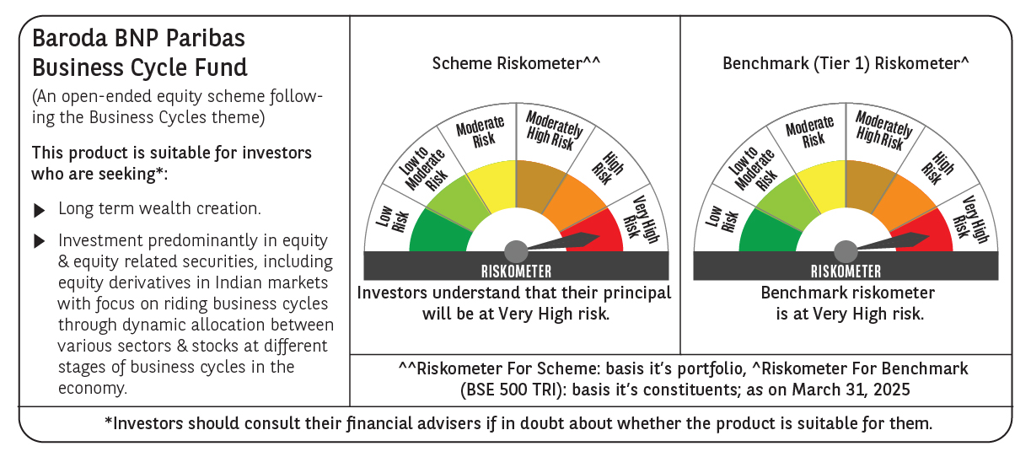
 | Baroda BNP Paribas Business Cycle Fund

 | Monthly Portfolio Statement as on March 31, 2025
 | Name of the Instrument | ISIN | Industry / Rating | Quantity | Market/Fair Value (Rs. in Lakhs) | % to Net Assets | YTM~ | YTC^ | null
 | Equity & Equity related
 | (a) Listed / awaiting listing on Stock Exchanges
HDFB03 | HDFC Bank Limited | INE040A01034 | Banks | 207,000 | 3,784.37 | 6.90%
IBCL05 | ICICI Bank Limited | INE090A01021 | Banks | 243,000 | 3,276.49 | 5.97%
RIND01 | Reliance Industries Limited | INE002A01018 | Petroleum Products | 216,000 | 2,754.22 | 5.02%
KOMA02 | Kotak Mahindra Bank Limited | INE237A01028 | Banks | 108,000 | 2,344.90 | 4.27%
LARS02 | Larsen & Toubro Limited | INE018A01030 | Construction | 63,000 | 2,200.15 | 4.01%
ABBP01 | Hitachi Energy India Limited | INE07Y701011 | Electrical Equipment | 13,500 | 1,708.24 | 3.11%
TCSL01 | Tata Consultancy Services Limited | INE467B01029 | IT - Software | 45,000 | 1,622.77 | 2.96%
SPIL03 | Sun Pharmaceutical Industries Limited | INE044A01036 | Pharmaceuticals & Biotechnology | 90,000 | 1,561.23 | 2.84%
LAKM02 | Trent Limited | INE849A01020 | Retailing | 27,000 | 1,437.79 | 2.62%
DIVI02 | Divi's Laboratories Limited | INE361B01024 | Pharmaceuticals & Biotechnology | 22,500 | 1,299.48 | 2.37%
PSYL02 | Persistent Systems Limited | INE262H01021 | IT - Software | 20,700 | 1,141.35 | 2.08%
INFS02 | Infosys Limited | INE009A01021 | IT - Software | 63,000 | 989.51 | 1.80%
VNBL03 | Varun Beverages Limited | INE200M01039 | Beverages | 180,000 | 971.37 | 1.77%
BTVL02 | Bharti Airtel Limited | INE397D01024 | Telecom - Services | 54,000 | 936.04 | 1.71%
NEST02 | Nestle India Limited | INE239A01024 | Food Products | 40,500 | 911.55 | 1.66%
ULCC01 | UltraTech Cement Limited | INE481G01011 | Cement & Cement Products | 7,650 | 880.48 | 1.60%
SAEL02 | TVS Motor Company Limited | INE494B01023 | Automobiles | 34,200 | 827.59 | 1.51%
WABT01 | ZF Commercial Vehicle Control Systems India Limited | INE342J01019 | Auto Components | 6,300 | 818.59 | 1.49%
ITCL02 | ITC Limited | INE154A01025 | Diversified FMCG | 198,000 | 811.31 | 1.48%
MOTI02 | Bosch Limited | INE323A01026 | Auto Components | 2,850 | 808.22 | 1.47%
NTPC01 | NTPC Limited | INE733E01010 | Power | 225,000 | 804.60 | 1.47%
PHMI02 | The Phoenix Mills Limited | INE211B01039 | Realty | 46,800 | 769.06 | 1.40%
BOCL01 | Linde India Limited | INE473A01011 | Chemicals & Petrochemicals | 11,700 | 732.12 | 1.33%
TOPH02 | Torrent Pharmaceuticals Limited | INE685A01028 | Pharmaceuticals & Biotechnology | 22,500 | 726.29 | 1.32%
ESMC02 | PB Fintech Limited | INE417T01026 | Financial Technology (Fintech) | 44,100 | 701.08 | 1.28%
BHEL02 | Bharat Electronics Limited | INE263A01024 | Aerospace & Defense | 225,000 | 677.97 | 1.24%
NSDL02 | Protean eGov Technologies Limited | INE004A01022 | IT - Services | 50,508 | 677.21 | 1.23%
MCSP02 | United Spirits Limited | INE854D01024 | Beverages | 45,000 | 630.59 | 1.15%
MAUD01 | Maruti Suzuki India Limited | INE585B01010 | Automobiles | 5,400 | 622.20 | 1.13%
TELC03 | Tata Motors Limited | INE155A01022 | Automobiles | 90,000 | 607.01 | 1.11%
CONB01 | Concord Biotech Limited | INE338H01029 | Pharmaceuticals & Biotechnology | 36,000 | 605.02 | 1.10%
BHAH02 | Bharat Heavy Electricals Limited | INE257A01026 | Electrical Equipment | 279,000 | 603.84 | 1.10%
IFEL01 | Oracle Financial Services Software Limited | INE881D01027 | IT - Software | 7,560 | 593.53 | 1.08%
FRHL01 | Fortis Healthcare Limited | INE061F01013 | Healthcare Services | 81,000 | 565.66 | 1.03%
ADWI01 | Adani Wilmar Limited | INE699H01024 | Agricultural Food & other Products | 216,000 | 557.97 | 1.02%
SBAI02 | State Bank of India | INE062A01020 | Banks | 72,000 | 555.48 | 1.01%
INGE01 | Ingersoll Rand (India) Limited | INE177A01018 | Industrial Products | 15,300 | 547.27 | 1.00%
BFSL02 | Bajaj Finserv Limited | INE918I01026 | Finance | 27,000 | 541.98 | 0.99%
HYUN01 | Hyundai Motor India Ltd | INE0V6F01027 | Automobiles | 31,500 | 537.91 | 0.98%
TEGA01 | Tega Industries Limited | INE011K01018 | Industrial Manufacturing | 36,000 | 531.25 | 0.97%
SUNT02 | Sun TV Network Limited | INE424H01027 | Entertainment | 81,000 | 526.46 | 0.96%
PGCI01 | Power Grid Corporation of India Limited | INE752E01010 | Power | 180,000 | 522.63 | 0.95%
CIPL03 | Cipla Limited | INE059A01026 | Pharmaceuticals & Biotechnology | 36,000 | 519.19 | 0.95%
HLEL02 | Hindustan Unilever Limited | INE030A01027 | Diversified FMCG | 22,500 | 508.24 | 0.93%
SOKO03 | Jtekt India Limited | INE643A01035 | Auto Components | 396,000 | 493.89 | 0.90%
ZMPL01 | Zomato Limited | INE758T01015 | Retailing | 243,000 | 490.13 | 0.89%
TAHO01 | Honeywell Automation India Limited | INE671A01010 | Industrial Manufacturing | 1,440 | 485.06 | 0.88%
APLI04 | Hexaware Technologies Limited | INE093A01041 | IT - Software | 67,500 | 473.01 | 0.86%
NAPH02 | Natco Pharma Limited | INE987B01026 | Pharmaceuticals & Biotechnology | 58,500 | 467.27 | 0.85%
IPLI01 | ICICI Prudential Life Insurance Company Limited | INE726G01019 | Insurance | 81,000 | 457.12 | 0.83%
UTIB02 | Axis Bank Limited | INE238A01034 | Banks | 36,000 | 396.72 | 0.72%
ALLI02 | GE Vernova T&D India Limited | INE200A01026 | Electrical Equipment | 24,300 | 378.78 | 0.69%
TPOW02 | Tata Power Company Limited | INE245A01021 | Power | 90,000 | 337.86 | 0.62%
DRRL03 | Dr. Reddy's Laboratories Limited | INE089A01031 | Pharmaceuticals & Biotechnology | 28,800 | 329.53 | 0.60%
SCDL01 | Sundaram Clayton Limited | INE0Q3R01026 | Auto Components | 14,439 | 318.69 | 0.58%
GSPL01 | Gujarat State Petronet Limited | INE246F01010 | Gas | 99,000 | 288.39 | 0.53%
HAIL03 | Havells India Limited | INE176B01034 | Consumer Durables | 18,000 | 275.20 | 0.50%
PFIZ01 | Pfizer Limited | INE182A01018 | Pharmaceuticals & Biotechnology | 6,300 | 252.28 | 0.46%
VIPI02 | VIP Industries Limited | INE054A01027 | Consumer Durables | 90,000 | 251.73 | 0.46%
JYCN01 | Jyoti CNC Automation Ltd | INE980O01024 | Industrial Manufacturing | 13,500 | 142.90 | 0.26%
GMRI03 | GMR Airports Limited | INE776C01039 | Transport Infrastructure | 173,553 | 131.43 | 0.24%
 | Sub Total |  |  |  | 51,720.20 | 94.24%
 | (b) Unlisted |  |  |  | NIL | NIL
 | Sub Total |  |  |  | NIL | NIL
 | Total |  |  |  | 51,720.20 | 94.24%
 | Derivatives
 | Index / Stock Futures
HDFBAPR25 | HDFC Bank Limited April 2025 Future |  |  | 4,950 | 90.86 | 0.17%
 | Sub Total |  |  |  | 90.86 | 0.17%
 | Total |  |  |  | 90.86 | 0.17%
 | Money Market Instruments
 | Treasury Bill
TBIL2450 | 364 Days Tbill (MD 18/12/2025) | IN002024Z362 | Sovereign | 600,000 | 573.66 | 1.05% | 6.42%
 | Sub Total |  |  |  | 573.66 | 1.05%
 | Total |  |  |  | 573.66 | 1.05%
 | Reverse Repo / TREPS
TRP_020425 | Clearing Corporation of India Ltd |  |  |  | 2,624.68 | 4.78% | 6.68%
 | Sub Total |  |  |  | 2,624.68 | 4.78%
 | Total |  |  |  | 2,624.68 | 4.78%
 | Net Receivables / (Payables) |  |  |  | (129.45) | (0.24)%
 | GRAND TOTAL |  |  |  | 54,879.95 | 100.00%

 | ~ YTM as on March 31, 2025
 | ^ YTC represents Yield to Call provided by valuation agencies as on March 31, 2025. It is disclosed for Perpetual Bond issued by Banks (i.e. AT-1 Bond / Tier 1 Bond / Tier 2 Bond), as per AMFI Best Practices Guidelines Circular no. 135/BP/91/2020-21 read with SEBI circular No. SEBI/HO/IMD/DF4/CIR/P/2021/034 on Valuation of AT-1 Bonds and Tier 2 Bonds.
 | Details of Stock Future / Index Future
 | Long/Short | Name of the Instrument | Industry | Quantity. | Market/Fair Value (Rs. in Lacs). | % to NAV.
 | Long | HDFC Bank Limited_24/04/2025 | Banks | 4,950 | 90.86 | 0.17%

