YR56
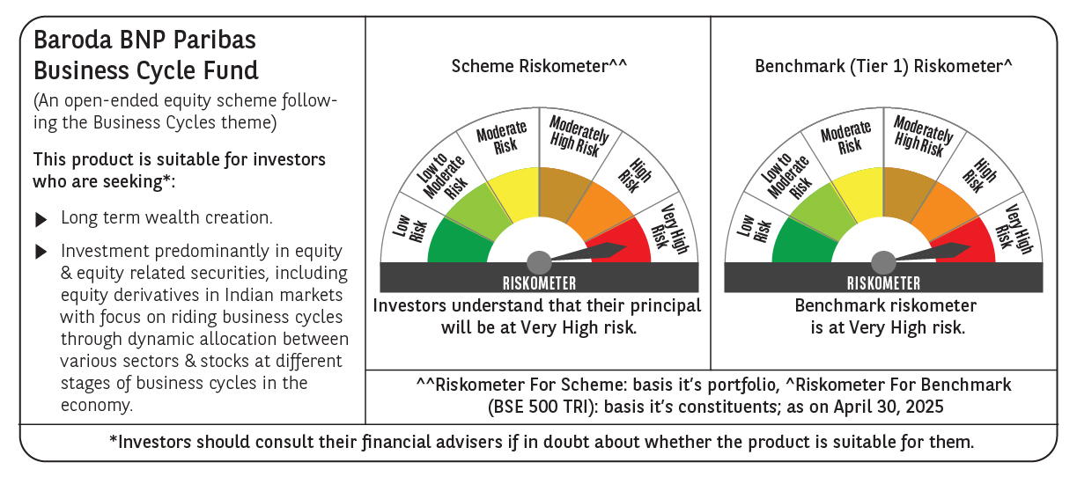
 | Baroda BNP Paribas Business Cycle Fund

 | Monthly Portfolio Statement as on April 30, 2025
 | Name of the Instrument | ISIN | Industry / Rating | Quantity | Market/Fair Value (Rs. in Lakhs) | % to Net Assets | YTM~ | YTC^ | null
 | Equity & Equity related
 | (a) Listed / awaiting listing on Stock Exchanges
HDFB03 | HDFC Bank Limited | INE040A01034 | Banks | 207,000 | 3,984.75 | 7.05%
IBCL05 | ICICI Bank Limited | INE090A01021 | Banks | 243,000 | 3,467.61 | 6.14%
RIND01 | Reliance Industries Limited | INE002A01018 | Petroleum Products | 216,000 | 3,034.80 | 5.37%
KOMA02 | Kotak Mahindra Bank Limited | INE237A01028 | Banks | 108,000 | 2,384.75 | 4.22%
LARS02 | Larsen & Toubro Limited | INE018A01030 | Construction | 63,000 | 2,104.83 | 3.72%
ABBP01 | Hitachi Energy India Limited | INE07Y701011 | Electrical Equipment | 13,500 | 1,961.42 | 3.47%
SPIL03 | Sun Pharmaceutical Industries Limited | INE044A01036 | Pharmaceuticals & Biotechnology | 90,000 | 1,649.07 | 2.92%
TCSL01 | Tata Consultancy Services Limited | INE467B01029 | IT - Software | 45,000 | 1,554.17 | 2.75%
DIVI02 | Divi's Laboratories Limited | INE361B01024 | Pharmaceuticals & Biotechnology | 22,500 | 1,369.58 | 2.42%
BTVL02 | Bharti Airtel Limited | INE397D01024 | Telecom - Services | 63,000 | 1,174.64 | 2.08%
LAKM02 | Trent Limited | INE849A01020 | Retailing | 22,500 | 1,163.81 | 2.06%
PSYL02 | Persistent Systems Limited | INE262H01021 | IT - Software | 20,700 | 1,101.55 | 1.95%
INFS02 | Infosys Limited | INE009A01021 | IT - Software | 72,000 | 1,080.07 | 1.91%
NEST02 | Nestle India Limited | INE239A01024 | Food Products | 40,500 | 967.22 | 1.71%
VNBL03 | Varun Beverages Limited | INE200M01039 | Beverages | 180,000 | 940.23 | 1.66%
SAEL02 | TVS Motor Company Limited | INE494B01023 | Automobiles | 34,200 | 913.82 | 1.62%
ULCC01 | UltraTech Cement Limited | INE481G01011 | Cement & Cement Products | 7,650 | 890.54 | 1.58%
SBAI02 | State Bank of India | INE062A01020 | Banks | 108,000 | 851.74 | 1.51%
ITCL02 | ITC Limited | INE154A01025 | Diversified FMCG | 198,000 | 843.08 | 1.49%
MOTI02 | Bosch Limited | INE323A01026 | Auto Components | 2,850 | 839.47 | 1.49%
NTPC01 | NTPC Limited | INE733E01010 | Power | 225,000 | 797.74 | 1.41%
WABT01 | ZF Commercial Vehicle Control Systems India Limited | INE342J01019 | Auto Components | 6,300 | 789.20 | 1.40%
PHMI02 | The Phoenix Mills Limited | INE211B01039 | Realty | 46,800 | 778.99 | 1.38%
TOPH02 | Torrent Pharmaceuticals Limited | INE685A01028 | Pharmaceuticals & Biotechnology | 22,500 | 747.45 | 1.32%
BOCL01 | Linde India Limited | INE473A01011 | Chemicals & Petrochemicals | 11,700 | 741.31 | 1.31%
ESMC02 | PB Fintech Limited | INE417T01026 | Financial Technology (Fintech) | 44,100 | 716.76 | 1.27%
MCSP02 | United Spirits Limited | INE854D01024 | Beverages | 45,000 | 703.76 | 1.25%
BFSL02 | Bajaj Finserv Limited | INE918I01026 | Finance | 36,000 | 702.58 | 1.24%
NSDL02 | Protean eGov Technologies Limited | INE004A01022 | IT - Services | 50,508 | 661.91 | 1.17%
MAUD01 | Maruti Suzuki India Limited | INE585B01010 | Automobiles | 5,400 | 661.88 | 1.17%
IFEL01 | Oracle Financial Services Software Limited | INE881D01027 | IT - Software | 7,560 | 659.35 | 1.17%
BHEL02 | Bharat Electronics Limited | INE263A01024 | Aerospace & Defense | 207,000 | 650.19 | 1.15%
UTIB02 | Axis Bank Limited | INE238A01034 | Banks | 54,000 | 639.90 | 1.13%
BHAH02 | Bharat Heavy Electricals Limited | INE257A01026 | Electrical Equipment | 279,000 | 632.88 | 1.12%
HDLI01 | HDFC Life Insurance Company Limited | INE795G01014 | Insurance | 81,000 | 602.40 | 1.07%
TELC03 | Tata Motors Limited | INE155A01022 | Automobiles | 90,000 | 579.83 | 1.03%
ADWI01 | AWL Agri Business Limited | INE699H01024 | Agricultural Food & other Products | 216,000 | 576.83 | 1.02%
INGE01 | Ingersoll Rand (India) Limited | INE177A01018 | Industrial Products | 15,300 | 574.50 | 1.02%
ZMPL01 | Eternal Limited | INE758T01015 | Retailing | 243,000 | 565.02 | 1.00%
SOKO03 | Jtekt India Limited | INE643A01035 | Auto Components | 396,000 | 562.40 | 1.00%
CIPL03 | Cipla Limited | INE059A01026 | Pharmaceuticals & Biotechnology | 36,000 | 558.04 | 0.99%
FRHL01 | Fortis Healthcare Limited | INE061F01013 | Healthcare Services | 81,000 | 555.30 | 0.98%
PGCI01 | Power Grid Corporation of India Limited | INE752E01010 | Power | 180,000 | 553.41 | 0.98%
VIPI02 | VIP Industries Limited | INE054A01027 | Consumer Durables | 180,000 | 550.71 | 0.97%
CONB01 | Concord Biotech Limited | INE338H01029 | Pharmaceuticals & Biotechnology | 36,000 | 546.70 | 0.97%
HYUN01 | Hyundai Motor India Ltd | INE0V6F01027 | Automobiles | 31,500 | 537.89 | 0.95%
HLEL02 | Hindustan Unilever Limited | INE030A01027 | Diversified FMCG | 22,500 | 526.97 | 0.93%
IDBK01 | IDFC First Bank Limited | INE092T01019 | Banks | 810,000 | 525.61 | 0.93%
NAPH02 | Natco Pharma Limited | INE987B01026 | Pharmaceuticals & Biotechnology | 58,500 | 497.78 | 0.88%
TAHO01 | Honeywell Automation India Limited | INE671A01010 | Industrial Manufacturing | 1,440 | 497.09 | 0.88%
TEGA01 | Tega Industries Limited | INE011K01018 | Industrial Manufacturing | 36,000 | 486.58 | 0.86%
APLI04 | Hexaware Technologies Limited | INE093A01041 | IT - Software | 67,500 | 472.16 | 0.84%
TPOW02 | Tata Power Company Limited | INE245A01021 | Power | 117,000 | 449.75 | 0.80%
DRRL03 | Dr. Reddy's Laboratories Limited | INE089A01031 | Pharmaceuticals & Biotechnology | 28,800 | 340.96 | 0.60%
SUNT02 | Sun TV Network Limited | INE424H01027 | Entertainment | 50,943 | 316.31 | 0.56%
SCDL01 | Sundaram Clayton Limited | INE0Q3R01026 | Auto Components | 14,439 | 285.92 | 0.51%
PFIZ01 | Pfizer Limited | INE182A01018 | Pharmaceuticals & Biotechnology | 6,300 | 270.45 | 0.48%
GMRI03 | GMR Airports Limited | INE776C01039 | Transport Infrastructure | 173,553 | 151.32 | 0.27%
ALLI02 | GE Vernova T&D India Limited | INE200A01026 | Electrical Equipment | 9,000 | 140.95 | 0.25%
 | Sub Total |  |  |  | 53,885.93 | 95.38%
 | (b) Unlisted |  |  |  | NIL | NIL
 | Sub Total |  |  |  | NIL | NIL
 | Total |  |  |  | 53,885.93 | 95.38%
 | Derivatives
 | Index / Stock Futures
MAUDMAY25 | Maruti Suzuki India Limited May 2025 Future |  |  | -900 | (110.79) | (0.20)%
ZMPLMAY25 | Eternal Limited May 2025 Future |  |  | -108,000 | (252.06) | (0.45)%
 | Sub Total |  |  |  | (362.85) | (0.65)%
 | Total |  |  |  | (362.85) | (0.65)%
 | Money Market Instruments
 | Treasury Bill
TBIL2450 | 364 Days Tbill (MD 18/12/2025) | IN002024Z362 | Sovereign | 600,000 | 578.37 | 1.02% | 5.91%
 | Sub Total |  |  |  | 578.37 | 1.02%
 | Total |  |  |  | 578.37 | 1.02%
 | Reverse Repo / TREPS
TRP_020525 | Clearing Corporation of India Ltd |  |  |  | 2,170.88 | 3.84% | 5.94%
 | Sub Total |  |  |  | 2,170.88 | 3.84%
 | Total |  |  |  | 2,170.88 | 3.84%
 | Net Receivables / (Payables) |  |  |  | 237.91 | 0.41%
 | GRAND TOTAL |  |  |  | 56,510.24 | 100.00%

 | ~ YTM as on April 30, 2025
 | ^ YTC represents Yield to Call provided by valuation agencies as on April 30, 2025. It is disclosed for Perpetual Bond issued by Banks (i.e. AT-1 Bond / Tier 1 Bond / Tier 2 Bond), as per AMFI Best Practices Guidelines Circular no. 135/BP/91/2020-21 read with SEBI circular No. SEBI/HO/IMD/DF4/CIR/P/2021/034 on Valuation of AT-1 Bonds and Tier 2 Bonds.
 | Details of Stock Future / Index Future
 | Long/Short | Name of the Instrument | Industry | Quantity. | Market/Fair Value (Rs. in Lacs). | % to NAV.
 | Short | Eternal Limited_29/05/2025 | Retailing | 108,000 | 252.06 | 0.45%
 | Short | Maruti Suzuki India Limited_29/05/2025 | Automobiles | 900 | 110.79 | 0.20%

