YR56
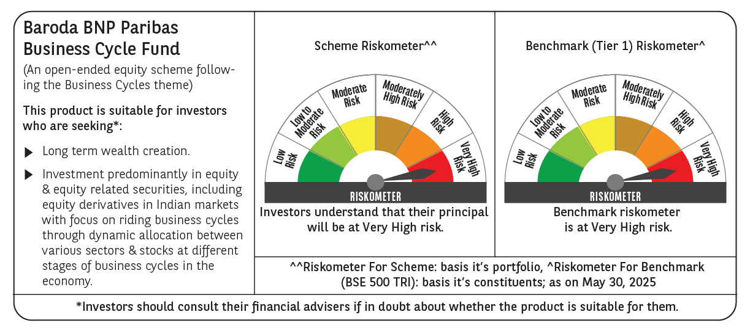
 | Baroda BNP Paribas Business Cycle Fund

 | Monthly Portfolio Statement as on May 31, 2025
 | Name of the Instrument | ISIN | Industry / Rating | Quantity | Market/Fair Value (Rs. in Lakhs) | % to Net Assets | YTM~ | YTC^ | null
 | Equity & Equity related
 | (a) Listed / awaiting listing on Stock Exchanges
HDFB03 | HDFC Bank Limited | INE040A01034 | Banks | 207,000 | 4,025.94 | 6.91%
IBCL05 | ICICI Bank Limited | INE090A01021 | Banks | 243,000 | 3,513.29 | 6.03%
RIND01 | Reliance Industries Limited | INE002A01018 | Petroleum Products | 216,000 | 3,069.14 | 5.27%
ABBP01 | Hitachi Energy India Limited | INE07Y701011 | Electrical Equipment | 12,600 | 2,431.55 | 4.18%
LARS02 | Larsen & Toubro Limited | INE018A01030 | Construction | 63,000 | 2,315.31 | 3.98%
KOMA02 | Kotak Mahindra Bank Limited | INE237A01028 | Banks | 108,000 | 2,240.68 | 3.85%
TCSL01 | Tata Consultancy Services Limited | INE467B01029 | IT - Software | 45,000 | 1,558.53 | 2.68%
SPIL03 | Sun Pharmaceutical Industries Limited | INE044A01036 | Pharmaceuticals & Biotechnology | 90,000 | 1,509.84 | 2.59%
DIVI02 | Divi's Laboratories Limited | INE361B01024 | Pharmaceuticals & Biotechnology | 22,500 | 1,487.70 | 2.55%
LAKM02 | Trent Limited | INE849A01020 | Retailing | 22,500 | 1,269.79 | 2.18%
BTVL02 | Bharti Airtel Limited | INE397D01024 | Telecom - Services | 63,000 | 1,169.41 | 2.01%
PSYL02 | Persistent Systems Limited | INE262H01021 | IT - Software | 20,700 | 1,167.07 | 2.00%
INFS02 | Infosys Limited | INE009A01021 | IT - Software | 72,000 | 1,125.14 | 1.93%
NEST02 | Nestle India Limited | INE239A01024 | Food Products | 40,500 | 970.46 | 1.67%
SAEL02 | TVS Motor Company Limited | INE494B01023 | Automobiles | 34,200 | 951.03 | 1.63%
MOTI02 | Bosch Limited | INE323A01026 | Auto Components | 2,850 | 895.33 | 1.54%
BOCL01 | Linde India Limited | INE473A01011 | Chemicals & Petrochemicals | 11,700 | 878.14 | 1.51%
SBAI02 | State Bank of India | INE062A01020 | Banks | 108,000 | 877.28 | 1.51%
ULCC01 | UltraTech Cement Limited | INE481G01011 | Cement & Cement Products | 7,650 | 857.57 | 1.47%
VNBL03 | Varun Beverages Limited | INE200M01039 | Beverages | 180,000 | 856.71 | 1.47%
WABT01 | ZF Commercial Vehicle Control Systems India Limited | INE342J01019 | Auto Components | 6,300 | 842.18 | 1.45%
ITCL02 | ITC Limited | INE154A01025 | Diversified FMCG | 198,000 | 827.74 | 1.42%
BHEL02 | Bharat Electronics Limited | INE263A01024 | Aerospace & Defense | 207,000 | 796.12 | 1.37%
ESMC02 | PB Fintech Limited | INE417T01026 | Financial Technology (Fintech) | 44,100 | 776.87 | 1.33%
NTPC01 | NTPC Limited | INE733E01010 | Power | 225,000 | 751.28 | 1.29%
BFSL02 | Bajaj Finserv Limited | INE918I01026 | Finance | 36,000 | 726.26 | 1.25%
BHAH02 | Bharat Heavy Electricals Limited | INE257A01026 | Electrical Equipment | 279,000 | 724.93 | 1.24%
PHMI02 | The Phoenix Mills Limited | INE211B01039 | Realty | 46,800 | 719.36 | 1.24%
MCSP02 | United Spirits Limited | INE854D01024 | Beverages | 45,000 | 684.05 | 1.17%
MAUD01 | Maruti Suzuki India Limited | INE585B01010 | Automobiles | 5,400 | 665.23 | 1.14%
VIPI02 | VIP Industries Limited | INE054A01027 | Consumer Durables | 180,000 | 651.06 | 1.12%
TELC03 | Tata Motors Limited | INE155A01022 | Automobiles | 90,000 | 647.55 | 1.11%
UTIB02 | Axis Bank Limited | INE238A01034 | Banks | 54,000 | 643.79 | 1.11%
IFEL01 | Oracle Financial Services Software Limited | INE881D01027 | IT - Software | 7,560 | 639.77 | 1.10%
CONB01 | Concord Biotech Limited | INE338H01029 | Pharmaceuticals & Biotechnology | 36,000 | 629.46 | 1.08%
HDLI01 | HDFC Life Insurance Company Limited | INE795G01014 | Insurance | 81,000 | 629.25 | 1.08%
APLI04 | Hexaware Technologies Limited | INE093A01041 | IT - Software | 72,000 | 617.40 | 1.06%
INGE01 | Ingersoll Rand (India) Limited | INE177A01018 | Industrial Products | 15,300 | 599.58 | 1.03%
ADWI01 | AWL Agri Business Limited | INE699H01024 | Agricultural Food & other Products | 216,000 | 594.00 | 1.02%
TEGA01 | Tega Industries Limited | INE011K01018 | Industrial Manufacturing | 36,000 | 594.00 | 1.02%
TAHO01 | Honeywell Automation India Limited | INE671A01010 | Industrial Manufacturing | 1,530 | 589.51 | 1.01%
HYUN01 | Hyundai Motor India Ltd | INE0V6F01027 | Automobiles | 31,500 | 581.87 | 1.00%
ZMPL01 | Eternal Limited | INE758T01015 | Retailing | 243,000 | 579.09 | 0.99%
FRHL01 | Fortis Healthcare Limited | INE061F01013 | Healthcare Services | 81,000 | 572.10 | 0.98%
TOPH02 | Torrent Pharmaceuticals Limited | INE685A01028 | Pharmaceuticals & Biotechnology | 18,000 | 571.45 | 0.98%
IDBK01 | IDFC First Bank Limited | INE092T01019 | Banks | 810,000 | 550.56 | 0.95%
SOKO03 | Jtekt India Limited | INE643A01035 | Auto Components | 396,000 | 549.33 | 0.94%
HLEL02 | Hindustan Unilever Limited | INE030A01027 | Diversified FMCG | 22,500 | 528.37 | 0.91%
CIPL03 | Cipla Limited | INE059A01026 | Pharmaceuticals & Biotechnology | 36,000 | 527.65 | 0.91%
PGCI01 | Power Grid Corporation of India Limited | INE752E01010 | Power | 180,000 | 521.55 | 0.90%
NAPH02 | Natco Pharma Limited | INE987B01026 | Pharmaceuticals & Biotechnology | 58,500 | 516.79 | 0.89%
TPOW02 | Tata Power Company Limited | INE245A01021 | Power | 117,000 | 459.58 | 0.79%
DRRL03 | Dr. Reddy's Laboratories Limited | INE089A01031 | Pharmaceuticals & Biotechnology | 31,500 | 394.13 | 0.68%
PFIZ01 | Pfizer Limited | INE182A01018 | Pharmaceuticals & Biotechnology | 6,750 | 378.90 | 0.65%
SCDL01 | Sundaram Clayton Limited | INE0Q3R01026 | Auto Components | 15,136 | 374.99 | 0.64%
GMRI03 | GMR Airports Limited | INE776C01039 | Transport Infrastructure | 173,553 | 145.92 | 0.25%
SCLB01 | Schloss Bangalore Limited | INE0AQ201015 | Miscellaneous | 194,304 | 845.22 | 1.45%
 | Sub Total |  |  |  | 55,616.80 | 95.51%
 | (b) Unlisted |  |  |  | NIL | NIL
 | Sub Total |  |  |  | NIL | NIL
 | Total |  |  |  | 55,616.80 | 95.51%
 | Derivatives
 | Index / Stock Futures
ZMPLJUN25 | Eternal Limited June 2025 Future |  |  | -108,000 | (259.10) | (0.44)%
 | Sub Total |  |  |  | (259.10) | (0.44)%
 | Total |  |  |  | (259.10) | (0.44)%
 | Money Market Instruments
 | Treasury Bill
TBIL2450 | 364 Days Tbill (MD 18/12/2025) | IN002024Z362 | Sovereign | 600,000 | 582.13 | 1.00% | 5.60%
 | Sub Total |  |  |  | 582.13 | 1.00%
 | Total |  |  |  | 582.13 | 1.00%
 | Reverse Repo / TREPS
TRP_020625 | Clearing Corporation of India Ltd |  |  |  | 2,089.65 | 3.59% | 5.77%
 | Sub Total |  |  |  | 2,089.65 | 3.59%
 | Total |  |  |  | 2,089.65 | 3.59%
 | Net Receivables / (Payables) |  |  |  | 198.80 | 0.34%
 | GRAND TOTAL |  |  |  | 58,228.28 | 100.00%

 | ** Thinly Traded / Non Traded Security
 | ~ YTM as on May 31, 2025
 | ^ YTC represents Yield to Call provided by valuation agencies as on May 31, 2025. It is disclosed for Perpetual Bond issued by Banks (i.e. AT-1 Bond / Tier 1 Bond / Tier 2 Bond), as per AMFI Best Practices Guidelines Circular no. 135/BP/91/2020-21 read with SEBI circular No. SEBI/HO/IMD/DF4/CIR/P/2021/034 on Valuation of AT-1 Bonds and Tier 2 Bonds.
 | Details of Stock Future / Index Future
 | Long/Short | Name of the Instrument | Industry | Quantity. | Market/Fair Value (Rs. in Lacs). | % to NAV.
 | Short | Eternal Limited_26/06/2025 | Retailing | 108,000 | 259.10 | 0.44%

