YR56
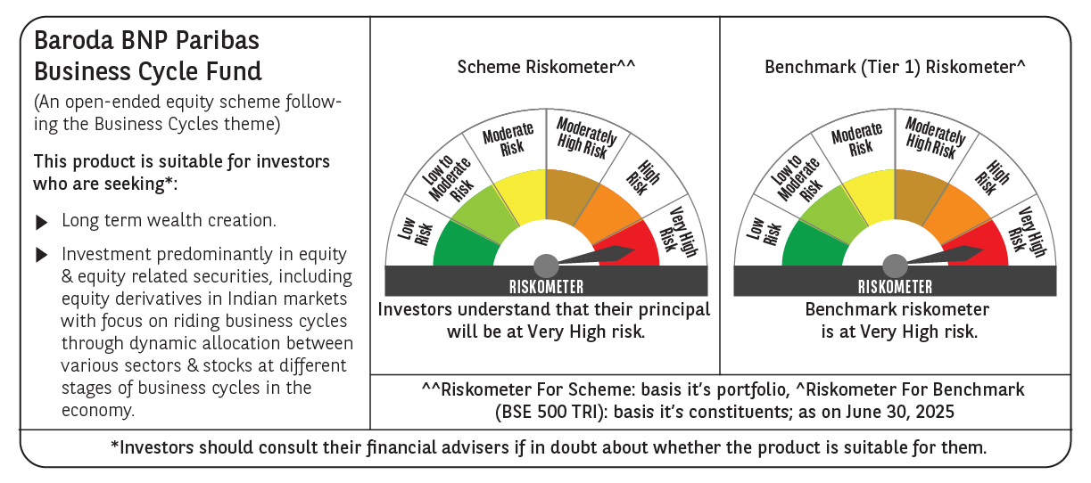
 | Baroda BNP Paribas Business Cycle Fund

 | Monthly Portfolio Statement as on June 30, 2025
 | Name of the Instrument | ISIN | Industry / Rating | Quantity | Market/Fair Value (Rs. in Lakhs) | % to Net Assets | YTM~ | YTC^ | null
 | Equity & Equity related
 | (a) Listed / awaiting listing on Stock Exchanges
HDFB03 | HDFC Bank Limited | INE040A01034 | Banks | 207,000 | 4,143.11 | 6.96%
IBCL05 | ICICI Bank Limited | INE090A01021 | Banks | 243,000 | 3,513.29 | 5.90%
RIND01 | Reliance Industries Limited | INE002A01018 | Petroleum Products | 216,000 | 3,241.30 | 5.44%
ABBP01 | Hitachi Energy India Limited | INE07Y701011 | Electrical Equipment | 12,150 | 2,430.85 | 4.08%
KOMA02 | Kotak Mahindra Bank Limited | INE237A01028 | Banks | 108,000 | 2,336.58 | 3.92%
LARS02 | Larsen & Toubro Limited | INE018A01030 | Construction | 63,000 | 2,311.97 | 3.88%
LAKM02 | Trent Limited | INE849A01020 | Retailing | 22,500 | 1,398.94 | 2.35%
INFS02 | Infosys Limited | INE009A01021 | IT - Software | 81,000 | 1,297.46 | 2.18%
BTVL02 | Bharti Airtel Limited | INE397D01024 | Telecom - Services | 63,000 | 1,266.05 | 2.13%
PSYL02 | Persistent Systems Limited | INE262H01021 | IT - Software | 20,700 | 1,250.59 | 2.10%
TCSL01 | Tata Consultancy Services Limited | INE467B01029 | IT - Software | 36,000 | 1,246.32 | 2.09%
DIVI02 | Divi's Laboratories Limited | INE361B01024 | Pharmaceuticals & Biotechnology | 18,000 | 1,225.71 | 2.06%
SPIL03 | Sun Pharmaceutical Industries Limited | INE044A01036 | Pharmaceuticals & Biotechnology | 72,000 | 1,206.50 | 2.03%
NEST02 | Nestle India Limited | INE239A01024 | Food Products | 40,500 | 998.45 | 1.68%
SAEL02 | TVS Motor Company Limited | INE494B01023 | Automobiles | 34,200 | 997.96 | 1.68%
MOTI02 | Bosch Limited | INE323A01026 | Auto Components | 2,850 | 931.38 | 1.56%
SBAI02 | State Bank of India | INE062A01020 | Banks | 108,000 | 885.98 | 1.49%
WABT01 | ZF Commercial Vehicle Control Systems India Limited | INE342J01019 | Auto Components | 6,300 | 843.70 | 1.42%
ITCL02 | ITC Limited | INE154A01025 | Diversified FMCG | 198,000 | 824.57 | 1.38%
VNBL03 | Varun Beverages Limited | INE200M01039 | Beverages | 180,000 | 823.59 | 1.38%
ESMC02 | PB Fintech Limited | INE417T01026 | Financial Technology (Fintech) | 44,100 | 804.34 | 1.35%
SCLB01 | Schloss Bangalore Limited | INE0AQ201015 | Leisure Services | 194,304 | 787.22 | 1.32%
BOCL01 | Linde India Limited | INE473A01011 | Chemicals & Petrochemicals | 11,700 | 778.69 | 1.31%
ICEM01 | The India Cements Limited | INE383A01012 | Cement & Cement Products | 225,000 | 775.91 | 1.30%
BHEL02 | Bharat Electronics Limited | INE263A01024 | Aerospace & Defense | 180,000 | 758.70 | 1.27%
VIPI02 | VIP Industries Limited | INE054A01027 | Consumer Durables | 180,000 | 758.07 | 1.27%
NTPC01 | NTPC Limited | INE733E01010 | Power | 225,000 | 753.53 | 1.27%
BHAH02 | Bharat Heavy Electricals Limited | INE257A01026 | Electrical Equipment | 279,000 | 742.98 | 1.25%
BFSL02 | Bajaj Finserv Limited | INE918I01026 | Finance | 36,000 | 740.16 | 1.24%
PHMI02 | The Phoenix Mills Limited | INE211B01039 | Realty | 46,800 | 730.88 | 1.23%
TELC03 | Tata Motors Limited | INE155A01022 | Automobiles | 99,000 | 681.12 | 1.14%
IFEL01 | Oracle Financial Services Software Limited | INE881D01027 | IT - Software | 7,560 | 679.34 | 1.14%
MAUD01 | Maruti Suzuki India Limited | INE585B01010 | Automobiles | 5,400 | 669.60 | 1.12%
CONB01 | Concord Biotech Limited | INE338H01029 | Pharmaceuticals & Biotechnology | 36,000 | 662.26 | 1.11%
HDLI01 | HDFC Life Insurance Company Limited | INE795G01014 | Insurance | 81,000 | 659.58 | 1.11%
HYUN01 | Hyundai Motor India Ltd | INE0V6F01027 | Automobiles | 29,700 | 659.25 | 1.11%
UTIB02 | Axis Bank Limited | INE238A01034 | Banks | 54,000 | 647.57 | 1.09%
FRHL01 | Fortis Healthcare Limited | INE061F01013 | Healthcare Services | 81,000 | 643.55 | 1.08%
YESB03 | Yes Bank Limited | INE528G01035 | Banks | 3,150,000 | 640.71 | 1.08%
MCSP02 | United Spirits Limited | INE854D01024 | Beverages | 43,200 | 616.94 | 1.04%
APLI04 | Hexaware Technologies Limited | INE093A01041 | IT - Software | 72,000 | 612.40 | 1.03%
MCEX01 | Multi Commodity Exchange of India Limited | INE745G01035 | Capital Markets | 6,750 | 603.72 | 1.01%
TAHO01 | Honeywell Automation India Limited | INE671A01010 | Industrial Manufacturing | 1,530 | 602.13 | 1.01%
INGE01 | Ingersoll Rand (India) Limited | INE177A01018 | Industrial Products | 15,300 | 592.88 | 1.00%
IDBK01 | IDFC First Bank Limited | INE092T01019 | Banks | 810,000 | 590.00 | 0.99%
TPOW02 | Tata Power Company Limited | INE245A01021 | Power | 144,000 | 583.85 | 0.98%
DRRL03 | Dr. Reddy's Laboratories Limited | INE089A01031 | Pharmaceuticals & Biotechnology | 45,000 | 577.49 | 0.97%
SOKO03 | Jtekt India Limited | INE643A01035 | Auto Components | 396,000 | 576.30 | 0.97%
ADWI01 | AWL Agri Business Limited | INE699H01024 | Agricultural Food & other Products | 216,000 | 561.49 | 0.94%
TEGA01 | Tega Industries Limited | INE011K01018 | Industrial Manufacturing | 36,000 | 560.77 | 0.94%
CIPL03 | Cipla Limited | INE059A01026 | Pharmaceuticals & Biotechnology | 36,000 | 542.12 | 0.91%
NAPH02 | Natco Pharma Limited | INE987B01026 | Pharmaceuticals & Biotechnology | 58,500 | 542.09 | 0.91%
TOPH02 | Torrent Pharmaceuticals Limited | INE685A01028 | Pharmaceuticals & Biotechnology | 13,500 | 460.11 | 0.77%
PFIZ01 | Pfizer Limited | INE182A01018 | Pharmaceuticals & Biotechnology | 6,750 | 383.23 | 0.64%
ZMPL01 | Eternal Limited | INE758T01015 | Retailing | 135,000 | 356.60 | 0.60%
IIFM02 | 360 One WAM Limited | INE466L01038 | Capital Markets | 27,000 | 322.52 | 0.54%
SCDL01 | Sundaram Clayton Limited | INE0Q3R01026 | Auto Components | 15,136 | 313.53 | 0.53%
HLEL02 | Hindustan Unilever Limited | INE030A01027 | Diversified FMCG | 9,618 | 220.69 | 0.37%
GMRI03 | GMR Airports Limited | INE776C01039 | Transport Infrastructure | 173,553 | 147.85 | 0.25%
 | Sub Total |  |  |  | 56,514.47 | 94.90%
 | (b) Unlisted |  |  |  | NIL | NIL
 | Sub Total |  |  |  | NIL | NIL
 | Total |  |  |  | 56,514.47 | 94.90%
 | Derivatives
 | Index / Stock Futures
KPELJUL25 | KPIT Technologies Limited July 2025 Future |  |  | 72,000 | 907.85 | 1.52%
NIFTYFJUL25 | NIFTY July 2025 Future |  |  | -900 | (230.53) | (0.39)%
 | Sub Total |  |  |  | 677.32 | 1.13%
 | Total |  |  |  | 677.32 | 1.13%
 | Money Market Instruments
 | Treasury Bill
TBIL2450 | 364 Days Tbill (MD 18/12/2025) | IN002024Z362 | Sovereign | 600,000 | 585.01 | 0.98% | 5.50%
 | Sub Total |  |  |  | 585.01 | 0.98%
 | Total |  |  |  | 585.01 | 0.98%
 | Reverse Repo / TREPS
TRP_010725 | Clearing Corporation of India Ltd |  |  |  | 1,132.06 | 1.90% | 5.47%
 | Sub Total |  |  |  | 1,132.06 | 1.90%
 | Total |  |  |  | 1,132.06 | 1.90%
 | Net Receivables / (Payables) |  |  |  | 637.28 | 1.09%
 | GRAND TOTAL |  |  |  | 59,546.14 | 100.00%

 | ~ YTM as on June 30, 2025
 | ^ YTC represents Yield to Call provided by valuation agencies as on June 30, 2025. It is disclosed for Perpetual Bond issued by Banks (i.e. AT-1 Bond / Tier 1 Bond / Tier 2 Bond), as per AMFI Best Practices Guidelines Circular no. 135/BP/91/2020-21 read with SEBI circular No. SEBI/HO/IMD/DF4/CIR/P/2021/034 on Valuation of AT-1 Bonds and Tier 2 Bonds.
 | Details of Stock Future / Index Future
 | Long/Short | Name of the Instrument | Industry | Quantity. | Market/Fair Value (Rs. in Lacs). | % to NAV.
 | Long | KPIT Technologies Limited_31/07/2025 | IT - Software | 72,000 | 907.85 | 1.52%
 | Short | NIFTY_31/07/2025 | Index | 900 | 230.53 | 0.39%

