YR56
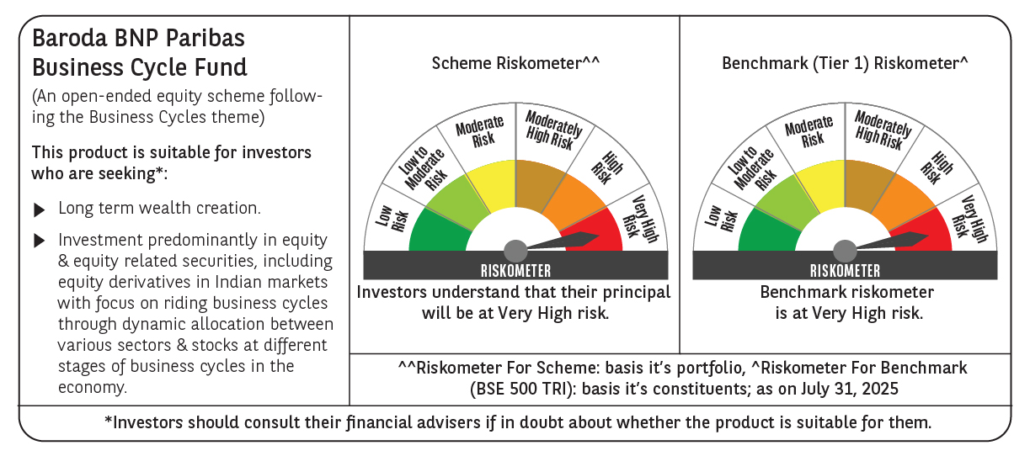
 | Baroda BNP Paribas Business Cycle Fund

 | Monthly Portfolio Statement as on July 31, 2025
 | Name of the Instrument | ISIN | Industry / Rating | Quantity | Market/Fair Value (Rs. in Lakhs) | % to Net Assets | YTM~ | YTC^ | null
 | Equity & Equity related
 | (a) Listed / awaiting listing on Stock Exchanges
HDFB03 | HDFC Bank Limited | INE040A01034 | Banks | 207,000 | 4,177.67 | 7.22%
IBCL05 | ICICI Bank Limited | INE090A01021 | Banks | 252,000 | 3,733.13 | 6.45%
RIND01 | Reliance Industries Limited | INE002A01018 | Petroleum Products | 216,000 | 3,002.83 | 5.19%
ABBP01 | Hitachi Energy India Limited | INE07Y701011 | Electrical Equipment | 12,150 | 2,441.54 | 4.22%
LARS02 | Larsen & Toubro Limited | INE018A01030 | Construction | 63,000 | 2,291.00 | 3.96%
KOMA02 | Kotak Mahindra Bank Limited | INE237A01028 | Banks | 108,000 | 2,136.89 | 3.69%
SPIL03 | Sun Pharmaceutical Industries Limited | INE044A01036 | Pharmaceuticals & Biotechnology | 72,000 | 1,228.82 | 2.12%
INFS02 | Infosys Limited | INE009A01021 | IT - Software | 81,000 | 1,222.29 | 2.11%
BTVL02 | Bharti Airtel Limited | INE397D01024 | Telecom - Services | 63,000 | 1,206.01 | 2.09%
DIVI02 | Divi's Laboratories Limited | INE361B01024 | Pharmaceuticals & Biotechnology | 18,000 | 1,187.19 | 2.05%
MOTI02 | Bosch Limited | INE323A01026 | Auto Components | 2,850 | 1,150.97 | 1.99%
TCSL01 | Tata Consultancy Services Limited | INE467B01029 | IT - Software | 36,000 | 1,093.25 | 1.89%
PSYL02 | Persistent Systems Limited | INE262H01021 | IT - Software | 20,700 | 1,068.22 | 1.85%
LAKM02 | Trent Limited | INE849A01020 | Retailing | 20,700 | 1,038.73 | 1.80%
SAEL02 | TVS Motor Company Limited | INE494B01023 | Automobiles | 34,200 | 958.22 | 1.66%
VNBL03 | Varun Beverages Limited | INE200M01039 | Beverages | 180,000 | 940.68 | 1.63%
NEST02 | Nestle India Limited | INE239A01024 | Food Products | 40,500 | 910.32 | 1.57%
SBAI02 | State Bank of India | INE062A01020 | Banks | 108,000 | 860.27 | 1.49%
WABT01 | ZF Commercial Vehicle Control Systems India Limited | INE342J01019 | Auto Components | 6,300 | 830.72 | 1.44%
ICEM01 | The India Cements Limited | INE383A01012 | Cement & Cement Products | 225,000 | 830.48 | 1.44%
ITCL02 | ITC Limited | INE154A01025 | Diversified FMCG | 198,000 | 815.66 | 1.41%
SCLB01 | Schloss Bangalore Limited | INE0AQ201015 | Leisure Services | 194,304 | 804.03 | 1.39%
ESMC02 | PB Fintech Limited | INE417T01026 | Financial Technology (Fintech) | 44,100 | 799.14 | 1.38%
BOCL01 | Linde India Limited | INE473A01011 | Chemicals & Petrochemicals | 11,700 | 769.10 | 1.33%
NTPC01 | NTPC Limited | INE733E01010 | Power | 225,000 | 752.06 | 1.30%
BFSL02 | Bajaj Finserv Limited | INE918I01026 | Finance | 36,000 | 701.28 | 1.21%
FRHL01 | Fortis Healthcare Limited | INE061F01013 | Healthcare Services | 81,000 | 694.53 | 1.20%
PHMI02 | The Phoenix Mills Limited | INE211B01039 | Realty | 46,800 | 694.51 | 1.20%
BHEL02 | Bharat Electronics Limited | INE263A01024 | Aerospace & Defense | 180,000 | 689.58 | 1.19%
TEGA01 | Tega Industries Limited | INE011K01018 | Industrial Manufacturing | 36,000 | 686.16 | 1.19%
MAUD01 | Maruti Suzuki India Limited | INE585B01010 | Automobiles | 5,400 | 680.83 | 1.18%
BHAH02 | Bharat Heavy Electricals Limited | INE257A01026 | Electrical Equipment | 279,000 | 665.28 | 1.15%
TELC03 | Tata Motors Limited | INE155A01022 | Automobiles | 99,000 | 659.29 | 1.14%
IFEL01 | Oracle Financial Services Software Limited | INE881D01027 | IT - Software | 7,560 | 640.71 | 1.11%
HYUN01 | Hyundai Motor India Ltd | INE0V6F01027 | Automobiles | 29,700 | 639.08 | 1.10%
CONB01 | Concord Biotech Limited | INE338H01029 | Pharmaceuticals & Biotechnology | 36,000 | 636.23 | 1.10%
HDLI01 | HDFC Life Insurance Company Limited | INE795G01014 | Insurance | 81,000 | 611.96 | 1.06%
YESB03 | Yes Bank Limited | INE528G01035 | Banks | 3,150,000 | 595.98 | 1.03%
TAHO01 | Honeywell Automation India Limited | INE671A01010 | Industrial Manufacturing | 1,530 | 593.18 | 1.03%
INGE01 | Ingersoll Rand (India) Limited | INE177A01018 | Industrial Products | 15,300 | 591.16 | 1.02%
MCSP02 | United Spirits Limited | INE854D01024 | Beverages | 43,200 | 578.97 | 1.00%
UTIB02 | Axis Bank Limited | INE238A01034 | Banks | 54,000 | 576.94 | 1.00%
DRRL03 | Dr. Reddy's Laboratories Limited | INE089A01031 | Pharmaceuticals & Biotechnology | 45,000 | 571.64 | 0.99%
VIPI02 | VIP Industries Limited | INE054A01027 | Consumer Durables | 126,000 | 564.80 | 0.98%
CIPL03 | Cipla Limited | INE059A01026 | Pharmaceuticals & Biotechnology | 36,000 | 559.66 | 0.97%
NAPH02 | Natco Pharma Limited | INE987B01026 | Pharmaceuticals & Biotechnology | 58,500 | 557.74 | 0.96%
IDBK01 | IDFC First Bank Limited | INE092T01019 | Banks | 810,000 | 556.96 | 0.96%
SOKO03 | Jtekt India Limited | INE643A01035 | Auto Components | 396,000 | 510.76 | 0.88%
APLI04 | Hexaware Technologies Limited | INE093A01041 | IT - Software | 72,000 | 506.88 | 0.88%
TOPH02 | Torrent Pharmaceuticals Limited | INE685A01028 | Pharmaceuticals & Biotechnology | 13,500 | 505.16 | 0.87%
HDBF01 | HDB Financial Services Limited | INE756I01012 | Finance | 63,000 | 477.89 | 0.83%
IIFM02 | 360 One WAM Limited | INE466L01038 | Capital Markets | 45,000 | 473.72 | 0.82%
ZMPL01 | Eternal Limited | INE758T01015 | Retailing | 153,000 | 470.93 | 0.81%
IINF02 | IIFL Finance Limited | INE530B01024 | Finance | 90,000 | 430.16 | 0.74%
PFIZ01 | Pfizer Limited | INE182A01018 | Pharmaceuticals & Biotechnology | 6,932 | 360.08 | 0.62%
SCDL01 | Sundaram Clayton Limited | INE0Q3R01026 | Auto Components | 16,801 | 327.87 | 0.57%
ADWI01 | AWL Agri Business Limited | INE699H01024 | Agricultural Food & other Products | 104,709 | 274.55 | 0.47%
GMRI03 | GMR Airports Limited | INE776C01039 | Transport Infrastructure | 173,553 | 156.30 | 0.27%
SOKO03RF | Jtekt India Limited- Rights share** | INE643A20019 | Auto Components | 36,000 | 7.52 | 0.01%
 | Sub Total |  |  |  | 54,497.51 | 94.21%
 | (b) Unlisted |  |  |  | NIL | NIL
 | Sub Total |  |  |  | NIL | NIL
 | Total |  |  |  | 54,497.51 | 94.21%
 | Derivatives
 | Index / Stock Futures
KPELAUG25 | KPIT Technologies Limited August 2025 Future |  |  | 36,000 | 442.40 | 0.76%
 | Sub Total |  |  |  | 442.40 | 0.76%
 | Total |  |  |  | 442.40 | 0.76%
 | Money Market Instruments
 | Treasury Bill
TBIL2450 | 364 Days Tbill (MD 18/12/2025) | IN002024Z362 | Sovereign | 600,000 | 587.79 | 1.02% | 5.45%
 | Sub Total |  |  |  | 587.79 | 1.02%
 | Total |  |  |  | 587.79 | 1.02%
 | Reverse Repo / TREPS
TRP_010825 | Clearing Corporation of India Ltd |  |  |  | 2,801.90 | 4.84% | 5.42%
 | Sub Total |  |  |  | 2,801.90 | 4.84%
 | Total |  |  |  | 2,801.90 | 4.84%
 | Net Receivables / (Payables) |  |  |  | (488.09) | (0.83)%
 | GRAND TOTAL |  |  |  | 57,841.51 | 100.00%

 | ** Thinly Traded / Non Traded Security
 | ~ YTM as on July 31, 2025
 | ^ YTC represents Yield to Call provided by valuation agencies as on July 31, 2025. It is disclosed for Perpetual Bond issued by Banks (i.e. AT-1 Bond / Tier 1 Bond / Tier 2 Bond), as per AMFI Best Practices Guidelines Circular no. 135/BP/91/2020-21 read with SEBI circular No. SEBI/HO/IMD/DF4/CIR/P/2021/034 on Valuation of AT-1 Bonds and Tier 2 Bonds.
 | Details of Stock Future / Index Future
 | Long/Short | Name of the Instrument | Industry | Quantity. | Market/Fair Value (Rs. in Lacs). | % to NAV.
 | Long | KPIT Technologies Limited_28/08/2025 | IT - Software | 36,000 | 442.40 | 0.76%

