YR56
 | Baroda BNP Paribas Business Cycle Fund

 | Monthly Portfolio Statement as on August 31, 2025
 | Name of the Instrument | ISIN | Industry / Rating | Quantity | Market/Fair Value (Rs. in Lakhs) | % to Net Assets | YTM~ | YTC^ | null
 | Equity & Equity related
 | (a) Listed / awaiting listing on Stock Exchanges
HDFB03 | HDFC Bank Limited | INE040A01034 | Banks | 414,000 | 3,939.62 | 6.94%
IBCL05 | ICICI Bank Limited | INE090A01021 | Banks | 252,000 | 3,522.46 | 6.20%
RIND01 | Reliance Industries Limited | INE002A01018 | Petroleum Products | 216,000 | 2,931.55 | 5.16%
ABBP01 | Hitachi Energy India Limited | INE07Y701011 | Electrical Equipment | 12,150 | 2,321.87 | 4.09%
LARS02 | Larsen & Toubro Limited | INE018A01030 | Construction | 63,000 | 2,268.63 | 4.00%
KOMA02 | Kotak Mahindra Bank Limited | INE237A01028 | Banks | 108,000 | 2,117.12 | 3.73%
INFS02 | Infosys Limited | INE009A01021 | IT - Software | 81,000 | 1,190.38 | 2.10%
BTVL02 | Bharti Airtel Limited | INE397D01024 | Telecom - Services | 63,000 | 1,189.94 | 2.10%
SPIL03 | Sun Pharmaceutical Industries Limited | INE044A01036 | Pharmaceuticals & Biotechnology | 72,000 | 1,148.04 | 2.02%
MOTI02 | Bosch Limited | INE323A01026 | Auto Components | 2,850 | 1,138.86 | 2.01%
SAEL02 | TVS Motor Company Limited | INE494B01023 | Automobiles | 34,200 | 1,120.60 | 1.97%
TCSL01 | Tata Consultancy Services Limited | INE467B01029 | IT - Software | 36,000 | 1,110.49 | 1.96%
DIVI02 | Divi's Laboratories Limited | INE361B01024 | Pharmaceuticals & Biotechnology | 18,000 | 1,103.67 | 1.94%
PSYL02 | Persistent Systems Limited | INE262H01021 | IT - Software | 20,700 | 1,098.24 | 1.93%
LAKM02 | Trent Limited | INE849A01020 | Retailing | 19,800 | 1,049.00 | 1.85%
NEST02 | Nestle India Limited | INE239A01024 | Food Products | 81,000 | 936.52 | 1.65%
WABT01 | ZF Commercial Vehicle Control Systems India Limited | INE342J01019 | Auto Components | 6,300 | 886.73 | 1.56%
VNBL03 | Varun Beverages Limited | INE200M01039 | Beverages | 180,000 | 876.87 | 1.54%
SBAI02 | State Bank of India | INE062A01020 | Banks | 108,000 | 866.70 | 1.53%
ICEM01 | The India Cements Limited | INE383A01012 | Cement & Cement Products | 225,000 | 858.38 | 1.51%
ITCL02 | ITC Limited | INE154A01025 | Diversified FMCG | 198,000 | 811.31 | 1.43%
MAUD01 | Maruti Suzuki India Limited | INE585B01010 | Automobiles | 5,400 | 798.71 | 1.41%
ESMC02 | PB Fintech Limited | INE417T01026 | Financial Technology (Fintech) | 44,100 | 780.92 | 1.38%
BOCL01 | Linde India Limited | INE473A01011 | Chemicals & Petrochemicals | 11,700 | 746.28 | 1.31%
FRHL01 | Fortis Healthcare Limited | INE061F01013 | Healthcare Services | 81,000 | 738.32 | 1.30%
NTPC01 | NTPC Limited | INE733E01010 | Power | 225,000 | 736.99 | 1.30%
HYUN01 | Hyundai Motor India Ltd | INE0V6F01027 | Automobiles | 29,700 | 730.74 | 1.29%
SCLB01 | Schloss Bangalore Limited | INE0AQ201015 | Leisure Services | 180,000 | 719.01 | 1.27%
PHMI02 | The Phoenix Mills Limited | INE211B01039 | Realty | 46,800 | 703.50 | 1.24%
BFSL02 | Bajaj Finserv Limited | INE918I01026 | Finance | 36,000 | 688.86 | 1.21%
BHEL02 | Bharat Electronics Limited | INE263A01024 | Aerospace & Defense | 180,000 | 664.92 | 1.17%
TEGA01 | Tega Industries Limited | INE011K01018 | Industrial Manufacturing | 36,000 | 664.88 | 1.17%
TELC03 | Tata Motors Limited | INE155A01022 | Automobiles | 99,000 | 662.31 | 1.17%
IFEL01 | Oracle Financial Services Software Limited | INE881D01027 | IT - Software | 7,560 | 626.99 | 1.10%
HDLI01 | HDFC Life Insurance Company Limited | INE795G01014 | Insurance | 81,000 | 625.36 | 1.10%
CONB01 | Concord Biotech Limited | INE338H01029 | Pharmaceuticals & Biotechnology | 36,000 | 605.41 | 1.07%
YESB03 | Yes Bank Limited | INE528G01035 | Banks | 3,150,000 | 601.65 | 1.06%
SOKO03 | Jtekt India Limited | INE643A01035 | Auto Components | 441,000 | 594.60 | 1.05%
INGE01 | Ingersoll Rand (India) Limited | INE177A01018 | Industrial Products | 15,300 | 582.56 | 1.03%
BHAH02 | Bharat Heavy Electricals Limited | INE257A01026 | Electrical Equipment | 279,000 | 580.35 | 1.02%
CIPL03 | Cipla Limited | INE059A01026 | Pharmaceuticals & Biotechnology | 36,000 | 572.18 | 1.01%
DRRL03 | Dr. Reddy's Laboratories Limited | INE089A01031 | Pharmaceuticals & Biotechnology | 45,000 | 567.05 | 1.00%
ZMPL01 | Eternal Limited | INE758T01015 | Retailing | 180,000 | 565.11 | 1.00%
UTIB02 | Axis Bank Limited | INE238A01034 | Banks | 54,000 | 564.41 | 0.99%
IDBK01 | IDFC First Bank Limited | INE092T01019 | Banks | 810,000 | 550.72 | 0.97%
VIPI02 | VIP Industries Limited | INE054A01027 | Consumer Durables | 126,000 | 528.07 | 0.93%
NAPH02 | Natco Pharma Limited | INE987B01026 | Pharmaceuticals & Biotechnology | 58,500 | 504.27 | 0.89%
IIFM02 | 360 One WAM Limited | INE466L01038 | Capital Markets | 49,500 | 503.96 | 0.89%
HDBF01 | HDB Financial Services Limited | INE756I01012 | Finance | 63,000 | 490.27 | 0.86%
TOPH02 | Torrent Pharmaceuticals Limited | INE685A01028 | Pharmaceuticals & Biotechnology | 13,500 | 480.57 | 0.85%
TAHO01 | Honeywell Automation India Limited | INE671A01010 | Industrial Manufacturing | 1,013 | 392.44 | 0.69%
IINF02 | IIFL Finance Limited | INE530B01024 | Finance | 90,000 | 384.84 | 0.68%
SCDL01 | Sundaram Clayton Limited | INE0Q3R01026 | Auto Components | 22,500 | 371.79 | 0.65%
PFIZ01 | Pfizer Limited | INE182A01018 | Pharmaceuticals & Biotechnology | 6,932 | 357.41 | 0.63%
MCSP02 | United Spirits Limited | INE854D01024 | Beverages | 18,000 | 235.98 | 0.42%
GMRI03 | GMR Airports Limited | INE776C01039 | Transport Infrastructure | 173,553 | 149.38 | 0.26%
 | Sub Total |  |  |  | 52,557.79 | 92.59%

SAEL21PS | TVS Motor Company Limited (Preference Share) ** |  | Automobiles | 136,800 | 13.68 | 0.02%
 | Sub Total |  |  |  | 13.68 | 0.02%
 | (b) Unlisted |  |  |  | NIL | NIL
 | Sub Total |  |  |  | NIL | NIL
 | Total |  |  |  | 52,571.47 | 92.61%
 | Derivatives
 | Index / Stock Futures
KPELSEP25 | KPIT Technologies Limited September 2025 Future |  |  | 36,000 | 426.96 | 0.75%
 | Sub Total |  |  |  | 426.96 | 0.75%
 | Total |  |  |  | 426.96 | 0.75%
 | Money Market Instruments
 | Treasury Bill
TBIL2450 | 364 Days Tbill (MD 18/12/2025) | IN002024Z362 | Sovereign | 600,000 | 590.40 | 1.04% | 5.49%
 | Sub Total |  |  |  | 590.40 | 1.04%
 | Total |  |  |  | 590.40 | 1.04%
 | Reverse Repo / TREPS
TRP_010925 | Clearing Corporation of India Ltd |  |  |  | 3,542.11 | 6.24% | 5.39%
 | Sub Total |  |  |  | 3,542.11 | 6.24%
 | Total |  |  |  | 3,542.11 | 6.24%
 | Net Receivables / (Payables) |  |  |  | (358.27) | (0.64)%
 | GRAND TOTAL |  |  |  | 56,772.67 | 100.00%

 | ** Thinly Traded / Non Traded Security
 | ~ YTM as on August 31, 2025
 | ^ YTC represents Yield to Call provided by valuation agencies as on August 31, 2025. It is disclosed for Perpetual Bond issued by Banks (i.e. AT-1 Bond / Tier 1 Bond / Tier 2 Bond), as per AMFI Best Practices Guidelines Circular no. 135/BP/91/2020-21 read with SEBI circular No. SEBI/HO/IMD/DF4/CIR/P/2021/034 on Valuation of AT-1 Bonds and Tier 2 Bonds.
 | Details of Stock Future / Index Future
 | Long/Short | Name of the Instrument | Industry | Quantity. | Market/Fair Value (Rs. in Lacs). | % to NAV.
 | Long | KPIT Technologies Limited_30/09/2025 | IT - Software | 36,000 | 426.96 | 0.75%

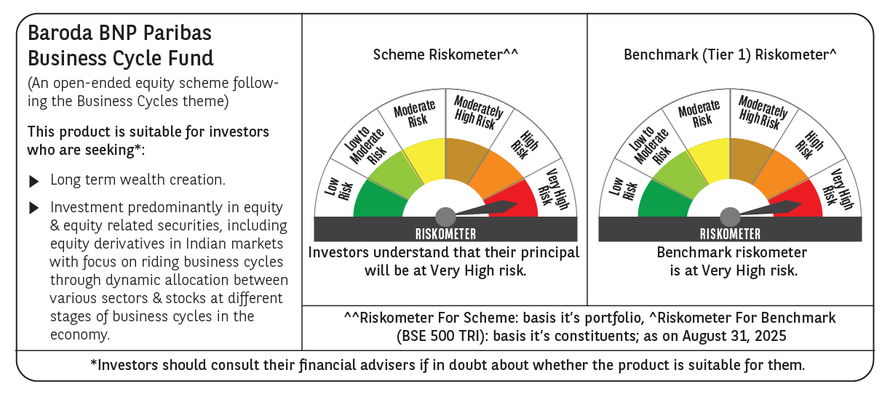

 | Monthly Performance Link: https://www.barodabnpparibasmf.in/assets/download_documents/Performance_of_Schemes_14126.pdf

