Monthly Portfolio
 | Baroda BNP Paribas Business Cycle Fund

 | Monthly Portfolio Statement as on September 30, 2025
 | Name of the Instrument | ISIN | Industry / Rating | Quantity | Market/Fair Value (Rs. in Lakhs) | % to Net Assets | YTM~ | YTC^ | null
 | Equity & Equity related
 | (a) Listed / awaiting listing on Stock Exchanges
HDFB03 | HDFC Bank Limited | INE040A01034 | Banks | 414,000 | 3,937.14 | 6.99%
IBCL05 | ICICI Bank Limited | INE090A01021 | Banks | 252,000 | 3,396.96 | 6.03%
RIND01 | Reliance Industries Limited | INE002A01018 | Petroleum Products | 216,000 | 2,946.24 | 5.23%
LARS02 | Larsen & Toubro Limited | INE018A01030 | Construction | 63,000 | 2,305.17 | 4.09%
ABBP01 | Hitachi Energy India Limited | INE07Y701011 | Electrical Equipment | 12,150 | 2,187.12 | 3.88%
KOMA02 | Kotak Mahindra Bank Limited | INE237A01028 | Banks | 108,000 | 2,152.12 | 3.82%
BTVL02 | Bharti Airtel Limited | INE397D01024 | Telecom - Services | 63,000 | 1,183.39 | 2.10%
SAEL02 | TVS Motor Company Limited | INE494B01023 | Automobiles | 34,200 | 1,176.04 | 2.09%
INFS02 | Infosys Limited | INE009A01021 | IT - Software | 81,000 | 1,167.86 | 2.07%
SPIL03 | Sun Pharmaceutical Industries Limited | INE044A01036 | Pharmaceuticals & Biotechnology | 72,000 | 1,147.90 | 2.04%
MOTI02 | Bosch Limited | INE323A01026 | Auto Components | 2,850 | 1,087.13 | 1.93%
TCSL01 | Tata Consultancy Services Limited | INE467B01029 | IT - Software | 36,000 | 1,039.82 | 1.85%
DIVI02 | Divi's Laboratories Limited | INE361B01024 | Pharmaceuticals & Biotechnology | 18,000 | 1,024.11 | 1.82%
PSYL02 | Persistent Systems Limited | INE262H01021 | IT - Software | 20,700 | 998.26 | 1.77%
SBAI02 | State Bank of India | INE062A01020 | Banks | 108,000 | 942.25 | 1.67%
NEST02 | Nestle India Limited | INE239A01024 | Food Products | 81,000 | 933.85 | 1.66%
LAKM02 | Trent Limited | INE849A01020 | Retailing | 19,800 | 926.15 | 1.64%
EIML02 | Eicher Motors Limited | INE066A01021 | Automobiles | 12,600 | 882.69 | 1.57%
MAUD01 | Maruti Suzuki India Limited | INE585B01010 | Automobiles | 5,400 | 865.57 | 1.54%
ICEM01 | The India Cements Limited | INE383A01012 | Cement & Cement Products | 225,000 | 864.00 | 1.53%
WABT01 | ZF Commercial Vehicle Control Systems India Limited | INE342J01019 | Auto Components | 6,300 | 813.02 | 1.44%
VNBL03 | Varun Beverages Limited | INE200M01039 | Beverages | 180,000 | 798.66 | 1.42%
ITCL02 | ITC Limited | INE154A01025 | Diversified FMCG | 198,000 | 795.07 | 1.41%
FRHL01 | Fortis Healthcare Limited | INE061F01013 | Healthcare Services | 81,000 | 785.54 | 1.39%
HYUN01 | Hyundai Motor India Ltd | INE0V6F01027 | Automobiles | 29,700 | 767.57 | 1.36%
NTPC01 | NTPC Limited | INE733E01010 | Power | 225,000 | 766.01 | 1.36%
YESB03 | Yes Bank Limited | INE528G01035 | Banks | 3,600,000 | 765.00 | 1.36%
ESMC02 | PB Fintech Limited | INE417T01026 | Financial Technology (Fintech) | 44,100 | 750.58 | 1.33%
SCLB01 | Schloss Bangalore Limited | INE0AQ201015 | Leisure Services | 180,000 | 743.40 | 1.32%
BOCL01 | Linde India Limited | INE473A01011 | Chemicals & Petrochemicals | 11,700 | 730.72 | 1.30%
SOKO03 | Jtekt India Limited | INE643A01035 | Auto Components | 447,440 | 730.09 | 1.30%
PHMI02 | The Phoenix Mills Limited | INE211B01039 | Realty | 46,800 | 727.97 | 1.29%
BFSL02 | Bajaj Finserv Limited | INE918I01026 | Finance | 36,000 | 722.30 | 1.28%
NAPH02 | Natco Pharma Limited | INE987B01026 | Pharmaceuticals & Biotechnology | 90,000 | 716.00 | 1.27%
BHEL02 | Bharat Electronics Limited | INE263A01024 | Aerospace & Defense | 171,000 | 690.75 | 1.23%
BHAH02 | Bharat Heavy Electricals Limited | INE257A01026 | Electrical Equipment | 288,000 | 686.74 | 1.22%
ZMPL01 | Eternal Limited | INE758T01015 | Retailing | 189,000 | 615.20 | 1.09%
HDLI01 | HDFC Life Insurance Company Limited | INE795G01014 | Insurance | 81,000 | 612.72 | 1.09%
UTIB02 | Axis Bank Limited | INE238A01034 | Banks | 54,000 | 611.06 | 1.08%
IFEL01 | Oracle Financial Services Software Limited | INE881D01027 | IT - Software | 7,200 | 605.02 | 1.07%
INGE01 | Ingersoll Rand (India) Limited | INE177A01018 | Industrial Products | 15,300 | 602.19 | 1.07%
IIFM02 | 360 One WAM Limited | INE466L01038 | Capital Markets | 58,500 | 599.04 | 1.06%
CONB01 | Concord Biotech Limited | INE338H01029 | Pharmaceuticals & Biotechnology | 36,000 | 593.17 | 1.05%
IDBK01 | IDFC First Bank Limited | INE092T01019 | Banks | 810,000 | 565.14 | 1.00%
DRRL03 | Dr. Reddy's Laboratories Limited | INE089A01031 | Pharmaceuticals & Biotechnology | 45,000 | 550.67 | 0.98%
CIPL03 | Cipla Limited | INE059A01026 | Pharmaceuticals & Biotechnology | 36,000 | 541.19 | 0.96%
VIPI02 | VIP Industries Limited | INE054A01027 | Consumer Durables | 126,000 | 524.10 | 0.93%
IINF02 | IIFL Finance Limited | INE530B01024 | Finance | 108,000 | 488.05 | 0.87%
TOPH02 | Torrent Pharmaceuticals Limited | INE685A01028 | Pharmaceuticals & Biotechnology | 13,500 | 486.43 | 0.86%
HDBF01 | HDB Financial Services Limited | INE756I01012 | Finance | 63,000 | 472.69 | 0.84%
SCDL01 | Sundaram Clayton Limited | INE0Q3R01026 | Auto Components | 23,400 | 393.40 | 0.70%
PFIZ01 | Pfizer Limited | INE182A01018 | Pharmaceuticals & Biotechnology | 7,200 | 362.59 | 0.64%
TEGA01 | Tega Industries Limited | INE011K01018 | Industrial Manufacturing | 18,000 | 340.40 | 0.60%
GMRI03 | GMR Airports Limited | INE776C01039 | Transport Infrastructure | 173,553 | 151.34 | 0.27%
SAEL21PS | TVS Motor Company Limited (Preference Share) ** | INE494B04019 | Automobiles | 136,800 | 13.74 | 0.02%
 | Sub Total |  |  |  | 52,281.33 | 92.78%
 | (b) Unlisted |  |  |  | NIL | NIL
 | Sub Total |  |  |  | NIL | NIL
 | Total |  |  |  | 52,281.33 | 92.78%
 | Derivatives
 | Index / Stock Futures
BNIFYOCT25 | Bank Nifty Index October 2025 Future |  |  | 1,260 | 693.15 | 1.23%
 | Sub Total |  |  |  | 693.15 | 1.23%
 | Total |  |  |  | 693.15 | 1.23%
 | Money Market Instruments
 | Treasury Bill
TBIL2450 | 364 Days Tbill (MD 18/12/2025) | IN002024Z362 | Sovereign | 600,000 | 593.16 | 1.05% | 5.39%
 | Sub Total |  |  |  | 593.16 | 1.05%
 | Total |  |  |  | 593.16 | 1.05%
 | Reverse Repo / TREPS
TRP_011025 | Clearing Corporation of India Ltd |  |  |  | 3,914.16 | 6.95% | 5.53%
 | Sub Total |  |  |  | 3,914.16 | 6.95%
 | Total |  |  |  | 3,914.16 | 6.95%
 | Net Receivables / (Payables) |  |  |  | (1,155.96) | (2.01)%
 | GRAND TOTAL |  |  |  | 56,325.84 | 100.00%

 | ** Thinly Traded / Non Traded Security
 | ~ YTM as on September 30, 2025
 | ^ YTC represents Yield to Call provided by valuation agencies as on September 30, 2025. It is disclosed for Perpetual Bond issued by Banks (i.e. AT-1 Bond / Tier 1 Bond / Tier 2 Bond), as per AMFI Best Practices Guidelines Circular no. 135/BP/91/2020-21 read with SEBI circular No. SEBI/HO/IMD/DF4/CIR/P/2021/034 on Valuation of AT-1 Bonds and Tier 2 Bonds.
 | Details of Stock Future / Index Future
 | Long/Short | Name of the Instrument | Industry | Quantity. | Market/Fair Value (Rs. in Lacs). | % to NAV.
 | Long | Bank Nifty Index_28/10/2025 | Index | 1,260 | 693.15 | 1.23%

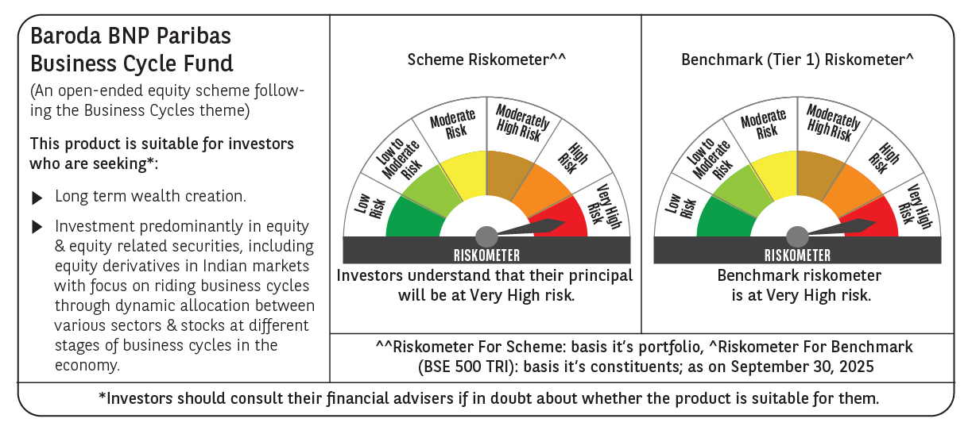

 | Monthly Performance Link: https://www.barodabnpparibasmf.in/assets/download_documents/Performance_of_Schemes_September_14618.pdf

