YR56
 | Baroda BNP Paribas Business Cycle Fund

 | Monthly Portfolio Statement as on October 31, 2025
 | Name of the Instrument | ISIN | Industry / Rating | Quantity | Market/Fair Value (Rs. in Lakhs) | % to Net Assets | YTM~ | YTC^ | null
 | Equity & Equity related
 | (a) Listed / awaiting listing on Stock Exchanges
HDFB03 | HDFC Bank Limited | INE040A01034 | Banks | 414,000 | 4,087.42 | 7.04%
IBCL05 | ICICI Bank Limited | INE090A01021 | Banks | 252,000 | 3,390.16 | 5.84%
RIND01 | Reliance Industries Limited | INE002A01018 | Petroleum Products | 216,000 | 3,210.62 | 5.53%
LARS02 | Larsen & Toubro Limited | INE018A01030 | Construction | 63,000 | 2,539.47 | 4.37%
ABBP01 | Hitachi Energy India Limited | INE07Y701011 | Electrical Equipment | 12,150 | 2,160.03 | 3.72%
KOMA02 | Kotak Mahindra Bank Limited | INE237A01028 | Banks | 99,000 | 2,081.18 | 3.58%
BTVL02 | Bharti Airtel Limited | INE397D01024 | Telecom - Services | 67,500 | 1,386.79 | 2.39%
SAEL02 | TVS Motor Company Limited | INE494B01023 | Automobiles | 36,000 | 1,263.13 | 2.17%
PSYL02 | Persistent Systems Limited | INE262H01021 | IT - Software | 20,700 | 1,224.74 | 2.11%
SPIL03 | Sun Pharmaceutical Industries Limited | INE044A01036 | Pharmaceuticals & Biotechnology | 72,000 | 1,217.30 | 2.10%
DIVI02 | Divi's Laboratories Limited | INE361B01024 | Pharmaceuticals & Biotechnology | 18,000 | 1,212.84 | 2.09%
INFS02 | Infosys Limited | INE009A01021 | IT - Software | 81,000 | 1,200.66 | 2.07%
SBAI02 | State Bank of India | INE062A01020 | Banks | 117,000 | 1,096.29 | 1.89%
NEST02 | Nestle India Limited | INE239A01024 | Food Products | 81,000 | 1,030.00 | 1.77%
TCSL01 | Tata Consultancy Services Limited | INE467B01029 | IT - Software | 31,500 | 963.27 | 1.66%
BHAH02 | Bharat Heavy Electricals Limited | INE257A01026 | Electrical Equipment | 362,250 | 961.74 | 1.66%
EIML02 | Eicher Motors Limited | INE066A01021 | Automobiles | 13,500 | 945.95 | 1.63%
ITCL02 | ITC Limited | INE154A01025 | Diversified FMCG | 225,000 | 945.79 | 1.63%
ICEM01 | The India Cements Limited | INE383A01012 | Cement & Cement Products | 225,000 | 905.29 | 1.56%
MAUD01 | Maruti Suzuki India Limited | INE585B01010 | Automobiles | 5,400 | 874.04 | 1.50%
LAKM02 | Trent Limited | INE849A01020 | Retailing | 18,000 | 844.97 | 1.45%
FRHL01 | Fortis Healthcare Limited | INE061F01013 | Healthcare Services | 81,000 | 828.67 | 1.43%
YESB03 | Yes Bank Limited | INE528G01035 | Banks | 3,600,000 | 818.64 | 1.41%
PHMI02 | The Phoenix Mills Limited | INE211B01039 | Realty | 46,800 | 787.46 | 1.36%
ESMC02 | PB Fintech Limited | INE417T01026 | Financial Technology (Fintech) | 44,100 | 787.36 | 1.36%
WABT01 | ZF Commercial Vehicle Control Systems India Limited | INE342J01019 | Auto Components | 6,300 | 782.71 | 1.35%
SCLB01 | Leela Palaces Hotels & Resorts Limited | INE0AQ201015 | Leisure Services | 180,000 | 780.66 | 1.34%
NTPC01 | NTPC Limited | INE733E01010 | Power | 225,000 | 758.14 | 1.31%
BFSL02 | Bajaj Finserv Limited | INE918I01026 | Finance | 36,000 | 751.79 | 1.29%
NAPH02 | Natco Pharma Limited | INE987B01026 | Pharmaceuticals & Biotechnology | 90,000 | 737.91 | 1.27%
MOTI02 | Bosch Limited | INE323A01026 | Auto Components | 1,980 | 737.45 | 1.27%
BHEL02 | Bharat Electronics Limited | INE263A01024 | Aerospace & Defense | 171,000 | 728.63 | 1.25%
VNBL03 | Varun Beverages Limited | INE200M01039 | Beverages | 153,000 | 718.56 | 1.24%
BOCL01 | Linde India Limited | INE473A01011 | Chemicals & Petrochemicals | 11,700 | 703.58 | 1.21%
SOKO03 | Jtekt India Limited | INE643A01035 | Auto Components | 447,440 | 694.65 | 1.20%
LGEL01 | LG Electronics India Ltd | INE324D01010 | Consumer Durables | 40,500 | 673.76 | 1.16%
UTIB02 | Axis Bank Limited | INE238A01034 | Banks | 54,000 | 665.71 | 1.15%
IDBK01 | IDFC First Bank Limited | INE092T01019 | Banks | 810,000 | 662.34 | 1.14%
HYUN01 | Hyundai Motor India Ltd | INE0V6F01027 | Automobiles | 27,000 | 658.45 | 1.13%
HZIN02 | Hindustan Zinc Limited | INE267A01025 | Non - Ferrous Metals | 135,000 | 643.28 | 1.11%
FEBA02 | The Federal Bank Limited | INE171A01029 | Banks | 270,000 | 638.85 | 1.10%
IIFM02 | 360 One WAM Limited | INE466L01038 | Capital Markets | 58,500 | 632.21 | 1.09%
IFEL01 | Oracle Financial Services Software Limited | INE881D01027 | IT - Software | 7,200 | 613.08 | 1.06%
IINF02 | IIFL Finance Limited | INE530B01024 | Finance | 112,500 | 601.43 | 1.04%
ZMPL01 | Eternal Limited | INE758T01015 | Retailing | 189,000 | 600.55 | 1.03%
HDLI01 | HDFC Life Insurance Company Limited | INE795G01014 | Insurance | 81,000 | 592.80 | 1.02%
INGE01 | Ingersoll Rand (India) Limited | INE177A01018 | Industrial Products | 15,300 | 584.69 | 1.01%
ASEA02 | ABB India Limited | INE117A01022 | Electrical Equipment | 10,800 | 563.76 | 0.97%
CIPL03 | Cipla Limited | INE059A01026 | Pharmaceuticals & Biotechnology | 36,000 | 540.47 | 0.93%
DRRL03 | Dr. Reddy's Laboratories Limited | INE089A01031 | Pharmaceuticals & Biotechnology | 45,000 | 538.92 | 0.93%
HDBF01 | HDB Financial Services Limited | INE756I01012 | Finance | 72,000 | 526.54 | 0.91%
VIPI02 | VIP Industries Limited | INE054A01027 | Consumer Durables | 126,000 | 511.62 | 0.88%
TOPH02 | Torrent Pharmaceuticals Limited | INE685A01028 | Pharmaceuticals & Biotechnology | 13,500 | 480.61 | 0.83%
PFIZ01 | Pfizer Limited | INE182A01018 | Pharmaceuticals & Biotechnology | 7,200 | 375.05 | 0.65%
SCDL01 | Sundaram Clayton Limited | INE0Q3R01026 | Auto Components | 23,400 | 349.74 | 0.60%
GMRI03 | GMR Airports Limited | INE776C01039 | Transport Infrastructure | 173,553 | 163.09 | 0.28%
SAEL21PS | TVS Motor Company Limited (Preference Share) ** | INE494B04019 | Automobiles | 136,800 | 13.81 | 0.02%
 | Sub Total |  |  |  | 55,788.65 | 96.09%
 | (b) Unlisted |  |  |  | NIL | NIL
 | Sub Total |  |  |  | NIL | NIL
 | Total |  |  |  | 55,788.65 | 96.09%
 | Money Market Instruments
 | Treasury Bill
TBIL2450 | 364 Days Tbill (MD 18/12/2025) | IN002024Z362 | Sovereign | 600,000 | 595.84 | 1.03% | 5.42%
 | Sub Total |  |  |  | 595.84 | 1.03%
 | Total |  |  |  | 595.84 | 1.03%
 | Reverse Repo / TREPS
TRP_031125 | Clearing Corporation of India Ltd |  |  |  | 1,929.61 | 3.32% | 5.59%
 | Sub Total |  |  |  | 1,929.61 | 3.32%
 | Total |  |  |  | 1,929.61 | 3.32%
 | Net Receivables / (Payables) |  |  |  | (223.02) | (0.44)%
 | GRAND TOTAL |  |  |  | 58,091.08 | 100.00%

 | ** Thinly Traded / Non Traded Security
 | ~ YTM as on October 31, 2025
 | ^ YTC represents Yield to Call provided by valuation agencies as on October 31, 2025. It is disclosed for Perpetual Bond issued by Banks (i.e. AT-1 Bond / Tier 1 Bond / Tier 2 Bond), as per AMFI Best Practices Guidelines Circular no. 135/BP/91/2020-21 read with SEBI circular No. SEBI/HO/IMD/DF4/CIR/P/2021/034 on Valuation of AT-1 Bonds and Tier 2 Bonds.

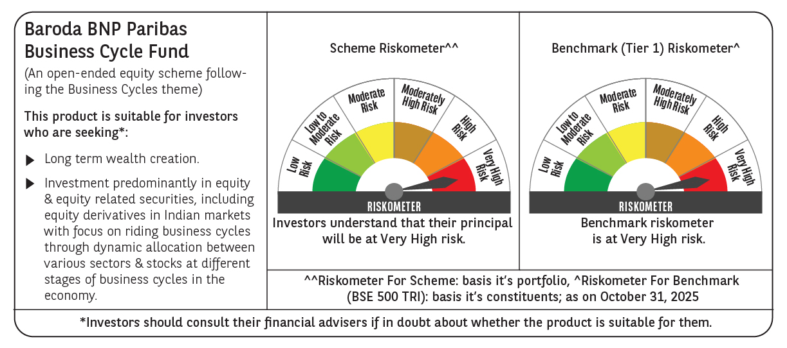

 | Monthly Performance Link: https://www.barodabnpparibasmf.in/assets/download_documents/Performance_of_Schemes-October_2025_15267.pdf

