YR56
 | Baroda BNP Paribas Business Cycle Fund

 | Monthly Portfolio Statement as on November 30, 2025
 | Name of the Instrument | ISIN | Industry / Rating | Quantity | Market/Fair Value (Rs. in Lakhs) | % to Net Assets | YTM~ | YTC^ | null
 | Equity & Equity related
 | (a) Listed / awaiting listing on Stock Exchanges
HDFB03 | HDFC Bank Limited | INE040A01034 | Banks | 405,000 | 4,080.78 | 6.91%
IBCL05 | ICICI Bank Limited | INE090A01021 | Banks | 240,000 | 3,333.12 | 5.64%
RIND01 | Reliance Industries Limited | INE002A01018 | Petroleum Products | 207,000 | 3,244.73 | 5.50%
LARS02 | Larsen & Toubro Limited | INE018A01030 | Construction | 63,000 | 2,563.85 | 4.34%
ABBP01 | Hitachi Energy India Limited | INE07Y701011 | Electrical Equipment | 11,250 | 2,481.30 | 4.20%
KOMA02 | Kotak Mahindra Bank Limited | INE237A01028 | Banks | 72,000 | 1,529.57 | 2.59%
BTVL02 | Bharti Airtel Limited | INE397D01024 | Telecom - Services | 67,500 | 1,418.58 | 2.40%
PSYL02 | Persistent Systems Limited | INE262H01021 | IT - Software | 20,700 | 1,315.07 | 2.23%
INFS02 | Infosys Limited | INE009A01021 | IT - Software | 81,000 | 1,263.68 | 2.14%
SPIL03 | Sun Pharmaceutical Industries Limited | INE044A01036 | Pharmaceuticals & Biotechnology | 67,500 | 1,236.33 | 2.09%
DIVI02 | Divi's Laboratories Limited | INE361B01024 | Pharmaceuticals & Biotechnology | 18,000 | 1,165.86 | 1.97%
SBAI02 | State Bank of India | INE062A01020 | Banks | 117,000 | 1,145.43 | 1.94%
SAEL02 | TVS Motor Company Limited | INE494B01023 | Automobiles | 32,400 | 1,144.21 | 1.94%
PINP01 | Pine Labs Limited | INE15B701018 | Financial Technology (Fintech) | 452,518 | 1,130.21 | 1.91%
BHAH02 | Bharat Heavy Electricals Limited | INE257A01026 | Electrical Equipment | 360,000 | 1,047.06 | 1.77%
NEST02 | Nestle India Limited | INE239A01024 | Food Products | 81,000 | 1,021.49 | 1.73%
EIML02 | Eicher Motors Limited | INE066A01021 | Automobiles | 13,500 | 952.22 | 1.61%
ITCL02 | ITC Limited | INE154A01025 | Diversified FMCG | 225,000 | 909.56 | 1.54%
ICEM01 | The India Cements Limited | INE383A01012 | Cement & Cement Products | 225,000 | 883.80 | 1.50%
MAUD01 | Maruti Suzuki India Limited | INE585B01010 | Automobiles | 5,400 | 858.60 | 1.45%
WABT01 | ZF Commercial Vehicle Control Systems India Limited | INE342J01019 | Auto Components | 6,300 | 831.85 | 1.41%
YESB03 | Yes Bank Limited | INE528G01035 | Banks | 3,600,000 | 825.48 | 1.40%
PHMI02 | The Phoenix Mills Limited | INE211B01039 | Realty | 46,800 | 812.82 | 1.38%
ESMC02 | PB Fintech Limited | INE417T01026 | Financial Technology (Fintech) | 43,200 | 785.76 | 1.33%
TCSL01 | Tata Consultancy Services Limited | INE467B01029 | IT - Software | 25,000 | 784.38 | 1.33%
BFSL02 | Bajaj Finserv Limited | INE918I01026 | Finance | 36,000 | 753.84 | 1.28%
NTPC01 | NTPC Limited | INE733E01010 | Power | 225,000 | 734.51 | 1.24%
MOTI02 | Bosch Limited | INE323A01026 | Auto Components | 1,980 | 714.98 | 1.21%
BOCL01 | Linde India Limited | INE473A01011 | Chemicals & Petrochemicals | 11,700 | 698.02 | 1.18%
FEBA02 | The Federal Bank Limited | INE171A01029 | Banks | 270,000 | 696.38 | 1.18%
IIFM02 | 360 One WAM Limited | INE466L01038 | Capital Markets | 58,500 | 692.17 | 1.17%
SOKO03 | Jtekt India Limited | INE643A01035 | Auto Components | 441,000 | 691.88 | 1.17%
UTIB02 | Axis Bank Limited | INE238A01034 | Banks | 54,000 | 691.04 | 1.17%
LGEL01 | LG Electronics India Ltd | INE324D01010 | Consumer Durables | 40,500 | 672.02 | 1.14%
SCLB01 | Leela Palaces Hotels & Resorts Limited | INE0AQ201015 | Leisure Services | 162,000 | 667.04 | 1.13%
TMLC01 | Tata Motors Ltd | INE1TAE01010 | Agricultural, Commercial & Construction Vehicles | 189,000 | 665.28 | 1.13%
FRHL01 | Fortis Healthcare Limited | INE061F01013 | Healthcare Services | 72,000 | 661.75 | 1.12%
HZIN02 | Hindustan Zinc Limited | INE267A01025 | Non - Ferrous Metals | 135,000 | 655.02 | 1.11%
IINF02 | IIFL Finance Limited | INE530B01024 | Finance | 112,500 | 651.04 | 1.10%
IDBK01 | IDFC First Bank Limited | INE092T01019 | Banks | 810,000 | 649.05 | 1.10%
LAKM02 | Trent Limited | INE849A01020 | Retailing | 15,000 | 637.56 | 1.08%
NAPH02 | Natco Pharma Limited | INE987B01026 | Pharmaceuticals & Biotechnology | 72,000 | 631.62 | 1.07%
BHEL02 | Bharat Electronics Limited | INE263A01024 | Aerospace & Defense | 153,000 | 629.98 | 1.07%
HYUN01 | Hyundai Motor India Ltd | INE0V6F01027 | Automobiles | 27,000 | 628.02 | 1.06%
VNBL03 | Varun Beverages Limited | INE200M01039 | Beverages | 130,000 | 626.02 | 1.06%
HDLI01 | HDFC Life Insurance Company Limited | INE795G01014 | Insurance | 81,000 | 619.08 | 1.05%
IFEL01 | Oracle Financial Services Software Limited | INE881D01027 | IT - Software | 7,200 | 583.70 | 0.99%
ZMPL01 | Eternal Limited | INE758T01015 | Retailing | 189,000 | 567.19 | 0.96%
DRRL03 | Dr. Reddy's Laboratories Limited | INE089A01031 | Pharmaceuticals & Biotechnology | 45,000 | 566.46 | 0.96%
ASEA02 | ABB India Limited | INE117A01022 | Electrical Equipment | 10,800 | 558.90 | 0.95%
HDBF01 | HDB Financial Services Limited | INE756I01012 | Finance | 72,000 | 552.38 | 0.94%
CIPL03 | Cipla Limited | INE059A01026 | Pharmaceuticals & Biotechnology | 36,000 | 551.27 | 0.93%
SAGI01 | Sagility Limited | INE0W2G01015 | IT - Services | 1,050,420 | 526.05 | 0.89%
TOPH02 | Torrent Pharmaceuticals Limited | INE685A01028 | Pharmaceuticals & Biotechnology | 13,500 | 502.28 | 0.85%
INGE01 | Ingersoll Rand (India) Limited | INE177A01018 | Industrial Products | 11,700 | 436.82 | 0.74%
VIPI02 | VIP Industries Limited | INE054A01027 | Consumer Durables | 100,000 | 377.00 | 0.64%
PFIZ01 | Pfizer Limited | INE182A01018 | Pharmaceuticals & Biotechnology | 7,200 | 358.20 | 0.61%
SCDL01 | Sundaram Clayton Limited | INE0Q3R01026 | Auto Components | 23,400 | 309.09 | 0.52%
GMRI03 | GMR Airports Limited | INE776C01039 | Transport Infrastructure | 173,553 | 188.04 | 0.32%
SAEL21PS | TVS Motor Company Limited (Non Convertible Preference Share) ** | INE494B04019 | Automobiles | 136,800 | 13.87 | 0.02%
 | Sub Total |  |  |  | 56,923.29 | 96.39%
 | (b) Unlisted |  |  |  | NIL | NIL
 | Sub Total |  |  |  | NIL | NIL
 | Total |  |  |  | 56,923.29 | 96.39%
 | Money Market Instruments
 | Treasury Bill
TBIL2450 | 364 Days Tbill (MD 18/12/2025) | IN002024Z362 | Sovereign | 600,000 | 598.53 | 1.01% | 5.28%
 | Sub Total |  |  |  | 598.53 | 1.01%
 | Total |  |  |  | 598.53 | 1.01%
 | Reverse Repo / TREPS
TRP_011225 | Clearing Corporation of India Ltd |  |  |  | 1,637.51 | 2.77% | 5.43%
 | Sub Total |  |  |  | 1,637.51 | 2.77%
 | Total |  |  |  | 1,637.51 | 2.77%
 | Net Receivables / (Payables) |  |  |  | (113.63) | (0.17)%
 | GRAND TOTAL |  |  |  | 59,045.70 | 100.00%

 | ** Thinly Traded / Non Traded Security
 | ~ YTM as on November 30, 2025
 | ^ YTC represents Yield to Call provided by valuation agencies as on November 30, 2025. It is disclosed for Perpetual Bond issued by Banks (i.e. AT-1 Bond / Tier 1 Bond / Tier 2 Bond), as per AMFI Best Practices Guidelines Circular no. 135/BP/91/2020-21 read with SEBI circular No. SEBI/HO/IMD/DF4/CIR/P/2021/034 on Valuation of AT-1 Bonds and Tier 2 Bonds.

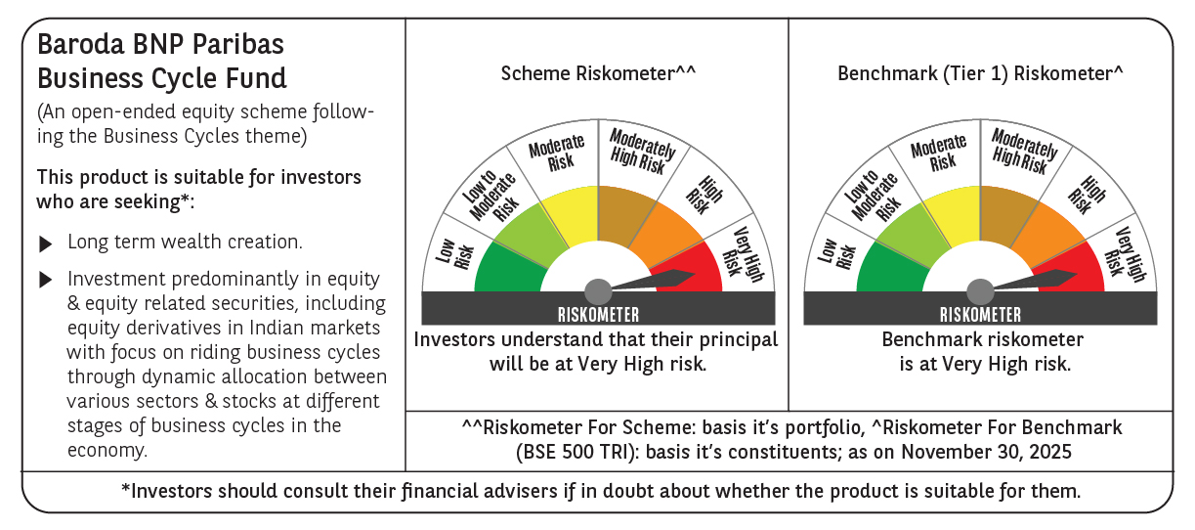

 | Monthly Performance Link: https://www.barodabnpparibasmf.in/assets/download_documents/Performance_of_Schemes_Nov-2025_15612.pdf

