YR56
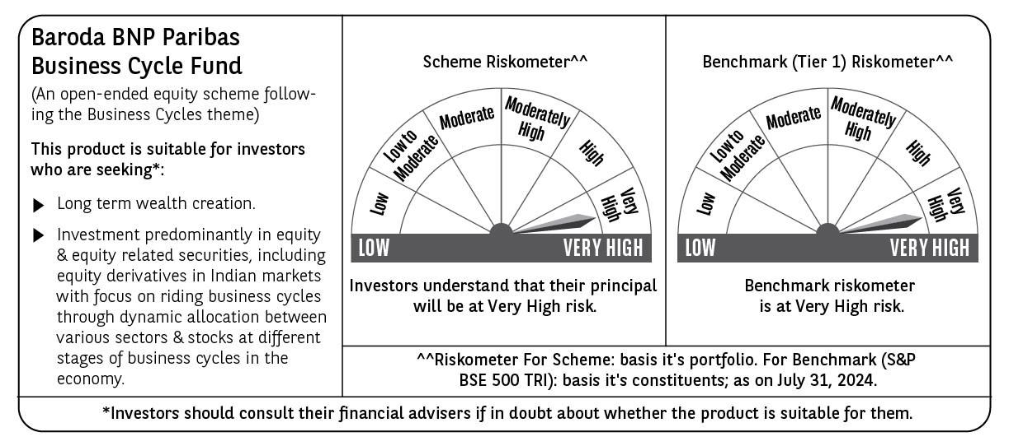
 | Baroda BNP Paribas Business Cycle Fund

 | Monthly Portfolio Statement as on July 31, 2024
 | Name of the Instrument | ISIN | Industry / Rating | Quantity | Market/Fair Value (Rs. in Lakhs) | % to Net Assets | YTM~ | YTC^ | null
 | Equity & Equity related
 | (a) Listed / awaiting listing on Stock Exchanges
RIND01 | Reliance Industries Limited | INE002A01018 | Petroleum Products | 99,000 | 2,980.74 | 4.89%
HDFB03 | HDFC Bank Limited | INE040A01034 | Banks | 162,000 | 2,617.52 | 4.30%
LARS02 | Larsen & Toubro Limited | INE018A01030 | Construction | 67,500 | 2,575.13 | 4.23%
TCSL01 | Tata Consultancy Services Limited | INE467B01029 | IT - Software | 52,711 | 2,311.56 | 3.79%
IBCL05 | ICICI Bank Limited | INE090A01021 | Banks | 189,000 | 2,296.16 | 3.77%
LAKM02 | Trent Limited | INE849A01020 | Retailing | 32,400 | 1,891.84 | 3.10%
SPIL03 | Sun Pharmaceutical Industries Limited | INE044A01036 | Pharmaceuticals & Biotechnology | 90,000 | 1,547.42 | 2.54%
NHPC01 | NHPC Limited | INE848E01016 | Power | 1,260,000 | 1,323.50 | 2.17%
VNBL02 | Varun Beverages Limited | INE200M01021 | Beverages | 81,000 | 1,277.69 | 2.10%
TELC03 | Tata Motors Limited | INE155A01022 | Automobiles | 108,000 | 1,249.18 | 2.05%
FRHL01 | Fortis Healthcare Limited | INE061F01013 | Healthcare Services | 225,000 | 1,129.28 | 1.85%
NEST02 | Nestle India Limited | INE239A01024 | Food Products | 45,000 | 1,105.36 | 1.81%
PFCL01 | Power Finance Corporation Limited | INE134E01011 | Finance | 198,000 | 1,102.46 | 1.81%
MOTI02 | Bosch Limited | INE323A01026 | Auto Components | 3,150 | 1,101.82 | 1.81%
BHEL02 | Bharat Electronics Limited | INE263A01024 | Aerospace & Defense | 342,000 | 1,080.89 | 1.77%
ABBP01 | Hitachi Energy India Limited | INE07Y701011 | Electrical Equipment | 9,000 | 1,044.64 | 1.71%
SAEL02 | TVS Motor Company Limited | INE494B01023 | Automobiles | 40,000 | 1,012.40 | 1.66%
ITCL02 | ITC Limited | INE154A01025 | Diversified FMCG | 198,000 | 980.79 | 1.61%
MAUD01 | Maruti Suzuki India Limited | INE585B01010 | Automobiles | 7,200 | 944.34 | 1.55%
WABT01 | ZF Commercial Vehicle Control Systems India Limited | INE342J01019 | Auto Components | 5,924 | 937.91 | 1.54%
NSDL02 | Protean eGov Technologies Limited | INE004A01022 | Financial Technology (Fintech) | 50,508 | 917.17 | 1.51%
DIVI02 | Divi's Laboratories Limited | INE361B01024 | Pharmaceuticals & Biotechnology | 18,000 | 886.18 | 1.45%
JBCH03 | JB Chemicals & Pharmaceuticals Limited | INE572A01036 | Pharmaceuticals & Biotechnology | 45,000 | 866.07 | 1.42%
TOPH02 | Torrent Pharmaceuticals Limited | INE685A01028 | Pharmaceuticals & Biotechnology | 27,000 | 856.37 | 1.41%
BHAH02 | Bharat Heavy Electricals Limited | INE257A01026 | Electrical Equipment | 270,000 | 851.18 | 1.40%
PHMI02 | The Phoenix Mills Limited | INE211B01039 | Realty | 23,400 | 841.74 | 1.38%
INFS02 | Infosys Limited | INE009A01021 | IT - Software | 45,000 | 840.71 | 1.38%
BTAT01 | Vodafone Idea Limited | INE669E01016 | Telecom - Services | 5,040,000 | 820.01 | 1.35%
COAL01 | Coal India Limited | INE522F01014 | Consumable Fuels | 153,000 | 798.97 | 1.31%
IFEL01 | Oracle Financial Services Software Limited | INE881D01027 | IT - Software | 7,200 | 795.23 | 1.30%
SOKO03 | Jtekt India Limited | INE643A01035 | Auto Components | 360,000 | 771.66 | 1.27%
BTVL02 | Bharti Airtel Limited | INE397D01024 | Telecom - Services | 50,000 | 745.78 | 1.22%
CONB01 | Concord Biotech Limited | INE338H01029 | Pharmaceuticals & Biotechnology | 45,000 | 738.18 | 1.21%
TAHO01 | Honeywell Automation India Limited | INE671A01010 | Industrial Manufacturing | 1,350 | 735.17 | 1.21%
IPLI01 | ICICI Prudential Life Insurance Company Limited | INE726G01019 | Insurance | 99,000 | 728.59 | 1.20%
CANB02 | Canara Bank | INE476A01022 | Banks | 630,000 | 722.67 | 1.19%
JYCN01 | Jyoti CNC Automation Ltd | INE980O01024 | Industrial Manufacturing | 63,000 | 718.64 | 1.18%
JUHO01 | Juniper Hotels Limited | INE696F01016 | Leisure Services | 164,880 | 698.68 | 1.15%
BSEL02 | BSE Limited | INE118H01025 | Capital Markets | 27,000 | 690.24 | 1.13%
KOMA02 | Kotak Mahindra Bank Limited | INE237A01028 | Banks | 36,000 | 650.84 | 1.07%
BFLS01 | Mphasis Limited | INE356A01018 | IT - Software | 22,500 | 650.81 | 1.07%
SUNT02 | Sun TV Network Limited | INE424H01027 | Entertainment | 72,000 | 648.86 | 1.06%
ULCC01 | UltraTech Cement Limited | INE481G01011 | Cement & Cement Products | 5,400 | 641.91 | 1.05%
ESMC02 | PB Fintech Limited | INE417T01026 | Financial Technology (Fintech) | 44,100 | 640.77 | 1.05%
SBAI02 | State Bank of India | INE062A01020 | Banks | 72,000 | 628.13 | 1.03%
VSNL01 | Tata Communications Limited | INE151A01013 | Telecom - Services | 31,500 | 627.09 | 1.03%
ZMPL01 | Zomato Limited | INE758T01015 | Retailing | 270,000 | 619.52 | 1.02%
HLEL02 | Hindustan Unilever Limited | INE030A01027 | Diversified FMCG | 22,500 | 608.77 | 1.00%
HFFC02 | Home First Finance Company India Limited | INE481N01025 | Finance | 57,500 | 598.06 | 0.98%
PGCI01 | Power Grid Corporation of India Limited | INE752E01010 | Power | 162,000 | 564.08 | 0.93%
CIPL03 | Cipla Limited | INE059A01026 | Pharmaceuticals & Biotechnology | 36,000 | 555.95 | 0.91%
LTFL01 | L&T Finance Limited | INE498L01015 | Finance | 306,000 | 550.46 | 0.90%
RELS01 | Jio Financial Services Limited | INE758E01017 | Finance | 162,000 | 532.17 | 0.87%
IIBL01 | IndusInd Bank Limited | INE095A01012 | Banks | 36,000 | 514.01 | 0.84%
RATN01 | RBL Bank Limited | INE976G01028 | Banks | 207,000 | 486.86 | 0.80%
PSYL02 | Persistent Systems Limited | INE262H01021 | IT - Software | 8,100 | 391.42 | 0.64%
TEGA01 | Tega Industries Limited | INE011K01018 | Industrial Manufacturing | 18,000 | 343.72 | 0.56%
JSWI01 | JSW Infrastructure Ltd | INE880J01026 | Transport Infrastructure | 90,000 | 305.06 | 0.50%
INGE01 | Ingersoll Rand (India) Limited | INE177A01018 | Industrial Products | 6,758 | 298.14 | 0.49%
TLSL01 | TeamLease Services Limited | INE985S01024 | Commercial Services & Supplies | 8,100 | 284.87 | 0.47%
MCSP02 | United Spirits Limited | INE854D01024 | Beverages | 18,000 | 254.39 | 0.42%
HAIL03 | Havells India Limited | INE176B01034 | Consumer Durables | 13,500 | 249.73 | 0.41%
 | Sub Total |  |  |  | 57,179.49 | 93.83%
 | (b) Unlisted |  |  |  | NIL | NIL
 | Sub Total |  |  |  | NIL | NIL
 | Total |  |  |  | 57,179.49 | 93.83%
 | Derivatives
 | Index / Stock Futures
JUFLAUG24 | Jubilant Foodworks Limited August 2024 Future |  |  | 90,000 | 538.88 | 0.88%
 | Sub Total |  |  |  | 538.88 | 0.88%
 | Total |  |  |  | 538.88 | 0.88%
 | Money Market Instruments
 | Treasury Bill
TBIL2261 | 364 Days Tbill (MD 19/09/2024) | IN002023Z273 | Sovereign | 400,000 | 396.51 | 0.65% | 6.55%
TBIL2344 | 182 Days Tbill (MD 26/09/2024) | IN002023Y540 | Sovereign | 200,000 | 198.01 | 0.32% | 6.56%
 | Sub Total |  |  |  | 594.52 | 0.97%
 | Total |  |  |  | 594.52 | 0.97%
 | Reverse Repo / TREPS
TRP_010824 | Clearing Corporation of India Ltd |  |  |  | 3,171.68 | 5.20% | 6.42%
 | Sub Total |  |  |  | 3,171.68 | 5.20%
 | Total |  |  |  | 3,171.68 | 5.20%
 | Net Receivables / (Payables) |  |  |  | (546.20) | (0.88)%
 | GRAND TOTAL |  |  |  | 60,938.37 | 100.00%

 | ~ YTM as on July 31, 2024
 | ^ YTC represents Yield to Call provided by valuation agencies as on July 31, 2024. It is disclosed for Perpetual Bond issued by Banks (i.e. AT-1 Bond / Tier 1 Bond / Tier 2 Bond), as per AMFI Best Practices Guidelines Circular no. 135/BP/91/2020-21 read with SEBI circular No. SEBI/HO/IMD/DF4/CIR/P/2021/034 on Valuation of AT-1 Bonds and Tier 2 Bonds.
 | Details of Stock Future / Index Future
 | Long/Short | Name of the Instrument | Industry | Quantity. | Market/Fair Value (Rs. in Lacs). | % to NAV.
 | Long | Jubilant Foodworks | Leisure Services | 90,000 | 538.88 | 0.88%

