YR56
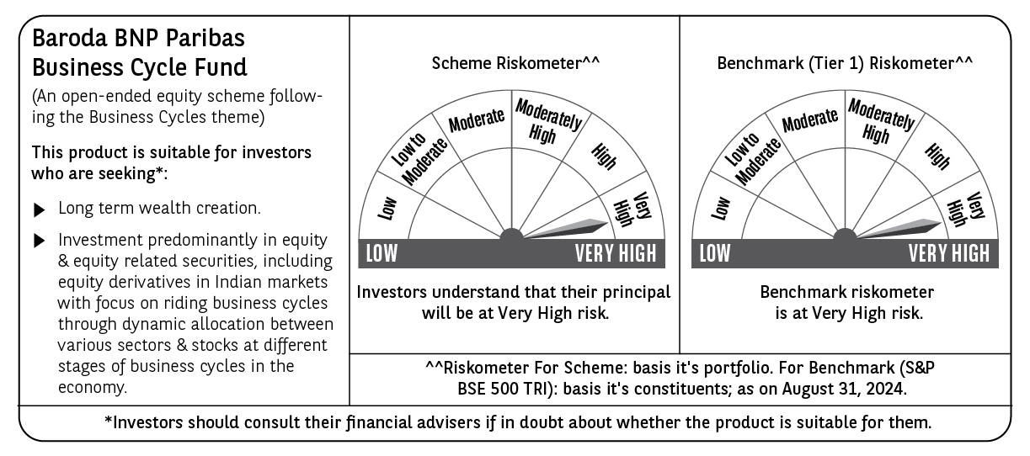
 | Baroda BNP Paribas Business Cycle Fund

 | Monthly Portfolio Statement as on August 31, 2024
 | Name of the Instrument | ISIN | Industry / Rating | Quantity | Market/Fair Value (Rs. in Lakhs) | % to Net Assets | YTM~ | YTC^ | null
 | Equity & Equity related
 | (a) Listed / awaiting listing on Stock Exchanges
HDFB03 | HDFC Bank Limited | INE040A01034 | Banks | 207,000 | 3,388.38 | 5.47%
RIND01 | Reliance Industries Limited | INE002A01018 | Petroleum Products | 99,000 | 2,989.06 | 4.83%
LARS02 | Larsen & Toubro Limited | INE018A01030 | Construction | 67,500 | 2,500.64 | 4.04%
TCSL01 | Tata Consultancy Services Limited | INE467B01029 | IT - Software | 52,711 | 2,400.33 | 3.88%
IBCL05 | ICICI Bank Limited | INE090A01021 | Banks | 189,000 | 2,323.19 | 3.75%
LAKM02 | Trent Limited | INE849A01020 | Retailing | 31,950 | 2,287.22 | 3.69%
SPIL03 | Sun Pharmaceutical Industries Limited | INE044A01036 | Pharmaceuticals & Biotechnology | 90,000 | 1,639.49 | 2.65%
FRHL01 | Fortis Healthcare Limited | INE061F01013 | Healthcare Services | 225,000 | 1,241.55 | 2.01%
VNBL02 | Varun Beverages Limited | INE200M01021 | Beverages | 81,000 | 1,215.73 | 1.96%
NHPC01 | NHPC Limited | INE848E01016 | Power | 1,260,000 | 1,211.11 | 1.96%
TELC03 | Tata Motors Limited | INE155A01022 | Automobiles | 108,000 | 1,200.26 | 1.94%
NEST02 | Nestle India Limited | INE239A01024 | Food Products | 45,000 | 1,125.34 | 1.82%
NSDL02 | Protean eGov Technologies Limited | INE004A01022 | Financial Technology (Fintech) | 50,508 | 1,106.28 | 1.79%
MOTI02 | Bosch Limited | INE323A01026 | Auto Components | 3,150 | 1,020.27 | 1.65%
SAEL02 | TVS Motor Company Limited | INE494B01023 | Automobiles | 36,000 | 1,012.79 | 1.64%
ITCL02 | ITC Limited | INE154A01025 | Diversified FMCG | 198,000 | 993.76 | 1.60%
BHEL02 | Bharat Electronics Limited | INE263A01024 | Aerospace & Defense | 315,000 | 942.80 | 1.52%
TOPH02 | Torrent Pharmaceuticals Limited | INE685A01028 | Pharmaceuticals & Biotechnology | 27,000 | 940.99 | 1.52%
ABBP01 | Hitachi Energy India Limited | INE07Y701011 | Electrical Equipment | 7,650 | 925.27 | 1.49%
WABT01 | ZF Commercial Vehicle Control Systems India Limited | INE342J01019 | Auto Components | 5,924 | 922.24 | 1.49%
DIVI02 | Divi's Laboratories Limited | INE361B01024 | Pharmaceuticals & Biotechnology | 18,000 | 916.90 | 1.48%
PHMI02 | The Phoenix Mills Limited | INE211B01039 | Realty | 23,400 | 882.04 | 1.42%
JBCH03 | JB Chemicals & Pharmaceuticals Limited | INE572A01036 | Pharmaceuticals & Biotechnology | 45,000 | 879.21 | 1.42%
INFS02 | Infosys Limited | INE009A01021 | IT - Software | 45,000 | 874.67 | 1.41%
COAL01 | Coal India Limited | INE522F01014 | Consumable Fuels | 153,000 | 803.17 | 1.30%
BTVL02 | Bharti Airtel Limited | INE397D01024 | Telecom - Services | 50,000 | 794.53 | 1.28%
IFEL01 | Oracle Financial Services Software Limited | INE881D01027 | IT - Software | 7,200 | 791.19 | 1.28%
BTAT01 | Vodafone Idea Limited | INE669E01016 | Telecom - Services | 5,040,000 | 788.26 | 1.27%
BHAH02 | Bharat Heavy Electricals Limited | INE257A01026 | Electrical Equipment | 270,000 | 784.49 | 1.27%
JYCN01 | Jyoti CNC Automation Ltd | INE980O01024 | Industrial Manufacturing | 63,000 | 782.55 | 1.26%
ESMC02 | PB Fintech Limited | INE417T01026 | Financial Technology (Fintech) | 44,100 | 781.56 | 1.26%
MAUD01 | Maruti Suzuki India Limited | INE585B01010 | Automobiles | 6,300 | 781.39 | 1.26%
BSEL02 | BSE Limited | INE118H01025 | Capital Markets | 27,000 | 764.82 | 1.24%
CONB01 | Concord Biotech Limited | INE338H01029 | Pharmaceuticals & Biotechnology | 45,000 | 749.66 | 1.21%
IPLI01 | ICICI Prudential Life Insurance Company Limited | INE726G01019 | Insurance | 99,000 | 745.62 | 1.20%
BFLS01 | Mphasis Limited | INE356A01018 | IT - Software | 22,500 | 698.61 | 1.13%
TAHO01 | Honeywell Automation India Limited | INE671A01010 | Industrial Manufacturing | 1,350 | 688.08 | 1.11%
ZMPL01 | Zomato Limited | INE758T01015 | Retailing | 270,000 | 676.43 | 1.09%
JUHO01 | Juniper Hotels Limited | INE696F01016 | Leisure Services | 164,880 | 670.57 | 1.08%
SUNT02 | Sun TV Network Limited | INE424H01027 | Entertainment | 81,000 | 665.74 | 1.08%
HFFC02 | Home First Finance Company India Limited | INE481N01025 | Finance | 57,500 | 662.98 | 1.07%
INGE01 | Ingersoll Rand (India) Limited | INE177A01018 | Industrial Products | 15,300 | 645.71 | 1.04%
KOMA02 | Kotak Mahindra Bank Limited | INE237A01028 | Banks | 36,000 | 641.09 | 1.04%
HLEL02 | Hindustan Unilever Limited | INE030A01027 | Diversified FMCG | 22,500 | 625.05 | 1.01%
VSNL01 | Tata Communications Limited | INE151A01013 | Telecom - Services | 31,500 | 617.98 | 1.00%
BOCL01 | Linde India Limited | INE473A01011 | Chemicals & Petrochemicals | 8,550 | 617.76 | 1.00%
SOKO03 | Jtekt India Limited | INE643A01035 | Auto Components | 360,000 | 614.77 | 0.99%
TEGA01 | Tega Industries Limited | INE011K01018 | Industrial Manufacturing | 36,000 | 614.54 | 0.99%
ULCC01 | UltraTech Cement Limited | INE481G01011 | Cement & Cement Products | 5,400 | 610.30 | 0.99%
PSYL02 | Persistent Systems Limited | INE262H01021 | IT - Software | 11,700 | 604.99 | 0.98%
MCSP02 | United Spirits Limited | INE854D01024 | Beverages | 40,500 | 597.11 | 0.96%
CIPL03 | Cipla Limited | INE059A01026 | Pharmaceuticals & Biotechnology | 36,000 | 595.76 | 0.96%
USFB01 | Ujjivan Small Finance Bank Limited | INE551W01018 | Banks | 1,350,000 | 592.79 | 0.96%
PFCL01 | Power Finance Corporation Limited | INE134E01011 | Finance | 107,100 | 588.57 | 0.95%
SBAI02 | State Bank of India | INE062A01020 | Banks | 72,000 | 587.23 | 0.95%
RELS01 | Jio Financial Services Limited | INE758E01017 | Finance | 180,000 | 579.06 | 0.94%
TTEC01 | Tata Technologies Limited | INE142M01025 | IT - Services | 54,000 | 575.42 | 0.93%
PGCI01 | Power Grid Corporation of India Limited | INE752E01010 | Power | 162,000 | 546.59 | 0.88%
LTFL01 | L&T Finance Limited | INE498L01015 | Finance | 306,000 | 518.24 | 0.84%
HAIL03 | Havells India Limited | INE176B01034 | Consumer Durables | 13,500 | 256.41 | 0.41%
 | Sub Total |  |  |  | 58,598.54 | 94.64%
 | (b) Unlisted |  |  |  | NIL | NIL
 | Sub Total |  |  |  | NIL | NIL
 | Total |  |  |  | 58,598.54 | 94.64%
 | Derivatives
 | Index / Stock Futures
JUFLSEP24 | Jubilant Foodworks Limited September 2024 Future |  |  | 90,000 | 589.05 | 0.95%
 | Sub Total |  |  |  | 589.05 | 0.95%
 | Total |  |  |  | 589.05 | 0.95%
 | Money Market Instruments
 | Treasury Bill
TBIL2261 | 364 Days Tbill (MD 19/09/2024) | IN002023Z273 | Sovereign | 400,000 | 398.72 | 0.64% | 6.53%
TBIL2344 | 182 Days Tbill (MD 26/09/2024) | IN002023Y540 | Sovereign | 200,000 | 199.11 | 0.32% | 6.55%
 | Sub Total |  |  |  | 597.83 | 0.96%
 | Total |  |  |  | 597.83 | 0.96%
 | Reverse Repo / TREPS
TRP_020924 | Clearing Corporation of India Ltd |  |  |  | 2,753.36 | 4.45% | 6.52%
 | Sub Total |  |  |  | 2,753.36 | 4.45%
 | Total |  |  |  | 2,753.36 | 4.45%
 | Net Receivables / (Payables) |  |  |  | (619.16) | (1.00)%
 | GRAND TOTAL |  |  |  | 61,919.62 | 100.00%

 | ~ YTM as on August 31, 2024
 | ^ YTC represents Yield to Call provided by valuation agencies as on August 31, 2024. It is disclosed for Perpetual Bond issued by Banks (i.e. AT-1 Bond / Tier 1 Bond / Tier 2 Bond), as per AMFI Best Practices Guidelines Circular no. 135/BP/91/2020-21 read with SEBI circular No. SEBI/HO/IMD/DF4/CIR/P/2021/034 on Valuation of AT-1 Bonds and Tier 2 Bonds.
 | Details of Stock Future / Index Future
 | Long/Short | Name of the Instrument | Industry | Quantity. | Market/Fair Value (Rs. in Lacs). | % to NAV.
 | Long | Jubilant Foodworks | Leisure Services | 90,000 | 589.05 | 0.95%

