Monthly Portfolio
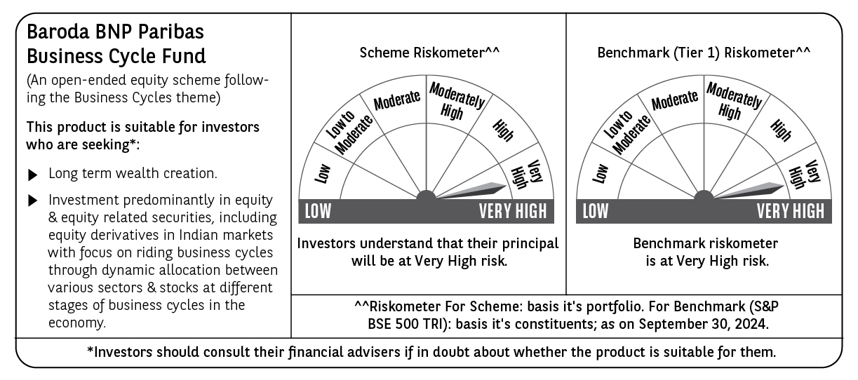
 | Baroda BNP Paribas Business Cycle Fund

 | Monthly Portfolio Statement as on September 30, 2024
 | Name of the Instrument | ISIN | Industry / Rating | Quantity | Market/Fair Value (Rs. in Lakhs) | % to Net Assets | YTM~ | YTC^ | null
 | Equity & Equity related
 | (a) Listed / awaiting listing on Stock Exchanges
HDFB03 | HDFC Bank Limited | INE040A01034 | Banks | 207,000 | 3,585.34 | 5.73%
RIND01 | Reliance Industries Limited | INE002A01018 | Petroleum Products | 103,500 | 3,056.51 | 4.88%
LARS02 | Larsen & Toubro Limited | INE018A01030 | Construction | 67,500 | 2,481.00 | 3.96%
IBCL05 | ICICI Bank Limited | INE090A01021 | Banks | 189,000 | 2,405.97 | 3.84%
LAKM02 | Trent Limited | INE849A01020 | Retailing | 31,050 | 2,351.93 | 3.76%
TCSL01 | Tata Consultancy Services Limited | INE467B01029 | IT - Software | 45,000 | 1,920.83 | 3.07%
SPIL03 | Sun Pharmaceutical Industries Limited | INE044A01036 | Pharmaceuticals & Biotechnology | 90,000 | 1,734.03 | 2.77%
FRHL01 | Fortis Healthcare Limited | INE061F01013 | Healthcare Services | 216,000 | 1,328.62 | 2.12%
DIVI02 | Divi's Laboratories Limited | INE361B01024 | Pharmaceuticals & Biotechnology | 22,500 | 1,224.75 | 1.96%
NEST02 | Nestle India Limited | INE239A01024 | Food Products | 45,000 | 1,210.48 | 1.93%
VNBL03 | Varun Beverages Limited | INE200M01039 | Beverages | 198,000 | 1,200.47 | 1.92%
MOTI02 | Bosch Limited | INE323A01026 | Auto Components | 3,150 | 1,186.89 | 1.90%
INFS02 | Infosys Limited | INE009A01021 | IT - Software | 63,000 | 1,181.63 | 1.89%
ABBP01 | Hitachi Energy India Limited | INE07Y701011 | Electrical Equipment | 7,650 | 1,112.72 | 1.78%
TELC03 | Tata Motors Limited | INE155A01022 | Automobiles | 108,000 | 1,052.62 | 1.68%
ITCL02 | ITC Limited | INE154A01025 | Diversified FMCG | 198,000 | 1,025.94 | 1.64%
SAEL02 | TVS Motor Company Limited | INE494B01023 | Automobiles | 36,000 | 1,022.35 | 1.63%
NSDL02 | Protean eGov Technologies Limited | INE004A01022 | IT - Services | 50,508 | 952.61 | 1.52%
NHPC01 | NHPC Limited | INE848E01016 | Power | 990,000 | 940.01 | 1.50%
TOPH02 | Torrent Pharmaceuticals Limited | INE685A01028 | Pharmaceuticals & Biotechnology | 27,000 | 917.07 | 1.46%
PHMI02 | The Phoenix Mills Limited | INE211B01039 | Realty | 46,800 | 863.76 | 1.38%
WABT01 | ZF Commercial Vehicle Control Systems India Limited | INE342J01019 | Auto Components | 5,400 | 857.95 | 1.37%
BTVL02 | Bharti Airtel Limited | INE397D01024 | Telecom - Services | 50,000 | 854.78 | 1.37%
BHEL02 | Bharat Electronics Limited | INE263A01024 | Aerospace & Defense | 297,000 | 846.75 | 1.35%
IFEL01 | Oracle Financial Services Software Limited | INE881D01027 | IT - Software | 7,200 | 825.03 | 1.32%
BHAH02 | Bharat Heavy Electricals Limited | INE257A01026 | Electrical Equipment | 270,000 | 755.19 | 1.21%
ZMPL01 | Zomato Limited | INE758T01015 | Retailing | 270,000 | 737.91 | 1.18%
COAL01 | Coal India Limited | INE522F01014 | Consumable Fuels | 144,000 | 734.62 | 1.17%
BSEL02 | BSE Limited | INE118H01025 | Capital Markets | 19,800 | 729.56 | 1.17%
BOCL01 | Linde India Limited | INE473A01011 | Chemicals & Petrochemicals | 8,550 | 725.48 | 1.16%
JYCN01 | Jyoti CNC Automation Ltd | INE980O01024 | Industrial Manufacturing | 63,000 | 721.48 | 1.15%
MCSP02 | United Spirits Limited | INE854D01024 | Beverages | 45,000 | 715.46 | 1.14%
MAUD01 | Maruti Suzuki India Limited | INE585B01010 | Automobiles | 5,400 | 714.85 | 1.14%
ESMC02 | PB Fintech Limited | INE417T01026 | Financial Technology (Fintech) | 44,100 | 714.40 | 1.14%
IPLI01 | ICICI Prudential Life Insurance Company Limited | INE726G01019 | Insurance | 90,000 | 702.14 | 1.12%
CONB01 | Concord Biotech Limited | INE338H01029 | Pharmaceuticals & Biotechnology | 34,200 | 695.13 | 1.11%
HFFC02 | Home First Finance Company India Limited | INE481N01025 | Finance | 57,500 | 682.18 | 1.09%
BFLS01 | Mphasis Limited | INE356A01018 | IT - Software | 22,500 | 677.34 | 1.08%
JBCH03 | JB Chemicals & Pharmaceuticals Limited | INE572A01036 | Pharmaceuticals & Biotechnology | 36,000 | 675.00 | 1.08%
SUNT02 | Sun TV Network Limited | INE424H01027 | Entertainment | 81,000 | 674.81 | 1.08%
TEGA01 | Tega Industries Limited | INE011K01018 | Industrial Manufacturing | 36,000 | 674.73 | 1.08%
VSNL01 | Tata Communications Limited | INE151A01013 | Telecom - Services | 31,500 | 672.45 | 1.07%
KOMA02 | Kotak Mahindra Bank Limited | INE237A01028 | Banks | 36,000 | 667.42 | 1.07%
HLEL02 | Hindustan Unilever Limited | INE030A01027 | Diversified FMCG | 22,500 | 665.62 | 1.06%
TAHO01 | Honeywell Automation India Limited | INE671A01010 | Industrial Manufacturing | 1,350 | 661.22 | 1.06%
ALLI02 | GE T&D India Limited | INE200A01026 | Electrical Equipment | 38,700 | 650.55 | 1.04%
SOKO03 | Jtekt India Limited | INE643A01035 | Auto Components | 369,000 | 650.40 | 1.04%
PSYL02 | Persistent Systems Limited | INE262H01021 | IT - Software | 11,700 | 637.70 | 1.02%
ULCC01 | UltraTech Cement Limited | INE481G01011 | Cement & Cement Products | 5,400 | 637.31 | 1.02%
INGE01 | Ingersoll Rand (India) Limited | INE177A01018 | Industrial Products | 15,300 | 634.73 | 1.01%
RELS01 | Jio Financial Services Limited | INE758E01017 | Finance | 180,000 | 631.08 | 1.01%
JUHO01 | Juniper Hotels Limited | INE696F01016 | Leisure Services | 164,880 | 601.89 | 0.96%
TTEC01 | Tata Technologies Limited | INE142M01025 | IT - Services | 54,000 | 595.70 | 0.95%
CIPL03 | Cipla Limited | INE059A01026 | Pharmaceuticals & Biotechnology | 36,000 | 595.48 | 0.95%
USFB01 | Ujjivan Small Finance Bank Limited | INE551W01018 | Banks | 1,440,000 | 582.19 | 0.93%
GSPL01 | Gujarat State Petronet Limited | INE246F01010 | Gas | 135,000 | 573.82 | 0.92%
PGCI01 | Power Grid Corporation of India Limited | INE752E01010 | Power | 162,000 | 571.62 | 0.91%
LTFL01 | L&T Finance Limited | INE498L01015 | Finance | 306,000 | 568.61 | 0.91%
SBAI02 | State Bank of India | INE062A01020 | Banks | 72,000 | 567.29 | 0.91%
PFCL01 | Power Finance Corporation Limited | INE134E01011 | Finance | 107,100 | 522.70 | 0.83%
BTAT01 | Vodafone Idea Limited | INE669E01016 | Telecom - Services | 5,040,000 | 522.14 | 0.83%
VIPI02 | VIP Industries Limited | INE054A01027 | Consumer Durables | 54,000 | 290.55 | 0.46%
HAIL03 | Havells India Limited | INE176B01034 | Consumer Durables | 13,500 | 271.74 | 0.43%
BHFL01 | Bajaj Housing Finance Limited | INE377Y01014 | Finance | 13,566 | 20.90 | 0.03%
 | Sub Total |  |  |  | 60,263.43 | 96.25%
 | (b) Unlisted |  |  |  | NIL | NIL
 | Sub Total |  |  |  | NIL | NIL
 | Total |  |  |  | 60,263.43 | 96.25%
 | Derivatives
 | Index / Stock Futures
JUFLOCT24 | Jubilant Foodworks Limited October 2024 Future |  |  | 90,000 | 618.66 | 0.99%
 | Sub Total |  |  |  | 618.66 | 0.99%
 | Total |  |  |  | 618.66 | 0.99%
 | Money Market Instruments
 | Treasury Bill
TBIL2396 | 182 Days Tbill (MD 14/02/2025) | IN002024Y209 | Sovereign | 600,000 | 585.77 | 0.94% | 6.52%
 | Sub Total |  |  |  | 585.77 | 0.94%
 | Total |  |  |  | 585.77 | 0.94%
 | Reverse Repo / TREPS
TRP_011024 | Clearing Corporation of India Ltd |  |  |  | 1,779.81 | 2.84% | 6.65%
 | Sub Total |  |  |  | 1,779.81 | 2.84%
 | Total |  |  |  | 1,779.81 | 2.84%
 | Net Receivables / (Payables) |  |  |  | (637.36) | (1.02)%
 | GRAND TOTAL |  |  |  | 62,610.31 | 100.00%

 | ~ YTM as on September 30, 2024
 | ^ YTC represents Yield to Call provided by valuation agencies as on September 30, 2024. It is disclosed for Perpetual Bond issued by Banks (i.e. AT-1 Bond / Tier 1 Bond / Tier 2 Bond), as per AMFI Best Practices Guidelines Circular no. 135/BP/91/2020-21 read with SEBI circular No. SEBI/HO/IMD/DF4/CIR/P/2021/034 on Valuation of AT-1 Bonds and Tier 2 Bonds.
 | Details of Stock Future / Index Future
 | Long/Short | Name of the Instrument | Industry | Quantity. | Market/Fair Value (Rs. in Lacs). | % to NAV.
 | Long | Jubilant Foodworks | Leisure Services | 90,000 | 618.66 | 0.99%

