Riskometer
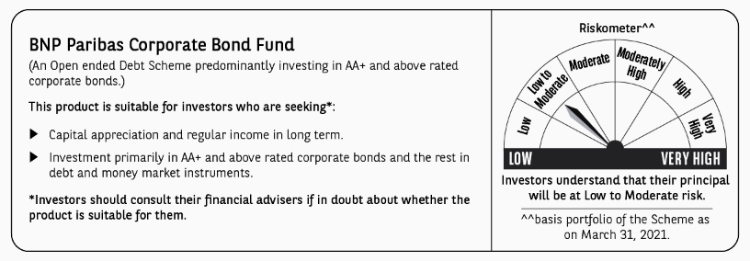
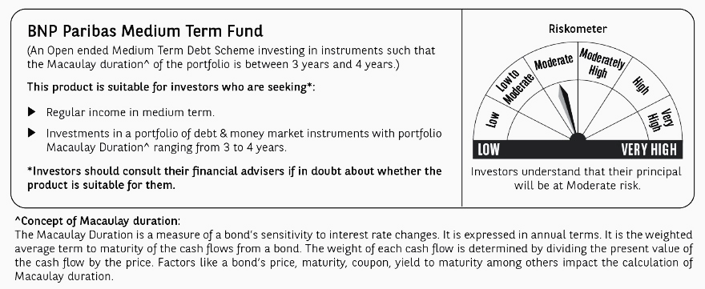
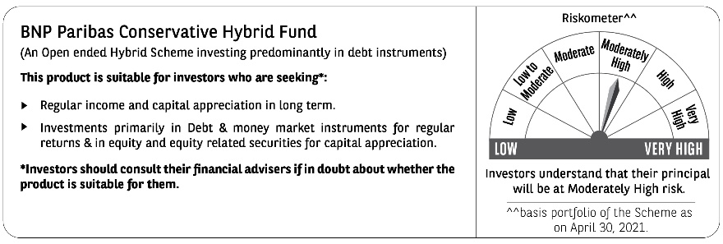
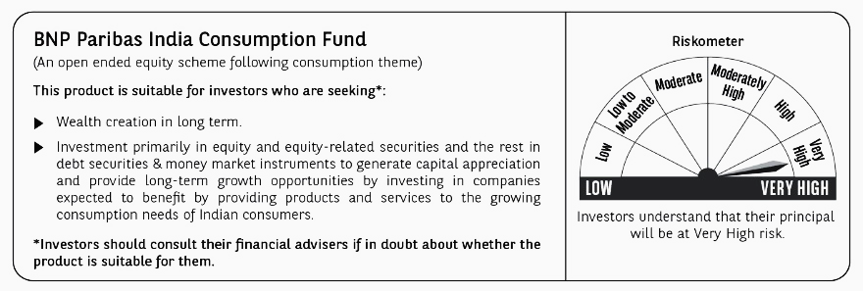
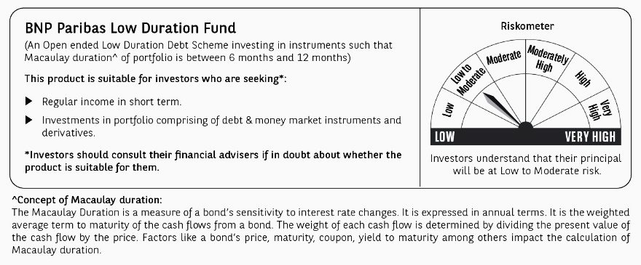
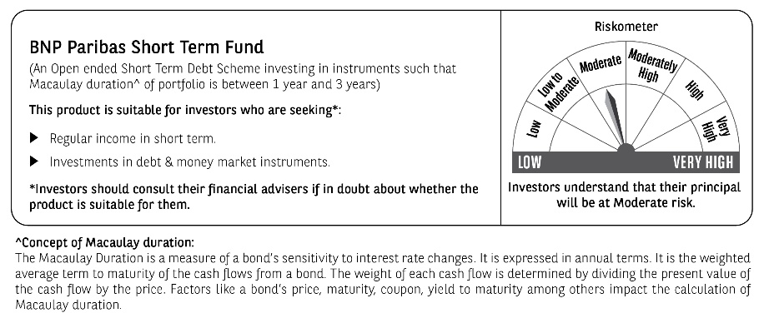
Please note that the Risk level for following Schemes of the Fund are changed:
Name of Scheme | Risk Level (Existing and basis portfolio of the respective Scheme(s) as on April 30, 2021) | Risk Level (Revised basis portfolio of the respective Scheme(s) as on May 31, 2021)
BNP Paribas Short Term Fund | Low to Moderate | Moderate

The below riskometer are based on portfolio of the respective Scheme as on May 31, 2021.

