FL
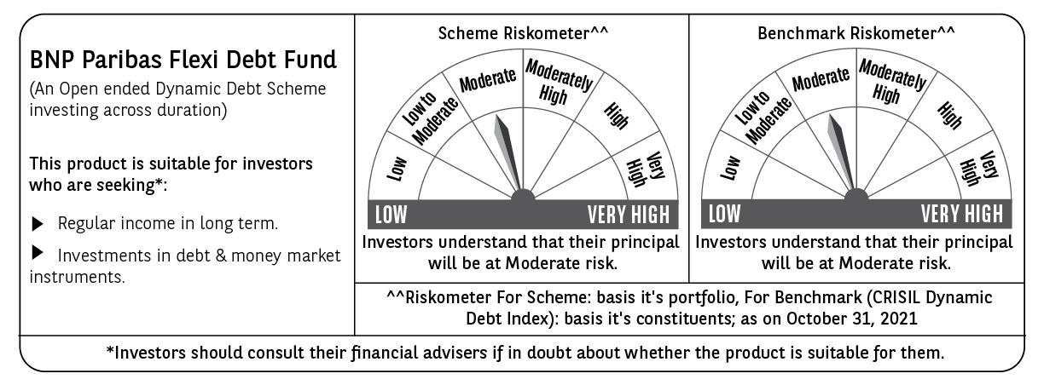
BNP PARIBAS Mutual Fund | T0MD12
SCHEME NAME : | BNP Paribas Flexi Debt Fund
PORTFOLIO STATEMENT AS ON : | 2021-10-31

Name of the Instrument / Issuer | ISIN | Rating / Industry ^ | Quantity | Market value (Rs. in Lakhs) | % to AUM | YTM % | Notes & Symbols

EQUITY & EQUITY RELATED

a) Listed/awaiting listing on Stock Exchanges |  |  |  | NIL | NIL

b) Unlisted |  |  |  | NIL | NIL

c) Foreign Securities and /or overseas ETF |  |  |  | NIL | NIL

DEBT INSTRUMENTS
a) Listed/awaiting listing on the stock exchanges |  |  |  | NIL | NIL

b) Privately Placed/Unlisted |  |  |  | NIL | NIL

c) Securitised Debt Instruments |  |  |  | NIL | NIL

d) Central Government Securities
5.63% Government of India 12-Apr-2026 | IN0020210012 | Sovereign | 2,000,000 | 1,989.83 | 17.05 | 5.76
6.10% Government of India 12-Jul-2031 | IN0020210095 | Sovereign | 2,000,000 | 1,958.79 | 16.78 | 6.39
3.51% Government of India 07-Nov-2024 | IN0020160084 | Sovereign | 500,000 | 495.55 | 4.25 | -
6.64% Government of India 16-Jun-2035 | IN0020210020 | Sovereign | 300,000 | 294.37 | 2.52 | 6.85
6.67% Government of India 15-Dec-2035 | IN0020210152 | Sovereign | 139,900 | 137.78 | 1.18 | 6.84
Total |  |  |  | 4,876.32 | 41.78

e) State Government Securities
6.28% State Government of Gujarat 01-Sep-2027 | IN1520210098 | Sovereign | 1,500,000 | 1,490.94 | 12.77 | 6.40
6.05% State Government of Rajasthan 16-Jun-2026 | IN2920210142 | Sovereign | 1,100,000 | 1,097.74 | 9.40 | 6.10
7.86% State Government of Karnataka 15-Mar-2027 | IN1920160117 | Sovereign | 1,000,000 | 1,068.91 | 9.16 | 6.32
7.33% State Government of Maharashtra 13-Sep-2027 | IN2220170103 | Sovereign | 1,000,000 | 1,044.72 | 8.95 | 6.40
7.15% State Government of Maharashtra 13-Oct-2026 | IN2220160088 | Sovereign | 500,000 | 520.49 | 4.46 | 6.18
8.26% State Government of Maharashtra 02-Jan-2029 | IN2220180060 | Sovereign | 500 | 0.54 | # | 6.67
7.64% State Government of Haryana 29-Mar-2027 | IN1620160292 | Sovereign | 300 | 0.32 | # | 6.36
Total |  |  |  | 5,223.66 | 44.74

MONEY MARKET INSTRUMENTS

a) Commercial Paper |  |  |  | NIL | NIL

b) Certificate of Deposits |  |  |  | NIL | NIL

c) Treasury Bills |  |  |  | NIL | NIL

d) Bills Re- Discounting |  |  |  | NIL | NIL

OTHERS
a) Mutual Fund Units / Exchange Traded Funds |  |  |  | NIL | NIL

b) Gold |  |  |  | NIL | NIL

c) Short Term Deposits |  |  |  | NIL | NIL

d) Term Deposits Placed as Margins |  |  |  | NIL | NIL

e) TREPS / Reverse Repo Investments
TREPS 01-Nov-2021 |  |  |  | 1,462.00 | 12.53 | 3.37
Total |  |  |  | 1,462.00 | 12.53

Other Current Assets / (Liabilities)
Net Receivable / Payable |  |  |  | 110.24 | 0.95
Total |  |  |  | 110.24 | 0.95

GRAND TOTAL (AUM) |  |  |  | 11,672.22 | 100.00

Notes & Symbols :-
# -> Less Than 0.005% ; A** -> Awaiting Listing on Stock Exchanges ; T** -> Thinly Traded Securities ; N** -> Non Traded Securities ; I** -> Illiquid Shares ; R** -> Rights Entitalment ; P** Preference Shares ; W** Warrants ; PP* Partly Paid; S** --> Suspended forTrading
(1) Non Convertible Debentures and Bonds are considered as Traded based on information provided by external agencies.
(2) ^ The Name of the Industry is in accordance with Industry Classification as recommended by AMFI.
(3) All corporate ratings are assigned by rating agencies like CRISIL; CARE; ICRA; IND; BRW.
(4) The provision made for securities classified as below investment grade or default as of October ,31 2021 is Rs Nil and its percentage to Net Asset Value is Nil .
(5) Aggregate value of illiquid shares of the fund amounts to Rs. Nil and their percentage to Net Asset value is Nil.
(6) Plan/option wise per unit Net Asset Value are as follows:
Plan/Option |  | As on September ,30 2021 | As on October ,29 2021
Daily Income Distribution cum capital withdrawal option |  | 10.0987 | 10.0772
Growth Option |  | 36.6291 | 36.5509
Half-Yearly Income Distribution cum capital withdrawal option |  | 10.5177 | 10.0760
Monthly Income Distribution cum capital withdrawal option |  | 10.1125 | 10.0211
Quarterly Income Distribution cum capital withdrawal option |  | 10.4497 | 10.2178
Weekly Income Distribution cum capital withdrawal option |  | 10.0648 | 10.0433
Regular Plan - A Growth Option |  | 25.6808 | 25.6396
Direct Plan - Daily Income Distribution cum capital withdrawal option |  | 10.1007 | 10.0874
Direct Plan - Growth Option |  | 39.2824 | 39.2364
Direct Plan - Half Yearly Income Distribution cum capital withdrawal option |  | 10.0000 | 10.0000
Direct Plan - Monthly Income Distribution cum capital withdrawal option |  | 10.2746 | 10.1911
Direct Plan - Quarterly Income Distribution cum capital withdrawal option |  | 10.6128 | 10.3890
Direct Plan - Weekly Income Distribution cum capital withdrawal option |  | 10.0668 | 10.0535

(7) No Dividend declared during the Month ended October ,31 2021
(8) There were no investments made in derivative instruments and no such derivative instrument was squared off/ expired /exercised during the Month ended October ,31 2021. Further there are no investments in derivative instruments as on 31 October 2021.
(9) Total Market value of investments in Foreign Securities/American Depositary Receipts/Global Depositary Receipts as at October ,31 2021 is Rs. Nil .
(10) The Average Maturity period of the portfolio has been 1,990 Days .
(11) Details of repo transaction in corporate debt securities for the Month ended October ,31 2021 is Nil.
(12) Investments in debt instruments having structured obligations or credit enhancement features as at October ,31 2021 is Rs. Nil
(13) Investment in Partly paid Debentures during the Month ended October ,31 2021 and as on October ,31 2021 is Nil
(14) During the Month ended October ,31 2021, there have been Nil instances of deviations in valuation of securities for the scheme.
(15) Transactions in Credit Default Swaps during Month ended October ,31 2021 : Rs. Nil
(16) As per SEBI Circular no. SEBI/HO/IMD/DF3/CIR/P/2020/194 dated October 05, 2020, placed below the plan name change w.e.f. 01st April 2021:
New plan name | Earlier plan name
Daily Income Distribution cum capital withdrawal option | Daily Dividend Option
Half-Yearly Income Distribution cum capital withdrawal option | Half-Yearly Dividend Option
Monthly Income Distribution cum capital withdrawal option | Monthly Dividend Option
Quarterly Income Distribution cum capital withdrawal option | Quarterly Dividend Option
Weekly Income Distribution cum capital withdrawal option | Weekly Dividend Option
Regular Plan - A Quarterly Income Distribution cum capital withdrawal option | Regular Plan - A Quarterly Dividend Option
Direct Plan - Daily Income Distribution cum capital withdrawal option | Direct Plan - Daily Dividend Option
Direct Plan - Half Yearly Income Distribution cum capital withdrawal option | Direct Plan - Half Yearly Dividend Option
Direct Plan - Monthly Income Distribution cum capital withdrawal option | Direct Plan - Monthly Dividend Option
Direct Plan - Quarterly Income Distribution cum capital withdrawal option | Direct Plan - Quarterly Dividend Option
Direct Plan - Weekly Income Distribution cum capital withdrawal option | Direct Plan - Weekly Dividend Option

