FO
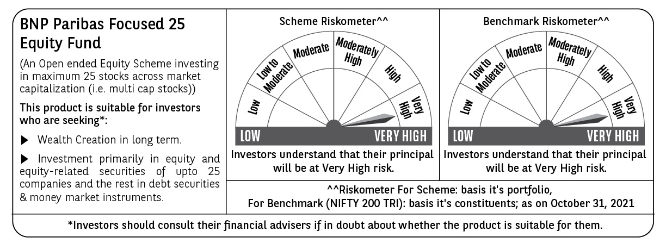
BNP PARIBAS Mutual Fund | T0ME20
SCHEME NAME : | BNP Paribas Focused 25 Equity Fund
PORTFOLIO STATEMENT AS ON : | 2021-10-31

Name of the Instrument / Issuer | ISIN | Rating / Industry ^ | Quantity | Market value (Rs. in Lakhs) | % to AUM | YTM % | Notes & Symbols

EQUITY & EQUITY RELATED
a) Listed/awaiting listing on Stock Exchanges
ICICI Bank Ltd. | INE090A01021 | Banks | 265,000 | 2,125.43 | 10.13
HDFC Bank Ltd. | INE040A01034 | Banks | 131,000 | 2,073.53 | 9.89
Reliance Industries Ltd. | INE002A01018 | Petroleum Products | 47,400 | 1,202.18 | 5.73
Kotak Mahindra Bank Ltd. | INE237A01028 | Banks | 55,000 | 1,117.13 | 5.33
Infosys Ltd. | INE009A01021 | Software | 63,000 | 1,050.68 | 5.01
Bajaj Finance Ltd. | INE296A01024 | Finance | 13,200 | 976.83 | 4.66
SBI Life Insurance Company Ltd. | INE123W01016 | Insurance | 72,000 | 824.80 | 3.93
Apollo Pipes Ltd. | INE126J01016 | Industrial Products | 46,097 | 798.42 | 3.81
Voltas Ltd. | INE226A01021 | Consumer Durables | 60,500 | 728.75 | 3.47
Brigade Enterprises Ltd. | INE791I01019 | Construction | 155,000 | 719.43 | 3.43
Avenue Supermarts Ltd. | INE192R01011 | Retailing | 15,500 | 718.49 | 3.43
Avanti Feeds Ltd. | INE871C01038 | Consumer Non Durables | 123,600 | 688.20 | 3.28
Trent Ltd. | INE849A01020 | Retailing | 68,500 | 687.16 | 3.28
Ashok Leyland Ltd. | INE208A01029 | Auto | 446,254 | 635.47 | 3.03
Can Fin Homes Ltd. | INE477A01020 | Finance | 100,000 | 626.85 | 2.99
Tata Motors DVR Ltd. | IN9155A01020 | Auto | 250,000 | 615.00 | 2.93
Bharat Electronics Ltd. | INE263A01024 | Aerospace & Defense | 296,573 | 613.46 | 2.92
Jindal Steel & Power Ltd. | INE749A01030 | Ferrous Metals | 145,000 | 605.09 | 2.88
HCL Technologies Ltd. | INE860A01027 | Software | 50,000 | 571.88 | 2.73
Divi's Laboratories Ltd. | INE361B01024 | Pharmaceuticals | 10,500 | 540.77 | 2.58
Zomato Ltd. | INE758T01015 | Retailing | 375,000 | 493.31 | 2.35
Gujarat Gas Ltd. | INE844O01030 | Gas | 78,000 | 485.39 | 2.31
Steel Authority of India Ltd. | INE114A01011 | Ferrous Metals | 400,000 | 460.40 | 2.19
Asian Paints Ltd. | INE021A01026 | Consumer Non Durables | 14,000 | 434.01 | 2.07
ITC Ltd. | INE154A01025 | Consumer Non Durables | 160,000 | 357.12 | 1.70
Total |  |  |  | 20,149.78 | 96.06

b) Unlisted |  |  |  | NIL | NIL

c) Foreign Securities and /or overseas ETF |  |  |  | NIL | NIL

DEBT INSTRUMENTS

a) Listed/awaiting listing on the stock exchanges |  |  |  | NIL | NIL

b) Privately Placed/Unlisted |  |  |  | NIL | NIL

c) Securitised Debt Instruments |  |  |  | NIL | NIL

d) Central Government Securities |  |  |  | NIL | NIL

e) State Government Securities |  |  |  | NIL | NIL

MONEY MARKET INSTRUMENTS

a) Commercial Paper |  |  |  | NIL | NIL

b) Certificate of Deposits |  |  |  | NIL | NIL

c) Treasury Bills |  |  |  | NIL | NIL

d) Bills Re- Discounting |  |  |  | NIL | NIL

OTHERS
a) Mutual Fund Units / Exchange Traded Funds |  |  |  | NIL | NIL

b) Gold |  |  |  | NIL | NIL

c) Short Term Deposits |  |  |  | NIL | NIL

d) Term Deposits Placed as Margins |  |  |  | NIL | NIL

e) TREPS / Reverse Repo Investments
TREPS 01-Nov-2021 |  |  |  | 805.00 | 3.84 | 3.37
Total |  |  |  | 805.00 | 3.84

Other Current Assets / (Liabilities)
Net Receivable / Payable |  |  |  | 20.68 | 0.10
Total |  |  |  | 20.68 | 0.10

GRAND TOTAL (AUM) |  |  |  | 20,975.46 | 100.00

Notes & Symbols :-
# -> Less Than 0.005% ; A** -> Awaiting Listing on Stock Exchanges ; T** -> Thinly Traded Securities ; N** -> Non Traded Securities ; I** -> Illiquid Shares ; R** -> Rights Entitalment ; P** Preference Shares ; W** Warrants ; PP* Partly Paid; S** --> Suspended forTrading
(1) Non Convertible Debentures and Bonds are considered as Traded based on information provided by external agencies.
(2) ^ The Name of the Industry is in accordance with Industry Classification as recommended by AMFI.
(3) All corporate ratings are assigned by rating agencies like CRISIL; CARE; ICRA; IND; BRW.
(4) The provision made for securities classified as below investment grade or default as of October ,31 2021 is Rs Nil and its percentage to Net Asset Value is Nil .
(5) Aggregate value of illiquid shares of the fund amounts to Rs. Nil and their percentage to Net Asset value is Nil.
(6) Plan/option wise per unit Net Asset Value are as follows:
Plan/Option |  | As on September ,30 2021 | As on October ,29 2021
Income Distribution cum capital withdrawal option |  | 14.7310 | 14.7740
Growth Option |  | 14.7300 | 14.7730
Direct Plan - Income Distribution cum capital withdrawal option |  | 15.5530 | 15.6170
Direct Plan - Growth Option |  | 15.5920 | 15.6580

(7) No Dividend declared during the Month ended October ,31 2021
(8) There were no investments made in derivative instruments and no such derivative instrument was squared off/ expired /exercised during the Month ended October ,31 2021. Further there are no investments in derivative instruments as on 31 October 2021.
(9) Total Market value of investments in Foreign Securities/American Depositary Receipts/Global Depositary Receipts as at October ,31 2021 is Rs. Nil .
(10) During the period, the portfolio turnover ratio is 0.13 times.
(11) Details of repo transaction in corporate debt securities for the Month ended October ,31 2021 is Nil.
(12) Investments in debt instruments having structured obligations or credit enhancement features as at October ,31 2021 is Rs. Nil
(13) Investment in Partly paid Debentures during the Month ended October ,31 2021 and as on October ,31 2021 is Nil
(14) During the Month ended October ,31 2021, there have been Nil instances of deviations in valuation of securities for the scheme.
(15) Transactions in Credit Default Swaps during Month ended October ,31 2021 : Rs. Nil
(16) As per SEBI Circular no. SEBI/HO/IMD/DF3/CIR/P/2020/194 dated October 05, 2020, placed below the plan name change w.e.f. 01st April 2021:
New plan name | Earlier plan name
Income Distribution cum capital withdrawal option | Dividend Option
Direct Plan - Income Distribution cum capital withdrawal option | Direct Plan - Dividend Option

