IC
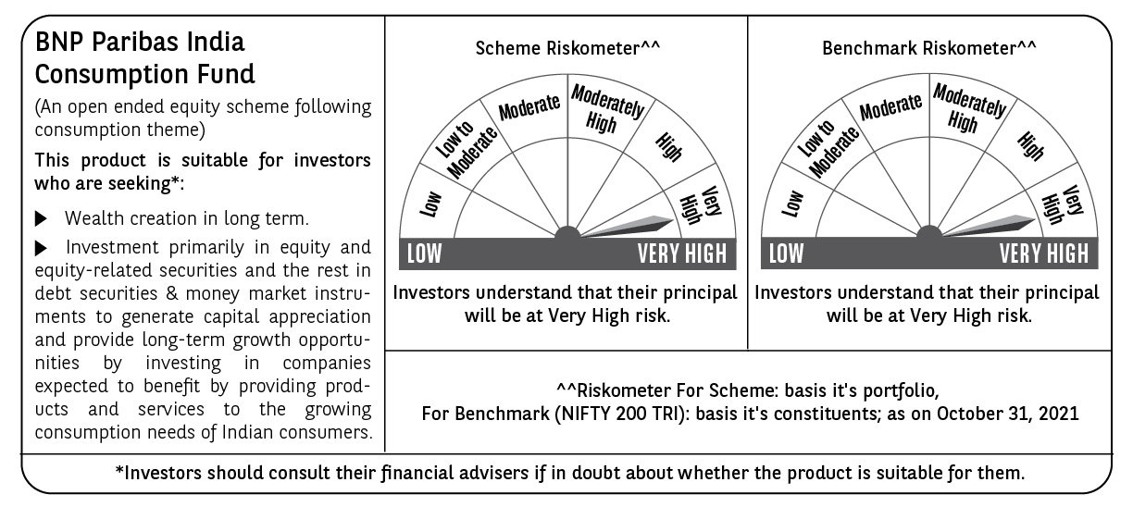
BNP PARIBAS Mutual Fund | T0ME21
SCHEME NAME : | BNP Paribas India Consumption Fund
PORTFOLIO STATEMENT AS ON : | 2021-10-31

Name of the Instrument / Issuer | ISIN | Rating / Industry ^ | Quantity | Market value (Rs. in Lakhs) | % to AUM | YTM % | Notes & Symbols

EQUITY & EQUITY RELATED
a) Listed/awaiting listing on Stock Exchanges
ICICI Bank Ltd. | INE090A01021 | Banks | 755,296 | 6,057.85 | 6.84
HDFC Bank Ltd. | INE040A01034 | Banks | 280,000 | 4,431.98 | 5.00
Bharti Airtel Ltd. | INE397D01024 | Telecom - Services | 625,000 | 4,283.44 | 4.83
ITC Ltd. | INE154A01025 | Consumer Non Durables | 1,725,000 | 3,850.20 | 4.34
Avenue Supermarts Ltd. | INE192R01011 | Retailing | 70,000 | 3,244.82 | 3.66
Hindustan Unilever Ltd. | INE030A01027 | Consumer Non Durables | 130,000 | 3,111.10 | 3.51
Voltas Ltd. | INE226A01021 | Consumer Durables | 235,000 | 2,830.69 | 3.19
Tata Consumer Products Ltd. | INE192A01025 | Consumer Non Durables | 340,000 | 2,752.30 | 3.11
Trent Ltd. | INE849A01020 | Retailing | 265,000 | 2,658.35 | 3.00
Axis Bank Ltd. | INE238A01034 | Banks | 350,000 | 2,597.00 | 2.93
TVS Motor Company Ltd. | INE494B01023 | Auto | 359,999 | 2,385.17 | 2.69
Bajaj Finance Ltd. | INE296A01024 | Finance | 30,000 | 2,220.06 | 2.51
Kajaria Ceramics Ltd. | INE217B01036 | Consumer Durables | 160,000 | 1,954.00 | 2.20
Maruti Suzuki India Ltd. | INE585B01010 | Auto | 25,000 | 1,870.60 | 2.11
Orient Electric Ltd. | INE142Z01019 | Consumer Durables | 525,000 | 1,816.24 | 2.05
SBI Life Insurance Company Ltd. | INE123W01016 | Insurance | 150,000 | 1,718.33 | 1.94
Procter & Gamble Hygiene and Health Care Ltd. | INE179A01014 | Consumer Non Durables | 11,141 | 1,585.12 | 1.79
Asian Paints Ltd. | INE021A01026 | Consumer Non Durables | 50,000 | 1,550.05 | 1.75
Housing Development Finance Corporation Ltd. | INE001A01036 | Finance | 52,500 | 1,493.47 | 1.69
V-Mart Retail Ltd. | INE665J01013 | Retailing | 35,996 | 1,462.19 | 1.65
Gujarat Gas Ltd. | INE844O01030 | Gas | 225,000 | 1,400.18 | 1.58
Apollo Pipes Ltd. | INE126J01016 | Industrial Products | 80,000 | 1,385.64 | 1.56
Century Plyboards (India) Ltd. | INE348B01021 | Consumer Durables | 250,000 | 1,350.25 | 1.52
Page Industries Ltd. | INE761H01022 | Textile Products | 3,500 | 1,317.26 | 1.49
Jubilant Foodworks Ltd. | INE797F01012 | Leisure Services | 35,000 | 1,291.26 | 1.46
HDFC Asset Management Company Ltd. | INE127D01025 | Capital Markets | 47,500 | 1,257.42 | 1.42
United Breweries Ltd. | INE686F01025 | Consumer Non Durables | 75,000 | 1,243.91 | 1.40
Inox Leisure Ltd. | INE312H01016 | Entertainment | 292,000 | 1,223.63 | 1.38
Ultratech Cement Ltd. | INE481G01011 | Cement & Cement Products | 16,000 | 1,221.77 | 1.38
Alkem Laboratories Ltd. | INE540L01014 | Pharmaceuticals | 32,500 | 1,173.46 | 1.32
VIP Industries Ltd. | INE054A01027 | Consumer Durables | 209,200 | 1,136.58 | 1.28
Astral Limited | INE006I01046 | Industrial Products | 50,533 | 1,103.97 | 1.25
TTK Prestige Ltd. | INE690A01010 | Consumer Durables | 10,000 | 1,093.71 | 1.23
Nazara Technologies Ltd. | INE418L01021 | Entertainment | 40,000 | 1,060.84 | 1.20
Whirlpool of India Ltd. | INE716A01013 | Consumer Durables | 46,319 | 1,024.72 | 1.16
Sanofi India Ltd. | INE058A01010 | Pharmaceuticals | 12,000 | 1,001.63 | 1.13
Shree Cement Ltd. | INE070A01015 | Cement & Cement Products | 3,425 | 980.76 | 1.11
Eicher Motors Ltd. | INE066A01021 | Auto | 37,500 | 931.80 | 1.05
Metropolis Healthcare Ltd. | INE112L01020 | Healthcare Services | 31,186 | 923.79 | 1.04
Britannia Industries Ltd. | INE216A01030 | Consumer Non Durables | 25,000 | 918.94 | 1.04
Polycab India Ltd. | INE455K01017 | Industrial Products | 39,565 | 894.72 | 1.01
Fino Payments Bank | INE02NC01014 | Banks | 155,000 | 894.35 | 1.01 |  | A**
PVR Ltd. | INE191H01014 | Entertainment | 50,000 | 838.83 | 0.95
Titan Company Ltd. | INE280A01028 | Consumer Durables | 35,000 | 834.24 | 0.94
Blue Star Ltd. | INE472A01039 | Consumer Durables | 85,813 | 823.89 | 0.93
Repco Home Finance Ltd. | INE612J01015 | Finance | 269,188 | 719.40 | 0.81
ICICI Prudential Life Insurance Company Ltd. | INE726G01019 | Insurance | 115,000 | 711.16 | 0.80
United Spirits Ltd. | INE854D01024 | Consumer Non Durables | 70,588 | 668.72 | 0.75
CSB Bank Ltd. | INE679A01013 | Banks | 224,000 | 658.90 | 0.74
Zomato Ltd. | INE758T01015 | Retailing | 500,000 | 657.75 | 0.74
CarTrade Tech Ltd. | INE290S01011 | Retailing | 46,266 | 554.04 | 0.63
Shoppers Stop Ltd. | INE498B01024 | Retailing | 135,000 | 465.28 | 0.53
Total |  |  |  | 85,635.76 | 96.63

b) Unlisted |  |  |  | NIL | NIL

c) Foreign Securities and /or overseas ETF |  |  |  | NIL | NIL

DEBT INSTRUMENTS

a) Listed/awaiting listing on the stock exchanges |  |  |  | NIL | NIL

b) Privately Placed/Unlisted |  |  |  | NIL | NIL

c) Securitised Debt Instruments |  |  |  | NIL | NIL

d) Central Government Securities |  |  |  | NIL | NIL

e) State Government Securities |  |  |  | NIL | NIL

MONEY MARKET INSTRUMENTS

a) Commercial Paper |  |  |  | NIL | NIL

b) Certificate of Deposits |  |  |  | NIL | NIL

c) Treasury Bills |  |  |  | NIL | NIL

d) Bills Re- Discounting |  |  |  | NIL | NIL

OTHERS
a) Mutual Fund Units / Exchange Traded Funds |  |  |  | NIL | NIL

b) Gold |  |  |  | NIL | NIL

c) Short Term Deposits |  |  |  | NIL | NIL

d) Term Deposits Placed as Margins |  |  |  | NIL | NIL

e) TREPS / Reverse Repo Investments
TREPS 01-Nov-2021 |  |  |  | 2,389.00 | 2.70 | 3.37
Total |  |  |  | 2,389.00 | 2.70

Other Current Assets / (Liabilities)
Net Receivable / Payable |  |  |  | 599.41 | 0.67
Total |  |  |  | 599.41 | 0.67

GRAND TOTAL (AUM) |  |  |  | 88,624.17 | 100.00

Notes & Symbols :-
# -> Less Than 0.005% ; A** -> Awaiting Listing on Stock Exchanges ; T** -> Thinly Traded Securities ; N** -> Non Traded Securities ; I** -> Illiquid Shares ; R** -> Rights Entitalment ; P** Preference Shares ; W** Warrants ; PP* Partly Paid; S** --> Suspended forTrading
(1) Non Convertible Debentures and Bonds are considered as Traded based on information provided by external agencies.
(2) ^ The Name of the Industry is in accordance with Industry Classification as recommended by AMFI.
(3) All corporate ratings are assigned by rating agencies like CRISIL; CARE; ICRA; IND; BRW.
(4) The provision made for securities classified as below investment grade or default as of October ,31 2021 is Rs Nil and its percentage to Net Asset Value is Nil .
(5) Aggregate value of illiquid shares of the fund amounts to Rs. Nil and their percentage to Net Asset value is Nil.
(6) Plan/option wise per unit Net Asset Value are as follows:
Plan/Option |  | As on September ,30 2021 | As on October ,29 2021
Income Distribution cum capital withdrawal option |  | 18.3850 | 18.6350
Growth Option |  | 19.5880 | 19.8550
Direct Plan - Income Distribution cum capital withdrawal option |  | 19.8730 | 20.1690
Direct Plan - Growth Option |  | 20.5270 | 20.8320

(7) No Dividend declared during the Month ended October ,31 2021
(8) There were no investments made in derivative instruments and no such derivative instrument was squared off/ expired /exercised during the Month ended October ,31 2021. Further there are no investments in derivative instruments as on 31 October 2021.
(9) Total Market value of investments in Foreign Securities/American Depositary Receipts/Global Depositary Receipts as at October ,31 2021 is Rs. Nil .
(10) During the period, the portfolio turnover ratio is 0.05 times.
(11) Details of repo transaction in corporate debt securities for the Month ended October ,31 2021 is Nil.
(12) Investments in debt instruments having structured obligations or credit enhancement features as at October ,31 2021 is Rs. Nil
(13) Investment in Partly paid Debentures during the Month ended October ,31 2021 and as on October ,31 2021 is Nil
(14) During the Month ended October ,31 2021, there have been Nil instances of deviations in valuation of securities for the scheme.
(15) Transactions in Credit Default Swaps during Month ended October ,31 2021 : Rs. Nil
(16) As per SEBI Circular no. SEBI/HO/IMD/DF3/CIR/P/2020/194 dated October 05, 2020, placed below the plan name change w.e.f. 01st April 2021:
New plan name | Earlier plan name
Income Distribution cum capital withdrawal option | Dividend Option
Direct Plan - Income Distribution cum capital withdrawal option | Direct Plan - Dividend Option

