LC
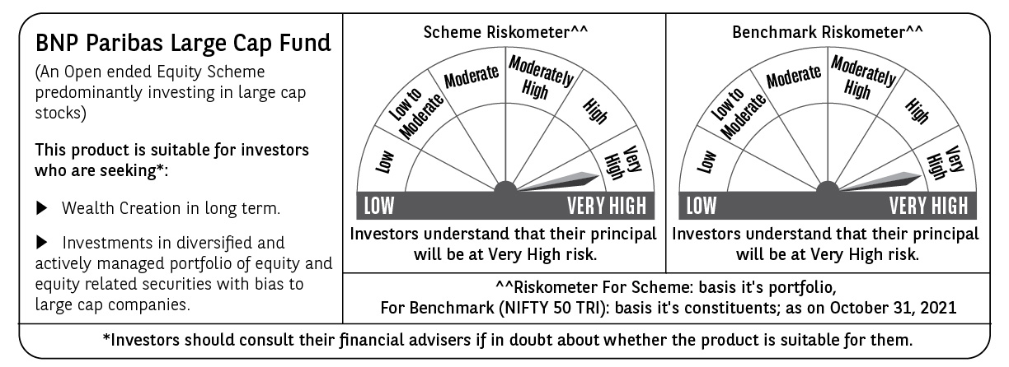
BNP PARIBAS Mutual Fund | T0ME04
SCHEME NAME : | BNP Paribas Large Cap Fund
PORTFOLIO STATEMENT AS ON : | 2021-10-31

Name of the Instrument / Issuer | ISIN | Rating / Industry ^ | Quantity | Market value (Rs. in Lakhs) | % to AUM | YTM % | Notes & Symbols

EQUITY & EQUITY RELATED
a) Listed/awaiting listing on Stock Exchanges
ICICI Bank Ltd. | INE090A01021 | Banks | 1,620,000 | 12,993.21 | 10.27
HDFC Bank Ltd. | INE040A01034 | Banks | 675,000 | 10,684.24 | 8.45
Reliance Industries Ltd. | INE002A01018 | Petroleum Products | 313,500 | 7,951.14 | 6.29
Infosys Ltd. | INE009A01021 | Software | 450,000 | 7,504.88 | 5.93
Housing Development Finance Corporation Ltd. | INE001A01036 | Finance | 200,000 | 5,689.40 | 4.50
Tata Consultancy Services Ltd. | INE467B01029 | Software | 145,000 | 4,926.74 | 3.90
Kotak Mahindra Bank Ltd. | INE237A01028 | Banks | 240,000 | 4,874.76 | 3.85
Axis Bank Ltd. | INE238A01034 | Banks | 650,000 | 4,823.00 | 3.81
State Bank of India | INE062A01020 | Banks | 950,000 | 4,770.43 | 3.77
Larsen & Toubro Ltd. | INE018A01030 | Construction Project | 240,000 | 4,239.96 | 3.35
Bajaj Finance Ltd. | INE296A01024 | Finance | 55,166 | 4,082.39 | 3.23
Avenue Supermarts Ltd. | INE192R01011 | Retailing | 80,000 | 3,708.36 | 2.93
Bharti Airtel Ltd. | INE397D01024 | Telecom - Services | 500,000 | 3,426.75 | 2.71
HCL Technologies Ltd. | INE860A01027 | Software | 220,500 | 2,521.97 | 1.99
Tata Motors Ltd. | INE155A01022 | Auto | 475,000 | 2,297.58 | 1.82
Divi's Laboratories Ltd. | INE361B01024 | Pharmaceuticals | 42,500 | 2,188.81 | 1.73
Sun Pharmaceutical Industries Ltd. | INE044A01036 | Pharmaceuticals | 275,000 | 2,186.25 | 1.73
Hindustan Unilever Ltd. | INE030A01027 | Consumer Non Durables | 86,200 | 2,062.90 | 1.63
Ultratech Cement Ltd. | INE481G01011 | Cement & Cement Products | 25,000 | 1,909.01 | 1.51
Maruti Suzuki India Ltd. | INE585B01010 | Auto | 25,000 | 1,870.60 | 1.48
SBI Life Insurance Company Ltd. | INE123W01016 | Insurance | 160,000 | 1,832.88 | 1.45
ITC Ltd. | INE154A01025 | Consumer Non Durables | 800,000 | 1,785.60 | 1.41
Jindal Steel & Power Ltd. | INE749A01030 | Ferrous Metals | 425,000 | 1,773.53 | 1.40
HDFC Life Insurance Company Ltd. | INE795G01014 | Insurance | 250,000 | 1,701.13 | 1.35
Siemens Ltd. | INE003A01024 | Industrial Capital Goods | 75,000 | 1,639.99 | 1.30
Avanti Feeds Ltd. | INE871C01038 | Consumer Non Durables | 275,000 | 1,531.20 | 1.21
SBI Cards & Payment Services Ltd. | INE018E01016 | Finance | 135,382 | 1,428.42 | 1.13
Ashok Leyland Ltd. | INE208A01029 | Auto | 1,000,000 | 1,424.00 | 1.13
Asian Paints Ltd. | INE021A01026 | Consumer Non Durables | 45,000 | 1,395.05 | 1.10
Bharat Electronics Ltd. | INE263A01024 | Aerospace & Defense | 664,355 | 1,374.22 | 1.09
Trent Ltd. | INE849A01020 | Retailing | 130,000 | 1,304.10 | 1.03
Gujarat Gas Ltd. | INE844O01030 | Gas | 200,000 | 1,244.60 | 0.98
Nazara Technologies Ltd. | INE418L01021 | Entertainment | 45,500 | 1,206.71 | 0.95
Dr. Reddy's Laboratories Ltd. | INE089A01023 | Pharmaceuticals | 25,000 | 1,164.80 | 0.92
Brigade Enterprises Ltd. | INE791I01019 | Construction | 249,270 | 1,156.99 | 0.91
Zomato Ltd. | INE758T01015 | Retailing | 800,000 | 1,052.40 | 0.83
Indraprastha Gas Ltd. | INE203G01027 | Gas | 220,000 | 1,042.58 | 0.82
Multi Commodity Exchange of India Ltd. | INE745G01035 | Capital Markets | 59,750 | 1,017.99 | 0.80
Cipla Ltd. | INE059A01026 | Pharmaceuticals | 110,000 | 995.56 | 0.79
Tata Consumer Products Ltd. | INE192A01025 | Consumer Non Durables | 110,000 | 890.45 | 0.70
Total |  |  |  | 121,674.58 | 96.18

b) Unlisted |  |  |  | NIL | NIL

c) Foreign Securities and /or overseas ETF |  |  |  | NIL | NIL

DEBT INSTRUMENTS

a) Listed/awaiting listing on the stock exchanges |  |  |  | NIL | NIL

b) Privately Placed/Unlisted |  |  |  | NIL | NIL

c) Securitised Debt Instruments |  |  |  | NIL | NIL

d) Central Government Securities |  |  |  | NIL | NIL

e) State Government Securities |  |  |  | NIL | NIL

MONEY MARKET INSTRUMENTS

a) Commercial Paper |  |  |  | NIL | NIL

b) Certificate of Deposits |  |  |  | NIL | NIL

c) Treasury Bills |  |  |  | NIL | NIL

d) Bills Re- Discounting |  |  |  | NIL | NIL

OTHERS
a) Mutual Fund Units / Exchange Traded Funds |  |  |  | NIL | NIL

b) Gold |  |  |  | NIL | NIL

c) Short Term Deposits |  |  |  | NIL | NIL

d) Term Deposits Placed as Margins |  |  |  | NIL | NIL

e) TREPS / Reverse Repo Investments
TREPS 01-Nov-2021 |  |  |  | 4,651.00 | 3.68 | 3.30
Total |  |  |  | 4,651.00 | 3.68

Other Current Assets / (Liabilities)
Net Receivable / Payable |  |  |  | 145.29 | 0.14
Total |  |  |  | 145.29 | 0.14

GRAND TOTAL (AUM) |  |  |  | 126,470.87 | 100.00

Notes & Symbols :-
# -> Less Than 0.005% ; A** -> Awaiting Listing on Stock Exchanges ; T** -> Thinly Traded Securities ; N** -> Non Traded Securities ; I** -> Illiquid Shares ; R** -> Rights Entitalment ; P** Preference Shares ; W** Warrants ; PP* Partly Paid; S** --> Suspended forTrading
(1) Non Convertible Debentures and Bonds are considered as Traded based on information provided by external agencies.
(2) ^ The Name of the Industry is in accordance with Industry Classification as recommended by AMFI.
(3) All corporate ratings are assigned by rating agencies like CRISIL; CARE; ICRA; IND; BRW.
(4) The provision made for securities classified as below investment grade or default as of October ,31 2021 is Rs Nil and its percentage to Net Asset Value is Nil .
(5) Aggregate value of illiquid shares of the fund amounts to Rs. Nil and their percentage to Net Asset value is Nil.
(6) Plan/option wise per unit Net Asset Value are as follows:
Plan/Option |  | As on September ,30 2021 | As on October ,29 2021
Income Distribution cum capital withdrawal option |  | 20.7900 | 21.1100
Growth Option |  | 140.3100 | 142.4600
Direct Plan - Income Distribution cum capital withdrawal option |  | 23.8800 | 24.2700
Direct Plan - Growth Option |  | 154.6900 | 157.2300

(7) No Dividend declared during the Month ended October ,31 2021
(8) There were no investments made in derivative instruments and no such derivative instrument was squared off/ expired /exercised during the Month ended October ,31 2021. Further there are no investments in derivative instruments as on 31 October 2021.
(9) Total Market value of investments in Foreign Securities/American Depositary Receipts/Global Depositary Receipts as at October ,31 2021 is Rs. Nil .
(10) During the period, the portfolio turnover ratio is 0.04 times.
(11) Details of repo transaction in corporate debt securities for the Month ended October ,31 2021 is Nil.
(12) Investments in debt instruments having structured obligations or credit enhancement features as at October ,31 2021 is Rs. Nil
(13) Investment in Partly paid Debentures during the Month ended October ,31 2021 and as on October ,31 2021 is Nil
(14) During the Month ended October ,31 2021, there have been Nil instances of deviations in valuation of securities for the scheme.
(15) Transactions in Credit Default Swaps during Month ended October ,31 2021 : Rs. Nil
(16) As per SEBI Circular no. SEBI/HO/IMD/DF3/CIR/P/2020/194 dated October 05, 2020, placed below the plan name change w.e.f. 01st April 2021:
New plan name | Earlier plan name
Income Distribution cum capital withdrawal option | Dividend Option
Direct Plan - Income Distribution cum capital withdrawal option | Direct Plan - Dividend Option

