MC
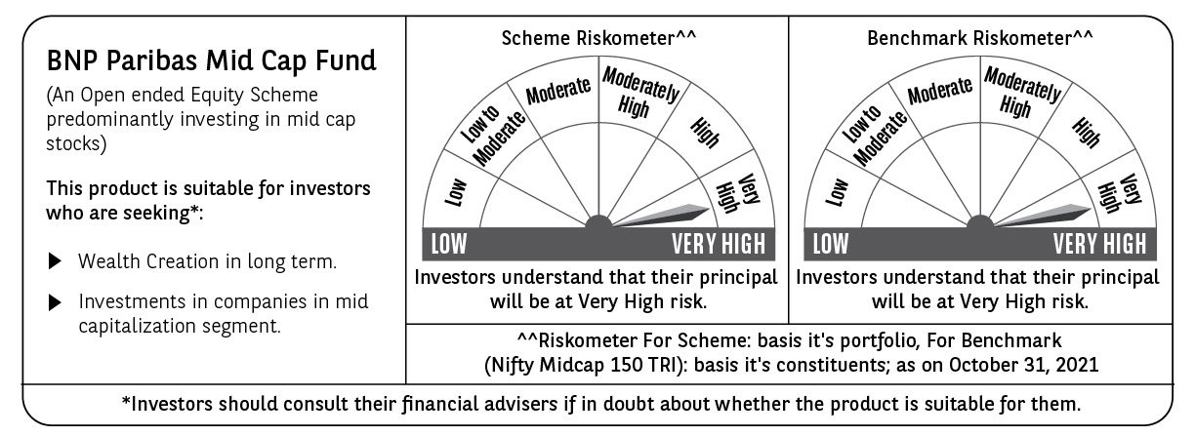
BNP PARIBAS Mutual Fund | T0ME02
SCHEME NAME : | BNP Paribas Midcap Fund
PORTFOLIO STATEMENT AS ON : | 2021-10-31

Name of the Instrument / Issuer | ISIN | Rating / Industry ^ | Quantity | Market value (Rs. in Lakhs) | % to AUM | YTM % | Notes & Symbols

EQUITY & EQUITY RELATED
a) Listed/awaiting listing on Stock Exchanges
Jindal Steel & Power Ltd. | INE749A01030 | Ferrous Metals | 1,200,000 | 5,007.60 | 4.60
Voltas Ltd. | INE226A01021 | Consumer Durables | 376,000 | 4,529.11 | 4.16
Bharat Electronics Ltd. | INE263A01024 | Aerospace & Defense | 2,040,766 | 4,221.32 | 3.88
The Federal Bank Ltd. | INE171A01029 | Banks | 3,631,000 | 3,538.41 | 3.25
Gujarat Gas Ltd. | INE844O01030 | Gas | 508,000 | 3,161.28 | 2.90
Trent Ltd. | INE849A01020 | Retailing | 307,000 | 3,079.67 | 2.83
Mphasis Ltd. | INE356A01018 | Software | 88,000 | 2,847.50 | 2.62
MindTree Ltd. | INE018I01017 | Software | 63,000 | 2,830.21 | 2.60
ACC Ltd. | INE012A01025 | Cement & Cement Products | 120,000 | 2,800.08 | 2.57
Sundaram Finance Ltd. | INE660A01013 | Finance | 110,000 | 2,629.06 | 2.41
Indian Bank | INE562A01011 | Banks | 1,500,000 | 2,581.50 | 2.37
Astral Limited | INE006I01046 | Industrial Products | 117,364 | 2,563.99 | 2.35
Ashok Leyland Ltd. | INE208A01029 | Auto | 1,600,000 | 2,278.40 | 2.09
Gujarat State Petronet Ltd. | INE246F01010 | Gas | 736,725 | 2,248.12 | 2.06
Endurance Technologies Ltd. | INE913H01037 | Auto Ancillaries | 120,100 | 2,186.72 | 2.01
DCM Shriram Ltd. | INE499A01024 | Consumer Non Durables | 221,100 | 2,183.80 | 2.01
Jubilant Foodworks Ltd. | INE797F01012 | Leisure Services | 58,200 | 2,147.17 | 1.97
Crompton Greaves Consumer Electricals Ltd. | INE299U01018 | Consumer Durables | 450,000 | 2,095.20 | 1.92
TVS Motor Company Ltd. | INE494B01023 | Auto | 310,001 | 2,053.91 | 1.89
Tata Chemicals Ltd. | INE092A01019 | Chemicals | 220,000 | 1,982.97 | 1.82
IPCA Laboratories Ltd. | INE571A01020 | Pharmaceuticals | 92,540 | 1,982.58 | 1.82
Tata Consumer Products Ltd. | INE192A01025 | Consumer Non Durables | 243,000 | 1,967.09 | 1.81
City Union Bank Ltd. | INE491A01021 | Banks | 1,165,000 | 1,958.95 | 1.80
Max Financial Services Ltd. | INE180A01020 | Insurance | 198,901 | 1,936.50 | 1.78
Oberoi Realty Ltd. | INE093I01010 | Construction | 204,000 | 1,846.81 | 1.70
Apollo Hospitals Enterprise Ltd. | INE437A01024 | Healthcare Services | 41,000 | 1,747.44 | 1.60
Vardhman Textiles Ltd. | INE825A01012 | Textiles - Cotton | 86,000 | 1,673.60 | 1.54
ICICI Bank Ltd. | INE090A01021 | Banks | 199,556 | 1,600.54 | 1.47
Persistent Systems Ltd. | INE262H01013 | Software | 40,500 | 1,589.10 | 1.46
Ratnamani Metals & Tubes Ltd. | INE703B01027 | Ferrous Metals | 69,984 | 1,499.44 | 1.38
Sanofi India Ltd. | INE058A01010 | Pharmaceuticals | 17,950 | 1,498.27 | 1.38
Sundram Fasteners Ltd. | INE387A01021 | Auto Ancillaries | 178,660 | 1,492.70 | 1.37
LIC Housing Finance Ltd. | INE115A01026 | Finance | 360,000 | 1,464.66 | 1.35
Avanti Feeds Ltd. | INE871C01038 | Consumer Non Durables | 250,000 | 1,392.00 | 1.28
Alkem Laboratories Ltd. | INE540L01014 | Pharmaceuticals | 37,270 | 1,345.69 | 1.24
V-Mart Retail Ltd. | INE665J01013 | Retailing | 30,000 | 1,218.63 | 1.12
Can Fin Homes Ltd. | INE477A01020 | Finance | 185,000 | 1,159.67 | 1.07
AU Small Finance Bank Ltd. | INE949L01017 | Banks | 95,000 | 1,155.53 | 1.06
PVR Ltd. | INE191H01014 | Entertainment | 68,000 | 1,140.80 | 1.05
Page Industries Ltd. | INE761H01022 | Textile Products | 3,000 | 1,129.08 | 1.04
Brigade Enterprises Ltd. | INE791I01019 | Construction | 240,000 | 1,113.96 | 1.02
MOIL Ltd. | INE490G01020 | Minerals/Mining | 698,244 | 1,089.96 | 1.00
The Indian Hotels Company Ltd. | INE053A01029 | Leisure Services | 550,000 | 1,081.58 | 0.99
Bharat Forge Ltd. | INE465A01025 | Industrial Products | 140,000 | 1,074.01 | 0.99
Emami Ltd. | INE548C01032 | Consumer Non Durables | 200,000 | 1,062.50 | 0.98
NOCIL Ltd. | INE163A01018 | Chemicals | 380,000 | 1,014.22 | 0.93
KNR Constructions Ltd. | INE634I01029 | Construction | 360,000 | 1,007.28 | 0.93
Thermax Ltd. | INE152A01029 | Industrial Capital Goods | 73,000 | 1,006.20 | 0.92
Nuvoco Vistas Corporation Ltd. | INE118D01016 | Cement & Cement Products | 190,000 | 1,002.92 | 0.92
Atul Ltd. | INE100A01010 | Chemicals | 10,800 | 985.87 | 0.91
Metropolis Healthcare Ltd. | INE112L01020 | Healthcare Services | 31,444 | 931.43 | 0.86
CarTrade Tech Ltd. | INE290S01011 | Retailing | 75,000 | 898.13 | 0.82
AIA Engineering Ltd. | INE212H01026 | Industrial Products | 46,500 | 891.71 | 0.82
Inox Leisure Ltd. | INE312H01016 | Entertainment | 173,000 | 724.96 | 0.67
Insecticides (India) Ltd. | INE070I01018 | Pesticides | 98,138 | 627.00 | 0.58
Total |  |  |  | 102,276.83 | 93.97

b) Unlisted |  |  |  | NIL | NIL

c) Foreign Securities and /or overseas ETF |  |  |  | NIL | NIL

DEBT INSTRUMENTS

a) Listed/awaiting listing on the stock exchanges |  |  |  | NIL | NIL

b) Privately Placed/Unlisted |  |  |  | NIL | NIL

c) Securitised Debt Instruments |  |  |  | NIL | NIL

d) Central Government Securities |  |  |  | NIL | NIL

e) State Government Securities |  |  |  | NIL | NIL

MONEY MARKET INSTRUMENTS

a) Commercial Paper |  |  |  | NIL | NIL

b) Certificate of Deposits |  |  |  | NIL | NIL

c) Treasury Bills |  |  |  | NIL | NIL

d) Bills Re- Discounting |  |  |  | NIL | NIL

OTHERS
a) Mutual Fund Units / Exchange Traded Funds |  |  |  | NIL | NIL

b) Gold |  |  |  | NIL | NIL

c) Short Term Deposits |  |  |  | NIL | NIL

d) Term Deposits Placed as Margins |  |  |  | NIL | NIL

e) TREPS / Reverse Repo Investments
TREPS 01-Nov-2021 |  |  |  | 5,977.00 | 5.49 | 3.30
Total |  |  |  | 5,977.00 | 5.49

Other Current Assets / (Liabilities)
Net Receivable / Payable |  |  |  | 625.23 | 0.54
Total |  |  |  | 625.23 | 0.54

GRAND TOTAL (AUM) |  |  |  | 108,879.06 | 100.00

Notes & Symbols :-
# -> Less Than 0.005% ; A** -> Awaiting Listing on Stock Exchanges ; T** -> Thinly Traded Securities ; N** -> Non Traded Securities ; I** -> Illiquid Shares ; R** -> Rights Entitalment ; P** Preference Shares ; W** Warrants ; PP* Partly Paid; S** --> Suspended forTrading
(1) Non Convertible Debentures and Bonds are considered as Traded based on information provided by external agencies.
(2) ^ The Name of the Industry is in accordance with Industry Classification as recommended by AMFI.
(3) All corporate ratings are assigned by rating agencies like CRISIL; CARE; ICRA; IND; BRW.
(4) The provision made for securities classified as below investment grade or default as of October ,31 2021 is Rs Nil and its percentage to Net Asset Value is Nil .
(5) Aggregate value of illiquid shares of the fund amounts to Rs. Nil and their percentage to Net Asset value is Nil.
(6) Plan/option wise per unit Net Asset Value are as follows:
Plan/Option |  | As on September ,30 2021 | As on October ,29 2021
Income Distribution cum capital withdrawal option |  | 45.8490 | 46.5270
Growth Option |  | 58.0120 | 58.8700
Direct Plan - Income Distribution cum capital withdrawal option |  | 54.7470 | 55.6240
Direct Plan - Growth Option |  | 65.2360 | 66.2840

(7) No Dividend declared during the Month ended October ,31 2021
(8) There were no investments made in derivative instruments and no such derivative instrument was squared off/ expired /exercised during the Month ended October ,31 2021. Further there are no investments in derivative instruments as on 31 October 2021.
(9) Total Market value of investments in Foreign Securities/American Depositary Receipts/Global Depositary Receipts as at October ,31 2021 is Rs. Nil .
(10) During the period, the portfolio turnover ratio is 0.06 times.
(11) Details of repo transaction in corporate debt securities for the Month ended October ,31 2021 is Nil.
(12) Investments in debt instruments having structured obligations or credit enhancement features as at October ,31 2021 is Rs. Nil
(13) Investment in Partly paid Debentures during the Month ended October ,31 2021 and as on October ,31 2021 is Nil
(14) During the Month ended October ,31 2021, there have been Nil instances of deviations in valuation of securities for the scheme.
(15) Transactions in Credit Default Swaps during Month ended October ,31 2021 : Rs. Nil
(16) As per SEBI Circular no. SEBI/HO/IMD/DF3/CIR/P/2020/194 dated October 05, 2020, placed below the plan name change w.e.f. 01st April 2021:
New plan name | Earlier plan name
Income Distribution cum capital withdrawal option | Dividend Option
Direct Plan - Income Distribution cum capital withdrawal option | Direct Plan - Dividend Option

