ST
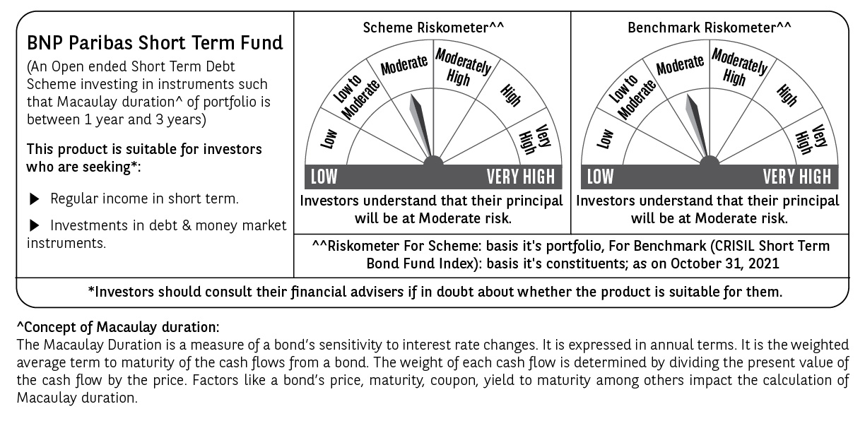
BNP PARIBAS Mutual Fund | T0MD11
SCHEME NAME : | BNP Paribas Short Term Fund
PORTFOLIO STATEMENT AS ON : | 2021-10-31

Name of the Instrument / Issuer | ISIN | Rating / Industry ^ | Quantity | Market value (Rs. in Lakhs) | % to AUM | YTM % | Notes & Symbols

EQUITY & EQUITY RELATED

a) Listed/awaiting listing on Stock Exchanges |  |  |  | NIL | NIL

b) Unlisted |  |  |  | NIL | NIL

c) Foreign Securities and /or overseas ETF |  |  |  | NIL | NIL

DEBT INSTRUMENTS
a) Listed/awaiting listing on the stock exchanges
6.95% Reliance Industries Ltd. 15-Mar-2023 | INE002A08641 | CRISIL AAA | 250 | 2,571.58 | 6.79 | 4.71 | N**
7.45% LIC Housing Finance Ltd. 10-Feb-2023 | INE115A07OQ2 | CRISIL AAA | 250 | 2,568.09 | 6.78 | 5.16 | N**
6.60% Muthoot Finance Ltd. 20-Jun-2023 | INE414G07FS0 | CRISIL AA+ | 250,000 | 2,520.02 | 6.65 | 6.05 | N**
5.27% National Bank for Agriculture and Rural Development 29-Apr-2024 | INE261F08DD2 | [ICRA]AAA | 250 | 2,498.58 | 6.60 | 5.28 | N**
8.25% L&T Finance Ltd. 24-Jan-2023 | INE027E07BD6 | CRISIL AAA | 200 | 2,068.61 | 5.46 | 5.27 | N**
6.09% Power Finance Corporation Ltd. 27-Aug-2026 | INE134E08LK2 | CRISIL AAA | 200 | 1,995.81 | 5.27 | 6.14 | N**
6.99% Housing Development Finance Corporation Ltd. 13-Feb-2023 | INE001A07SH4 | CRISIL AAA | 180 | 1,843.81 | 4.87 | 4.96 | N**
8.10% NTPC Ltd. 27-May-2026 | INE733E07KC2 | CRISIL AAA | 150 | 1,627.68 | 4.30 | 5.91 | N**
7.62% Export-Import Bank of India 01-Sep-2026 | INE514E08FG5 | CRISIL AAA | 150 | 1,596.22 | 4.21 | 6.04 | N**
4.79% Hindustan Petroleum Corporation Ltd. 23-Oct-2023 | INE094A08085 | CRISIL AAA | 150 | 1,497.20 | 3.95 | 4.89 | N**
5.74% REC Ltd. 20-Jun-2024 | INE020B08DR1 | CRISIL AAA | 100 | 1,006.52 | 2.66 | 5.44 | N**
5.95% Bajaj Finance Ltd. 12-Apr-2024 | INE296A07RR1 | CRISIL AAA | 100 | 1,006.44 | 2.66 | 5.64 | N**
5.85% Cholamandalam Investment & Finance Co. Ltd. 21-Mar-2023 | INE121A07PO2 | [ICRA]AA+ | 100 | 1,004.90 | 2.65 | 5.50 | N**
5.48% Cholamandalam Investment & Finance Co. Ltd. 30-Dec-2022 | INE121A07PW5 | [ICRA]AA+ | 100 | 1,001.91 | 2.65 | 5.29 | N**
7.60% Grasim Industries Ltd. 04-Jun-2024 | INE047A08158 | CRISIL AAA | 30 | 314.64 | 0.83 | 5.51 | N**
Total |  |  |  | 25,122.01 | 66.33

b) Privately Placed/Unlisted |  |  |  | NIL | NIL

c) Securitised Debt Instruments |  |  |  | NIL | NIL

d) Central Government Securities
3.51% Government of India 07-Nov-2024 | IN0020160084 | Sovereign | 4,200,000 | 4,162.62 | 10.99 | -
5.63% Government of India 12-Apr-2026 | IN0020210012 | Sovereign | 3,000,000 | 2,984.74 | 7.88 | 5.76
Total |  |  |  | 7,147.36 | 18.87

e) State Government Securities |  |  |  | NIL | NIL

MONEY MARKET INSTRUMENTS

a) Commercial Paper |  |  |  | NIL | NIL

b) Certificate of Deposits |  |  |  | NIL | NIL

c) Treasury Bills |  |  |  | NIL | NIL

d) Bills Re- Discounting |  |  |  | NIL | NIL

OTHERS
a) Mutual Fund Units / Exchange Traded Funds |  |  |  | NIL | NIL

b) Gold |  |  |  | NIL | NIL

c) Short Term Deposits |  |  |  | NIL | NIL

d) Term Deposits Placed as Margins |  |  |  | NIL | NIL

e) TREPS / Reverse Repo Investments
TREPS 01-Nov-2021 |  |  |  | 6,457.00 | 17.05 | 3.37
Total |  |  |  | 6,457.00 | 17.05

Other Current Assets / (Liabilities)
Net Receivable / Payable |  |  |  | (854.78) | (2.25)
Total |  |  |  | (854.78) | (2.25)

GRAND TOTAL (AUM) |  |  |  | 37,871.59 | 100.00

Notes & Symbols :-
# -> Less Than 0.005% ; A** -> Awaiting Listing on Stock Exchanges ; T** -> Thinly Traded Securities ; N** -> Non Traded Securities ; I** -> Illiquid Shares ; R** -> Rights Entitalment ; P** Preference Shares ; W** Warrants ; PP* Partly Paid; S** --> Suspended forTrading
(1) Non Convertible Debentures and Bonds are considered as Traded based on information provided by external agencies.
(2) ^ The Name of the Industry is in accordance with Industry Classification as recommended by AMFI.
(3) All corporate ratings are assigned by rating agencies like CRISIL; CARE; ICRA; IND; BRW.
(4) The provision made for securities classified as below investment grade or default as of October ,31 2021 is Rs Nil and its percentage to Net Asset Value is Nil .
(5) Aggregate value of illiquid shares of the fund amounts to Rs. Nil and their percentage to Net Asset value is Nil.
(6) Plan/option wise per unit Net Asset Value are as follows:
Plan/Option |  | As on September ,30 2021 | As on October ,29 2021
Daily Income Distribution cum capital withdrawal option |  | 10.0233 | 10.0252
Growth Option |  | 25.1415 | 25.1705
Monthly Income Distribution cum capital withdrawal option |  | 10.4021 | 10.2940
Quarterly Income Distribution cum capital withdrawal option |  | 10.7120 | 10.5343
Weekly Income Distribution cum capital withdrawal option |  | 10.0374 | 10.0398
Regular Plan - Growth Option |  | 33.8926 | 33.9313
Regular Plan - Monthly Income Distribution cum capital withdrawal option |  | 10.4018 | 10.2936
Regular Plan - Quarterly Income Distribution cum capital withdrawal option |  | 10.7109 | 10.5330
Regular Plan - Weekly Income Distribution cum capital withdrawal option |  | 10.0195 | 10.0219
Direct Plan - Daily Income Distribution cum capital withdrawal option |  | 10.0250 | 10.0256
Direct Plan - Growth Option |  | 26.5373 | 26.5822
Direct Plan - Monthly Income Distribution cum capital withdrawal option |  | 10.5205 | 10.4183
Direct Plan - Quarterly Income Distribution cum capital withdrawal option |  | 10.8505 | 10.6786
Direct Plan - Weekly Income Distribution cum capital withdrawal option |  | 10.0000 | 10.0000

(7) Details of Dividend declared per unit (In Rupees) during the month are as follows |  | Individuals/HUF | Others
Daily Income Distribution cum capital withdrawal option |  | 0.00959 | 0.00959
Monthly Income Distribution cum capital withdrawal option |  | 0.06000 | 0.06000
Weekly Income Distribution cum capital withdrawal option |  | 0.00925 | 0.00925
Regular Plan - Monthly Income Distribution cum capital withdrawal option |  | 0.06000 | 0.06000
Regular Plan - Weekly Income Distribution cum capital withdrawal option |  | 0.00911 | 0.00911
Direct Plan - Daily Income Distribution cum capital withdrawal option |  | 0.01669 | 0.01669
Direct Plan - Monthly Income Distribution cum capital withdrawal option |  | 0.06000 | 0.06000

(8) There were no investments made in derivative instruments and no such derivative instrument was squared off/ expired /exercised during the Month ended October ,31 2021. Further there are no investments in derivative instruments as on 31 October 2021.
(9) Total Market value of investments in Foreign Securities/American Depositary Receipts/Global Depositary Receipts as at October ,31 2021 is Rs. Nil .
(10) The Average Maturity period of the portfolio has been 814 Days .
(11) Details of repo transaction in corporate debt securities for the Month ended October ,31 2021 is Nil.
(12) Investments in debt instruments having structured obligations or credit enhancement features as at October ,31 2021 is Rs. Nil
(13) Investment in Partly paid Debentures during the Month ended October ,31 2021 and as on October ,31 2021 is Nil
(14) During the Month ended October ,31 2021, there have been Nil instances of deviations in valuation of securities for the scheme.
(15) Transactions in Credit Default Swaps during Month ended October ,31 2021 : Rs. Nil
(16) As per SEBI Circular no. SEBI/HO/IMD/DF3/CIR/P/2020/194 dated October 05, 2020, placed below the plan name change w.e.f. 01st April 2021:
New plan name | Earlier plan name
Daily Income Distribution cum capital withdrawal option | Daily Dividend Option
Monthly Income Distribution cum capital withdrawal option | Monthly Dividend Option
Quarterly Income Distribution cum capital withdrawal option | Quarterly Dividend Option
Weekly Income Distribution cum capital withdrawal option | Weekly Dividend Option
Regular Plan - Monthly Income Distribution cum capital withdrawal option | Regular Plan - Monthly Dividend Option
Regular Plan - Quarterly Income Distribution cum capital withdrawal option | Regular Plan - Quarterly Dividend Option
Regular Plan - Weekly Income Distribution cum capital withdrawal option | Regular Plan - Weekly Dividend Option
Direct Plan - Daily Income Distribution cum capital withdrawal option | Direct Plan - Daily Dividend Option
Direct Plan - Monthly Income Distribution cum capital withdrawal option | Direct Plan - Monthly Dividend Option
Direct Plan - Quarterly Income Distribution cum capital withdrawal option | Direct Plan - Quarterly Dividend Option
Direct Plan - Weekly Income Distribution cum capital withdrawal option | Direct Plan - Weekly Dividend Option

