TA
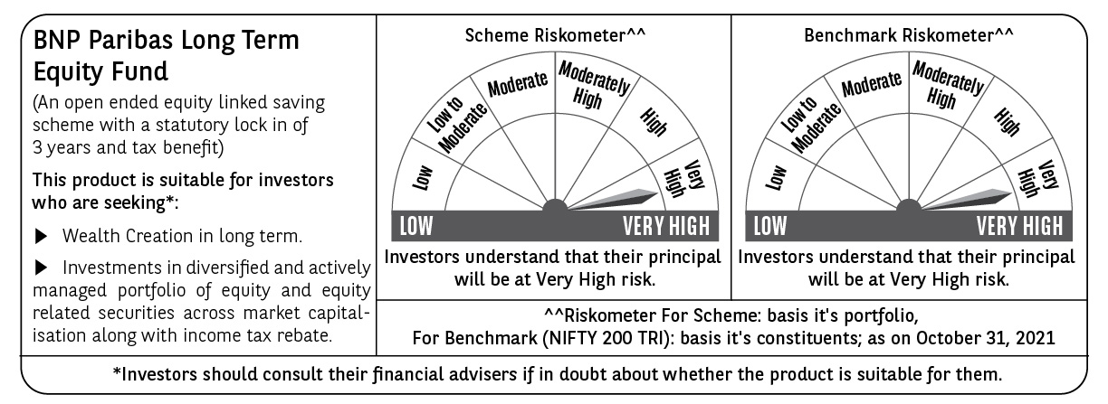
BNP PARIBAS Mutual Fund | T0ME05
SCHEME NAME : | BNP Paribas Long Term Equity Fund
PORTFOLIO STATEMENT AS ON : | 2021-10-31

Name of the Instrument / Issuer | ISIN | Rating / Industry ^ | Quantity | Market value (Rs. in Lakhs) | % to AUM | YTM % | Notes & Symbols

EQUITY & EQUITY RELATED
a) Listed/awaiting listing on Stock Exchanges
ICICI Bank Ltd. | INE090A01021 | Banks | 675,000 | 5,413.84 | 9.72
HDFC Bank Ltd. | INE040A01034 | Banks | 325,000 | 5,144.26 | 9.24
Infosys Ltd. | INE009A01021 | Software | 190,000 | 3,168.73 | 5.69
Axis Bank Ltd. | INE238A01034 | Banks | 350,000 | 2,597.00 | 4.66
Reliance Industries Ltd. | INE002A01018 | Petroleum Products | 75,000 | 1,902.19 | 3.42
Voltas Ltd. | INE226A01021 | Consumer Durables | 145,000 | 1,746.60 | 3.14
Avenue Supermarts Ltd. | INE192R01011 | Retailing | 35,800 | 1,659.49 | 2.98
Housing Development Finance Corporation Ltd. | INE001A01036 | Finance | 50,000 | 1,422.35 | 2.55
Ultratech Cement Ltd. | INE481G01011 | Cement & Cement Products | 17,000 | 1,298.13 | 2.33
Tata Motors Ltd. | INE155A01022 | Auto | 265,000 | 1,281.81 | 2.30
Brigade Enterprises Ltd. | INE791I01019 | Construction | 275,000 | 1,276.41 | 2.29
Kotak Mahindra Bank Ltd. | INE237A01028 | Banks | 61,500 | 1,249.16 | 2.24
Avanti Feeds Ltd. | INE871C01038 | Consumer Non Durables | 215,179 | 1,198.12 | 2.15
Tata Consultancy Services Ltd. | INE467B01029 | Software | 32,500 | 1,104.27 | 1.98
Siemens Ltd. | INE003A01024 | Industrial Capital Goods | 50,000 | 1,093.33 | 1.96
Cipla Ltd. | INE059A01026 | Pharmaceuticals | 110,000 | 995.56 | 1.79
Bharti Airtel Ltd. | INE397D01024 | Telecom - Services | 127,066 | 870.85 | 1.56
Multi Commodity Exchange of India Ltd. | INE745G01035 | Capital Markets | 49,135 | 837.14 | 1.50
Larsen & Toubro Ltd. | INE018A01030 | Construction Project | 47,000 | 830.33 | 1.49
V-Mart Retail Ltd. | INE665J01013 | Retailing | 19,631 | 797.43 | 1.43
Ashok Leyland Ltd. | INE208A01029 | Auto | 550,000 | 783.20 | 1.41
Hindustan Unilever Ltd. | INE030A01027 | Consumer Non Durables | 30,600 | 732.30 | 1.31
Gujarat Gas Ltd. | INE844O01030 | Gas | 116,500 | 724.98 | 1.30
TVS Motor Company Ltd. | INE494B01023 | Auto | 109,100 | 722.84 | 1.30
Inox Leisure Ltd. | INE312H01016 | Entertainment | 172,074 | 721.08 | 1.29
BASF India Ltd. | INE373A01013 | Chemicals | 21,800 | 706.46 | 1.27
Repco Home Finance Ltd. | INE612J01015 | Finance | 243,433 | 650.57 | 1.17
Bajaj Finserv Ltd. | INE918I01018 | Insurance | 3,600 | 641.56 | 1.15
Can Fin Homes Ltd. | INE477A01020 | Finance | 100,000 | 626.85 | 1.13
Asian Paints Ltd. | INE021A01026 | Consumer Non Durables | 20,000 | 620.02 | 1.11
Minda Corporation Ltd. | INE842C01021 | Auto Ancillaries | 396,844 | 617.89 | 1.11
Indian Bank | INE562A01011 | Banks | 350,000 | 602.35 | 1.08
Sun Pharmaceutical Industries Ltd. | INE044A01036 | Pharmaceuticals | 75,000 | 596.25 | 1.07
Steel Authority of India Ltd. | INE114A01011 | Ferrous Metals | 510,000 | 587.01 | 1.05
Crompton Greaves Consumer Electricals Ltd. | INE299U01018 | Consumer Durables | 125,000 | 582.00 | 1.05
Astral Limited | INE006I01046 | Industrial Products | 26,000 | 568.01 | 1.02
Tata Consumer Products Ltd. | INE192A01025 | Consumer Non Durables | 70,000 | 566.65 | 1.02
Orient Electric Ltd. | INE142Z01019 | Consumer Durables | 158,000 | 546.60 | 0.98
UTI Asset Management Co Ltd | INE094J01016 | Capital Markets | 52,000 | 538.46 | 0.97
DCM Shriram Ltd. | INE499A01024 | Consumer Non Durables | 52,850 | 522.00 | 0.94
L&T Technology Services Ltd. | INE010V01017 | Software | 11,000 | 519.75 | 0.93
HCL Technologies Ltd. | INE860A01027 | Software | 45,000 | 514.69 | 0.92
HDFC Life Insurance Company Ltd. | INE795G01014 | Insurance | 72,000 | 489.92 | 0.88
Sundaram Finance Ltd. | INE660A01013 | Finance | 20,000 | 478.01 | 0.86
ICICI Prudential Life Insurance Company Ltd. | INE726G01019 | Insurance | 75,000 | 463.80 | 0.83
Nuvoco Vistas Corporation Ltd. | INE118D01016 | Cement & Cement Products | 87,776 | 463.33 | 0.83
CSB Bank Ltd. | INE679A01013 | Banks | 151,000 | 444.17 | 0.80
PVR Ltd. | INE191H01014 | Entertainment | 20,000 | 335.53 | 0.60
Hindalco Industries Ltd. | INE038A01020 | Non - Ferrous Metals | 60,000 | 275.88 | 0.50
Total |  |  |  | 52,529.16 | 94.30

b) Unlisted |  |  |  | NIL | NIL

c) Foreign Securities and /or overseas ETF |  |  |  | NIL | NIL

DEBT INSTRUMENTS

a) Listed/awaiting listing on the stock exchanges |  |  |  | NIL | NIL

b) Privately Placed/Unlisted |  |  |  | NIL | NIL

c) Securitised Debt Instruments |  |  |  | NIL | NIL

d) Central Government Securities |  |  |  | NIL | NIL

e) State Government Securities |  |  |  | NIL | NIL

MONEY MARKET INSTRUMENTS

a) Commercial Paper |  |  |  | NIL | NIL

b) Certificate of Deposits |  |  |  | NIL | NIL

c) Treasury Bills |  |  |  | NIL | NIL

d) Bills Re- Discounting |  |  |  | NIL | NIL

OTHERS
a) Mutual Fund Units / Exchange Traded Funds |  |  |  | NIL | NIL

b) Gold |  |  |  | NIL | NIL

c) Short Term Deposits |  |  |  | NIL | NIL

d) Term Deposits Placed as Margins |  |  |  | NIL | NIL

e) TREPS / Reverse Repo Investments
TREPS 01-Nov-2021 |  |  |  | 2,615.00 | 4.70 | 3.30
Total |  |  |  | 2,615.00 | 4.70

Other Current Assets / (Liabilities)
Net Receivable / Payable |  |  |  | 547.17 | 1.00
Total |  |  |  | 547.17 | 1.00

GRAND TOTAL (AUM) |  |  |  | 55,691.33 | 100.00

Notes & Symbols :-
# -> Less Than 0.005% ; A** -> Awaiting Listing on Stock Exchanges ; T** -> Thinly Traded Securities ; N** -> Non Traded Securities ; I** -> Illiquid Shares ; R** -> Rights Entitalment ; P** Preference Shares ; W** Warrants ; PP* Partly Paid; S** --> Suspended forTrading
(1) Non Convertible Debentures and Bonds are considered as Traded based on information provided by external agencies.
(2) ^ The Name of the Industry is in accordance with Industry Classification as recommended by AMFI.
(3) All corporate ratings are assigned by rating agencies like CRISIL; CARE; ICRA; IND; BRW.
(4) The provision made for securities classified as below investment grade or default as of October ,31 2021 is Rs Nil and its percentage to Net Asset Value is Nil .
(5) Aggregate value of illiquid shares of the fund amounts to Rs. Nil and their percentage to Net Asset value is Nil.
(6) Plan/option wise per unit Net Asset Value are as follows:
Plan/Option |  | As on September ,30 2021 | As on October ,29 2021
Income Distribution cum capital withdrawal option |  | 20.0090 | 20.4580
Growth Option |  | 59.9630 | 61.3070
Direct Plan - Income Distribution cum capital withdrawal option |  | 24.2510 | 24.8210
Direct Plan - Growth Option |  | 64.5390 | 66.0550

(7) No Dividend declared during the Month ended October ,31 2021
(8) There were no investments made in derivative instruments and no such derivative instrument was squared off/ expired /exercised during the Month ended October ,31 2021. Further there are no investments in derivative instruments as on 31 October 2021.
(9) Total Market value of investments in Foreign Securities/American Depositary Receipts/Global Depositary Receipts as at October ,31 2021 is Rs. Nil .
(10) During the period, the portfolio turnover ratio is 0.03 times.
(11) Details of repo transaction in corporate debt securities for the Month ended October ,31 2021 is Nil.
(12) Investments in debt instruments having structured obligations or credit enhancement features as at October ,31 2021 is Rs. Nil
(13) Investment in Partly paid Debentures during the Month ended October ,31 2021 and as on October ,31 2021 is Nil
(14) During the Month ended October ,31 2021, there have been Nil instances of deviations in valuation of securities for the scheme.
(15) Transactions in Credit Default Swaps during Month ended October ,31 2021 : Rs. Nil
(16) As per SEBI Circular no. SEBI/HO/IMD/DF3/CIR/P/2020/194 dated October 05, 2020, placed below the plan name change w.e.f. 01st April 2021:
New plan name | Earlier plan name
Income Distribution cum capital withdrawal option | Dividend Option
Direct Plan - Income Distribution cum capital withdrawal option | Direct Plan - Dividend Option

