JM Dynamic Bond Fund
JM Financial Mutual Fund
JM Dynamic Bond Fund (An open ended dynamic debt scheme investing across duration. A relatively high interest rate risk and moderate credit risk.)
Monthly Portfolio Statement for the period ended 28.02.2026
ISIN | Name of Instrument | Rating/Industry | Quantity | Market Value (In Rs. lakh) | % To Net Assets | Maturity Date | Put/Call Option | Yield | ^YTC (AT1/Tier 2 bonds)
 | DEBT INSTRUMENTS
 | (a) Listed / awaiting listing on Stock Exchanges
 | Non Convertible Debentures / Bonds
INE115A07RB7 | 7.58% LIC Housing Finance Limited 19-JAN-2035** | CARE AAA | 500,000.00 | 500.98 | 8.66% | 19-JAN-2035 |  | 7.55%
INE020B08CP7 | 7.5% REC Limited 28-FEB-2030** | CRISIL AAA | 450,000.00 | 455.16 | 7.87% | 28-FEB-2030 |  | 7.16%
INE414G07JO1 | 8.52% Muthoot Finance Limited 26-MAY-2028** | CRISIL AA+ | 400,000.00 | 405.19 | 7.01% | 26-MAY-2028 |  | 7.84%
INE261F08EO7 | 7.48% NABARD 15-SEP-2028 | CRISIL AAA | 400,000.00 | 403.54 | 6.98% | 15-SEP-2028 |  | 7.06%
INE296A07SI8 | 7.9% Bajaj Finance Limited 13-APR-2028** | CRISIL AAA | 300,000.00 | 303.16 | 5.24% | 13-APR-2028 |  | 7.33%
INE377Y07573 | 7.08% Bajaj Housing Finance Ltd 12-JUN-2030** | CRISIL AAA | 300,000.00 | 296.25 | 5.12% | 12-JUN-2030 |  | 7.42%
INE733E08288 | 6.89% NTPC Limited 18-JUN-2035** | CARE AAA | 300,000.00 | 292.04 | 5.05% | 18-JUN-2035 |  | 7.29%
INE296A07SC1 | 7.6% Bajaj Finance Limited 25-AUG-2027** | CRISIL AAA | 100,000.00 | 100.36 | 1.74% | 25-AUG-2027 |  | 7.29%
 | Sub Total |  |  | 2,756.67 | 47.67%
 | (b) Privately placed / Unlisted
 | Sub Total |  |  | NIL | NIL
 | (c) Securitized Debt Instruments |  |  | NIL | NIL
 | Sub Total |  |  | NIL | NIL
 | (d) Government Securities / SDL
IN0020250091 | 6.48% GOI 06-Oct-2035 | SOVEREIGN | 900,000.00 | 888.29 | 15.36% | 06-OCT-2035 |  | 6.66%
IN0020250067 | 6.01% GOI 21-Jul-2030 | SOVEREIGN | 400,000.00 | 396.56 | 6.86% | 21-JUL-2030 |  | 6.24%
IN0020250141 | 6.36% GOI 16-Feb-2031 | SOVEREIGN | 300,000.00 | 300.90 | 5.20% | 16-FEB-2031 |  | 6.29%
IN0020250026 | 6.33% GOI 05-May-2035 | SOVEREIGN | 200,000.00 | 195.90 | 3.39% | 05-MAY-2035 |  | 6.63%
IN0020240076 | 7.02% GOI 18-JUN-2031 | SOVEREIGN | 100,000.00 | 102.84 | 1.78% | 18-JUN-2031 |  | 6.38%
IN0020230085 | 7.18% GOI - 14-Aug-2033 | SOVEREIGN | 50,000.00 | 51.60 | 0.89% | 14-AUG-2033 |  | 6.63%
 | Sub Total |  |  | 1,936.08 | 33.48%
 | Total |  |  | 4,692.75 | 81.16%

 | MONEY MARKET INSTRUMENTS
 | Certificate of Deposits
INE562A16OI3 | Indian Bank 12-MAR-2026# | CRISIL A1+ | 400,000.00 | 399.33 | 6.91% | 12-MAR-2026 |  | 5.55%
INE040A16IN2 | HDFC Bank Limited 07-MAY-2026**# | CARE A1+ | 400,000.00 | 394.75 | 6.83% | 07-MAY-2026 |  | 7.25%
 | Sub Total |  |  | 794.08 | 13.73%
 | Total |  |  | 794.08 | 13.73%

 | Alternative Investment Fund Units
INF0RQ622028 | Corporate Debt Market Development Fund - Class A2 Units |  | 146.84 | 17.13 | 0.30% |  |  | 5.45%
 | Total |  |  | 17.13 | 0.30%

 | TREPS / Reverse Repo Investments / Corporate Debt Repo
 | CCIL |  | 1,010.11 | 101.00 | 1.75% | 02-MAR-2026 |  | 4.92%
 | Total |  |  | 101.00 | 1.75%

 | Cash & Cash Equivalents
 | Net Receivable/Payable |  |  | 177.32 | 3.07%
 | Total |  |  | 177.32 | 3.07%
 | Grand Total |  |  | 5,782.29 | 100.00%

** Non Traded Security

Note - Traded Securities (Debt) as on February 27, 2026

Number of Instances of Deviation In valuation Of Securities as per Sebi circular ref no SEBI/HO/IMD/DF4/CIR/P/2019/102 dated September 24, 2019- Nil
^ YTC i.e. Yield to Call is disclosed at security level only for Additional Tier 1 Bonds and Tier 2 Bonds issued by Banks as per AMFI Best Practices Notification 135/BP/91/2020-21 read with SEBI circular SEBI/HO/IMD/DF4/CIR/P/2021/034
Where the scheme has invested in floating rate instruments and / or interest rate derivatives, the following disclaimer may be read in regard to such investment;
"This scheme has exposure to floating rate instruments and / or interest rate derivatives. The duration of these instruments is linked to the interest rate reset period. The interest rate risk in a floating rate instrument or in a fixed rate instrument hedged with derivatives is likely to be lesser than that in an equivalent maturity fixed rate instrument. Under some market circumstances the volatility may be of an order greater than what may ordinarily be expected considering only its duration. Hence investors are recommended to consider the unadjusted portfolio maturity of the scheme as well and exercise adequate due diligence when deciding to make their investments"
This Product is suitable for investors who are seeking*
• Regular Income over Medium Term to Long Term.
• Investment in Debt and Money Market securities across maturities.
*Investors should consult their financial advisers if in doubt about whether the product is suitable for them.

Riskometer of the scheme |  | CRISIL Dynamic Bond A-III Index

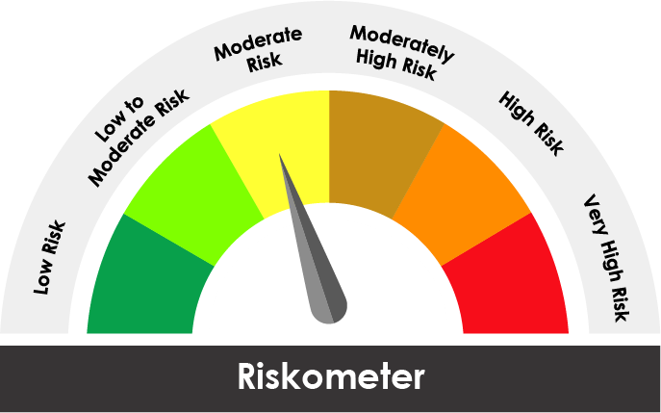

The risk of the scheme is Moderate |  | The risk of the benchmark is Moderate

Potential Risk Class
Credit Risk ® | Relatively Low (Class A) | Moderate (Class B) | Relatively High (Class C)
Interest Rate Risk ¯
Relatively Low (Class I)
Moderate (Class II)
Relatively High Class (Class III) |  | B-III

Portfolio Information
Scheme Name : | JM Dynamic Bond Fund
Description (if any)

Annualised Portfolio YTM* : (Regular & Direct) | 6.91%

Macaulay Duration ( Years ) | 3.88
Average Maturity ( Years ) | 4.89

As on (Date) | 28.02.2026
* in case of semi annual YTM, it will be annualised

Scheme performance
Regular Plan
https://www.jmfinancialmf.com/products/Fixed-Income/JM-Dynamic-Bond-Fund/J72/Regular-Plan-Growth-Option

Direct Plan
https://www.jmfinancialmf.com/products/Fixed-Income/JM-Dynamic-Bond-Fund/J466/Direct-Plan-Growth-Option

