JM Short Duration Fund
JM Financial Mutual Fund
JM Short Duration Fund (An open-ended short duration debt scheme investing in instruments such that the Macaulay duration of the portfolio is between 1 year and 3 years. A moderate interest rate risk and moderate credit risk.)
Monthly Portfolio Statement for the period ended 30.06.2025
ISIN | Name of Instrument | Rating/Industry | Quantity/Face Value | Market Value (In Rs. lakh) | % To Net Assets | Maturity Date | Put/Call Option | Yield | ^YTC (AT1/Tier 2 bonds)
 | DEBT INSTRUMENTS
 | (a) Listed / awaiting listing on Stock Exchanges
 | Non Convertible Debentures / Bonds
INE556F08KO7 | 7.68% SIDBI 09-JUL-2027** | CRISIL AAA | 750,000.00 | 764.27 | 6.38% | 09-JUL-2027 |  | 6.64%
INE941D07208 | 6.75% Sikka Ports & Terminals Limited 22-APR-2026** | CRISIL AAA | 600,000.00 | 600.39 | 5.01% | 22-APR-2026 |  | 6.58%
INE020B08FD6 | 7.58% REC Limited 31-MAY-2029** | ICRA AAA | 500,000.00 | 513.52 | 4.28% | 31-MAY-2029 |  | 6.77%
INE134E08MX3 | 7.6% Power Finance Corporation Limited 13-APR-2029** | CRISIL AAA | 500,000.00 | 513.28 | 4.28% | 13-APR-2029 |  | 6.77%
INE377Y07433 | 7.85% Bajaj Housing Finance Ltd 01-SEP-2028** | CRISIL AAA | 500,000.00 | 510.83 | 4.26% | 01-SEP-2028 |  | 7.05%
INE115A07QC7 | 7.8% LIC Housing Finance Limited 22-DEC-2027** | CRISIL AAA | 500,000.00 | 509.39 | 4.25% | 22-DEC-2027 |  | 6.92%
INE261F08EF5 | 7.8% NABARD 15-MAR-2027 | IND AAA | 500,000.00 | 508.92 | 4.25% | 15-MAR-2027 |  | 6.63%
INE756I07FB6 | 7.9611% HDB Financial Services Limited 05-JAN-2028** | CARE AAA | 500,000.00 | 507.57 | 4.23% | 05-JAN-2028 |  | 7.25%
INE296A07SJ6 | 8% Bajaj Finance Limited 27-FEB-2026** | CRISIL AAA | 500,000.00 | 503.57 | 4.20% | 27-FEB-2026 |  | 6.69%
INE261F08DO9 | 7.4% NABARD 30-JAN-2026 | CRISIL AAA | 500,000.00 | 502.23 | 4.19% | 30-JAN-2026 |  | 6.41%
INE936D07174 | 6.4% Jamnagar Utilities & Power Pvt Ltd 29-SEP-2026** | CRISIL AAA | 500,000.00 | 498.63 | 4.16% | 29-SEP-2026 |  | 6.60%
INE134E08JP5 | 7.85% Power Finance Corporation Limited 03-APR-2028** | ICRA AAA | 350,000.00 | 360.88 | 3.01% | 03-APR-2028 |  | 6.70%
INE556F08KY6 | 7.39% SIDBI 21-MAR-2030** | CARE AAA | 300,000.00 | 306.08 | 2.55% | 21-MAR-2030 |  | 6.86%
INE115A07RH4 | 6.9% LIC Housing Finance Limited 17-SEP-2027** | CARE AAA | 300,000.00 | 299.99 | 2.50% | 17-SEP-2027 |  | 6.92%
INE115A07RD3 | 7.645% LIC Housing Finance Limited 21-FEB-2030** | CRISIL AAA | 250,000.00 | 255.97 | 2.14% | 21-FEB-2030 |  | 7.01%
INE053F07AB5 | 7.27% Indian Railway Finance Corporation Ltd 15-JUN-2027** | CRISIL AAA | 250,000.00 | 253.43 | 2.11% | 15-JUN-2027 |  | 6.50%
INE071G07637 | 8.061% ICICI Home Finance Company Limited 25-MAR-2026** | ICRA AAA | 250,000.00 | 252.19 | 2.10% | 25-MAR-2026 |  | 6.66%
INE020B08AQ9 | 7.7% REC Limited 10-DEC-2027** | CRISIL AAA | 200,000.00 | 204.80 | 1.71% | 10-DEC-2027 |  | 6.60%
INE053F07AC3 | 7.33% Indian Railway Finance Corporation Ltd 27-AUG-2027** | CARE AAA | 200,000.00 | 203.14 | 1.69% | 27-AUG-2027 |  | 6.53%
INE033L07IC6 | 7.8445% Tata Capital Housing Finance Limited 18-SEP-2026** | CRISIL AAA | 100,000.00 | 101.08 | 0.84% | 18-SEP-2026 |  | 6.92%
INE020B08EM0 | 7.64% REC Limited 30-JUN-2026 | ICRA AAA | 100,000.00 | 101.05 | 0.84% | 30-JUN-2026 |  | 6.52%
 | Sub Total |  |  | 8,271.20 | 68.99%
 | (b) Privately placed / Unlisted |  |  | NIL | NIL
 | Sub Total |  |  | NIL | NIL
 | (c) Securitized Debt Instruments |  |  | NIL | NIL
 | Sub Total |  |  | NIL | NIL
 | (d) Government Securities / SDL
IN0020240076 | 7.02% GOI 18-JUN-2031 | SOVEREIGN | 2,100,000.00 | 2,182.20 | 18.20% | 18-JUN-2031 |  | 6.22%
IN0020230135 | 7.32% GOI - 13-Nov-2030 | SOVEREIGN | 550,000.00 | 579.52 | 4.83% | 13-NOV-2030 |  | 6.13%
IN0020230101 | 7.37% GOI - 23-OCT-2028 | SOVEREIGN | 100,000.00 | 104.28 | 0.87% | 23-OCT-2028 |  | 5.92%
IN0020240183 | 6.75% GOI 23-Dec-2029 | SOVEREIGN | 50,000.00 | 51.44 | 0.43% | 23-DEC-2029 |  | 6.01%
 | Sub Total |  |  | 2,917.43 | 24.34%
 | Total |  |  | 11,188.63 | 93.33%

 | MONEY MARKET INSTRUMENTS
 | Certificate of Deposits
INE040A16FR9 | HDFC Bank Limited 04-NOV-2025**# | CRISIL A1+ | 300,000.00 | 293.79 | 2.45% | 04-NOV-2025 |  | 6.13%
 | Sub Total |  |  | 293.79 | 2.45%
 | Total |  |  | 293.79 | 2.45%

 | Alternative Investment Fund Units
INF0RQ622028 | Corporate Debt Market Development Fund - Class A2 Units |  | 325.18 | 36.56 | 0.30% |  |  | 5.51%
 | Total |  |  | 36.56 | 0.30%

 | TREPS / Reverse Repo Investments / Corporate Debt Repo
 | CCIL |  | 2,329.33 | 232.93 | 1.94% | 01-JUL-2025 |  | 5.37%
 | Total |  |  | 232.93 | 1.94%

 | Cash & Cash Equivalents
 | Net Receivable/Payable |  |  | 236.65 | 1.97%
 | Total |  |  | 236.65 | 1.97%
 | Grand Total |  |  | 11,988.56 | 100.00%

** Non Traded Security
# Unlisted Securities

Note - Traded Securities (Debt) as on June 30, 2025.

Number of Instances of Deviation In valuation Of Securities as per Sebi circular ref no SEBI/HO/IMD/DF4/CIR/P/2019/102 dated September 24, 2019- Nil
^ YTC i.e. Yield to Call is disclosed at security level only for Additional Tier 1 Bonds and Tier 2 Bonds issued by Banks as per AMFI Best Practices Notification 135/BP/91/2020-21 read with SEBI circular SEBI/HO/IMD/DF4/CIR/P/2021/034
Where the scheme has invested in floating rate instruments and / or interest rate derivatives, the following disclaimer may be read in regard to such investment;
"This scheme has exposure to floating rate instruments and / or interest rate derivatives. The duration of these instruments is linked to the interest rate reset period. The interest rate risk in a floating rate instrument or in a fixed rate instrument hedged with derivatives is likely to be lesser than that in an equivalent maturity fixed rate instrument. Under some market circumstances the volatility may be of an order greater than what may ordinarily be expected considering only its duration. Hence investors are recommended to consider the unadjusted portfolio maturity of the scheme as well and exercise adequate due diligence when deciding to make their investments"

This Product is suitable for investors who are seeking*
• Regular Income over Short to Medium Term.
• Investment in Debt and Money Market securities such that the Macaulay duration of the portfolio is between 1 year - 3 years.
*Investors should consult their financial advisers if in doubt about whether the product is suitable for them.

Riskometer of the scheme | CRISIL Short Duration Debt A-II Index
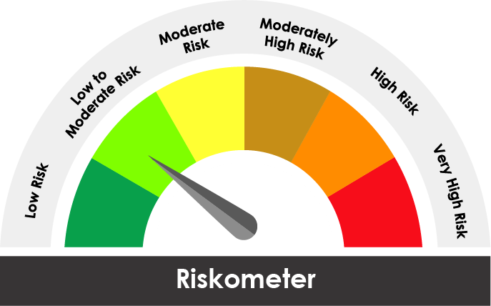
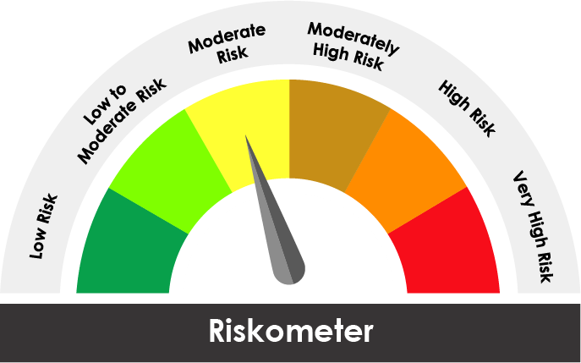

The risk of the scheme is Moderate | The risk of the benchmark is Low to Moderate

Potential Risk Class
Credit Risk ® | Relatively Low (Class A) | Moderate (Class B) | Relatively High (Class C)
Interest Rate Risk ¯
Relatively Low (Class I)
Moderate (Class II) |  | B-II
Relatively High Class (Class III)

Portfolio Information
Scheme Name : | JM Short Duration Fund
Description (if any)

Annualised Portfolio YTM* : (Regular & Direct) | 6.59%

Macaulay Duration ( Years ) | 2.6294
Average Maturity ( Years ) | 2.9970

As on (Date) | 30.06.2025
* in case of semi annual YTM, it will be annualised

