JM Short Duration Fund
JM Financial Mutual Fund
JM Short Duration Fund (An open-ended short duration debt scheme investing in instruments such that the Macaulay duration of the portfolio is between 1 year and 3 years. A moderate interest rate risk and moderate credit risk.)
Monthly Portfolio Statement for the period ended 31.12.2024
Name of the Instruments | Industry/Rating | Quantity | Market Value (Rs. In Lakhs) | % age to NAV | ISIN | Yield % | ^YTC (AT1/Tier 2 bonds)
DEBT INSTRUMENTS
a) Listed/Awaiting Listing On Stock Exchange
HDFC Bank Ltd. | CARE AAA | 900 | 898.96 | 7.52 | INE040A08922 | 7.7350
LIC Housing Finance Ltd.** | CARE AAA | 80 | 800.97 | 6.70 | INE115A07QC7 | 7.7500
SIDBI Ltd** | CARE AAA | 750 | 752.70 | 6.30 | INE556F08KO7 | 7.5300
Sikka Ports & Terminals Ltd.** | CARE AAA | 60 | 592.53 | 4.96 | INE941D07208 | 7.7450
Power Finance Corporation Ltd.** | CARE AAA | 500 | 502.79 | 4.21 | INE134E08MX3 | 7.4400
NABARD** | CRISIL AAA | 500 | 502.32 | 4.20 | INE261F08EF5 | 7.5400
Bajaj Housing Finance Ltd.** | CRISIL AAA | 50 | 502.31 | 4.20 | INE377Y07433 | 7.6800
REC Ltd.** | CARE AAA | 500 | 502.13 | 4.20 | INE020B08FD6 | 7.4450
ICICI Home Finance Ltd.** | CARE AAA | 500 | 501.01 | 4.19 | INE071G07637 | 7.8350
Bajaj Finance Ltd.** | CARE AAA | 50 | 500.25 | 4.19 | INE296A07SJ6 | 7.9150
NABARD | CRISIL AAA | 50 | 498.45 | 4.17 | INE261F08DO9 | 7.6900
Jamnagar Utilities & Power Ltd.** | CARE AAA | 50 | 489.46 | 4.10 | INE936D07174 | 7.7100
Power Finance Corporation Ltd.** | CARE AAA | 35 | 355.52 | 2.98 | INE134E08JP5 | 7.4200
Indian Railway Finance Corporation Ltd** | CARE AAA | 25 | 249.26 | 2.09 | INE053F07AB5 | 7.3950
Indian Railway Finance Corporation Ltd** | CARE AAA | 20 | 199.69 | 1.67 | INE053F07AC3 | 7.3950
Sub Total: |  |  | 7,848.35 | 65.68

b) Privately Placed / Unlisted

Total: |  |  | 7,848.35 | 65.68 | -

TERM DEPOSITS

Deposits (Maturity not exceeding 91 days) |  |  | NIL | NIL

Deposits (Placed as F & O margin) |  |  | NIL | NIL

GOVERNMENT SECURITIES
7.04% Government of India Securities 2029 03/06/2029 | Sovereign | 1,500,000 | 1,517.76 | 12.70 | IN0020240050 | 6.7241
7.32% Government of India Securities 2030 13/11/2030 | Sovereign | 800,000 | 820.76 | 6.87 | IN0020230135 | 6.7742
7.17% Government of India Securities 2030 17/04/2030 | Sovereign | 700,000 | 712.11 | 5.96 | IN0020230036 | 6.7766
7.37% Government of India Securities 2028 23/10/2028 | Sovereign | 350,000 | 357.44 | 2.99 | IN0020230101 | 6.7238
Sub Total: |  |  | 3,408.07 | 28.52

MONEY MARKET INSTRUMENTS
TREPS-Triparty Repo |  | - | 277.92 | 2.33 |  | 6.1880
Sub Total: |  |  | 277.92 | 2.33
Others (AIF Investment)
Corporate Debt Market Development Fund - Class A2 Units |  | 325 | 35.27 | 0.30 | INF0RQ622028 | 6.7000
Sub Total: |  |  | 35.27 | 0.30

Total: |  |  | 11,569.61 | 96.83 | #REF!

Net Current Assets |  |  | 380.38 | 3.17

Net Assets |  |  | 11,949.99 | 100.00

** Non Traded.

Number of Instances of Deviation In valuation Of Securities as per Sebi circular ref no SEBI/HO/IMD/DF4/CIR/P/2019/102 dated September 24, 2019- Nil
^ YTC i.e. Yield to Call is disclosed at security level only for Additional Tier 1 Bonds and Tier 2 Bonds issued by Banks as per AMFI Best Practices Notification 135/BP/91/2020-21 read with SEBI circular SEBI/HO/IMD/DF4/CIR/P/2021/034
Where the scheme has invested in floating rate instruments and / or interest rate derivatives, the following disclaimer may be read in regard to such investment;
"This scheme has exposure to floating rate instruments and / or interest rate derivatives. The duration of these instruments is linked to the interest rate reset period. The interest rate risk in a floating rate instrument or in a fixed rate instrument hedged with derivatives is likely to be lesser than that in an equivalent maturity fixed rate instrument. Under some market circumstances the volatility may be of an order greater than what may ordinarily be expected considering only its duration. Hence investors are recommended to consider the unadjusted portfolio maturity of the scheme as well and exercise adequate due diligence when deciding to make their investments"

This Product is suitable for investors who are seeking*
• Regular Income over Short to Medium Term.
• Investment in Debt and Money Market securities such that the Macaulay duration of the portfolio is between 1 year - 3 years.
*Investors should consult their financial advisers if in doubt about whether the product is suitable for them.

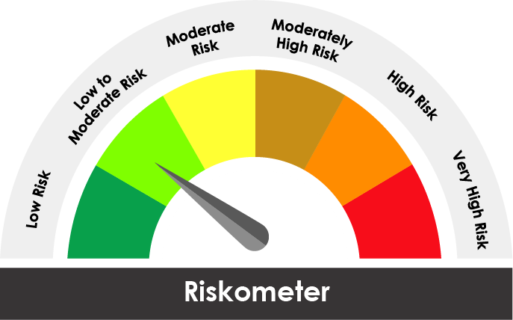
Riskometer of the scheme | CRISIL Short Duration Debt A-II Index
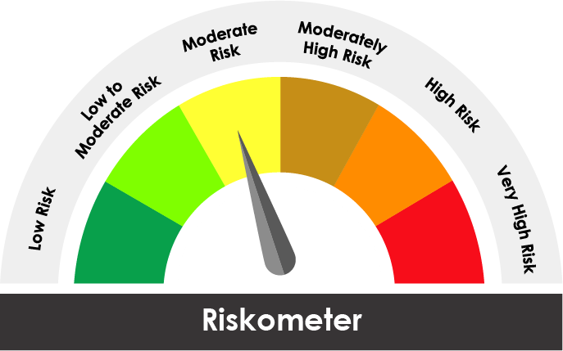

The risk of the scheme is Moderate | The risk of the benchmark is Low to Moderate

Potential Risk Class
Credit Risk ® | Relatively Low (Class A) | Moderate (Class B) | Relatively High (Class C)
Interest Rate Risk ¯
Relatively Low (Class I)
Moderate (Class II) |  | B-II
Relatively High Class (Class III)

Portfolio Information
Scheme Name : | JM Short Duration Fund
Description (if any)

Annualised Portfolio YTM* : (Regular & Direct) | 7.38%

Macaulay Duration ( Years ) | 2.5895
Residual Maturity ( Years ) | 2.9563

As on (Date) | 2024-12-31
* in case of semi annual YTM, it will be annualised

