JM Low Duration Fund
JM Financial Mutual Fund
JM Low Duration Fund (An open ended low duration debt scheme investing in instruments such that the Macaulay duration of the portfolio is between 6 to 12 months. A relatively low interest rate risk and moderate credit risk.)
Monthly Portfolio Statement for the period ended 31.12.2024
Name of the Instruments | Industry/Rating | Quantity | Market Value (Rs. In Lakhs) | % age to NAV | ISIN | Yield % | ^YTC (AT1/Tier 2 bonds)
DEBT INSTRUMENTS
a) Listed/Awaiting Listing On Stock Exchange
NABARD** | CRISIL AAA | 200 | 1,990.87 | 8.66 | INE261F08DR2 | 7.7000
Larsen & Toubro Ltd.** | CRISIL AAA | 150 | 1,498.85 | 6.52 | INE018A08BA7 | 7.5501
Power Finance Corporation Ltd.** | CARE AAA | 150 | 1,493.76 | 6.50 | INE134E08LO4 | 7.6400
Shriram Finance Ltd. | CARE AA+ | 1,000 | 1,004.56 | 4.37 | INE721A07RU2 | 8.7083
360 ONE Prime Ltd.** | CARE AA | 100,000 | 1,001.27 | 4.35 | INE248U07EQ0 | 9.2579
SIDBI Ltd** | CARE AAA | 100 | 999.55 | 4.35 | INE556F08KD0 | 7.7576
LIC Housing Finance Ltd.** | CARE AAA | 100 | 996.63 | 4.33 | INE115A07PQ9 | 7.4200
Godrej Industries Ltd.** | CRISIL AA+ | 100 | 995.76 | 4.33 | INE233A08097 | 8.0031
Export-Import Bank of India** | CRISIL AAA | 80 | 801.52 | 3.49 | INE514E08CH0 | 7.3551
Sikka Ports & Terminals Ltd.** | CARE AAA | 70 | 691.29 | 3.01 | INE941D07208 | 7.7450
SIDBI Ltd** | CARE AAA | 500 | 501.80 | 2.18 | INE556F08KO7 | 7.5300
REC Ltd.** | CARE AAA | 500 | 499.74 | 2.17 | INE020B08FC8 | 7.6300
LIC Housing Finance Ltd.** | CARE AAA | 50 | 499.63 | 2.17 | INE115A07OS8 | 7.4949
TMF Holdings Ltd.** | CARE AA+ | 50 | 499.44 | 2.17 | INE909H08444 | 7.9338
Cholamandalam Investment & Finance Company Ltd.** | CARE AA+ | 50 | 498.89 | 2.17 | INE121A07QJ0 | 7.8226
NTPC Ltd.** | CARE AAA | 50 | 492.19 | 2.14 | INE733E08163 | 7.4650
Jamnagar Utilities & Power Ltd.** | CARE AAA | 50 | 489.46 | 2.13 | INE936D07174 | 7.7100
Bajaj Housing Finance Ltd. | CRISIL AAA | 40 | 400.58 | 1.74 | INE377Y07375 | 7.7500
Indian Railway Finance Corporation Ltd** | CARE AAA | 30 | 299.54 | 1.30 | INE053F07AC3 | 7.3950
Indian Railway Finance Corporation Ltd** | CARE AAA | 25 | 249.26 | 1.08 | INE053F07AB5 | 7.3950
Sub Total: |  |  | 15,904.59 | 69.16

b) Privately Placed / Unlisted |  |  | NIL | NIL

Total: |  |  | 15,904.59 | 69.16 | -

TERM DEPOSITS

Deposits (Maturity not exceeding 91 days) |  |  | NIL | NIL

Deposits (Placed as F & O margin) |  |  | NIL | NIL

GOVERNMENT SECURITIES
7.37% Government of India Securities 2028 23/10/2028 | Sovereign | 1,100,000 | 1,123.40 | 4.89 | IN0020230101 | 6.7238
7.04% Government of India Securities 2029 03/06/2029 | Sovereign | 500,000 | 505.92 | 2.20 | IN0020240050 | 6.7241
5.63% Government of India Securities 2026 12/04/2026 | Sovereign | 500,000 | 493.65 | 2.15 | IN0020210012 | 6.6718
Sub Total: |  |  | 2,122.97 | 9.24

MONEY MARKET INSTRUMENTS
Certificate of Deposit (CD) / Commercial Paper (CP)
Punjab National Bank CD** | CARE A1+ | 400 | 1,868.58 | 8.13 | INE160A16QM3 | 7.5950
Piramal Capital & Housing Finance Ltd.CP** | CARE A1+ | 200 | 988.57 | 4.30 | INE516Y14HC1 | 8.2752
Bajaj Housing Finance Ltd.CP** | CRISIL A1+ | 100 | 499.09 | 2.17 | INE377Y14AR1 | 7.3803
Bank of Baroda CD | IND A1+ | 100 | 493.34 | 2.15 | INE028A16FL7 | 7.2501
Sub Total: |  |  | 3,849.58 | 16.75
TREPS-Triparty Repo |  | - | 434.23 | 1.89 |  | 6.1880
Sub Total: |  |  | 434.23 | 1.89
Others (AIF Investment)
Corporate Debt Market Development Fund - Class A2 Units |  | 595 | 64.50 | 0.28 | INF0RQ622028 | 6.7000
Sub Total: |  |  | 64.50 | 0.28

Total: |  |  | 22,375.87 | 97.32

Net Current Assets |  |  | 617.21 | 2.68

Net Assets |  |  | 22,993.08 | 100.00

** Non Traded.

Number of Instances of Deviation In valuation Of Securities as per Sebi circular ref no SEBI/HO/IMD/DF4/CIR/P/2019/102 dated September 24, 2019- Nil
^ YTC i.e. Yield to Call is disclosed at security level only for Additional Tier 1 Bonds and Tier 2 Bonds issued by Banks as per AMFI Best Practices Notification 135/BP/91/2020-21 read with SEBI circular SEBI/HO/IMD/DF4/CIR/P/2021/034
Where the scheme has invested in floating rate instruments and / or interest rate derivatives, the following disclaimer may be read in regard to such investment;
"This scheme has exposure to floating rate instruments and / or interest rate derivatives. The duration of these instruments is linked to the interest rate reset period. The interest rate risk in a floating rate instrument or in a fixed rate instrument hedged with derivatives is likely to be lesser than that in an equivalent maturity fixed rate instrument. Under some market circumstances the volatility may be of an order greater than what may ordinarily be expected considering only its duration. Hence investors are recommended to consider the unadjusted portfolio maturity of the scheme as well and exercise adequate due diligence when deciding to make their investments"

This Product is suitable for investors who are seeking*
• Regular Income over Short Term.
• Investment in Debt and Money Market securities such that the Macaulay duration of the portfolio is between 6 months - 12 months.
*Investors should consult their financial advisers if in doubt about whether the product is suitable for them.

Riskometer of the scheme | CRISIL Low Duration Debt A-I Index
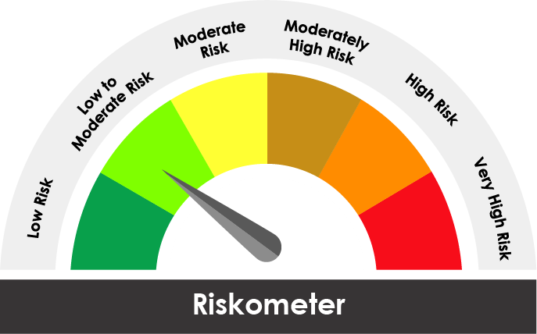

The risk of the scheme is Low to Moderate | The risk of the benchmark is Low to Moderate

Potential Risk Class
Credit Risk ® | Relatively Low (Class A) | Moderate (Class B) | Relatively High (Class C)
Interest Rate Risk ¯
Relatively Low (Class I) |  | B-I
Moderate (Class II)
Relatively High Class (Class III)

Portfolio Information
Scheme Name : | JM Low Duration Fund
Description (if any)

Annualised Portfolio YTM* : (Regular & Direct) | 7.67%

Macaulay Duration ( Years ) | 0.9195
Residual Maturity ( Years ) | 0.9819

As on (Date) | 31.12.2024
* in case of semi annual YTM, it will be annualised

