SD
JM Short Duration Fund (An open-ended short duration debt scheme investing in instruments such that the Macaulay duration of the portfolio is between 1 year and 3 years. A moderate interest rate risk and moderate credit risk.)
Portfolio as on 30.04.2023
Name of the Instruments | Industry / Rating | Quantity | Market Value (Rs. In Lakhs) | % age to NAV | ISIN | Yield % | ^YTC (AT1/Tier 2 bonds)
DEBT INSTRUMENTS
a) Listed/Awaiting Listing On Stock Exchange
Export-Import Bank of India** | CRISIL AAA | 100 | 1,013.66 | 9.04 | INE514E08EK0 | 7.2250
Indian Railway Finance Corporation Ltd.** | CRISIL AAA | 100 | 1,007.43 | 8.99 | INE053F07BB3 | 7.2855
Housing Development Finance Company Ltd. | CRISIL AAA | 100 | 1,005.90 | 8.97 | INE001A07RJ2 | 7.6388
National Housing Bank Ltd.** | CRISIL AAA | 100 | 995.41 | 8.88 | INE557F08FG1 | 7.3200
SIDBI Ltd** | CARE AAA | 500 | 501.31 | 4.47 | INE556F08KG3 | 7.4650
LIC Housing Finance Ltd.** | CARE AAA | 50 | 500.61 | 4.47 | INE115A07QC7 | 7.7500
NABARD** | CRISIL AAA | 50 | 499.27 | 4.45 | INE261F08DO9 | 7.4400
Sub Total: |  |  | 5,523.59 | 49.28

b) Privately Placed / Unlisted |  |  | NIL | NIL

Total: |  |  | 5,523.59 | 49.28 | -

TERM DEPOSITS

Deposits (Maturity not exceeding 91 days) |  |  | NIL | NIL

Deposits (Placed as F & O margin) |  |  | NIL | NIL
 |  |  | - | -

GOVERNMENT SECURITIES
7.10% Government of India Securities 2029 18/04/2029 | Sovereign | 1,750,000 | 1,753.23 | 15.64 | IN0020220011 | 7.0607
5.63% Government of India Securities 2026 12/04/2026 | Sovereign | 1,300,000 | 1,254.46 | 11.19 | IN0020210012 | 6.9635
7.38% Government of India Securities 2027 20/06/2027 | Sovereign | 700,000 | 709.51 | 6.33 | IN0020220037 | 6.9926
7.06% Government of India Securities 2028 10/04/2028 | Sovereign | 250,000 | 250.55 | 2.24 | IN0020230010 | 7.0046
5.74% Government of India Securities 2026 15/11/2026 | Sovereign | 250,000 | 240.47 | 2.15 | IN0020210186 | 6.9725
Sub Total: |  |  | 4,208.23 | 37.55

MONEY MARKET INSTRUMENTS
Certificate of Deposit (CD) / Commercial Paper (CP)
Bank of Baroda CD** | IND A1+ | 220 | 1,055.32 | 9.42 | INE028A16CZ4 | 7.2550
Sub Total: |  |  | 1,055.32 | 9.42

TREPS-Triparty Repo |  |  | 228.67 | 2.04 |  | 6.7816
Sub Total: |  |  | 228.67 | 2.04

Total: |  |  | 11,015.80 | 98.28

Net Current Assets |  |  | 192.30 | 1.72

Net Assets |  |  | 11,208.10 | 100.00

** Non Traded.

Number of Instances of Deviation In valuation Of Securities as per Sebi circular ref no SEBI/HO/IMD/DF4/CIR/P/2019/102 dated September 24, 2019- Nil
^ YTC i.e. Yield to Call is disclosed at security level only for Additional Tier 1 Bonds and Tier 2 Bonds issued by Banks as per AMFI Best Practices Notification 135/BP/91/2020-21 read with SEBI circular SEBI/HO/IMD/DF4/CIR/P/2021/034
Where the scheme has invested in floating rate instruments and / or interest rate derivatives, the following disclaimer may be read in regard to such investment;
"This scheme has exposure to floating rate instruments and / or interest rate derivatives. The duration of these instruments is linked to the interest rate reset period. The interest rate risk in a floating rate instrument or in a fixed rate instrument hedged with derivatives is likely to be lesser than that in an equivalent maturity fixed rate instrument. Under some market circumstances the volatility may be of an order greater than what may ordinarily be expected considering only its duration. Hence investors are recommended to consider the unadjusted portfolio maturity of the scheme as well and exercise adequate due diligence when deciding to make their investments"

This Product is suitable for investors who are seeking*
• Regular Income over Short to Medium Term.
• Investment in Debt and Money Market securities such that the Macaulay duration of the portfolio is between 1 year - 3 years.
*Investors should consult their financial advisers if in doubt about whether the product is suitable for them.

Riskometer of the scheme | CRISIL Short Duration Debt B-II Index #
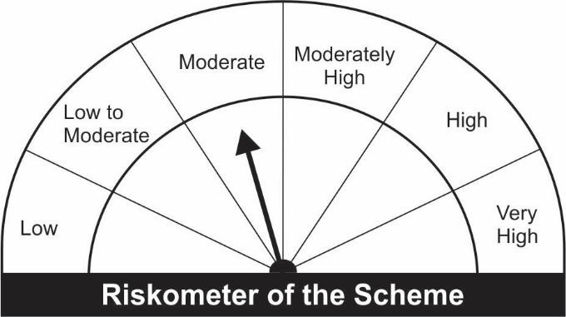


Potential Risk Class
Credit Risk ® | Relatively Low (Class A) | Moderate (Class B) | Relatively High (Class C)
Interest Rate Risk ¯
Relatively Low (Class I)
Moderate (Class II) |  | B-II
Relatively High Class (Class III)

Portfolio Information
Scheme Name : | JM Short Duration Fund
Description (if any)

Annualised Portfolio YTM* : | 7.28%

Macaulay Duration | 2.3764
Residual Maturity | 2.6903

As on (Date) | 30.04.2023
* in case of semi annual YTM, it will be annualised

#The Benchmark of the scheme has been revised to CRISIL Short Duration Debt B-II Index w.e.f April 03, 2023

