MS
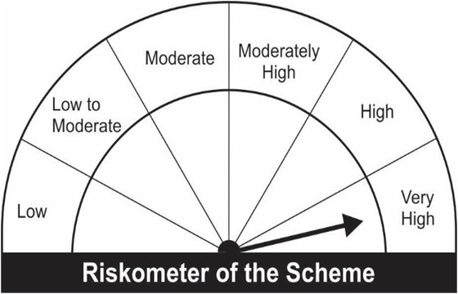
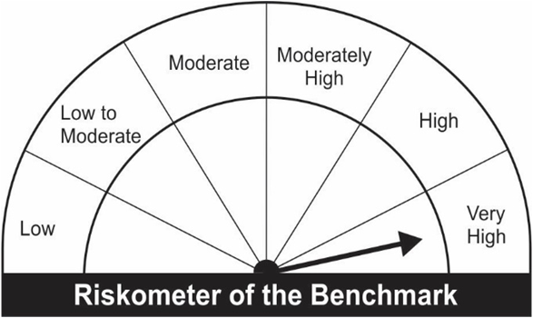
JM Flexicap Fund (An open ended dynamic equity scheme investing across large cap, mid cap, small cap stocks).
Portfolio as on 30.04.2023
Name of the Instruments | Industry / Rating | Quantity | Market Value (Rs. In Lakhs) | % age to NAV | ISIN | Yield % | ^YTC (AT1/Tier 2 bonds)
EQUITY & EQUITY RELATED
a) Listed/Awaiting Listing On Stock Exchange
Larsen & Toubro Ltd. | Construction | 69,731 | 1,648.72 | 5.79 | INE018A01030
Ultratech Cement Ltd. | Cement & Cement Products | 16,950 | 1,280.78 | 4.50 | INE481G01011
HDFC Bank Ltd. | Banks | 73,100 | 1,233.64 | 4.33 | INE040A01034
ICICI Bank Ltd. | Banks | 123,200 | 1,130.54 | 3.97 | INE090A01021
Reliance Industries Ltd. | Petroleum Products | 45,666 | 1,105.35 | 3.88 | INE002A01018
Bank of Baroda | Banks | 538,000 | 1,010.10 | 3.55 | INE028A01039
Infosys Ltd. | IT - Software | 67,400 | 844.35 | 2.97 | INE009A01021
Can Fin Homes Ltd. | Finance | 136,500 | 841.80 | 2.96 | INE477A01020
REC Ltd. | Finance | 636,000 | 840.47 | 2.95 | INE020B01018
Jubilant Foodworks Ltd. | Leisure Services | 178,000 | 794.68 | 2.79 | INE797F01020
Maruti Suzuki India Ltd. | Automobiles | 8,575 | 736.55 | 2.59 | INE585B01010
Schaeffler India Ltd. | Auto Components | 26,300 | 729.73 | 2.56 | INE513A01022
Tata Consultancy Services Ltd. | IT - Software | 20,935 | 673.95 | 2.37 | INE467B01029
SKF India Ltd. | Industrial Products | 16,125 | 672.15 | 2.36 | INE640A01023
State Bank of India | Banks | 115,700 | 669.09 | 2.35 | INE062A01020
Hindalco Industries Ltd. | Non - Ferrous Metals | 145,500 | 634.53 | 2.23 | INE038A01020
The Indian Hotels Company Ltd. | Leisure Services | 180,536 | 612.20 | 2.15 | INE053A01029
Fortis Healthcare Ltd. | Healthcare Services | 226,501 | 590.71 | 2.07 | INE061F01013
Cummins India Ltd. | Industrial Products | 37,188 | 585.95 | 2.06 | INE298A01020
Trent Ltd. | Retailing | 42,700 | 584.03 | 2.05 | INE849A01020
Kirloskar Oil Engines Ltd. | Industrial Products | 141,652 | 557.90 | 1.96 | INE146L01010
Dixon Technologies (India) Ltd. | Consumer Durables | 19,102 | 556.88 | 1.96 | INE935N01020
The Phoenix Mills Ltd. | Realty | 38,502 | 556.62 | 1.96 | INE211B01039
Balrampur Chini Mills Ltd. | Agricultural Food & other Products | 128,467 | 533.78 | 1.87 | INE119A01028
Equitas Small Finance Bank Ltd. | Banks | 744,000 | 512.99 | 1.80 | INE063P01018
Hindustan Aeronautics Ltd. | Aerospace & Defense | 17,450 | 509.57 | 1.79 | INE066F01012
K.P.R. Mill Ltd. | Textiles & Apparels | 83,754 | 503.32 | 1.77 | INE930H01031
Blue Star Ltd. | Consumer Durables | 33,254 | 492.23 | 1.73 | INE472A01039
Vardhman Textiles Ltd. | Textiles & Apparels | 152,560 | 484.68 | 1.70 | INE825A01020
Mahindra & Mahindra Ltd. | Automobiles | 39,350 | 482.79 | 1.70 | INE101A01026
Poonawalla Fincorp Ltd. | Finance | 146,000 | 471.80 | 1.66 | INE511C01022
Mahindra & Mahindra Financial Services Ltd. | Finance | 179,650 | 465.29 | 1.63 | INE774D01024
Sanofi India Ltd. | Pharmaceuticals & Biotechnology | 8,050 | 448.39 | 1.58 | INE058A01010
Sun Pharmaceutical Industries Ltd. | Pharmaceuticals & Biotechnology | 44,850 | 442.96 | 1.56 | INE044A01036
Bharat Heavy Electricals Ltd. | Electrical Equipment | 560,000 | 439.04 | 1.54 | INE257A01026
Bharat Electronics Ltd. | Aerospace & Defense | 413,000 | 426.63 | 1.50 | INE263A01024
Birlasoft Ltd. | IT - Software | 152,121 | 415.21 | 1.46 | INE836A01035
Indian Oil Corporation Ltd. | Petroleum Products | 482,000 | 392.35 | 1.38 | INE242A01010
Axis Bank Ltd. | Banks | 41,300 | 355.18 | 1.25 | INE238A01034
Kotak Mahindra Bank Ltd. | Banks | 16,700 | 323.65 | 1.14 | INE237A01028
One 97 Communications Ltd. | Financial Technology (Fintech) | 47,150 | 308.17 | 1.08 | INE982J01020
Bharat Forge Ltd. | Industrial Products | 36,500 | 292.49 | 1.03 | INE465A01025
Tech Mahindra Ltd. | IT - Software | 17,000 | 174.03 | 0.61 | INE669C01036
Crompton Greaves Consumer Electricals Ltd. | Consumer Durables | 52,000 | 132.55 | 0.47 | INE299U01018
Sub Total: |  |  | 27,497.84 | 96.59

b) Unlisted |  |  | NIL | NIL

Total: |  |  | 27,497.84 | 96.59

DEBT INSTRUMENTS
a) Listed/Awaiting Listing On Stock Exchange |  |  | NIL | NIL

b) Privately Placed / Unlisted |  |  | NIL | NIL

TERM DEPOSITS

Deposits (Maturity not exceeding 91 days) |  |  | NIL | NIL

Deposits (Placed as F & O margin) |  |  | NIL | NIL

MONEY MARKET INSTRUMENTS
TREPS-Triparty Repo |  |  | 32.77 | 0.12 |  | 6.7816
Sub Total: |  |  | 32.77 | 0.12

Total: |  |  | 27,530.60 | 96.70 | -

Net Current Assets |  |  | 938.65 | 3.30

Net Assets |  |  | 28,469.26 | 100.00

Number of Instances of Deviation In valuation Of Securities as per Sebi circular ref no SEBI/HO/IMD/DF4/CIR/P/2019/102 dated September 24, 2019- Nil
^ YTC i.e. Yield to Call is disclosed at security level only for Additional Tier 1 Bonds and Tier 2 Bonds issued by Banks as per AMFI Best Practices Notification 135/BP/91/2020-21 read with SEBI circular SEBI/HO/IMD/DF4/CIR/P/2021/034
Where the scheme has invested in floating rate instruments and / or interest rate derivatives, the following disclaimer may be read in regard to such investment;
"This scheme has exposure to floating rate instruments and / or interest rate derivatives. The duration of these instruments is linked to the interest rate reset period. The interest rate risk in a floating rate instrument or in a fixed rate instrument hedged with derivatives is likely to be lesser than that in an equivalent maturity fixed rate instrument. Under some market circumstances the volatility may be of an order greater than what may ordinarily be expected considering only its duration. Hence investors are recommended to consider the unadjusted portfolio maturity of the scheme as well and exercise adequate due diligence when deciding to make their investments"

This Product is suitable for investors who are seeking*
• Capital appreciation over Long Term.
• Investment predominantly in Equity & Equity related securities investing across market capitalization.
*Investors should consult their financial advisers if in doubt about whether the product is suitable for them.

Riskometer of the scheme | Benchmark of the scheme - S&P BSE 500 TRI

