TG
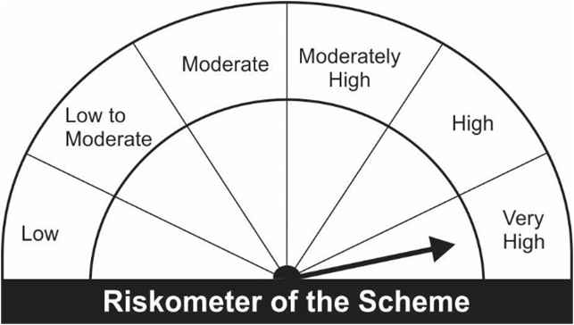
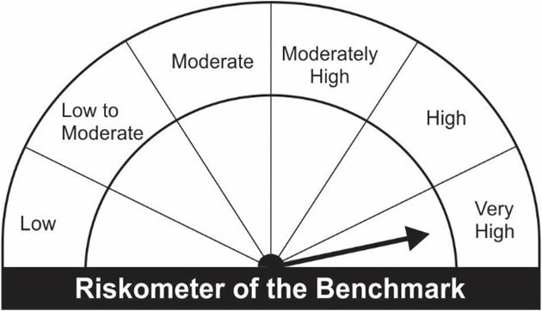
JM Tax Gain Fund (An open ended equity linked saving scheme with a statutory lock in of 3 years and tax benefit).
Portfolio as on 28.02.2023
Name of the Instruments | Industry/Rating | Quantity | Market Value (Rs. In Lakhs) | % age to NAV | ISIN | Yield % | ^YTC (AT1/Tier 2 bonds)
EQUITY & EQUITY RELATED
a) Listed/Awaiting Listing On Stock Exchange
Infosys Ltd. | IT - Software | 33,815 | 503.02 | 7.11 | INE009A01021
HDFC Bank Ltd. | Banks | 25,631 | 409.99 | 5.79 | INE040A01034
Ultratech Cement Ltd. | Cement & Cement Products | 4,550 | 330.39 | 4.67 | INE481G01011
ICICI Bank Ltd. | Banks | 33,625 | 287.44 | 4.06 | INE090A01021
Larsen & Toubro Ltd. | Construction | 13,200 | 278.41 | 3.93 | INE018A01030
Gujarat Gas Ltd. | Gas | 46,900 | 236.80 | 3.35 | INE844O01030
Axis Bank Ltd. | Banks | 26,150 | 220.73 | 3.12 | INE238A01034
Maruti Suzuki India Ltd. | Automobiles | 2,424 | 209.05 | 2.95 | INE585B01010
Reliance Industries Ltd. | Petroleum Products | 8,450 | 196.26 | 2.77 | INE002A01018
Fortis Healthcare Ltd. | Healthcare Services | 71,250 | 190.42 | 2.69 | INE061F01013
Kalpataru Power Transmission Ltd. | Construction | 35,000 | 185.50 | 2.62 | INE220B01022
Mahindra & Mahindra Ltd. | Automobiles | 14,150 | 179.65 | 2.54 | INE101A01026
SKF India Ltd. | Industrial Products | 3,908 | 174.25 | 2.46 | INE640A01023
Jubilant Foodworks Ltd. | Leisure Services | 39,500 | 174.14 | 2.46 | INE797F01020
Godrej Consumer Products Ltd. | Personal Products | 18,700 | 172.66 | 2.44 | INE102D01028
The Indian Hotels Company Ltd. | Leisure Services | 55,500 | 172.47 | 2.44 | INE053A01029
Mahindra & Mahindra Financial Services Ltd. | Finance | 66,650 | 167.82 | 2.37 | INE774D01024
Blue Star Ltd. | Consumer Durables | 11,200 | 160.87 | 2.27 | INE472A01039
Power Finance Corporation Ltd. | Finance | 110,000 | 159.94 | 2.26 | INE134E01011
Cummins India Ltd. | Industrial Products | 10,000 | 157.01 | 2.22 | INE298A01020
Hindustan Aeronautics Ltd. | Aerospace & Defense | 6,050 | 155.75 | 2.20 | INE066F01012
Bank of Baroda | Banks | 97,500 | 155.03 | 2.19 | INE028A01039
JK Cement Ltd. | Cement & Cement Products | 5,578 | 154.21 | 2.18 | INE823G01014
Tech Mahindra Ltd. | IT - Software | 14,000 | 154.04 | 2.18 | INE669C01036
State Bank of India | Banks | 27,150 | 141.94 | 2.01 | INE062A01020
Indian Oil Corporation Ltd. | Petroleum Products | 181,000 | 137.65 | 1.95 | INE242A01010
Varun Beverages Ltd. | Beverages | 10,300 | 133.98 | 1.89 | INE200M01013
Equitas Small Finance Bank Ltd. | Banks | 184,000 | 131.56 | 1.86 | INE063P01018
L&T Technology Services Ltd. | IT - Services | 3,500 | 128.97 | 1.82 | INE010V01017
Trent Ltd. | Retailing | 9,846 | 125.85 | 1.78 | INE849A01020
Vardhman Textiles Ltd. | Textiles & Apparels | 40,747 | 125.48 | 1.77 | INE825A01020
One 97 Communications Ltd. | Financial Technology (Fintech) | 20,500 | 122.44 | 1.73 | INE982J01020
Can Fin Homes Ltd. | Finance | 19,300 | 111.01 | 1.57 | INE477A01020
Hindustan Unilever Ltd. | Diversified FMCG | 4,500 | 110.73 | 1.56 | INE030A01027
Dixon Technologies (India) Ltd. | Consumer Durables | 3,403 | 98.37 | 1.39 | INE935N01020
Tata Steel Ltd. | Ferrous Metals | 91,000 | 94.59 | 1.34 | INE081A01020
Hindalco Industries Ltd. | Non - Ferrous Metals | 23,000 | 91.82 | 1.30 | INE038A01020
United Spirits Ltd. | Beverages | 12,250 | 90.72 | 1.28 | INE854D01024
Dr. Reddy's Laboratories Ltd. | Pharmaceuticals & Biotechnology | 2,100 | 90.65 | 1.28 | INE089A01023
The Phoenix Mills Ltd. | Realty | 5,550 | 76.76 | 1.08 | INE211B01039
Sub Total: |  |  | 6,998.33 | 98.90

b) Unlisted |  |  | NIL | NIL

Total: |  |  | 6,998.33 | 98.90

DEBT INSTRUMENTS
a) Listed/Awaiting Listing On Stock Exchange |  |  | NIL | NIL

b) Privately Placed / Unlisted |  |  | NIL | NIL

TERM DEPOSITS

Deposits (Maturity not exceeding 91 days) |  |  | NIL | NIL

Deposits (Placed as F & O margin) |  |  | NIL | NIL

MONEY MARKET INSTRUMENTS
TREPS-Triparty Repo |  | - | 12.68 | 0.18 |  | 6.5234
Sub Total: |  |  | 12.68 | 0.18

Total: |  |  | 7,011.01 | 99.08 | -

Net Current Assets |  |  | 65.11 | 0.92

Net Assets |  |  | 7,076.12 | 100.00

Number of Instances of Deviation In valuation Of Securities as per Sebi circular ref no SEBI/HO/IMD/DF4/CIR/P/2019/102 dated September 24, 2019- Nil
^ YTC i.e. Yield to Call is disclosed at security level only for Additional Tier 1 Bonds and Tier 2 Bonds issued by Banks as per AMFI Best Practices Notification 135/BP/91/2020-21 read with SEBI circular SEBI/HO/IMD/DF4/CIR/P/2021/034
Where the scheme has invested in floating rate instruments and / or interest rate derivatives, the following disclaimer may be read in regard to such investment;
"This scheme has exposure to floating rate instruments and / or interest rate derivatives. The duration of these instruments is linked to the interest rate reset period. The interest rate risk in a floating rate instrument or in a fixed rate instrument hedged with derivatives is likely to be lesser than that in an equivalent maturity fixed rate instrument. Under some market circumstances the volatility may be of an order greater than what may ordinarily be expected considering only its duration. Hence investors are recommended to consider the unadjusted portfolio maturity of the scheme as well and exercise adequate due diligence when deciding to make their investments"

This Product is suitable for investors who are seeking*
• Capital Appreciation Over Long Term
• Investment predominantly in Equity & Equity related securities and to enable investors tax deduction from total income as permitted under Income Tax Act, 1961 from time to time.
*Investors should consult their financial advisers if in doubt about whether the product is suitable for them.

Riskometer of the scheme |  | Benchmark of the Scheme - S&P BSE 500 TRI

