TG
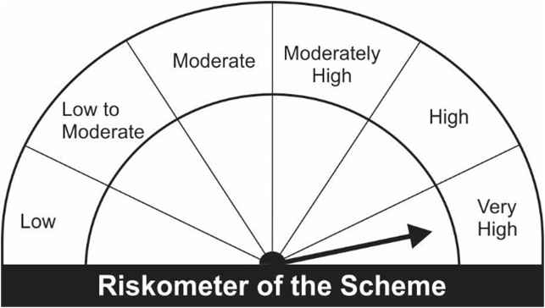
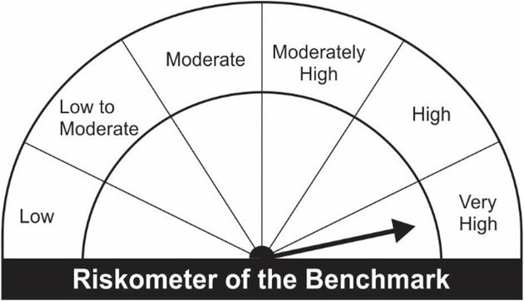
JM Tax Gain Fund (An open ended equity linked saving scheme with a statutory lock in of 3 years and tax benefit).
Portfolio as on 31.12.2022
Name of the Instruments | Industry/Rating | Quantity | Market Value (Rs. In Lakhs) | % age to NAV | ISIN | Yield % | ^YTC (AT1/Tier 2 bonds)
EQUITY & EQUITY RELATED
a) Listed/Awaiting Listing On Stock Exchange
HDFC Bank Ltd. | Banks | 40,781 | 663.98 | 9.20 | INE040A01034
Infosys Ltd. | IT - Software | 28,965 | 436.85 | 6.06 | INE009A01021
Axis Bank Ltd. | Banks | 37,800 | 352.96 | 4.89 | INE238A01034
ICICI Bank Ltd. | Banks | 37,825 | 336.96 | 4.67 | INE090A01021
Ultratech Cement Ltd. | Cement & Cement Products | 4,050 | 281.84 | 3.91 | INE481G01011
State Bank of India | Banks | 39,650 | 243.33 | 3.37 | INE062A01020
Larsen & Toubro Ltd. | Construction | 11,550 | 240.91 | 3.34 | INE018A01030
Indian Oil Corporation Ltd. | Petroleum Products | 287,000 | 219.56 | 3.04 | INE242A01010
Reliance Industries Ltd. | Petroleum Products | 8,450 | 215.24 | 2.98 | INE002A01018
Gujarat Gas Ltd. | Gas | 43,100 | 209.53 | 2.90 | INE844O01030
SRF Ltd. | Chemicals & Petrochemicals | 8,850 | 202.70 | 2.81 | INE647A01010
Kalpataru Power Transmission Ltd. | Construction | 35,000 | 195.62 | 2.71 | INE220B01022
Trent Ltd. | Retailing | 14,146 | 191.16 | 2.65 | INE849A01020
Titan Company Ltd. | Consumer Durables | 7,030 | 182.60 | 2.53 | INE280A01028
SKF India Ltd. | Industrial Products | 3,908 | 175.82 | 2.44 | INE640A01023
Pidilite Industries Ltd. | Chemicals & Petrochemicals | 6,681 | 170.38 | 2.36 | INE318A01026
Maruti Suzuki India Ltd. | Automobiles | 1,974 | 165.71 | 2.30 | INE585B01010
United Spirits Ltd. | Beverages | 18,600 | 163.22 | 2.26 | INE854D01024
Bank of Baroda | Banks | 85,500 | 158.77 | 2.20 | INE028A01039
Mahindra & Mahindra Financial Services Ltd. | Finance | 66,650 | 156.36 | 2.17 | INE774D01024
Power Finance Corporation Ltd. | Finance | 110,000 | 155.27 | 2.15 | INE134E01011
Fortis Healthcare Ltd. | Healthcare Services | 53,250 | 152.35 | 2.11 | INE061F01013
Mahindra & Mahindra Ltd. | Automobiles | 11,500 | 143.66 | 1.99 | INE101A01026
Cummins India Ltd. | Industrial Products | 10,000 | 138.04 | 1.91 | INE298A01020
Hindustan Aeronautics Ltd. | Aerospace & Defense | 5,350 | 135.42 | 1.88 | INE066F01012
L&T Technology Services Ltd. | IT - Services | 3,500 | 128.92 | 1.79 | INE010V01017
Navin Fluorine International Ltd. | Chemicals & Petrochemicals | 3,150 | 128.18 | 1.78 | INE048G01026
Cipla Ltd. | Pharmaceuticals & Biotechnology | 11,850 | 127.50 | 1.77 | INE059A01026
The Indian Hotels Company Ltd. | Leisure Services | 38,000 | 121.09 | 1.68 | INE053A01029
Hindustan Unilever Ltd. | Diversified FMCG | 4,500 | 115.25 | 1.60 | INE030A01027
JK Cement Ltd. | Cement & Cement Products | 3,778 | 110.34 | 1.53 | INE823G01014
Jubilant Foodworks Ltd. | Leisure Services | 21,500 | 109.88 | 1.52 | INE797F01020
Blue Star Ltd. | Consumer Durables | 8,700 | 104.36 | 1.45 | INE472A01039
Vardhman Textiles Ltd. | Textiles & Apparels | 30,500 | 100.70 | 1.40 | INE825A01020
Varun Beverages Ltd. | Beverages | 6,838 | 90.44 | 1.25 | INE200M01013
Dr. Reddy's Laboratories Ltd. | Pharmaceuticals & Biotechnology | 2,100 | 88.99 | 1.23 | INE089A01023
One 97 Communications Ltd. | Financial Technology (Fintech) | 14,000 | 74.34 | 1.03 | INE982J01020
ABB India Ltd. | Electrical Equipment | 2,500 | 67.08 | 0.93 | INE117A01022
Bharti Airtel Limited - Rights Partly Paid | Telecom - Services | 1,400 | 6.07 | 0.08 | IN9397D01014
Sub Total: |  |  | 7,061.36 | 97.88

b) Unlisted |  |  | NIL | NIL

Total: |  |  | 7,061.36 | 97.88

DEBT INSTRUMENTS
a) Listed/Awaiting Listing On Stock Exchange |  |  | NIL | NIL

b) Privately Placed / Unlisted |  |  | NIL | NIL

TERM DEPOSITS

Deposits (Maturity not exceeding 91 days) |  |  | NIL | NIL

Deposits (Placed as F & O margin) |  |  | NIL | NIL

MONEY MARKET INSTRUMENTS

TREPS-Triparty Repo |  | - | 86.87 | 1.20 |  | 6.4867
Sub Total: |  |  | 86.87 | 1.20

Total: |  |  | 7,148.23 | 99.08 | -

Net Current Assets |  |  | 66.13 | 0.92

Net Assets |  |  | 7,214.36 | 100.00

Number of Instances of Deviation In valuation Of Securities as per Sebi circular ref no SEBI/HO/IMD/DF4/CIR/P/2019/102 dated September 24, 2019- Nil

^ YTC i.e. Yield to Call is disclosed at security level only for Additional Tier 1 Bonds and Tier 2 Bonds issued by Banks as per AMFI Best Practices Notification 135/BP/91/2020-21 read with SEBI circular SEBI/HO/IMD/DF4/CIR/P/2021/034

Where the scheme has invested in floating rate instruments and / or interest rate derivatives, the following disclaimer may be read in regard to such investment;

"This scheme has exposure to floating rate instruments and / or interest rate derivatives. The duration of these instruments is linked to the interest rate reset period. The interest rate risk in a floating rate instrument or in a fixed rate instrument hedged with derivatives is likely to be lesser than that in an equivalent maturity fixed rate instrument. Under some market circumstances the volatility may be of an order greater than what may ordinarily be expected considering only its duration. Hence investors are recommended to consider the unadjusted portfolio maturity of the scheme as well and exercise adequate due diligence when deciding to make their investments"

This Product is suitable for investors who are seeking*
• Capital Appreciation Over Long Term
• Investment predominantly in Equity & Equity related securities and to enable investors tax deduction from total income as permitted under Income Tax Act, 1961 from time to time.
*Investors should consult their financial advisers if in doubt about whether the product is suitable for them.

Riskometer of the scheme |  | Benchmark of the Scheme - S&P BSE 500 TRI

