MD
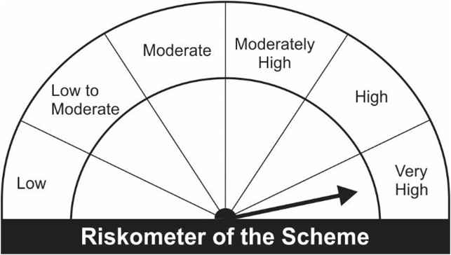
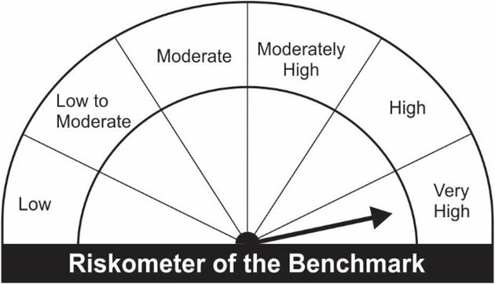
JM Midcap Fund (An open ended equity scheme predominantly investing in mid cap stocks)
Portfolio as on 31.12.2022
Name of the Instruments | Industry/Rating | Quantity | Market Value (Rs. In Lakhs) | % age to NAV | ISIN | Yield % | ^YTC (AT1/Tier 2 bonds)
EQUITY & EQUITY RELATED
a) Listed/Awaiting Listing On Stock Exchange
The Federal Bank Ltd. | Banks | 270,500 | 376.13 | 3.76 | INE171A01029
Canara Bank | Banks | 112,000 | 373.30 | 3.74 | INE476A01014
Blue Star Ltd. | Consumer Durables | 26,500 | 317.88 | 3.18 | INE472A01039
Narayana Hrudayalaya Ltd | Healthcare Services | 39,650 | 301.52 | 3.02 | INE410P01011
REC Ltd. | Finance | 258,500 | 301.15 | 3.01 | INE020B01018
Cummins India Ltd. | Industrial Products | 20,500 | 282.98 | 2.83 | INE298A01020
Balkrishna Industries Ltd. | Auto Components | 12,550 | 267.47 | 2.68 | INE787D01026
KEC International Ltd. | Electrical Equipment | 52,666 | 260.41 | 2.61 | INE389H01022
Tata Elxsi Ltd | IT - Software | 4,050 | 254.58 | 2.55 | INE670A01012
Mahindra & Mahindra Financial Services Ltd. | Finance | 104,000 | 243.98 | 2.44 | INE774D01024
Kalpataru Power Transmission Ltd. | Construction | 42,958 | 240.09 | 2.40 | INE220B01022
Schaeffler India Ltd. | Auto Components | 8,500 | 233.47 | 2.34 | INE513A01022
IIFL Wealth Management Ltd. | Finance | 12,650 | 224.73 | 2.25 | INE466L01020
Bharat Heavy Electricals Ltd. | Electrical Equipment | 283,000 | 224.14 | 2.24 | INE257A01026
Gujarat Gas Ltd. | Gas | 45,100 | 219.25 | 2.19 | INE844O01030
Sumitomo Chemical India Ltd. | Fertilizers & Agrochemicals | 44,000 | 214.81 | 2.15 | INE258G01013
Fortis Healthcare Ltd. | Healthcare Services | 74,500 | 213.14 | 2.13 | INE061F01013
Escorts Kubota Ltd. | Agricultural, Commercial & Construction Vehicles | 9,750 | 208.66 | 2.09 | INE042A01014
Varun Beverages Ltd. | Beverages | 15,710 | 207.77 | 2.08 | INE200M01013
Sundram Fasteners Ltd. | Auto Components | 20,300 | 197.26 | 1.97 | INE387A01021
Bharat Forge Ltd. | Industrial Products | 21,500 | 189.17 | 1.89 | INE465A01025
City Union Bank Ltd. | Banks | 103,500 | 186.71 | 1.87 | INE491A01021
Supreme Industries Ltd. | Industrial Products | 7,600 | 186.20 | 1.86 | INE195A01028
Indraprastha Gas Ltd. | Gas | 43,500 | 180.07 | 1.80 | INE203G01027
JK Cement Ltd. | Cement & Cement Products | 6,100 | 178.16 | 1.78 | INE823G01014
Coromandel International Ltd. | Fertilizers & Agrochemicals | 20,000 | 177.43 | 1.78 | INE169A01031
CG Power and Industrial Solutions Ltd. | Electrical Equipment | 65,500 | 177.05 | 1.77 | INE067A01029
ACC Ltd. | Cement & Cement Products | 7,200 | 175.80 | 1.76 | INE012A01025
L&T Technology Services Ltd. | IT - Services | 4,700 | 173.13 | 1.73 | INE010V01017
Devyani International Ltd. | Leisure Services | 94,000 | 169.91 | 1.70 | INE872J01023
Jubilant Foodworks Ltd. | Leisure Services | 33,100 | 169.16 | 1.69 | INE797F01020
Trent Ltd. | Retailing | 12,500 | 168.92 | 1.69 | INE849A01020
Bharat Electronics Ltd. | Aerospace & Defense | 168,000 | 167.83 | 1.68 | INE263A01024
Hindustan Aeronautics Ltd. | Aerospace & Defense | 6,500 | 164.53 | 1.65 | INE066F01012
One 97 Communications Ltd. | Financial Technology (Fintech) | 28,000 | 148.68 | 1.49 | INE982J01020
TVS Motor Company Ltd. | Automobiles | 12,850 | 139.47 | 1.40 | INE494B01023
Navin Fluorine International Ltd. | Chemicals & Petrochemicals | 3,150 | 128.18 | 1.28 | INE048G01026
NHPC Ltd. | Power | 315,000 | 125.21 | 1.25 | INE848E01016
K.P.R. Mill Ltd. | Textiles & Apparels | 20,000 | 103.35 | 1.03 | INE930H01031
Crompton Greaves Consumer Electricals Ltd. | Consumer Durables | 27,500 | 92.52 | 0.93 | INE299U01018
United Breweries Ltd. | Beverages | 5,400 | 91.79 | 0.92 | INE686F01025
Alkem Laboratories Ltd. | Pharmaceuticals & Biotechnology | 3,000 | 90.14 | 0.90 | INE540L01014
Aditya Birla Fashion and Retail Ltd. | Retailing | 30,000 | 86.25 | 0.86 | INE647O01011
Sub Total: |  |  | 8,632.38 | 86.38

b) Unlisted |  |  | NIL | NIL

Total: |  |  | 8,632.38 | 86.38

DEBT INSTRUMENTS
a) Listed/Awaiting Listing On Stock Exchange |  |  | NIL | NIL

b) Privately Placed / Unlisted |  |  | NIL | NIL

TERM DEPOSITS

Deposits (Maturity not exceeding 91 days) |  |  | NIL | NIL

Deposits (Placed as F & O margin) |  |  | NIL | NIL

MONEY MARKET INSTRUMENTS

TREPS-Triparty Repo |  | - | 1,247.96 | 12.49 |  | 6.4867
Sub Total: |  |  | 1,247.96 | 12.49

Total: |  |  | 9,880.34 | 98.87 | -

Net Current Assets |  |  | 112.86 | 1.13

Net Assets |  |  | 9,993.20 | 100.00

Number of Instances of Deviation In valuation Of Securities as per Sebi circular ref no SEBI/HO/IMD/DF4/CIR/P/2019/102 dated September 24, 2019- Nil

^ YTC i.e. Yield to Call is disclosed at security level only for Additional Tier 1 Bonds and Tier 2 Bonds issued by Banks as per AMFI Best Practices Notification 135/BP/91/2020-21 read with SEBI circular SEBI/HO/IMD/DF4/CIR/P/2021/034

Where the scheme has invested in floating rate instruments and / or interest rate derivatives, the following disclaimer may be read in regard to such investment;

"This scheme has exposure to floating rate instruments and / or interest rate derivatives. The duration of these instruments is linked to the interest rate reset period. The interest rate risk in a floating rate instrument or in a fixed rate instrument hedged with derivatives is likely to be lesser than that in an equivalent maturity fixed rate instrument. Under some market circumstances the volatility may be of an order greater than what may ordinarily be expected considering only its duration. Hence investors are recommended to consider the unadjusted portfolio maturity of the scheme as well and exercise adequate due diligence when deciding to make their investments"

This Product is suitable for investors who are seeking*
• Long Term wealth creation
• An open ended equity scheme that aims for capital appreciation by investing in diversified mid cap companies.
*Investors should consult their financial advisers if in doubt about whether the product is suitable for them.

Riskometer of the scheme |  | Benchmark of the Scheme - Nifty Midcap 150 TRI

