TG
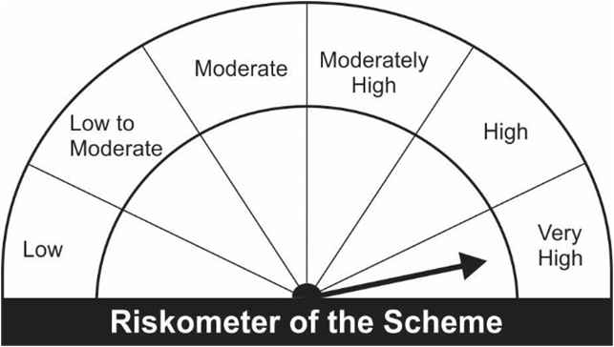
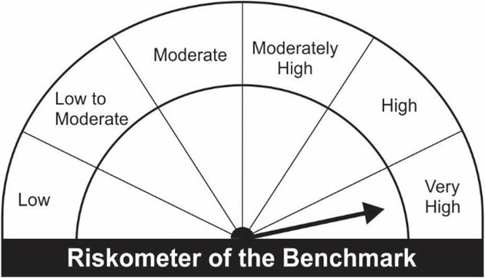
JM Tax Gain Fund (An open ended equity linked saving scheme with a statutory lock in of 3 years and tax benefit).
Portfolio as on 31.10.2022
Name of the Instruments | Industry/Rating | Quantity | Market Value (Rs. In Lakhs) | % age to NAV | ISIN | Yield % | ^YTC (AT1/Tier 2 bonds)
EQUITY & EQUITY RELATED
a) Listed/Awaiting Listing On Stock Exchange
HDFC Bank Ltd. | Banks | 29,281 | 438.25 | 6.08 | INE040A01034
ICICI Bank Ltd. | Banks | 47,325 | 430.04 | 5.97 | INE090A01021
Infosys Ltd. | IT - Software | 23,265 | 357.73 | 4.97 | INE009A01021
Larsen & Toubro Ltd. | Construction | 17,250 | 348.98 | 4.85 | INE018A01030
Axis Bank Ltd. | Banks | 32,800 | 297.17 | 4.13 | INE238A01034
State Bank of India | Banks | 40,650 | 233.25 | 3.24 | INE062A01020
Hindustan Unilever Ltd. | Diversified FMCG | 9,000 | 229.56 | 3.19 | INE030A01027
Gujarat Gas Ltd. | Gas | 43,100 | 223.52 | 3.10 | INE844O01030
Trent Ltd. | Retailing | 14,146 | 216.14 | 3.00 | INE849A01020
Reliance Industries Ltd. | Petroleum Products | 8,450 | 215.44 | 2.99 | INE002A01018
Cummins India Ltd. | Industrial Products | 14,750 | 198.82 | 2.76 | INE298A01020
Titan Company Ltd. | Consumer Durables | 7,030 | 194.13 | 2.70 | INE280A01028
Maruti Suzuki India Ltd. | Automobiles | 1,974 | 188.07 | 2.61 | INE585B01010
SKF India Ltd. | Industrial Products | 3,908 | 171.89 | 2.39 | INE640A01023
United Spirits Ltd. | Beverages | 18,600 | 166.72 | 2.31 | INE854D01024
Bank of Baroda | Banks | 107,500 | 158.78 | 2.20 | INE028A01039
Ashok Leyland Ltd. | Agricultural, Commercial & Construction Vehicles | 100,750 | 154.45 | 2.14 | INE208A01029
Ultratech Cement Ltd. | Cement & Cement Products | 2,200 | 147.73 | 2.05 | INE481G01011
Cipla Ltd. | Pharmaceuticals & Biotechnology | 11,850 | 138.34 | 1.92 | INE059A01026
ABB India Ltd. | Electrical Equipment | 4,500 | 137.24 | 1.91 | INE117A01022
Pidilite Industries Ltd. | Chemicals & Petrochemicals | 5,281 | 136.48 | 1.90 | INE318A01026
Mahindra & Mahindra Financial Services Ltd. | Finance | 66,650 | 134.63 | 1.87 | INE774D01024
L&T Technology Services Ltd. | IT - Services | 3,500 | 123.86 | 1.72 | INE010V01017
Bharti Airtel Ltd. | Telecom - Services | 14,705 | 122.35 | 1.70 | INE397D01024
Ambuja Cements Limited | Cement & Cement Products | 22,000 | 117.25 | 1.63 | INE079A01024
Navin Fluorine International Ltd. | Chemicals & Petrochemicals | 2,550 | 116.07 | 1.61 | INE048G01026
SBI Cards & Payment Services Ltd. | Finance | 13,500 | 111.60 | 1.55 | INE018E01016
Fortis Healthcare Ltd. | Healthcare Services | 40,000 | 110.98 | 1.54 | INE061F01013
Balkrishna Industries Ltd. | Auto Components | 5,528 | 108.50 | 1.51 | INE787D01026
SRF Ltd. | Chemicals & Petrochemicals | 4,150 | 106.18 | 1.47 | INE647A01010
Hindalco Industries Ltd. | Non - Ferrous Metals | 26,000 | 105.47 | 1.46 | INE038A01020
Jubilant Foodworks Ltd. | Leisure Services | 17,000 | 103.69 | 1.44 | INE797F01020
Vardhman Textiles Ltd. | Textiles & Apparels | 30,500 | 102.65 | 1.43 | INE825A01020
JK Cement Ltd. | Cement & Cement Products | 3,778 | 102.48 | 1.42 | INE823G01014
Kalpataru Power Transmission Ltd. | Construction | 21,000 | 99.82 | 1.39 | INE220B01022
Larsen & Toubro Infotech Ltd. | IT - Software | 2,076 | 98.40 | 1.37 | INE214T01019
Hero MotoCorp Ltd. | Automobiles | 3,650 | 97.71 | 1.36 | INE158A01026
Hindustan Aeronautics Ltd. | Aerospace & Defense | 3,850 | 97.41 | 1.35 | INE066F01012
Voltas Ltd. | Consumer Durables | 10,905 | 95.55 | 1.33 | INE226A01021
Bandhan Bank Ltd. | Banks | 39,500 | 94.23 | 1.31 | INE545U01014
Dr. Reddy's Laboratories Ltd. | Pharmaceuticals & Biotechnology | 2,100 | 93.11 | 1.29 | INE089A01023
Asian Paints Ltd. | Consumer Durables | 2,944 | 91.49 | 1.27 | INE021A01026
Bharti Airtel Limited - Rights Partly Paid | Telecom - Services | 1,400 | 6.16 | 0.09 | IN9397D01014
Sub Total: |  |  | 7,022.32 | 97.50

b) Unlisted |  |  | NIL | NIL

Total: |  |  | 7,022.32 | 97.50

DEBT INSTRUMENTS
a) Listed/Awaiting Listing On Stock Exchange |  |  | NIL | NIL

b) Privately Placed / Unlisted |  |  | NIL | NIL

TERM DEPOSITS

Deposits (Maturity not exceeding 91 days) |  |  | NIL | NIL

Deposits (Placed as F & O margin) |  |  | NIL | NIL

MONEY MARKET INSTRUMENTS

TREPS-Triparty Repo |  | - | 154.86 | 2.15 |  | 6.1196
Sub Total: |  |  | 154.86 | 2.15

Total: |  |  | 7,177.18 | 99.65 | -

Net Current Assets |  |  | 25.04 | 0.35

Net Assets |  |  | 7,202.22 | 100.00

Number of Instances of Deviation In valuation Of Securities as per Sebi circular ref no SEBI/HO/IMD/DF4/CIR/P/2019/102 dated September 24, 2019- Nil

^ YTC i.e. Yield to Call is disclosed at security level only for Additional Tier 1 Bonds and Tier 2 Bonds issued by Banks as per AMFI Best Practices Notification 135/BP/91/2020-21 read with SEBI circular SEBI/HO/IMD/DF4/CIR/P/2021/034

Where the scheme has invested in floating rate instruments and / or interest rate derivatives, the following disclaimer may be read in regard to such investment;

"This scheme has exposure to floating rate instruments and / or interest rate derivatives. The duration of these instruments is linked to the interest rate reset period. The interest rate risk in a floating rate instrument or in a fixed rate instrument hedged with derivatives is likely to be lesser than that in an equivalent maturity fixed rate instrument. Under some market circumstances the volatility may be of an order greater than what may ordinarily be expected considering only its duration. Hence investors are recommended to consider the unadjusted portfolio maturity of the scheme as well and exercise adequate due diligence when deciding to make their investments"

Total 0.00% of existing assets hedged through futures as on 31/10/2022
For the period ended October 31, 2022, following are the hedging transactions through futures which have been squared off / expired :
Total number of contracts where futures were bought |  |  | -
Total number of contracts where futures were sold |  |  | -
Gross notional value of contracts where futures were bought (Rs. In Lakhs) |  |  | -
Gross notional value of contracts where futures were sold (Rs. In Lakhs) |  |  | -
Net Profit /(Loss) on all contracts combined (Rs.in Lakhs) |  |  | -

Total exposure due to futures (non hedging positions) was 0% of net assets as on 31/10/2022
For the period ended October 31, 2022, following are the non-hedging transactions through futures which have been squared off / expired :
Total number of contracts where futures were bought |  |  | 40
Total number of contracts where futures were sold |  |  | 40
Gross notional value of contracts where futures were bought (Rs. In Lakhs) |  |  | 248.39
Gross notional value of contracts where futures were sold (Rs. In Lakhs) |  |  | 251.77
Net Profit /(Loss) on all contracts combined (Rs.in Lakhs) |  |  | 3.38

This Product is suitable for investors who are seeking*
• Capital Appreciation Over Long Term |  | Benchmark of the Scheme - S&P BSE 500 TRI
• Investment predominantly in Equity & Equity related securities and to enable investors tax deduction from total income as permitted under Income Tax Act, 1961 from time to time.
*Investors should consult their financial advisers if in doubt about whether the product is suitable for them.

