LF
JM Liquid Fund (An Open-Ended Liquid Scheme) A relatively low interest rate risk and moderate credit risk.
Portfolio as on 30.09.2022
Name of the Instruments | Industry/Rating | Quantity | Market Value (Rs. In Lakhs) | % age to NAV | ISIN | Yield % | ^YTC (AT1/Tier 2 bonds)

DEBT INSTRUMENTS
a) Listed/Awaiting Listing On Stock Exchange
The Tata Power Company Ltd.** | CRISIL AA | 100 | 1,002.56 | 0.78 | INE245A08158 | 6.4951
Reliance Industries Ltd.** | CRISIL AAA | 50 | 500.19 | 0.39 | INE002A08500 | 6.4002
NABARD** | CRISIL AAA | 50 | 499.99 | 0.39 | INE261F08BQ8 | 6.3400
Sub Total: |  |  | 2,002.74 | 1.56

b) Privately Placed / Unlisted |  |  | NIL | NIL

Total: |  |  | 2,002.74 | 1.56 | -

TERM DEPOSITS

Deposits (Maturity not exceeding 91 days) |  |  | NIL | NIL

Deposits (Placed as F & O margin) |  |  | NIL | NIL

MONEY MARKET INSTRUMENTS
Certificate of Deposit (CD) / Commercial Paper (CP)
Tata Steel Ltd.CP** | ICRA A1+ | 2,000 | 9,984.78 | 7.77 | INE081A14DE1 | 6.1840
State Bank of India CD | IND A1+ | 1,500 | 7,497.62 | 5.84 | INE062A16457 | 5.8053
Reliance Jio Infocomm Ltd.CP** | CARE A1+ | 1,500 | 7,406.21 | 5.77 | INE110L14RC9 | 6.4199
HDFC Bank Ltd.CD** | CARE A1+ | 1,000 | 4,995.85 | 3.89 | INE040A16DA0 | 6.0640
Reliance Retail Ventures Ltd.CP** | CARE A1+ | 1,000 | 4,967.95 | 3.87 | INE929O14719 | 6.3652
Indian Bank CD** | CRISIL A1+ | 1,000 | 4,966.57 | 3.87 | INE562A16KX0 | 6.2995
Larsen & Toubro Ltd.CP** | CRISIL A1+ | 1,000 | 4,962.14 | 3.86 | INE018A14IX2 | 6.3297
The Tata Power Company Ltd.CP** | CRISIL A1+ | 1,000 | 4,958.14 | 3.86 | INE245A14GU1 | 6.4200
SIDBI Ltd.CP** | CARE A1+ | 1,000 | 4,948.91 | 3.85 | INE556F14IK7 | 6.2801
Chambal Fertilizers and Chemicals Ltd. CP** | CRISIL A1+ | 1,000 | 4,947.22 | 3.85 | INE085A14IE1 | 6.4901
Birla Group Holdings Pvt. Ltd.CP** | CRISIL A1+ | 1,000 | 4,943.44 | 3.85 | INE09OL14BJ0 | 6.9602
Axis Bank CD** | CRISIL A1+ | 1,000 | 4,942.84 | 3.85 | INE238A165X9 | 6.2999
NTPC Ltd.CP** | CRISIL A1+ | 1,000 | 4,937.69 | 3.84 | INE733E14BH6 | 6.3099
IIFL Wealth Prime Ltd.CP** | CRISIL A1+ | 600 | 2,975.64 | 2.32 | INE248U14LM0 | 7.4697
Canara Bank CD** | CRISIL A1+ | 500 | 2,498.77 | 1.95 | INE476A16TD6 | 6.0194
Indian Oil Corporation Ltd.CP** | ICRA A1+ | 500 | 2,493.22 | 1.94 | INE242A14XB3 | 6.2093
Bajaj Housing Finance Limited.CP** | CRISIL A1+ | 500 | 2,492.57 | 1.94 | INE377Y14942 | 6.4044
ICICI Securities Ltd.CP** | CRISIL A1+ | 500 | 2,486.52 | 1.94 | INE763G14MX2 | 6.5952
Punjab National Bank CD | CRISIL A1+ | 500 | 2,474.38 | 1.93 | INE160A16MP5 | 6.3000
IIFL Wealth Prime Ltd.CP** | CRISIL A1+ | 500 | 2,466.55 | 1.92 | INE248U14LU3 | 7.4999
Godrej Industries Ltd.CP** | CRISIL A1+ | 500 | 2,466.26 | 1.92 | INE233A14WG3 | 6.5698
Treasury Bills
182 Days Treasury-Bill 10/11/2022 | GOI SOV | 8,500,000 | 8,445.27 | 6.57 | IN002022Y062 | 5.9137
91 Days Treasury-Bill 08/12/2022 | GOI SOV | 2,500,000 | 2,472.36 | 1.92 | IN002022X239 | 6.0003
364 Days Treasury-Bill 02/11/2022 | GOI SOV | 1,500,000 | 1,492.28 | 1.16 | IN002021Z327 | 5.9000
Sub Total: |  |  | 107,223.16 | 83.47

TREPS-Triparty Repo |  | - | 18,984.61 | 14.78 |  | 5.7106

Sub Total: |  |  | 18,984.61 | 14.78

Total: |  |  | 128,210.51 | 99.81 | -

Net Current Assets |  |  | 242.72 | 0.19

Net Assets |  |  | 128,453.23 | 100.00

** Non Traded.

Number of Instances of Deviation In valuation Of Securities as per Sebi circular ref no SEBI/HO/IMD/DF4/CIR/P/2019/102 dated September 24, 2019- Nil
^ YTC i.e. Yield to Call is disclosed at security level only for Additional Tier 1 Bonds and Tier 2 Bonds issued by Banks as per AMFI Best Practices Notification 135/BP/91/2020-21 read with SEBI circular SEBI/HO/IMD/DF4/CIR/P/2021/034
Where the scheme has invested in floating rate instruments and / or interest rate derivatives, the following disclaimer may be read in regard to such investment;
"This scheme has exposure to floating rate instruments and / or interest rate derivatives. The duration of these instruments is linked to the interest rate reset period. The interest rate risk in a floating rate instrument or in a fixed rate instrument hedged with derivatives is likely to be lesser than that in an equivalent maturity fixed rate instrument. Under some market circumstances the volatility may be of an order greater than what may ordinarily be expected considering only its duration. Hence investors are recommended to consider the unadjusted portfolio maturity of the scheme as well and exercise adequate due diligence when deciding to make their investments"

This Product is suitable for investors who are seeking* |  | CRISIL Liquid Fund BI Index
• Regular Income over Short Term.
• Investment in debt and money market securities with maturity of upto 91 days only.
*Investors should consult their financial advisers if in doubt about whether the product is suitable for them.


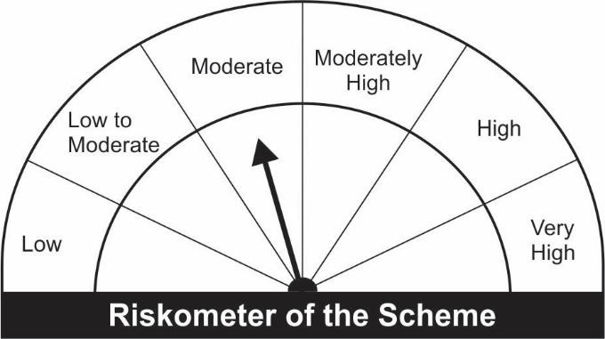

Potential Risk Class
Credit Risk ® | Relatively Low (Class A) | Moderate (Class B) | Relatively High (Class C)
Interest Rate Risk ¯
Relatively Low (Class I) |  | Bl
Moderate (Class II)
Relatively High Class (Class III)

