BA
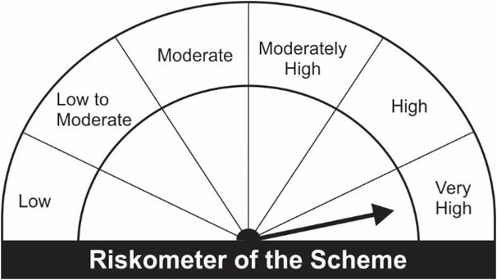
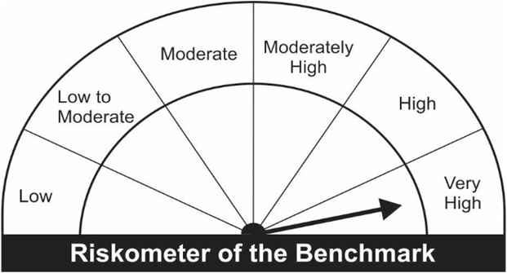
JM Value Fund (An open ended equity scheme following a value investment strategy).
Portfolio as on 30.09.2022
Name of the Instruments | Industry/Rating | Quantity | Market Value (Rs. In Lakhs) | % age to NAV | ISIN | Yield % | ^YTC (AT1/Tier 2 bonds)
EQUITY & EQUITY RELATED
a) Listed/Awaiting Listing On Stock Exchange
Infosys Ltd. | IT - Software | 58,905 | 832.59 | 5.38 | INE009A01021
State Bank of India | Banks | 147,500 | 782.64 | 5.06 | INE062A01020
Hero MotoCorp Ltd. | Automobiles | 30,000 | 764.76 | 4.95 | INE158A01026
HDFC Bank Ltd. | Banks | 53,755 | 764.05 | 4.94 | INE040A01034
Larsen & Toubro Ltd. | Construction | 40,000 | 739.08 | 4.78 | INE018A01030
ICICI Bank Ltd. | Banks | 85,000 | 732.70 | 4.74 | INE090A01021
Aditya Birla Fashion and Retail Ltd. | Retailing | 190,200 | 663.99 | 4.29 | INE647O01011
Kalpataru Power Transmission Ltd. | Construction | 132,496 | 558.34 | 3.61 | INE220B01022
SKF India Ltd. | Industrial Products | 11,643 | 548.75 | 3.55 | INE640A01023
Cummins India Ltd. | Industrial Products | 45,572 | 544.97 | 3.52 | INE298A01020
HCL Technologies Ltd. | IT - Software | 57,600 | 537.03 | 3.47 | INE860A01027
Mahindra & Mahindra Financial Services Ltd. | Finance | 240,010 | 444.62 | 2.88 | INE774D01024
Ashok Leyland Ltd. | Agricultural, Commercial & Construction Vehicles | 285,000 | 435.05 | 2.81 | INE208A01029
Godrej Consumer Products Ltd. | Personal Products | 44,000 | 400.60 | 2.59 | INE102D01028
NTPC Ltd. | Power | 240,000 | 383.16 | 2.48 | INE733E01010
Sun Pharmaceutical Industries Ltd. | Pharmaceuticals & Biotechnology | 39,500 | 374.72 | 2.42 | INE044A01036
Maruti Suzuki India Ltd. | Automobiles | 4,070 | 359.31 | 2.32 | INE585B01010
Fortis Healthcare Ltd. | Healthcare Services | 130,000 | 343.46 | 2.22 | INE061F01013
Bank of Baroda | Banks | 255,000 | 337.62 | 2.18 | INE028A01039
Indian Oil Corporation Ltd. | Petroleum Products | 494,500 | 331.07 | 2.14 | INE242A01010
Bharti Airtel Ltd. | Telecom - Services | 41,072 | 328.53 | 2.12 | INE397D01024
Britannia Industries Ltd. | Food Products | 8,400 | 322.82 | 2.09 | INE216A01030
Ultratech Cement Ltd. | Cement & Cement Products | 5,154 | 322.39 | 2.08 | INE481G01011
Axis Bank Ltd. | Banks | 43,200 | 316.74 | 2.05 | INE238A01034
Bharat Forge Ltd. | Industrial Products | 42,000 | 292.11 | 1.89 | INE465A01025
SBI Cards & Payment Services Ltd. | Finance | 29,500 | 269.48 | 1.74 | INE018E01016
CG Power and Industrial Solutions Ltd. | Electrical Equipment | 114,000 | 268.70 | 1.74 | INE067A01029
CESC Ltd. | Power | 285,968 | 221.05 | 1.43 | INE486A01021
Hindalco Industries Ltd. | Non - Ferrous Metals | 56,500 | 220.66 | 1.43 | INE038A01020
Ambuja Cements Limited | Cement & Cement Products | 40,000 | 206.24 | 1.33 | INE079A01024
Welspun India Ltd. | Textiles & Apparels | 280,000 | 206.22 | 1.33 | INE192B01031
Vedanta Ltd. | Diversified Metals | 75,000 | 202.54 | 1.31 | INE205A01025
Balrampur Chini Mills Ltd. | Agricultural Food & other Products | 55,000 | 191.24 | 1.24 | INE119A01028
Bandhan Bank Ltd. | Banks | 70,000 | 186.62 | 1.21 | INE545U01014
Vardhman Textiles Ltd. | Textiles & Apparels | 55,000 | 185.57 | 1.20 | INE825A01020
Kirloskar Ferrous Industries Ltd | Ferrous Metals | 64,936 | 172.41 | 1.11 | INE884B01025
REC Ltd. | Finance | 181,300 | 170.42 | 1.10 | INE020B01018
Hindustan Aeronautics Ltd. | Aerospace & Defense | 7,000 | 164.14 | 1.06 | INE066F01012
Bharti Airtel Limited - Rights Partly Paid | Telecom - Services | 4,009 | 16.12 | 0.10 | IN9397D01014
Sub Total: |  |  | 15,142.49 | 97.92

b) Unlisted |  |  | NIL | NIL

Total: |  |  | 15,142.49 | 97.92

DEBT INSTRUMENTS
a) Listed/Awaiting Listing On Stock Exchange |  |  | NIL | NIL

b) Privately Placed / Unlisted |  |  | NIL | NIL

TERM DEPOSITS

Deposits (Maturity not exceeding 91 days) |  |  | NIL | NIL

Deposits (Placed as F & O margin) |  |  | NIL | NIL

MONEY MARKET INSTRUMENTS

TREPS-Triparty Repo |  | - | 317.99 | 2.06 |  | 5.7106

Sub Total: |  |  | 317.99 | 2.06

Total: |  |  | 15,460.49 | 99.98 | -

Net Current Assets |  |  | 2.91 | 0.02

Net Assets |  |  | 15,463.40 | 100.00

Number of Instances of Deviation In valuation Of Securities as per Sebi circular ref no SEBI/HO/IMD/DF4/CIR/P/2019/102 dated September 24, 2019- Nil

^ YTC i.e. Yield to Call is disclosed at security level only for Additional Tier 1 Bonds and Tier 2 Bonds issued by Banks as per AMFI Best Practices Notification 135/BP/91/2020-21 read with SEBI circular SEBI/HO/IMD/DF4/CIR/P/2021/034

Where the scheme has invested in floating rate instruments and / or interest rate derivatives, the following disclaimer may be read in regard to such investment;
"This scheme has exposure to floating rate instruments and / or interest rate derivatives. The duration of these instruments is linked to the interest rate reset period. The interest rate risk in a floating rate instrument or in a fixed rate instrument hedged with derivatives is likely to be lesser than that in an equivalent maturity fixed rate instrument. Under some market circumstances the volatility may be of an order greater than what may ordinarily be expected considering only its duration. Hence investors are recommended to consider the unadjusted portfolio maturity of the scheme as well and exercise adequate due diligence when deciding to make their investments"

Total outstanding exposure in derivative instruments at the end of the period - Short/Long -(Rs in Lakhs) : Nil

Total 0.00% of existing assets hedged through futures as on 30/09/2022
For the period ended September 30, 2022, following are the hedging transactions through futures which have been squared off / expired :
Total number of contracts where futures were bought |  |  | -
Total number of contracts where futures were sold |  |  | -
Gross notional value of contracts where futures were bought (Rs. In Lakhs) |  |  | -
Gross notional value of contracts where futures were sold (Rs. In Lakhs) |  |  | -
Net Profit /(Loss) on all contracts combined (Rs.in Lakhs) |  |  | -

Total exposure due to futures (non hedging positions) was 0% of net assets as on 30/09/2022
For the period ended September 30, 2022, following are the non-hedging transactions through futures which have been squared off / expired :
Total number of contracts where futures were bought |  |  | 26
Total number of contracts where futures were sold |  |  | 26
Gross notional value of contracts where futures were bought (Rs. In Lakhs) |  |  | 194.94
Gross notional value of contracts where futures were sold (Rs. In Lakhs) |  |  | 188.87
Net Profit /(Loss) on all contracts combined (Rs.in Lakhs) |  |  | (6.07)

This Product is suitable for investors who are seeking* |  |  | Benchmark of the scheme - S&P BSE 500 TRI
• Capital appreciation over Long Term.
• Investment predominantly in Equity and Equity related securities following a value investment strategy.
*Investors should consult their financial advisers if in doubt about whether the product is suitable for them.

