EF
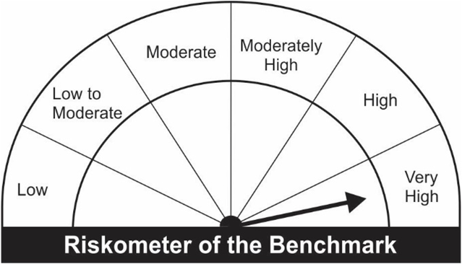
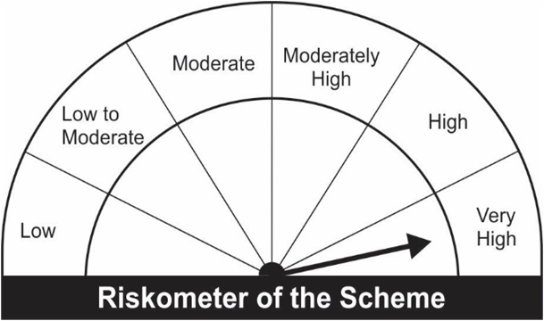
JM Large Cap Fund (An open ended equity scheme predominantly investing in large cap stocks).
Portfolio as on 31.07.2022
Name of the Instruments | Industry/Rating | Quantity | Market Value (Rs. In Lakhs) | % age to NAV | ISIN | Yield % | ^YTC (AT1/Tier 2 bonds)
EQUITY & EQUITY RELATED
a) Listed/Awaiting Listing On Stock Exchange
ICICI Bank Ltd. | Banks | 44,437 | 363.76 | 7.35 | INE090A01021
Larsen & Toubro Ltd. | Construction | 17,432 | 315.18 | 6.37 | INE018A01030
Infosys Ltd. | IT - Software | 19,098 | 295.96 | 5.98 | INE009A01021
SBI Cards & Payment Services Ltd. | Finance | 30,250 | 284.12 | 5.74 | INE018E01016
Maruti Suzuki India Ltd. | Automobiles | 3,075 | 269.79 | 5.45 | INE585B01010
Grasim Industries Ltd. | Cement & Cement Products | 15,461 | 243.20 | 4.91 | INE047A01021
Reliance Industries Ltd. | Petroleum Products | 9,203 | 230.94 | 4.66 | INE002A01018
Sun Pharmaceutical Industries Ltd. | Pharmaceuticals & Biotechnology | 22,500 | 212.22 | 4.29 | INE044A01036
ITC Ltd. | Diversified FMCG | 70,000 | 212.14 | 4.28 | INE154A01025
HDFC Bank Ltd. | Banks | 14,129 | 202.64 | 4.09 | INE040A01034
HCL Technologies Ltd. | IT - Software | 20,243 | 191.98 | 3.88 | INE860A01027
Britannia Industries Ltd. | Food Products | 4,800 | 187.22 | 3.78 | INE216A01030
State Bank of India | Banks | 34,747 | 183.59 | 3.71 | INE062A01020
TVS Motor Company Ltd. | Automobiles | 20,000 | 181.61 | 3.67 | INE494B01023
Fortis Healthcare Ltd. | Healthcare Services | 64,800 | 180.44 | 3.64 | INE061F01013
Housing Development Finance Corporation Ltd. | Finance | 6,862 | 163.16 | 3.30 | INE001A01036
Aditya Birla Fashion and Retail Ltd. | Retailing | 53,500 | 143.73 | 2.90 | INE647O01011
Sumitomo Chemical India Ltd. | Fertilizers & Agrochemicals | 30,750 | 138.88 | 2.80 | INE258G01013
Tata Consultancy Services Ltd. | IT - Software | 3,800 | 125.47 | 2.53 | INE467B01029
Bosch Ltd. | Auto Components | 725 | 124.09 | 2.51 | INE323A01026
Power Grid Corporation of India Ltd. | Power | 56,133 | 120.10 | 2.43 | INE752E01010
ICICI Lombard General Insurance Company Ltd. | Insurance | 8,600 | 104.91 | 2.12 | INE765G01017
Bandhan Bank Ltd. | Banks | 37,500 | 103.58 | 2.09 | INE545U01014
Bharti Airtel Ltd. | Telecom - Services | 15,000 | 101.69 | 2.05 | INE397D01024
Axis Bank Ltd. | Banks | 13,500 | 97.84 | 1.98 | INE238A01034
Hindustan Unilever Ltd. | Diversified FMCG | 2,200 | 58.02 | 1.17 | INE030A01027
Bharti Airtel Limited - Rights Partly Paid | Telecom - Services | 1,094 | 3.21 | 0.06 | IN9397D01014
Yes Bank Ltd. | Banks | 489,595 | - | - | INE528G01035
Sub Total: |  |  | 4,839.47 | 97.74

b) Unlisted |  |  | NIL | NIL

Total: |  |  | 4,839.47 | 97.74

DEBT INSTRUMENTS
a) Listed/Awaiting Listing On Stock Exchange
Britannia Industries Ltd.** | CRISIL AAA | 25,075 | 7.53 | 0.15 | INE216A07052 | 5.7798
Sub Total: |  |  | 7.53 | 0.15

b) Privately Placed / Unlisted |  |  | NIL | NIL

Total: |  |  | 7.53 | 0.15 | -

TERM DEPOSITS

Deposits (Maturity not exceeding 91 days) |  |  | NIL | NIL

Deposits (Placed as F & O margin) |  |  | NIL | NIL

MONEY MARKET INSTRUMENTS

TREPS-Triparty Repo |  | - | 112.48 | 2.27 |  | 4.9044
Sub Total: |  |  | 112.48 | 2.27

Total: |  |  | 4,959.49 | 100.16 | -

Net Current Assets |  |  | (8.01) | (0.16)

Net Assets |  |  | 4,951.48 | 100.00

** Non Traded.

Number of Instances of Deviation In valuation Of Securities as per Sebi circular ref no SEBI/HO/IMD/DF4/CIR/P/2019/102 dated September 24, 2019- Nil
^ YTC i.e. Yield to Call is disclosed at security level only for Additional Tier 1 Bonds and Tier 2 Bonds issued by Banks as per AMFI Best Practices Notification 135/BP/91/2020-21 read with SEBI circular SEBI/HO/IMD/DF4/CIR/P/2021/034
Where the scheme has invested in floating rate instruments and / or interest rate derivatives, the following disclaimer may be read in regard to such investment;
"This scheme has exposure to floating rate instruments and / or interest rate derivatives. The duration of these instruments is linked to the interest rate reset period. The interest rate risk in a floating rate instrument or in a fixed rate instrument hedged with derivatives is likely to be lesser than that in an equivalent maturity fixed rate instrument. Under some market circumstances the volatility may be of an order greater than what may ordinarily be expected considering only its duration. Hence investors are recommended to consider the unadjusted portfolio maturity of the scheme as well and exercise adequate due diligence when deciding to make their investments"

Reconstituted Portfolio
Name of the Instruments | Industry/Rating | Quantity | ISIN
EQUITY & EQUITY RELATED
Yes Bank Ltd. | Banks | 489,595 | INE528G01035

Pursuant to the Gazette Notification dated 13th March 2020 issued by Ministry of Finance (Department of Financial Services) notifying ‘Yes Bank Limited Reconstruction Scheme, 2020’, 75% of shares held by existing shareholders of Yes Bank as on March 13, 2020 are placed under 3 year lock-in from March 13, 2020.
Shares held by JM Large Cap Fund were valued at “Zero Value” w.e.f.April 9, 2020 and any realization post three-year lock-in shall be distributed to the set of investors existing as on April 8, 2020 as per Unitholders register/BENPOS.

Total outstanding exposure in derivative instruments at the end of the period - Short -(Rs in Lakhs) : Nil

Total 0.00% of existing assets hedged through futures as on 31.07.2022
For the period ended July 31, 2022, following are the hedging transactions through futures which have been squared off / expired :
Total number of contracts where futures were bought |  |  | -
Total number of contracts where futures were sold |  |  | -
Gross notional value of contracts where futures were bought (Rs. In Lakhs) |  |  | -
Gross notional value of contracts where futures were sold (Rs. In Lakhs) |  |  | -
Net Profit /(Loss) on all contracts combined (Rs.in Lakhs) |  |  | -

Total exposure due to futures (non hedging positions) was 0% of net assets as on 31.07.2022
For the period ended July 31, 2022, following are the non-hedging transactions through futures which have been squared off / expired :
Total number of contracts where futures were bought |  |  | 7
Total number of contracts where futures were sold |  |  | 7
Gross notional value of contracts where futures were bought (Rs. In Lakhs) |  |  | 80.41
Gross notional value of contracts where futures were sold (Rs. In Lakhs) |  |  | 79.47
Net Profit /(Loss) on all contracts combined (Rs.in Lakhs) |  |  | (0.94)

This Product is suitable for investors who are seeking* |  |  | Benchmark of the scheme - S&P BSE 100 TRI
• Capital appreciation over Long Term.
• Investment predominantly in Equity & Equity related securities in the Large Cap segment.
*Investors should consult their financial advisers if in doubt about whether the product is suitable for them.

