BF
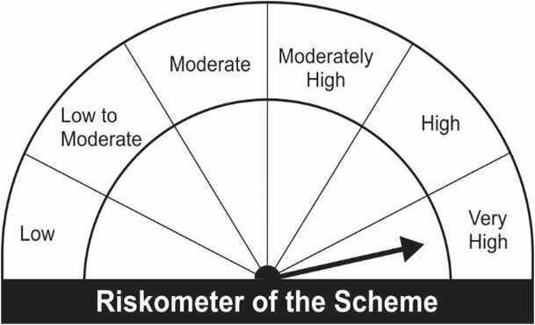
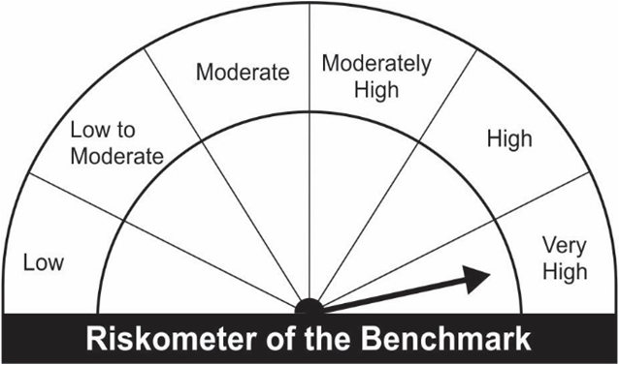
JM Equity Hybrid Fund (An open ended hybrid scheme investing predominantly in equity and equity related instruments).
Portfolio as on 31.07.2022
Name of the Instruments | Industry/Rating | Quantity | Market Value (Rs. In Lakhs) | % age to NAV | ISIN | Yield % | ^YTC (AT1/Tier 2 bonds)
EQUITY & EQUITY RELATED
a) Listed/Awaiting Listing On Stock Exchange
HDFC Bank Ltd. | Banks | 4,680 | 67.12 | 6.49 | INE040A01034
Reliance Industries Ltd. | Petroleum Products | 1,950 | 48.93 | 4.73 | INE002A01018
Infosys Ltd. | IT - Software | 3,075 | 47.65 | 4.61 | INE009A01021
L&T Technology Services Ltd. | IT - Services | 1,125 | 39.50 | 3.82 | INE010V01017
SKF India Ltd. | Industrial Products | 900 | 38.15 | 3.69 | INE640A01023
SBI Cards & Payment Services Ltd. | Finance | 3,971 | 37.30 | 3.60 | INE018E01016
State Bank of India | Banks | 7,000 | 36.98 | 3.57 | INE062A01020
Maruti Suzuki India Ltd. | Automobiles | 420 | 36.85 | 3.56 | INE585B01010
Cummins India Ltd. | Industrial Products | 3,000 | 36.81 | 3.56 | INE298A01020
Mahanagar Gas Limited | Gas | 4,800 | 36.18 | 3.50 | INE002S01010
Larsen & Toubro Ltd. | Construction | 2,000 | 36.16 | 3.50 | INE018A01030
Britannia Industries Ltd. | Food Products | 900 | 35.10 | 3.39 | INE216A01030
TVS Motor Company Ltd. | Automobiles | 3,700 | 33.60 | 3.25 | INE494B01023
Axis Bank Ltd. | Banks | 4,450 | 32.25 | 3.12 | INE238A01034
ICICI Bank Ltd. | Banks | 3,600 | 29.47 | 2.85 | INE090A01021
Ashok Leyland Ltd. | Agricultural, Commercial & Construction Vehicles | 18,250 | 27.19 | 2.63 | INE208A01029
Asian Paints Ltd. | Consumer Durables | 800 | 26.67 | 2.58 | INE021A01026
Bharat Forge Ltd. | Industrial Products | 3,600 | 26.39 | 2.55 | INE465A01025
Ultratech Cement Ltd. | Cement & Cement Products | 330 | 21.60 | 2.09 | INE481G01011
Mahindra & Mahindra Financial Services Ltd. | Finance | 11,500 | 21.47 | 2.08 | INE774D01024
Bharti Airtel Ltd. | Telecom - Services | 3,150 | 21.36 | 2.06 | INE397D01024
Alembic Pharmaceuticals Limited | Pharmaceuticals & Biotechnology | 3,000 | 21.06 | 2.04 | INE901L01018
HCL Technologies Ltd. | IT - Software | 1,850 | 17.55 | 1.70 | INE860A01027
Dr. Reddy's Laboratories Ltd. | Pharmaceuticals & Biotechnology | 325 | 13.29 | 1.28 | INE089A01023
Vedanta Ltd. | Diversified Metals | 5,000 | 12.72 | 1.23 | INE205A01025
Bharti Airtel Limited - Rights Partly Paid | Telecom - Services | 171 | 0.50 | 0.05 | IN9397D01014
Sub Total: |  |  | 801.85 | 77.50

b) Unlisted |  |  | NIL | NIL

Total: |  |  | 801.85 | 77.50

DEBT INSTRUMENTS
a) Listed/Awaiting Listing On Stock Exchange
Britannia Industries Ltd.** | CRISIL AAA | 15,340 | 4.61 | 0.45 | INE216A07052 | 5.7798
Sub Total: |  |  | 4.61 | 0.45

b) Privately Placed / Unlisted |  |  | NIL | NIL

Total: |  |  | 4.61 | 0.45 | -

TERM DEPOSITS

Deposits (Maturity not exceeding 91 days) |  |  | NIL | NIL

Deposits (Placed as F & O margin) |  |  | NIL | NIL

MONEY MARKET INSTRUMENTS

TREPS-Triparty Repo |  | - | 222.02 | 21.46 |  | 4.9044
Sub Total: |  |  | 222.02 | 21.46

Total: |  |  | 1,028.48 | 99.41 | -

Net Current Assets |  |  | 6.14 | 0.59

Net Assets |  |  | 1,034.62 | 100.00

** Non Traded.

Number of Instances of Deviation In valuation Of Securities as per Sebi circular ref no SEBI/HO/IMD/DF4/CIR/P/2019/102 dated September 24, 2019- Nil
^ YTC i.e. Yield to Call is disclosed at security level only for Additional Tier 1 Bonds and Tier 2 Bonds issued by Banks as per AMFI Best Practices Notification 135/BP/91/2020-21 read with SEBI circular SEBI/HO/IMD/DF4/CIR/P/2021/034

Where the scheme has invested in floating rate instruments and / or interest rate derivatives, the following disclaimer may be read in regard to such investment;
"This scheme has exposure to floating rate instruments and / or interest rate derivatives. The duration of these instruments is linked to the interest rate reset period. The interest rate risk in a floating rate instrument or in a fixed rate instrument hedged with derivatives is likely to be lesser than that in an equivalent maturity fixed rate instrument. Under some market circumstances the volatility may be of an order greater than what may ordinarily be expected considering only its duration. Hence investors are recommended to consider the unadjusted portfolio maturity of the scheme as well and exercise adequate due diligence when deciding to make their investments"

Total outstanding exposure in derivative instruments at the end of the period - Short -(Rs in Lakhs) : Nil

Total 0.00% of existing assets hedged through futures as on 31.07.2022
For the period ended July 31, 2022, following are the hedging transactions through futures which have been squared off / expired :
Total number of contracts where futures were bought |  |  | -
Total number of contracts where futures were sold |  |  | -
Gross notional value of contracts where futures were bought (Rs. In Lakhs) |  |  | -
Gross notional value of contracts where futures were sold (Rs. In Lakhs) |  |  | -
Net Profit /(Loss) on all contracts combined (Rs.in Lakhs) |  |  | -

Total exposure due to futures (non hedging positions) was 0% of net assets as on 31.07.2022
For the period ended July 31, 2022, following are the non-hedging transactions through futures which have been squared off / expired :
Total number of contracts where futures were bought |  |  | 2
Total number of contracts where futures were sold |  |  | 2
Gross notional value of contracts where futures were bought (Rs. In Lakhs) |  |  | 17.89
Gross notional value of contracts where futures were sold (Rs. In Lakhs) |  |  | 17.84
Net Profit /(Loss) on all contracts combined (Rs.in Lakhs) |  |  | (0.05)

This Product is suitable for investors who are seeking* |  |  | Benchmark of the scheme - Crisil Hybrid 35+65 Aggressive Index
• Capital Appreciation and Regular Income over Long Term.
• Investment predominantly in Equity & Equity related securities as well as fixed income securities (debt and money market securities).
*Investors should consult their financial advisers if in doubt about whether the product is suitable for them.

