EF
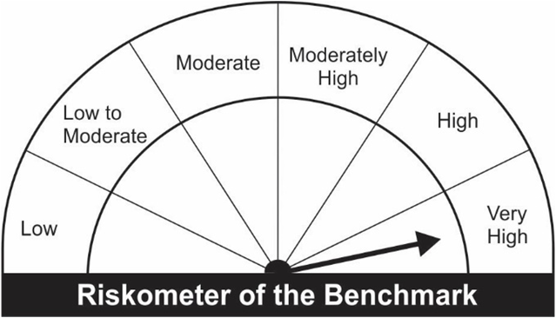
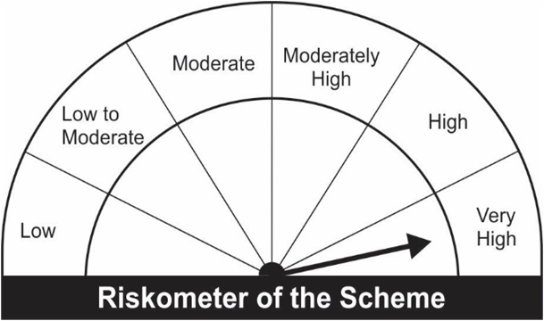
JM Large Cap Fund (An open ended equity scheme predominantly investing in large cap stocks).
Portfolio as on 30.06.2022
Name of the Instruments | Industry/Rating | Quantity | Market Value (Rs. In Lakhs) | % age to NAV | ISIN | Yield % | ^YTC (AT1/Tier 2 bonds)
EQUITY & EQUITY RELATED
a) Listed/Awaiting Listing On Stock Exchange
Larsen & Toubro Ltd. | Construction | 18,932 | 295.01 | 6.42 | INE018A01030
Maruti Suzuki India Ltd. | Automobiles | 3,325 | 281.65 | 6.13 | INE585B01010
Infosys Ltd. | IT - Software | 18,148 | 265.31 | 5.77 | INE009A01021
Reliance Industries Ltd. | Petroleum Products | 10,203 | 264.83 | 5.76 | INE002A01018
ICICI Bank Ltd. | Banks | 34,887 | 246.72 | 5.37 | INE090A01021
ITC Ltd. | Diversified FMCG | 75,000 | 205.13 | 4.46 | INE154A01025
HCL Technologies Ltd. | IT - Software | 20,243 | 197.01 | 4.29 | INE860A01027
HDFC Bank Ltd. | Banks | 14,029 | 189.11 | 4.11 | INE040A01034
Sun Pharmaceutical Industries Ltd. | Pharmaceuticals & Biotechnology | 22,500 | 186.89 | 4.07 | INE044A01036
Housing Development Finance Corporation Ltd. | Finance | 7,912 | 171.76 | 3.74 | INE001A01036
TVS Motor Company Ltd. | Automobiles | 20,000 | 168.39 | 3.66 | INE494B01023
SBI Cards & Payment Services Ltd. | Finance | 21,750 | 167.09 | 3.63 | INE018E01016
Britannia Industries Ltd. | Food Products | 4,800 | 166.39 | 3.62 | INE216A01030
Grasim Industries Ltd. | Cement & Cement Products | 12,261 | 161.94 | 3.52 | INE047A01021
Fortis Healthcare Ltd. | Healthcare Services | 64,800 | 155.52 | 3.38 | INE061F01013
State Bank of India | Banks | 29,747 | 138.59 | 3.01 | INE062A01020
Tata Steel Ltd. | Ferrous Metals | 15,650 | 135.69 | 2.95 | INE081A01012
Sumitomo Chemical India Ltd. | Fertilizers & Agrochemicals | 30,750 | 130.43 | 2.84 | INE258G01013
Aditya Birla Fashion and Retail Ltd. | Retailing | 53,500 | 126.82 | 2.76 | INE647O01011
Power Grid Corporation of India Ltd. | Power | 56,133 | 118.95 | 2.59 | INE752E01010
Bosch Ltd. | Auto Components | 725 | 110.41 | 2.40 | INE323A01026
Bharti Airtel Ltd. | Telecom - Services | 15,000 | 102.74 | 2.23 | INE397D01024
Bandhan Bank Ltd. | Banks | 37,500 | 98.81 | 2.15 | INE545U01014
Tata Consultancy Services Ltd. | IT - Software | 3,000 | 98.01 | 2.13 | INE467B01029
ICICI Lombard General Insurance Company Ltd. | Insurance | 8,600 | 96.40 | 2.10 | INE765G01017
Oil & Natural Gas Corporation Ltd. | Oil | 62,000 | 93.96 | 2.04 | INE213A01029
Axis Bank Ltd. | Banks | 13,500 | 85.97 | 1.87 | INE238A01034
Hindustan Unilever Ltd. | Diversified FMCG | 2,200 | 49.07 | 1.07 | INE030A01027
Bharti Airtel Limited - Rights Partly Paid | Telecom - Services | 1,094 | 3.31 | 0.07 | IN9397D01014
Sub Total: |  |  | 4,511.92 | 98.15

b) Unlisted |  |  | NIL | NIL

Total: |  |  | 4,511.92 | 98.15

DEBT INSTRUMENTS
a) Listed/Awaiting Listing On Stock Exchange
Britannia Industries Ltd.** | CRISIL AAA | 25,075 | 7.55 | 0.16 | INE216A07052 | 5.2050
Sub Total: |  |  | 7.55 | 0.16

b) Privately Placed / Unlisted |  |  | NIL | NIL

Total: |  |  | 7.55 | 0.16 | -

TERM DEPOSITS

Deposits (Maturity not exceeding 91 days) |  |  | NIL | NIL

Deposits (Placed as F & O margin) |  |  | NIL | NIL

MONEY MARKET INSTRUMENTS
TREPS-Triparty Repo |  | - | 121.36 | 2.64 |  | 4.7049
Sub Total: |  |  | 121.36 | 2.64

Total: |  |  | 4,640.83 | 100.95 | -

Net Current Assets |  |  | (43.74) | (0.95)

Net Assets |  |  | 4,597.09 | 100.00

** Non Traded.

Number of Instances of Deviation In valuation Of Securities as per Sebi circular ref no SEBI/HO/IMD/DF4/CIR/P/2019/102 dated September 24, 2019- Nil
^ YTC i.e. Yield to Call is disclosed at security level only for Additional Tier 1 Bonds and Tier 2 Bonds issued by Banks as per AMFI Best Practices Notification 135/BP/91/2020-21 read with SEBI circular SEBI/HO/IMD/DF4/CIR/P/2021/034
Where the scheme has invested in floating rate instruments and / or interest rate derivatives, the following disclaimer may be read in regard to such investment;
"This scheme has exposure to floating rate instruments and / or interest rate derivatives. The duration of these instruments is linked to the interest rate reset period. The interest rate risk in a floating rate instrument or in a fixed rate instrument hedged with derivatives is likely to be lesser than that in an equivalent maturity fixed rate instrument. Under some market circumstances the volatility may be of an order greater than what may ordinarily be expected considering only its duration. Hence investors are recommended to consider the unadjusted portfolio maturity of the scheme as well and exercise adequate due diligence when deciding to make their investments"

Reconstituted Portfolio
Name of the Instruments | Industry/Rating | Quantity | ISIN
EQUITY & EQUITY RELATED
Yes Bank Ltd. | Banks | 489,595 | INE528G01035

Pursuant to the Gazette Notification dated 13th March 2020 issued by Ministry of Finance (Department of Financial Services) notifying ‘Yes Bank Limited Reconstruction Scheme, 2020’, 75% of shares held by existing shareholders of Yes Bank as on March 13, 2020
Shares held by JM Large Cap Fund were valued at “Zero Value” w.e.f.April 9, 2020 and any realization post three-year lock-in shall be distributed to the set of investors existing as on April 8, 2020 as per Unitholders register/BENPOS.

This Product is suitable for investors who are seeking* |  |  | Benchmark of the scheme - S&P BSE 100 TRI
• Capital appreciation over Long Term.
• Investment predominantly in Equity & Equity related securities in the Large Cap segment.
*Investors should consult their financial advisers if in doubt about whether the product is suitable for them.

