LF
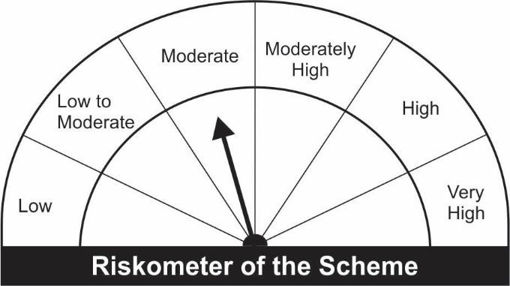

JM Liquid Fund (An Open-Ended Liquid Scheme) A relatively low interest rate risk and moderate credit risk.
Portfolio as on 31.03.2022
Name of the Instruments | Industry/Rating | Quantity | Market Value (Rs. In Lakhs) | % age to NAV | ISIN | Yield % | ^YTC (AT1/Tier 2 bonds)

DEBT INSTRUMENTS
a) Listed/Awaiting Listing On Stock Exchange
Piramal Capital & Housing Finance Ltd.** | CARE AA | 250 | 2,002.28 | 1.48 | INE516Y07105 | 6.0086
Sub Total: |  |  | 2,002.28 | 1.48

b) Zero Coupon Bond
Kotak Mahindra Investments Ltd.** | CRISIL A1+ | 78 | 779.53 | 0.57 | INE975F07GF7 | 4.3790
Sub Total: |  |  | 779.53 | 0.57

c) Privately Placed / Unlisted |  |  | NIL | NIL

Total: |  |  | 2,781.81 | 2.05 | -

TERM DEPOSITS

Deposits (Maturity not exceeding 91 days) |  |  | NIL | NIL

Deposits (Placed as F & O margin) |  |  | NIL | NIL

MONEY MARKET INSTRUMENTS
Certificate of Deposit (CD) / Commercial Paper (CP)
Indian Oil Corporation Ltd.CP | CRISIL A1+ | 1,000 | 4,998.52 | 3.68 | INE242A14VY9 | 3.6024
Godrej & Boyce Mfg Company Ltd.CP | CRISIL A1+ | 1,000 | 4,994.32 | 3.68 | INE982D14AF7 | 4.1511
Nabha Power Ltd.CP** | CRISIL A1+ | 1,000 | 4,988.22 | 3.68 | INE445L14CE7 | 4.7897
Indian Bank.CD | CRISIL A1+ | 1,000 | 4,983.92 | 3.67 | INE562A16KC4 | 3.8006
Canara Bank CD** | CRISIL A1+ | 1,000 | 4,982.58 | 3.67 | INE476A16SM9 | 3.7549
L&T Finance Ltd.CP** | CARE A1+ | 1,000 | 4,980.91 | 3.67 | INE027E14LY7 | 4.2402
Reliance Retail Ventures Ltd.CP** | CARE A1+ | 1,000 | 4,975.24 | 3.67 | INE929O14537 | 3.9501
HDFC Bank Ltd.CD** | CARE A1+ | 1,000 | 4,972.56 | 3.67 | INE040A16CQ8 | 3.8003
NABARD.CP** | ICRA A1+ | 1,000 | 4,972.24 | 3.66 | INE261F14IP3 | 3.7747
IndusInd Bank Ltd.CD | CRISIL A1+ | 1,000 | 4,970.59 | 3.66 | INE095A16N38 | 4.0748
Bank of Baroda CD | IND A1+ | 1,000 | 4,968.04 | 3.66 | INE028A16CQ3 | 3.8502
IDFC First Bank Ltd.CD** | CRISIL A1+ | 1,000 | 4,963.56 | 3.66 | INE092T16QV9 | 4.0000
Axis Bank Ltd.CD** | IND A1+ | 1,000 | 4,960.93 | 3.66 | INE238A163X4 | 3.8333
Indian Bank CD | CRISIL A1+ | 1,000 | 4,953.20 | 3.65 | INE562A16KH3 | 3.8749
Birla Group Holdings Pvt. Ltd.CP** | CRISIL A1+ | 1,000 | 4,946.92 | 3.65 | INE09OL14AJ2 | 4.6624
ICICI Securities Ltd.CP** | CRISIL A1+ | 800 | 3,963.96 | 2.92 | INE763G14LP0 | 4.3098
Bank of Baroda CD | IND A1+ | 500 | 2,497.46 | 1.84 | INE028A16CJ8 | 3.7177
Bank of Baroda CD** | IND A1+ | 500 | 2,489.60 | 1.83 | INE028A16CM2 | 3.7189
ICICI Securities Ltd.CP** | ICRA A1+ | 500 | 2,486.65 | 1.83 | INE763G14LW6 | 4.2599
Axis Bank Ltd.CD | CRISIL A1+ | 300 | 1,494.99 | 1.10 | INE238A160Y8 | 3.9493
Reliance Industries Ltd.CP | CARE A1+ | 300 | 1,486.01 | 1.10 | INE002A14IN7 | 3.9499
Treasury Bills
364 Days Treasury-Bill 09/06/2022 | GOI SOV | 5,000,000 | 4,964.90 | 3.66 | IN002021Z103 | 3.7403
182 Days Treasury-Bill 14/04/2022 | GOI SOV | 4,000,000 | 3,995.36 | 2.94 | IN002021Y296 | 3.2593
91 Days Treasury-Bill 19/06/2022 | GOI SOV | 3,000,000 | 2,978.94 | 2.20 | IN002021X561 | 3.7403
91 Days Treasury-Bill 14/04/2022 | GOI SOV | 2,500,000 | 2,497.16 | 1.84 | IN002021X488 | 3.1974
91 Days Treasury-Bill 12/05/2022 | GOI SOV | 2,000,000 | 1,992.17 | 1.47 | IN002021X520 | 3.4999
91 Days Treasury-Bill 02/06/2022 | GOI SOV | 2,000,000 | 1,987.44 | 1.46 | IN002021X553 | 3.7202
364 Days Treasury-Bill 19/05/2022 | GOI SOV | 1,500,000 | 1,492.99 | 1.10 | IN002021Z079 | 3.5701
182 Days Treasury-Bill 30/06/2022 | GOI SOV | 1,000,000 | 990.84 | 0.73 | IN002021Y403 | 3.7500
182 Days Treasury-Bill 12/05/2022 | GOI SOV | 500,000 | 498.04 | 0.37 | IN002021Y338 | 3.4999
Sub Total: |  |  | 110,428.21 | 81.39

TREPS-Triparty Repo |  | - | 23,325.02 | 17.19 | - | 3.6901

Sub Total: |  |  | 23,325.02 | 17.19

Total: |  |  | 136,535.04 | 100.63 | -

Net Current Assets |  |  | (858.97) | (0.63)

Net Assets |  |  | 135,676.07 | 100.00

** Non Traded.

Number of Instances of Deviation In valuation Of Securities as per Sebi circular ref no SEBI/HO/IMD/DF4/CIR/P/2019/102 dated September 24, 2019- Nil
^ YTC i.e. Yield to Call is disclosed at security level only for Additional Tier 1 Bonds and Tier 2 Bonds issued by Banks as per AMFI Best Practices Notification 135/BP/91/2020-21 read with SEBI circular SEBI/HO/IMD/DF4/CIR/P/2021/034
Where the scheme has invested in floating rate instruments and / or interest rate derivatives, the following disclaimer may be read in regard to such investment;
"This scheme has exposure to floating rate instruments and / or interest rate derivatives. The duration of these instruments is linked to the interest rate reset period. The interest rate risk in a floating rate instrument or in a fixed rate instrument hedged with derivatives is likely to be lesser than that in an equivalent maturity fixed rate instrument. Under some market circumstances the volatility may be of an order greater than what may ordinarily be expected considering only its duration. Hence investors are recommended to consider the unadjusted portfolio maturity of the scheme as well and exercise adequate due diligence when deciding to make their investments"

This Product is suitable for investors who are seeking* |  |  | Benchmark of the scheme CRISIL Liquid Fund Index
• Regular Income over Short Term.
• Investment in debt and money market securities with maturity of upto 91 days only.
*Investors should consult their financial advisers if in doubt about whether the product is suitable for them.

