MS
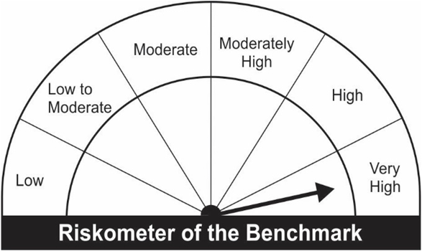
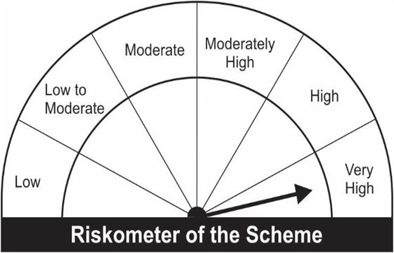
JM Flexicap Fund (An open ended dynamic equity scheme investing across large cap, mid cap, small cap stocks).
Portfolio as on 31.03.2022
Name of the Instruments | Industry/Rating | Quantity | Market Value (Rs. In Lakhs) | % age to NAV | ISIN | Yield % | ^YTC (AT1/Tier 2 bonds)
EQUITY & EQUITY RELATED
a) Listed/Awaiting Listing On Stock Exchange
Infosys Ltd. | Software | 62,450 | 1,190.83 | 6.13 | INE009A01021
Reliance Industries Ltd. | Petroleum Products | 44,516 | 1,172.89 | 6.03 | INE002A01018
Tata Consultancy Services Ltd. | Software | 30,335 | 1,134.51 | 5.84 | INE467B01029
Larsen & Toubro Ltd. | Construction Project | 62,481 | 1,104.45 | 5.68 | INE018A01030
State Bank of India | Banks | 202,500 | 999.44 | 5.14 | INE062A01020
HDFC Bank Ltd. | Banks | 58,500 | 860.15 | 4.42 | INE040A01034
ICICI Bank Ltd. | Banks | 105,000 | 766.82 | 3.94 | INE090A01021
Cummins India Ltd. | Industrial Products | 66,000 | 740.06 | 3.81 | INE298A01020
SKF India Ltd. | Industrial Products | 20,370 | 719.96 | 3.70 | INE640A01023
Mahindra & Mahindra Financial Services Ltd. | Finance | 440,650 | 701.29 | 3.61 | INE774D01024
Ashok Leyland Ltd. | Auto | 595,500 | 698.22 | 3.59 | INE208A01029
Sun Pharmaceutical Industries Ltd. | Pharmaceuticals | 70,000 | 640.33 | 3.29 | INE044A01036
Bajaj Finserv Ltd. | Insurance | 3,736 | 637.38 | 3.28 | INE918I01018
Bajaj Finance Ltd. | Finance | 8,400 | 609.84 | 3.14 | INE296A01024
Housing Development Finance Corporation Ltd. | Finance | 24,810 | 593.06 | 3.05 | INE001A01036
Ultratech Cement Ltd. | Cement & Cement Products | 8,850 | 584.30 | 3.01 | INE481G01011
Maruti Suzuki India Ltd. | Auto | 7,650 | 578.44 | 2.98 | INE585B01010
United Spirits Ltd. | Consumer Non Durables | 52,500 | 466.38 | 2.40 | INE854D01024
Bharti Airtel Ltd. | Telecom - Services | 56,434 | 426.05 | 2.19 | INE397D01024
Bosch Ltd. | Auto Ancillaries | 2,780 | 401.39 | 2.06 | INE323A01026
Fortis Healthcare Ltd. | Healthcare Services | 137,501 | 399.30 | 2.05 | INE061F01013
Tech Mahindra Ltd. | Software | 25,000 | 374.86 | 1.93 | INE669C01036
SBI Life Insurance Company Ltd. | Insurance | 30,000 | 336.44 | 1.73 | INE123W01016
Thermax Ltd. | Industrial Capital Goods | 17,266 | 334.80 | 1.72 | INE152A01029
Vedanta Ltd. | Non - Ferrous Metals | 81,000 | 326.71 | 1.68 | INE205A01025
ICICI Securities Ltd. | Capital Markets | 52,500 | 326.16 | 1.68 | INE763G01038
Bharat Forge Ltd. | Industrial Products | 41,500 | 290.75 | 1.50 | INE465A01025
Pidilite Industries Ltd. | Chemicals | 11,750 | 288.38 | 1.48 | INE318A01026
Indraprastha Gas Ltd. | Gas | 73,000 | 272.40 | 1.40 | INE203G01027
Asian Paints Ltd. | Consumer Non Durables | 8,650 | 266.42 | 1.37 | INE021A01026
Titan Company Ltd. | Consumer Durables | 9,750 | 247.27 | 1.27 | INE280A01028
Bajaj Electricals Ltd. | Consumer Durables | 22,608 | 242.97 | 1.25 | INE193E01025
Chemplast Sanmar Ltd. | Chemicals | 34,341 | 228.42 | 1.17 | INE488A01050
Bharti Airtel Limited - Rights Partly Paid | Telecom - Services | 4,430 | 17.54 | 0.09 | IN9397D01014
Sub Total: |  |  | 18,978.19 | 97.62

b) Unlisted |  |  | NIL | NIL

Total: |  |  | 18,978.19 | 97.62

DEBT INSTRUMENTS
a) Listed/Awaiting Listing On Stock Exchange
Britannia Industries Ltd.** | CRISIL AAA | 17,557 | 5.34 | 0.03 | INE216A07052 | 4.5049
Sub Total: |  |  | 5.34 | 0.03

b) Privately Placed / Unlisted |  |  | NIL | NIL

Total: |  |  | 5.34 | 0.03 | -

TERM DEPOSITS

Deposits (Maturity not exceeding 91 days) |  |  | NIL | NIL

Deposits (Placed as F & O margin) |  |  | NIL | NIL

MONEY MARKET INSTRUMENTS

TREPS-Triparty Repo |  | - | 530.27 | 2.73 | - | 3.6901

Sub Total: |  |  | 530.27 | 2.73

Total: |  |  | 19,513.79 | 100.37 | -

Net Current Assets |  |  | (72.81) | (0.37)

Net Assets |  |  | 19,440.99 | 100.00

** Non Traded.

Number of Instances of Deviation In valuation Of Securities as per Sebi circular ref no SEBI/HO/IMD/DF4/CIR/P/2019/102 dated September 24, 2019- Nil
^ YTC i.e. Yield to Call is disclosed at security level only for Additional Tier 1 Bonds and Tier 2 Bonds issued by Banks as per AMFI Best Practices Notification 135/BP/91/2020-21 read with SEBI circular SEBI/HO/IMD/DF4/CIR/P/2021/034
Where the scheme has invested in floating rate instruments and / or interest rate derivatives, the following disclaimer may be read in regard to such investment;
"This scheme has exposure to floating rate instruments and / or interest rate derivatives. The duration of these instruments is linked to the interest rate reset period. The interest rate risk in a floating rate instrument or in a fixed rate instrument hedged with derivatives is likely to be lesser than that in an equivalent maturity fixed rate instrument. Under some market circumstances the volatility may be of an order greater than what may ordinarily be expected considering only its duration. Hence investors are recommended to consider the unadjusted portfolio maturity of the scheme as well and exercise adequate due diligence when deciding to make their investments"

This Product is suitable for investors who are seeking* |  |  | Benchmark of the scheme - S&P BSE 500 TRI
• Capital appreciation over Long Term.
• Investment predominantly in Equity & Equity related securities investing across market capitalization.
*Investors should consult their financial advisers if in doubt about whether the product is suitable for them.

