IF
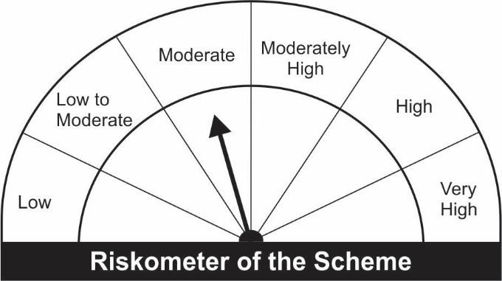

JM Income Fund (An open ended medium term debt scheme investing in instruments such that the Macaulay duration of the portfolio is between 4 years to 7 years.) A relatively high interest rate risk and relatively low credit risk.
Name of the Instruments | Industry/Rating | Quantity | Market Value (Rs. In Lakhs) | % age to NAV | ISIN | Yield % | ^YTC (AT1/Tier 2 bonds)

DEBT INSTRUMENTS
a) Listed/Awaiting Listing On Stock Exchange |  |  | NIL | NIL

b) Privately Placed / Unlisted |  |  | NIL | NIL

TERM DEPOSITS

Deposits (Maturity not exceeding 91 days) |  |  | NIL | NIL
Sub Total: |  |  | - | - | -

Deposits (Placed as F & O margin) |  |  | NIL | NIL

GOVERNMENT SECURITIES
5.63% Government of India Securities 2026 12/04/2026 | GOI SOV | 1,000,000 | 990.22 | 45.10 | IN0020210012 | 5.8937
6.79% Government of India Securities 2027 15/05/2027 | GOI SOV | 500,000 | 512.32 | 23.33 | IN0020170026 | 6.2333
6.10% Government of India Securities 2031 12/07/2031 | GOI SOV | 500,000 | 479.45 | 21.84 | IN0020210095 | 6.6932
Sub Total: |  |  | 1,981.99 | 90.27

MONEY MARKET INSTRUMENTS
Treasury Bills
91 Days Treasury-Bill 24/02/2022 | GOI SOV | 55,000 | 54.88 | 2.50 | IN002021X371 | 3.5006
91 Days Treasury-Bill 02/02/2022 | GOI SOV | 52,000 | 52.00 | 2.37 | IN002021X348 | 3.3218
Sub Total: |  |  | 106.87 | 4.87

TREPS-Triparty Repo |  | - | 79.03 | 3.60 | - | 3.1389
Sub Total: |  |  | 79.03 | 3.60

Total: |  |  | 2,167.89 | 98.73 | -

Net Current Assets |  |  | 27.82 | 1.27

Net Assets |  |  | 2,195.71 | 100.00

Number of Instances of Deviation In valuation Of Securities as per Sebi circular ref no SEBI/HO/IMD/DF4/CIR/P/2019/102 dated September 24, 2019- Nil
^ YTC i.e. Yield to Call is disclosed at security level only for Additional Tier 1 Bonds and Tier 2 Bonds issued by Banks as per AMFI Best Practices Notification 135/BP/91/2020-21 read with SEBI circular SEBI/HO/IMD/DF4/CIR/P/2021/034

This Product is suitable for investors who are seeking* |  |  | Benchmark of the scheme - Crisil Composite Bond Fund Index
• Regular Income over Medium to Long Term.
• Investment in debt and money market securities such that the Macaulay duration of the portfolio is between 4 years – 7 years.
*Investors should consult their financial advisers if in doubt about whether the product is suitable for them.

