ON
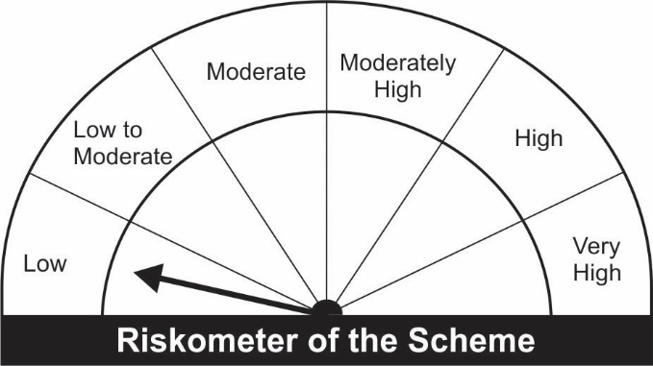
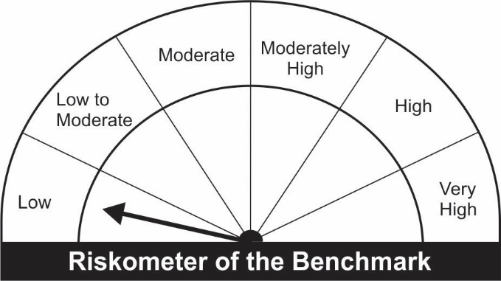
JM Overnight Fund (An open ended debt scheme investing in overnight securities) A relatively low interest rate risk and relatively low credit risk.
Name of the Instruments | Industry/Rating | Quantity | Market Value (Rs. In Lakhs) | % age to NAV | ISIN | Yield % | ^YTC (AT1/Tier 2 bonds)

DEBT INSTRUMENTS
a) Listed/Awaiting Listing On Stock Exchange |  |  | NIL | NIL

b) Privately Placed / Unlisted |  |  | NIL | NIL

TERM DEPOSITS

Deposits (Maturity not exceeding 91 days) |  |  | NIL | NIL

Deposits (Placed as F & O margin) | No. of Days |  | NIL | NIL

MONEY MARKET INSTRUMENTS
Treasury Bills
91 Days Treasury-Bill 24/02/2022 | GOI SOV | 100,000 | 99.78 | 0.74 | IN002021X371 | 3.5006
Sub Total: |  |  | 99.78 | 0.74

TREPS-Triparty Repo |  | - | 13,314.18 | 99.24 | - | 3.1851
Sub Total: |  |  | 13,314.18 | 99.24

Total: |  |  | 13,413.96 | 99.99 | -

Net Current Assets |  |  | 1.65 | 0.01

Net Assets |  |  | 13,415.61 | 100.00

Number of Instances of Deviation In valuation Of Securities as per Sebi circular ref no SEBI/HO/IMD/DF4/CIR/P/2019/102 dated September 24, 2019- Nil
^ YTC i.e. Yield to Call is disclosed at security level only for Additional Tier 1 Bonds and Tier 2 Bonds issued by Banks as per AMFI Best Practices Notification 135/BP/91/2020-21 read with SEBI circular SEBI/HO/IMD/DF4/CIR/P/2021/034

This Product is suitable for investors who are seeking* |  |  | Banchmark of the scheme - Crisil Overnight Index
• Short Term savings.
• Reasonable returns commensurate with low risk and providing a high level of liquidity
*Investors should consult their financial advisers if in doubt about whether the product is suitable for them.

