AA
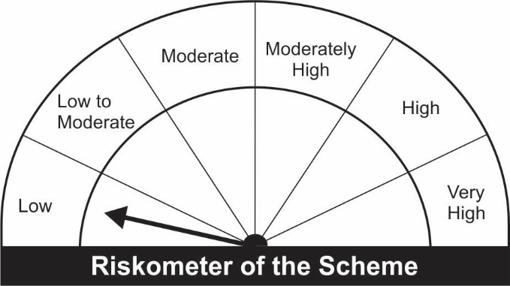
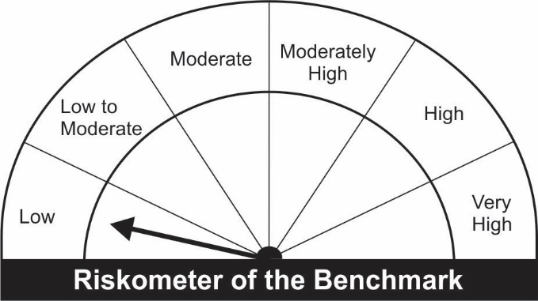
JM Arbitrage Fund (An open ended scheme investing in arbitrage opportunities)
Name of the Instruments | Industry/Rating | Quantity | Market Value (Rs. In Lakhs) | % age to NAV | ISIN | Yield % | ^YTC (AT1/Tier 2 bonds)
EQUITY & EQUITY RELATED
a) Listed/Awaiting Listing On Stock Exchange
Adani Ports and Special Economic Zone Ltd. | Transportation | 71,250 | 510.36 | 10.21 | INE742F01042
Adani Enterprises Ltd. | Minerals/Mining | 26,000 | 445.89 | 8.92 | INE423A01024
Tata Consultancy Services Ltd. | Software | 7,050 | 263.41 | 5.27 | INE467B01029
HCL Technologies Ltd. | Software | 23,100 | 253.96 | 5.08 | INE860A01027
Housing Development Finance Corporation Ltd. | Finance | 9,900 | 249.58 | 4.99 | INE001A01036
Multi Commodity Exchange of India Ltd. | Capital Markets | 12,600 | 193.74 | 3.88 | INE745G01035
Tata Communications Ltd. | Telecom - Services | 14,800 | 189.93 | 3.80 | INE151A01013
Larsen & Toubro Ltd. | Construction Project | 9,200 | 175.65 | 3.51 | INE018A01030
Reliance Industries Ltd. | Petroleum Products | 6,750 | 161.10 | 3.22 | INE002A01018
IndusInd Bank Ltd. | Banks | 15,300 | 133.43 | 2.67 | INE095A01012
Tech Mahindra Ltd. | Software | 8,400 | 124.24 | 2.49 | INE669C01036
Bajaj Finance Ltd. | Finance | 1,750 | 122.50 | 2.45 | INE296A01024
Asian Paints Ltd. | Consumer Non Durables | 3,750 | 118.21 | 2.36 | INE021A01026
Jindal Steel & Power Ltd. | Ferrous Metals | 17,500 | 67.55 | 1.35 | INE749A01030
Cadila Healthcare Ltd. | Pharmaceuticals | 14,300 | 58.13 | 1.16 | INE010B01027
Pidilite Industries Ltd. | Chemicals | 2,250 | 55.27 | 1.11 | INE318A01026
ICICI Bank Ltd. | Banks | 6,875 | 54.23 | 1.08 | INE090A01021
HDFC Bank Ltd. | Banks | 3,300 | 49.03 | 0.98 | INE040A01034
Escorts Ltd. | Auto | 1,650 | 30.53 | 0.61 | INE042A01014
Eicher Motors Ltd. | Auto | 700 | 18.52 | 0.37 | INE066A01021
SRF Ltd. | Chemicals | 375 | 9.03 | 0.18 | INE647A01010
HDFC Life Insurance Company Ltd. | Insurance | 1,100 | 6.85 | 0.14 | INE795G01014
Sub Total: |  |  | 3,291.12 | 65.83

b) Unlisted |  |  | NIL | NIL

Total: |  |  | 3,291.12 | 65.83

DEBT INSTRUMENTS
a) Listed/Awaiting Listing On Stock Exchange |  |  | NIL | NIL

b) Privately Placed / Unlisted |  |  | NIL | NIL

TERM DEPOSITS

Deposits (Maturity not exceeding 91 days) |  |  | NIL | NIL

Deposits (Placed as F & O margin) | No. of Days
HDFC Bank Ltd. | 377 |  | 100.00 | 2.00 | -
Sub Total: |  |  | 100.00 | 2.00

MONEY MARKET INSTRUMENTS
Treasury Bills
91 Days Treasury-Bill 17/03/2022 | GOI SOV | 500,000 | 497.83 | 9.96 | IN002021X405 | 3.6201
182 Days Treasury-Bill 14/07/2022 | GOI SOV | 500,000 | 490.91 | 9.82 | IN002021Y445 | 4.1464
Sub Total: |  |  | 988.74 | 19.78

TREPS-Triparty Repo |  | - | 469.74 | 9.40 | - | 3.1389
Sub Total: |  |  | 469.74 | 9.40

Total: |  |  | 4,849.60 | 97.01 | -

Net Current Assets |  |  | 149.53 | 2.99

Net Assets |  |  | 4,999.12 | 100.00

Number of Instances of Deviation In valuation Of Securities as per Sebi circular ref no SEBI/HO/IMD/DF4/CIR/P/2019/102 dated September 24, 2019- Nil
^ YTC i.e. Yield to Call is disclosed at security level only for Additional Tier 1 Bonds and Tier 2 Bonds issued by Banks as per AMFI Best Practices Notification 135/BP/91/2020-21 read with SEBI circular SEBI/HO/IMD/DF4/CIR/P/2021/034

Hedging Positions through futures as on January 31, 2022:
Underlying | Long / Short | Quantity | Futures price when purchased (Rs.) | Current price of the Contract (Rs.) | Total Margin maintained in(Rs. In Lakhs)
Adani Enterprises Ltd.-Feb-2022 | Short | 26,000 | 1,774.48 | 1,722.30 | 132.72
Adani Ports and Special Economic Zone Ltd.-Feb-2022 | Short | 71,250 | 714.15 | 719.65 | 199.83
Asian Paints Ltd.-Feb-2022 | Short | 3,750 | 3,098.04 | 3,157.15 | 21.43
Bajaj Finance Ltd.-Feb-2022 | Short | 1,750 | 6,940.72 | 7,015.60 | 29.79
Cadila Healthcare Ltd.-Feb-2022 | Short | 14,300 | 391.36 | 407.00 | 11.80
Eicher Motors Ltd.-Feb-2022 | Short | 700 | 2,698.46 | 2,653.20 | 4.22
Escorts Ltd.-Feb-2022 | Short | 1,650 | 1,855.68 | 1,852.95 | 7.28
HCL Technologies Ltd.-Feb-2022 | Short | 23,100 | 1,127.30 | 1,104.40 | 59.66
HDFC Bank Ltd.-Feb-2022 | Short | 3,300 | 1,456.41 | 1,488.00 | 8.69
Housing Development Finance Corporation Ltd.-Feb-2022 | Short | 9,900 | 2,559.36 | 2,532.70 | 64.69
HDFC Life Insurance Company Ltd.-Feb-2022 | Short | 1,100 | 642.52 | 625.15 | 1.53
ICICI Bank Ltd.-Feb-2022 | Short | 6,875 | 813.97 | 792.40 | 11.76
IndusInd Bank Ltd.-Feb-2022 | Short | 15,300 | 872.77 | 873.55 | 39.47
Jindal Steel & Power Ltd.-Feb-2022 | Short | 17,500 | 380.44 | 386.35 | 30.47
Larsen & Toubro Ltd.-Feb-2022 | Short | 9,200 | 1,938.08 | 1,912.75 | 33.69
Multi Commodity Exchange of India Ltd.-Feb-2022 | Short | 12,600 | 1,529.11 | 1,540.90 | 46.80
Pidilite Industries Ltd.-Feb-2022 | Short | 2,250 | 2,641.92 | 2,459.00 | 10.60
Reliance Industries Ltd.-Feb-2022 | Short | 6,750 | 2,459.01 | 2,392.20 | 35.67
SRF Ltd.-Feb-2022 | Short | 375 | 2,467.46 | 2,408.15 | 2.16
Tata Communications Ltd.-Feb-2022 | Short | 14,800 | 1,285.68 | 1,286.20 | 46.83
Tata Consultancy Services Ltd.-Feb-2022 | Short | 7,050 | 3,775.45 | 3,753.00 | 55.38
Tech Mahindra Ltd.-Feb-2022 | Short | 8,400 | 1,554.98 | 1,481.75 | 27.25

Total outstanding exposure in derivative instruments at the end of the period - Short -(Rs in Lakhs) : (3,302.01)

Total 66.05% of existing assets hedged through futures as on 31/01/2022
For the period ended January 31, 2022, following are the hedging transactions through futures which have been squared off / expired :
Total number of contracts where futures were bought |  |  | 495
Total number of contracts where futures were sold |  |  | 500
Gross notional value of contracts where futures were bought (Rs. In Lakhs) |  |  | 3,567.34
Gross notional value of contracts where futures were sold (Rs. In Lakhs) |  |  | 3,620.61
Net Profit /(Loss) on all contracts combined (Rs.in Lakhs) |  |  | 31.84

Total exposure due to futures (non hedging positions) was 0% of net assets as on 31/01/2022
For the period ended January 31, 2022, following are the non-hedging transactions through futures which have been squared off / expired :
Total number of contracts where futures were bought |  |  | 37
Total number of contracts where futures were sold |  |  | 37
Gross notional value of contracts where futures were bought (Rs. In Lakhs) |  |  | 189.34
Gross notional value of contracts where futures were sold (Rs. In Lakhs) |  |  | 189.15
Net Profit /(Loss) on all contracts combined (Rs.in Lakhs) |  |  | (0.19)

This Product is suitable for investors who are seeking* |  |  | Benchmark of the scheme - Nifty 50 Arbitrage Index
• Regular Income over Medium Term
• Income through arbitrage by investment predominantly in Equity Stocks and taking offsetting positions in Equity Futures and Options.
*Investors should consult their financial advisers if in doubt about whether the product is suitable for them.

