LD

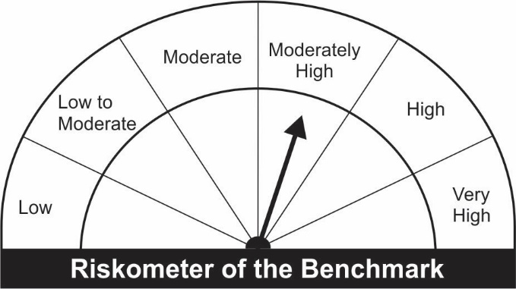
JM Low Duration Fund (An open ended low duration debt scheme investing in instruments such that the Macaulay duration of the portfolio is between 6 to 12 months) A relatively low interest rate risk and moderate credit risk.
Name of the Instruments | Industry/Rating | Quantity | Market Value (Rs. In Lakhs) | % age to NAV | ISIN | Yield % | ^YTC (AT1/Tier 2 bonds)
EQUITY & EQUITY RELATED
a) Listed/Awaiting Listing On Stock Exchange |  |  | NIL | NIL

b) Unlisted |  |  | NIL | NIL

DEBT INSTRUMENTS
a) Listed/Awaiting Listing On Stock Exchange
Hindalco Industries Ltd.** | CRISIL AA+ | 100 | 1,025.77 | 7.66 | INE038A07274 | 4.8650
HDB Financial Services Ltd.** | CRISIL AAA | 100 | 1,025.22 | 7.66 | INE756I07DC9 | 5.4574
REC Ltd.** | CRISIL AAA | 100 | 1,015.74 | 7.59 | INE020B08AK2 | 4.5501
NABARD** | IND AAA | 100 | 1,015.09 | 7.58 | INE261F08BN5 | 4.4700
Tata Steel Ltd** | CARE AA+ | 50 | 915.69 | 6.84 | INE081A08181 | 4.4250
Dalmia Cement (Bharat) Ltd.** | ICRA AA+ | 70 | 708.54 | 5.29 | INE290B07063 | 4.4499
Bajaj Finance Ltd.** | CRISIL AAA | 50 | 509.82 | 3.81 | INE296A07QX1 | 4.9149
Housing Development Finance Corporation Ltd.** | CRISIL AAA | 50 | 508.15 | 3.80 | INE001A07RW5 | 4.6250
Reliance Industries Ltd ** | CRISIL AAA | 50 | 507.51 | 3.79 | INE002A08476 | 4.5600
Power Finance Corporation Ltd.** | CRISIL AAA | 50 | 507.22 | 3.79 | INE134E08JD1 | 4.5000
SIDBI Ltd.** | CARE AAA | 50 | 507.20 | 3.79 | INE556F08JN1 | 4.4049
Mahindra & Mahindra Financial Services Ltd.** | IND AAA | 50 | 505.29 | 3.77 | INE774D07SC1 | 4.3750
Bharat Petroleum Corporation Ltd.** | CRISIL AAA | 5 | 50.32 | 0.38 | INE029A07075 | 3.9826
Sub Total: |  |  | 8,801.54 | 65.74

b) Privately Placed / Unlisted |  |  | NIL | NIL

Total: |  |  | 8,801.54 | 65.74 | -

TERM DEPOSITS

Deposits (Maturity not exceeding 91 days) |  |  | NIL | NIL

Deposits (Placed as F & O margin) |  |  | NIL | NIL

MONEY MARKET INSTRUMENTS
Certificate of Deposit (CD) / Commercial Paper (CP)
Piramal Capital & Housing Finance Ltd.CP** | CARE A1+ | 200 | 989.60 | 7.39 | INE516Y14BL5 | 5.9002
Axis Bank Ltd.CD** | CRISIL A1+ | 1,000 | 985.55 | 7.36 | INE238A161W0 | 4.0539
Treasury Bills
364 Days Treasury-Bill 17/03/2022 | GOI SOV | 1,500,000 | 1,489.29 | 11.12 | IN002020Z501 | 3.4998
364 Days Treasury-Bill 29/12/2022 | GOI SOV | 500,000 | 479.91 | 3.58 | IN002021Z400 | 4.2200
Sub Total: |  |  | 3,944.36 | 29.46

TREPS-Triparty Repo |  | - | 372.82 | 2.78 | - | 3.4187
Sub Total: |  |  | 372.82 | 2.78

Total: |  |  | 13,118.71 | 97.99 | -

Net Current Assets |  |  | 268.96 | 2.01

Net Assets |  |  | 13,387.67 | 100.00

** Non Traded.
Number of Instances of Deviation In valuation Of Securities as per Sebi circular ref no SEBI/HO/IMD/DF4/CIR/P/2019/102 dated September 24, 2019- Nil
^ YTC i.e. Yield to Call is disclosed at security level only for Additional Tier 1 Bonds and Tier 2 Bonds issued by Banks as per AMFI Best Practices Notification 135/BP/91/2020-21 read with SEBI circular SEBI/HO/IMD/DF4/CIR/P/2021/034

This Product is suitable for investors who are seeking* |  |  | Benchmark of the scheme - Crisil Low Duration Debt Index
• Regular Income over Short Term.
• Investment in Debt and Money Market securities such that the Macaulay duration of the portfolio is between 6 months - 12 months.
*Investors should consult their financial advisers if in doubt about whether the product is suitable for them.

