AA
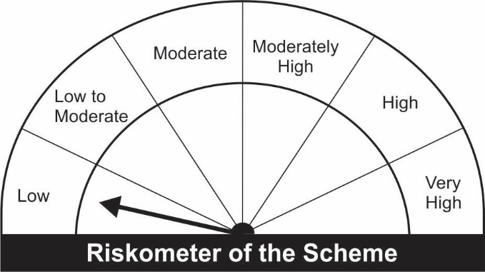
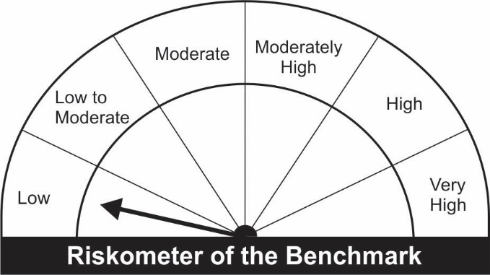
JM Arbitrage Fund (An open ended scheme investing in arbitrage opportunities)
Name of the Instruments | Industry/Rating | Quantity | Market Value (Rs. In Lakhs) | % age to NAV | ISIN | Yield % | ^YTC (AT1/Tier 2 bonds)
EQUITY & EQUITY RELATED
a) Listed/Awaiting Listing On Stock Exchange
Adani Ports and Special Economic Zone Ltd. | Transportation | 71,250 | 520.34 | 10.44 | INE742F01042
Adani Enterprises Ltd. | Minerals/Mining | 26,000 | 444.46 | 8.92 | INE423A01024
ITC Ltd. | Consumer Non Durables | 140,800 | 307.01 | 6.16 | INE154A01025
Tata Consultancy Services Ltd. | Software | 7,050 | 263.55 | 5.29 | INE467B01029
HCL Technologies Ltd. | Software | 14,000 | 184.67 | 3.71 | INE860A01027
Larsen & Toubro Ltd. | Construction Project | 9,200 | 174.42 | 3.50 | INE018A01030
Reliance Industries Ltd. | Petroleum Products | 6,750 | 159.85 | 3.21 | INE002A01018
Tech Mahindra Ltd. | Software | 8,400 | 150.41 | 3.02 | INE669C01036
Multi Commodity Exchange of India Ltd. | Capital Markets | 9,100 | 144.03 | 2.89 | INE745G01035
Jindal Steel & Power Ltd. | Ferrous Metals | 37,500 | 141.47 | 2.84 | INE749A01030
Tata Steel Ltd. | Ferrous Metals | 11,050 | 122.82 | 2.47 | INE081A01012
IndusInd Bank Ltd. | Banks | 13,500 | 119.90 | 2.41 | INE095A01012
Bharti Airtel Ltd. | Telecom - Services | 15,200 | 103.94 | 2.09 | INE397D01024
Hindustan Unilever Ltd. | Consumer Non Durables | 4,200 | 99.13 | 1.99 | INE030A01027
Axis Bank Ltd. | Banks | 12,000 | 81.43 | 1.63 | INE238A01034
Pidilite Industries Ltd. | Chemicals | 2,250 | 55.41 | 1.11 | INE318A01026
HDFC Asset Management Company Ltd. | Capital Markets | 2,000 | 48.92 | 0.98 | INE127D01025
ICICI Prudential Life Insurance Company Limited | Insurance | 8,250 | 46.27 | 0.93 | INE726G01019
Indus Towers Ltd. | Telecom - Services | 16,800 | 41.71 | 0.84 | INE121J01017
Cadila Healthcare Ltd. | Pharmaceuticals | 5,500 | 26.57 | 0.53 | INE010B01027
Kotak Mahindra Bank Ltd. | Banks | 1,200 | 21.55 | 0.43 | INE237A01028
Eicher Motors Ltd. | Auto | 700 | 18.14 | 0.36 | INE066A01021
Bajaj Finance Ltd. | Finance | 250 | 17.44 | 0.35 | INE296A01024
Grasim Industries Ltd. | Cement & Cement Products | 950 | 15.41 | 0.31 | INE047A01021
Infosys Ltd. | Software | 300 | 5.66 | 0.11 | INE009A01021
Sub Total: |  |  | 3,314.53 | 66.53

b) Unlisted |  |  | NIL | NIL

Total: |  |  | 3,314.53 | 66.53

DEBT INSTRUMENTS
a) Listed/Awaiting Listing On Stock Exchange |  |  | NIL | NIL

b) Privately Placed / Unlisted |  |  | NIL | NIL

TERM DEPOSITS

Deposits (Maturity not exceeding 91 days)

Deposits (Placed as F & O margin) | No. of Days
HDFC Bank Ltd. | 186 |  | 100.00 | 2.01 | -
HDFC Bank Ltd. | 377 |  | 100.00 | 2.01 | -
Sub Total: |  |  | 200.00 | 4.01

MONEY MARKET INSTRUMENTS
Certificate of Deposit (CD) / Commercial Paper (CP)
Treasury Bills
364 Days Treasury-Bill 20/01/2022 | GOI SOV | 500,000 | 499.16 | 10.02 | IN002020Z428 | 3.2501
91 Days Treasury-Bill 17/03/2022 | GOI SOV | 500,000 | 496.43 | 9.97 | IN002021X405 | 3.5000
Sub Total: |  |  | 995.59 | 19.98

TREPS-Triparty Repo |  | - | 218.76 | 4.39 | - | 3.4187
Sub Total: |  |  | 218.76 | 4.39

Total: |  |  | 4,728.88 | 94.92 | -

Net Current Assets |  |  | 252.85 | 5.08

Net Assets |  |  | 4,981.73 | 100.00

Number of Instances of Deviation In valuation Of Securities as per Sebi circular ref no SEBI/HO/IMD/DF4/CIR/P/2019/102 dated September 24, 2019- Nil
^ YTC i.e. Yield to Call is disclosed at security level only for Additional Tier 1 Bonds and Tier 2 Bonds issued by Banks as per AMFI Best Practices Notification 135/BP/91/2020-21 read with SEBI circular SEBI/HO/IMD/DF4/CIR/P/2021/034

Hedging Positions through futures as on December 31, 2021:
Underlying | Long / Short | Quantity | Futures price when purchased (Rs.) | Current price of the Contract (Rs.) | Total Margin maintained in(Rs. In Lakhs)
Adani Enterprises Ltd.-Jan-2022 | Short | 26,000 | 1,706.37 | 1,719.85 | 132.37
Adani Ports and Special Economic Zone Ltd.-Jan-2022 | Short | 71,250 | 731.62 | 734.50 | 206.73
Axis Bank Ltd.-Jan-2022 | Short | 12,000 | 678.17 | 680.35 | 20.13
Bajaj Finance Ltd.-Jan-2022 | Short | 250 | 6,899.09 | 7,010.85 | 4.28
Bharti Airtel Ltd.-Jan-2022 | Short | 15,200 | 686.56 | 687.35 | 25.89
Cadila Healthcare Ltd.-Jan-2022 | Short | 5,500 | 463.52 | 484.75 | 5.40
Eicher Motors Ltd.-Jan-2022 | Short | 700 | 2,520.70 | 2,602.30 | 4.14
Grasim Industries Ltd.-Jan-2022 | Short | 950 | 1,632.27 | 1,631.75 | 3.88
HCL Technologies Ltd.-Jan-2022 | Short | 14,000 | 1,280.31 | 1,314.20 | 43.34
HDFC Asset Management Company Ltd.-Jan-2022 | Short | 2,000 | 2,505.00 | 2,452.10 | 9.31
Hindustan Unilever Ltd.-Jan-2022 | Short | 4,200 | 2,298.70 | 2,366.30 | 17.57
ICICI Prudential Life Insurance Company Limited-Jan-2022 | Short | 8,250 | 565.08 | 563.15 | 15.94
IndusInd Bank Ltd.-Jan-2022 | Short | 13,500 | 877.40 | 891.80 | 36.50
Indus Towers Ltd.-Jan-2022 | Short | 16,800 | 241.88 | 249.50 | 14.63
Infosys Ltd.-Jan-2022 | Short | 300 | 1,902.41 | 1,898.85 | 1.00
ITC Ltd.-Jan-2022 | Short | 140,800 | 217.53 | 218.90 | 67.18
Jindal Steel & Power Ltd.-Jan-2022 | Short | 37,500 | 381.52 | 378.75 | 64.04
Kotak Mahindra Bank Ltd.-Jan-2022 | Short | 1,200 | 1,856.38 | 1,800.35 | 6.14
Larsen & Toubro Ltd.-Jan-2022 | Short | 9,200 | 1,902.32 | 1,906.75 | 33.47
Multi Commodity Exchange of India Ltd.-Jan-2022 | Short | 9,100 | 1,599.29 | 1,592.45 | 35.53
Pidilite Industries Ltd.-Jan-2022 | Short | 2,250 | 2,423.99 | 2,477.70 | 10.64
Reliance Industries Ltd.-Jan-2022 | Short | 6,750 | 2,386.51 | 2,381.50 | 35.42
Tata Steel Ltd.-Jan-2022 | Short | 11,050 | 1,127.07 | 1,116.60 | 39.00
Tata Consultancy Services Ltd.-Jan-2022 | Short | 7,050 | 3,711.58 | 3,744.35 | 55.38
Tech Mahindra Ltd.-Jan-2022 | Short | 8,400 | 1,805.79 | 1,800.80 | 33.01

Total outstanding exposure in derivative instruments at the end of the period - Short -(Rs in Lakhs) : (3,328.71)

Total 66.82% of existing assets hedged through futures as on 31/12/2021
For the period ended December 31, 2021, following are the hedging transactions through futures which have been squared off / expired :
Total number of contracts where futures were bought |  |  | 501
Total number of contracts where futures were sold |  |  | 473
Gross notional value of contracts where futures were bought (Rs. In Lakhs) |  |  | 3,549.08
Gross notional value of contracts where futures were sold (Rs. In Lakhs) |  |  | 3,442.70
Net Profit /(Loss) on all contracts combined (Rs.in Lakhs) |  |  | 25.73

Total exposure due to futures (non hedging positions) was 0% of net assets as on 31/12/2021
For the period ended December 31, 2021, following are the non-hedging transactions through futures which have been squared off / expired :
Total number of contracts where futures were bought |  |  | -
Total number of contracts where futures were sold |  |  | -
Gross notional value of contracts where futures were bought (Rs. In Lakhs) |  |  | -
Gross notional value of contracts where futures were sold (Rs. In Lakhs) |  |  | -
Net Profit /(Loss) on all contracts combined (Rs.in Lakhs) |  |  | -

This Product is suitable for investors who are seeking* |  |  | Benchmark of the scheme - Nifty 50 Arbitrage Index
• Regular Income over Medium Term
• Income through arbitrage by investment predominantly in Equity Stocks and taking offsetting positions in Equity Futures and Options.
*Investors should consult their financial advisers if in doubt about whether the product is suitable for them.

