AA
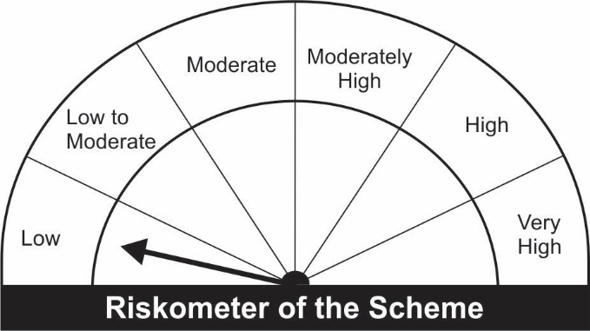
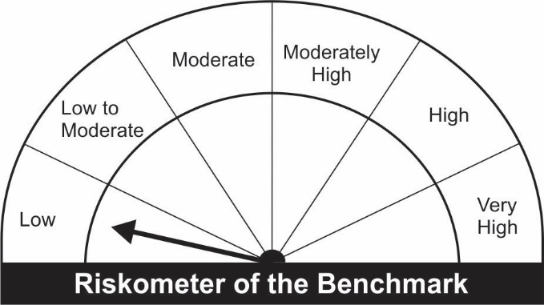
JM Arbitrage Fund (An open ended scheme investing in arbitrage opportunities)
Name of the Instruments | Industry/Rating | Quantity | Market Value (Rs. In Lakhs) | % age to NAV | ISIN | Yield % | ^YTC (AT1/Tier 2 bonds)
EQUITY & EQUITY RELATED
a) Listed/Awaiting Listing On Stock Exchange
Adani Ports and Special Economic Zone Ltd. | Transportation | 71,250 | 487.24 | 9.72 | INE742F01042
Adani Enterprises Ltd. | Minerals/Mining | 26,000 | 432.34 | 8.63 | INE423A01024
Tata Consultancy Services Ltd. | Software | 11,700 | 412.91 | 8.24 | INE467B01029
ITC Ltd. | Consumer Non Durables | 131,200 | 290.15 | 5.79 | INE154A01025
HCL Technologies Ltd. | Software | 21,000 | 239.12 | 4.77 | INE860A01027
IndusInd Bank Ltd. | Banks | 22,500 | 198.68 | 3.96 | INE095A01012
Eicher Motors Ltd. | Auto | 7,000 | 165.93 | 3.31 | INE066A01021
Multi Commodity Exchange of India Ltd. | Capital Markets | 9,100 | 145.51 | 2.90 | INE745G01035
Jindal Steel & Power Ltd. | Ferrous Metals | 37,500 | 128.83 | 2.57 | INE749A01030
HDFC Life Insurance Company Ltd | Insurance | 18,700 | 127.31 | 2.54 | INE795G01014
Tata Steel Ltd. | Ferrous Metals | 11,050 | 118.37 | 2.36 | INE081A01012
Reliance Industries Ltd. | Petroleum Products | 4,750 | 114.26 | 2.28 | INE002A01018
HDFC Asset Management Company Ltd. | Capital Markets | 4,000 | 100.45 | 2.00 | INE127D01025
Hindustan Unilever Ltd. | Consumer Non Durables | 4,200 | 97.34 | 1.94 | INE030A01027
Pidilite Industries Ltd. | Chemicals | 4,250 | 93.75 | 1.87 | INE318A01026
Axis Bank Ltd. | Banks | 12,000 | 78.68 | 1.57 | INE238A01034
Siemens Ltd. | Industrial Capital Goods | 2,475 | 53.26 | 1.06 | INE003A01024
Grasim Industries Ltd. | Cement & Cement Products | 950 | 15.79 | 0.32 | INE047A01021
Sub Total: |  |  | 3,299.91 | 65.84

b) Unlisted |  |  | NIL | NIL

Total: |  |  | 3,299.91 | 65.84

DEBT INSTRUMENTS
a) Listed/Awaiting Listing On Stock Exchange |  |  | NIL | NIL

b) Privately Placed / Unlisted |  |  | NIL | NIL

TERM DEPOSITS

Deposits (Maturity not exceeding 91 days) |  |  | NIL | NIL

Deposits (Placed as F & O margin) | No. of Days
HDFC Bank Ltd. | 377 |  | 100.00 | 2.00 | -
HDFC Bank Ltd. | 186 |  | 100.00 | 2.00 | -
Sub Total: |  |  | 200.00 | 4.00

MONEY MARKET INSTRUMENTS
Treasury Bills
182 Days Treasury-Bill 30/12/2021 | GOI SOV | 500,000 | 498.70 | 9.95 | IN002021Y130 | 3.2847
364 Days Treasury-Bill 20/01/2022 | GOI SOV | 500,000 | 497.67 | 9.93 | IN002020Z428 | 3.4199
Sub Total: |  |  | 996.37 | 19.88

TREPS-Triparty Repo |  | - | 553.27 | 11.04 | - | 3.2957
Sub Total: |  |  | 553.27 | 11.04

Total: |  |  | 5,049.55 | 100.75 | -

Net Current Assets |  |  | (37.74) | (0.75)

Net Assets |  |  | 5,011.81 | 100.00

Number of Instances of Deviation In valuation Of Securities as per Sebi circular ref no SEBI/HO/IMD/DF4/CIR/P/2019/102 dated September 24, 2019- Nil
^ YTC i.e. Yield to Call is disclosed at security level only for Additional Tier 1 Bonds and Tier 2 Bonds issued by Banks as per AMFI Best Practices Notification 135/BP/91/2020-21 read with SEBI circular SEBI/HO/IMD/DF4/CIR/P/2021/034

Hedging Positions through futures as on November 30, 2021:
Underlying | Long / Short | Quantity | Futures price when purchased (Rs.) | Current price of the Contract (Rs.) | Total Margin maintained in(Rs. In Lakhs)
Adani Enterprises Ltd.-Dec-2021 | Short | 26,000 | 1,711.20 | 1,665.00 | 128.71
Adani Ports and Special Economic Zone Ltd.-Dec-2021 | Short | 71,250 | 729.14 | 686.50 | 195.58
Axis Bank Ltd.-Dec-2021 | Short | 12,000 | 691.05 | 656.45 | 19.45
Eicher Motors Ltd.-Dec-2021 | Short | 7,000 | 2,529.24 | 2,379.05 | 37.88
Grasim Industries Ltd.-Dec-2021 | Short | 950 | 1,784.27 | 1,668.80 | 3.98
HCL Technologies Ltd.-Dec-2021 | Short | 21,000 | 1,129.91 | 1,142.85 | 56.20
HDFC Asset Management Company Ltd.-Dec-2021 | Short | 4,000 | 2,552.39 | 2,520.50 | 19.50
HDFC Life Insurance Company Ltd-Dec-2021 | Short | 18,700 | 701.53 | 681.55 | 28.50
Hindustan Unilever Ltd.-Dec-2021 | Short | 4,200 | 2,391.16 | 2,326.05 | 17.26
IndusInd Bank Ltd.-Dec-2021 | Short | 22,500 | 900.30 | 884.55 | 62.17
ITC Ltd.-Dec-2021 | Short | 131,200 | 234.50 | 222.00 | 63.50
Jindal Steel & Power Ltd.-Dec-2021 | Short | 37,500 | 379.47 | 344.75 | 59.43
Multi Commodity Exchange of India Ltd.-Dec-2021 | Short | 9,100 | 1,818.12 | 1,605.20 | 35.79
Pidilite Industries Ltd.-Dec-2021 | Short | 4,250 | 2,233.17 | 2,215.50 | 17.99
Reliance Industries Ltd.-Dec-2021 | Short | 4,750 | 2,381.28 | 2,412.55 | 25.31
Siemens Ltd.-Dec-2021 | Short | 2,475 | 2,140.24 | 2,153.05 | 10.96
Tata Steel Ltd.-Dec-2021 | Short | 11,050 | 1,314.24 | 1,075.10 | 37.59
Tata Consultancy Services Ltd.-Dec-2021 | Short | 11,700 | 3,462.85 | 3,541.55 | 86.81

Total outstanding exposure in derivative instruments at the end of the period - Short -(Rs in Lakhs) : (3,310.00)

Total 66.04% of existing assets hedged through futures as on 30/11/2021
For the period ended November 30, 2021, following are the hedging transactions through futures which have been squared off / expired :
Total number of contracts where futures were bought |  |  | 525
Total number of contracts where futures were sold |  |  | 523
Gross notional value of contracts where futures were bought (Rs. In Lakhs) |  |  | 3,818.38
Gross notional value of contracts where futures were sold (Rs. In Lakhs) |  |  | 3,764.77
Net Profit /(Loss) on all contracts combined (Rs.in Lakhs) |  |  | 65.28

Total exposure due to futures (non hedging positions) was 0% of net assets as on 30/11/2021
For the period ended November 30, 2021, following are the non-hedging transactions through futures which have been squared off / expired :
Total number of contracts where futures were bought |  |  | -
Total number of contracts where futures were sold |  |  | -
Gross notional value of contracts where futures were bought (Rs. In Lakhs) |  |  | -
Gross notional value of contracts where futures were sold (Rs. In Lakhs) |  |  | -
Net Profit /(Loss) on all contracts combined (Rs.in Lakhs) |  |  | -

This Product is suitable for investors who are seeking* |  |  | Benchmark of the scheme - Nifty 50 Arbitrage Index
• Regular Income over Medium Term
• Income through arbitrage by investment predominantly in Equity Stocks and taking offsetting positions in Equity Futures and Options.
*Investors should consult their financial advisers if in doubt about whether the product is suitable for them.

