LD

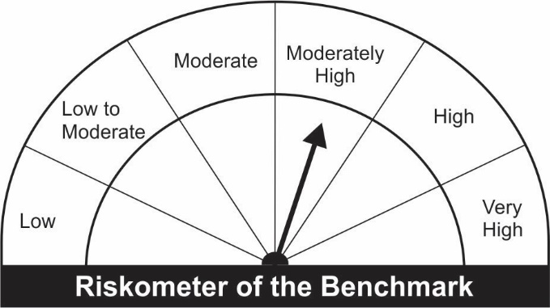
JM Low Duration Fund (An open ended low duration debt scheme investing in instruments such that the Macaulay duration of the portfolio is between 6 to 12 months)
Name of the Instruments | Industry/Rating | Quantity | Market Value (Rs. In Lakhs) | % age to NAV | ISIN | Yield % | ^YTC (AT1/Tier 2 bonds)

DEBT INSTRUMENTS
a) Listed/Awaiting Listing On Stock Exchange
Bharat Petroleum Corporation Ltd.** | CRISIL AAA | 105 | 1,062.11 | 7.80 | INE029A07075 | 4.0835
Hindalco Industries Ltd.** | CRISIL AA+ | 100 | 1,034.33 | 7.59 | INE038A07274 | 4.7500
HDB Financial Services Ltd.** | CRISIL AAA | 100 | 1,032.37 | 7.58 | INE756I07DC9 | 5.1850
Larsen & Toubro Ltd.** | CRISIL AAA | 100 | 1,020.13 | 7.49 | INE018A08AS1 | 4.1499
Tata Steel Ltd** | CARE AA+ | 50 | 909.98 | 6.68 | INE081A08181 | 4.5900
Dalmia Cement (Bharat) Ltd.** | ICRA AA+ | 70 | 714.00 | 5.24 | INE290B07063 | 4.6349
Bajaj Finance Ltd.** | CRISIL AAA | 50 | 512.44 | 3.76 | INE296A07QX1 | 4.8000
Housing Development Finance Corporation Ltd.** | CRISIL AAA | 50 | 510.87 | 3.75 | INE001A07RW5 | 4.6000
Reliance Industries Ltd ** | CRISIL AAA | 50 | 510.10 | 3.74 | INE002A08476 | 4.4250
Power Finance Corporation Ltd.** | CRISIL AAA | 50 | 509.86 | 3.74 | INE134E08JD1 | 4.3700
SIDBI Ltd.** | CARE AAA | 50 | 509.63 | 3.74 | INE556F08JN1 | 4.3250
Mahindra & Mahindra Financial Services Ltd.** | IND AAA | 50 | 507.38 | 3.72 | INE774D07SC1 | 4.7800
Sub Total: |  |  | 8,833.21 | 64.83

b) Privately Placed / Unlisted |  |  | NIL | NIL

Total: |  |  | 8,833.21 | 64.83 | -

TERM DEPOSITS

Deposits (Maturity not exceeding 91 days) |  |  | NIL | NIL

Deposits (Placed as F & O margin) |  |  | NIL | NIL

MONEY MARKET INSTRUMENTS
Certificate of Deposit (CD) / Commercial Paper (CP)
Axis Bank Ltd.CD** | CRISIL A1+ | 1,000 | 979.03 | 7.19 | INE238A161W0 | 4.0500
Reliance Industries Ltd.CP** | CRISIL A1+ | 100 | 496.29 | 3.64 | INE002A14JI5 | 3.8448
Treasury Bills
182 Days Treasury-Bill 16/12/2021 | GOI SOV | 1,500,000 | 1,493.64 | 10.96 | IN002021Y114 | 3.4529
Sub Total: |  |  | 2,968.96 | 21.79

TREPS-Triparty Repo |  | - | 1,590.24 | 11.67 | - | 3.2773
Sub Total: |  |  | 1,590.24 | 11.67

Total: |  |  | 13,392.41 | 98.29 | -

Net Current Assets |  |  | 233.03 | 1.71

Net Assets |  |  | 13,625.44 | 100.00

** Non Traded.
Number of Instances of Deviation In valuation Of Securities as per Sebi circular ref no SEBI/HO/IMD/DF4/CIR/P/2019/102 dated September 24, 2019- Nil
^ YTC i.e. Yield to Call is disclosed at security level only for Additional Tier 1 Bonds and Tier 2 Bonds issued by Banks as per AMFI Best Practices Notification 135/BP/91/2020-21 read with SEBI circular SEBI/HO/IMD/DF4/CIR/P/2021/034

This Product is suitable for investors who are seeking* |  |  | Benchmark of the scheme - Crisil Low Duration Debt Index
• Regular Income over Short Term.
• Investment in Debt and Money Market securities such that the Macaulay duration of the portfolio is between 6 months - 12 months.
*Investors should consult their financial advisers if in doubt about whether the product is suitable for them.

