IF
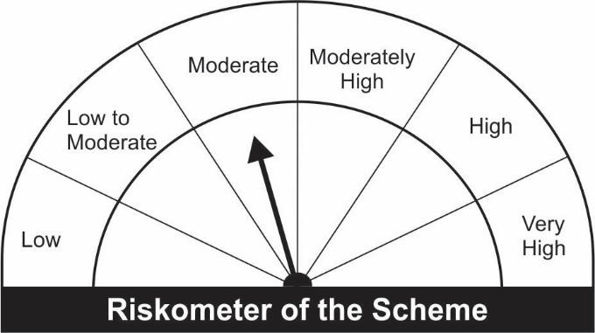
JM Income Fund (An open ended medium term debt scheme investing in instruments such that the Macaulay duration of the portfolio is between 4 years to 7 years.)
Name of the Instruments | Industry/Rating | Quantity | Market Value (Rs. In Lakhs) | % age to NAV | ISIN | Yield % | ^YTC (AT1/Tier 2 bonds)

DEBT INSTRUMENTS
a) Listed/Awaiting Listing On Stock Exchange |  |  | NIL | NIL

b) Privately Placed / Unlisted |  |  | NIL | NIL

TERM DEPOSITS

Deposits (Maturity not exceeding 91 days) |  |  | NIL | NIL

Deposits (Placed as F & O margin) |  |  | NIL | NIL

GOVERNMENT SECURITIES
7.17% Government of India Securities 2028 08/01/2028 | GOI SOV | 500,000 | 524.46 | 20.59 | IN0020170174 | 6.2033
6.97% Government of India Securities 2026 06/09/2026 | GOI SOV | 500,000 | 523.18 | 20.54 | IN0020160035 | 5.8551
5.63% Government of India Securities 2026 12/04/2026 | GOI SOV | 500,000 | 497.46 | 19.53 | IN0020210012 | 5.7603
6.67% Government of India Securities 2026 15/12/2035 | GOI SOV | 500,000 | 492.44 | 19.33 | IN0020210152 | 6.8382
Sub Total: |  |  | 2,037.53 | 79.99

MONEY MARKET INSTRUMENTS
Treasury Bills
182 Days Treasury-Bill 18/11/2021 | GOI SOV | 52,000 | 51.92 | 2.04 | IN002021Y072 | 3.3999
Sub Total: |  |  | 51.92 | 2.04

TREPS-Triparty Repo |  | - | 431.92 | 16.96 | - | 3.2773
Sub Total: |  |  | 431.92 | 16.96

Total: |  |  | 2,521.37 | 98.98 | -

Net Current Assets |  |  | 25.96 | 1.02

Net Assets |  |  | 2,547.33 | 100.00

Number of Instances of Deviation In valuation Of Securities as per Sebi circular ref no SEBI/HO/IMD/DF4/CIR/P/2019/102 dated September 24, 2019- Nil
^ YTC i.e. Yield to Call is disclosed at security level only for Additional Tier 1 Bonds and Tier 2 Bonds issued by Banks as per AMFI Best Practices Notification 135/BP/91/2020-21 read with SEBI circular SEBI/HO/IMD/DF4/CIR/P/2021/034

This Product is suitable for investors who are seeking* |  |  | Benchmark of the scheme - Crisil Composite Bond Fund Index
• Regular Income over Medium to Long Term.
• Investment in debt and money market securities such that the Macaulay duration of the portfolio is between 4 years – 7 years.

*Investors should consult their financial advisers if in doubt about whether the product is suitable for them.

