LF
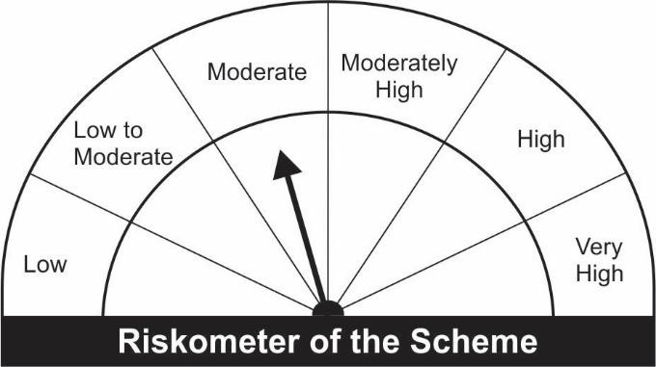

JM Liquid Fund (An Open-Ended Liquid Scheme)
Name of the Instruments | Industry/Rating | Quantity | Market Value (Rs. In Lakhs) | % age to NAV | ISIN | Yield % | ^YTC (AT1/Tier 2 bonds)

DEBT INSTRUMENTS
a) Listed/Awaiting Listing On Stock Exchange |  |  | NIL | NIL

b) Privately Placed / Unlisted |  |  | NIL | NIL

TERM DEPOSITS

Deposits (Maturity not exceeding 91 days) |  |  | NIL | NIL

Deposits (Placed as F & O margin) |  |  | NIL | NIL

MONEY MARKET INSTRUMENTS
Certificate of Deposit (CD) / Commercial Paper (CP)
Bharti Airtel Ltd.CP | CRISIL A1+ | 1,000 | 5,000.00 | 5.15 | INE397D14316 | 3.6024
Reliance Retail Ventures Ltd.CP** | CRISIL A1+ | 1,000 | 4,999.04 | 5.15 | INE929O14339 | 3.5229
Reliance Jio Infocomm Ltd.CP | CRISIL A1+ | 1,000 | 4,995.57 | 5.15 | INE110L14PQ3 | 3.6005
ICICI Securities Ltd.CP** | CRISIL A1+ | 1,000 | 4,989.74 | 5.14 | INE763G14KU2 | 4.4148
Tata Power Company Ltd.CP** | CRISIL A1+ | 1,000 | 4,983.40 | 5.13 | INE245A14FE7 | 3.7995
Reliance Industries Ltd.CP** | CRISIL A1+ | 1,000 | 4,981.58 | 5.13 | INE002A14JD6 | 3.7500
Adani Ports and SEZ Ltd.CP** | ICRA A1+ | 1,000 | 4,967.08 | 5.12 | INE742F14PS1 | 4.1001
Axis Finance Ltd.CP** | CRISIL A1+ | 800 | 3,977.71 | 4.10 | INE891K14KW9 | 4.1750
Berger Paints India Ltd.CP** | CRISIL A1+ | 600 | 2,992.67 | 3.08 | INE463A14KU2 | 3.5755
Infina Finance Pvt.Ltd.CP** | CRISIL A1+ | 500 | 2,488.65 | 2.56 | INE879F14DW9 | 4.3797
Birla Group Holdings Private Ltd.CP** | CRISIL A1+ | 500 | 2,483.89 | 2.56 | INE09OL14854 | 4.5525
UPL Ltd.CP** | CRISIL A1+ | 500 | 2,481.33 | 2.56 | INE628A14FJ3 | 4.1001
Reliance Industries Ltd.CP** | CRISIL A1+ | 400 | 1,985.15 | 2.05 | INE002A14JI5 | 3.8448
Treasury Bills
91 Days Treasury-Bill 02/12/2021 | GOI SOV | 10,000,000 | 9,970.36 | 10.27 | IN002021X256 | 3.5002
182 Days Treasury-Bill 18/11/2021 | GOI SOV | 5,855,000 | 5,845.74 | 6.02 | IN002021Y072 | 3.3999
364 Days Treasury-Bill 04/11/2021 | GOI SOV | 5,000,000 | 4,998.91 | 5.15 | IN002020Z303 | 2.6590
182 Days Treasury-Bill 25/11/2021 | GOI SOV | 2,500,000 | 2,494.34 | 2.57 | IN002021Y080 | 3.4495
364 Days Treasury-Bill 25/11/2021 | GOI SOV | 1,000,000 | 997.74 | 1.03 | IN002020Z337 | 3.4495
91 Days Treasury-Bill 16/12/2021 | GOI SOV | 1,000,000 | 995.76 | 1.03 | IN002021X272 | 3.4529
Sub Total: |  |  | 76,628.65 | 78.95

TREPS-Triparty Repo |  | - | 15,268.76 | 15.73 | - | 3.2773
Sub Total: |  |  | 15,268.76 | 15.73

Total: |  |  | 91,897.41 | 94.68 | -

Net Current Assets |  |  | 5,158.78 | 5.32

Net Assets |  |  | 97,056.19 | 100.00

** Non Traded.
Number of Instances of Deviation In valuation Of Securities as per Sebi circular ref no SEBI/HO/IMD/DF4/CIR/P/2019/102 dated September 24, 2019- Nil
^ YTC i.e. Yield to Call is disclosed at security level only for Additional Tier 1 Bonds and Tier 2 Bonds issued by Banks as per AMFI Best Practices Notification 135/BP/91/2020-21 read with SEBI circular SEBI/HO/IMD/DF4/CIR/P/2021/034

This Product is suitable for investors who are seeking* |  |  | Benchmark of the scheme - Crisil Liquid Fund Index
• Regular Income over Short Term.
• Investment in debt and money market securities with maturity of upto 91 days only.
*Investors should consult their financial advisers if in doubt about whether the product is suitable for them.

