AA
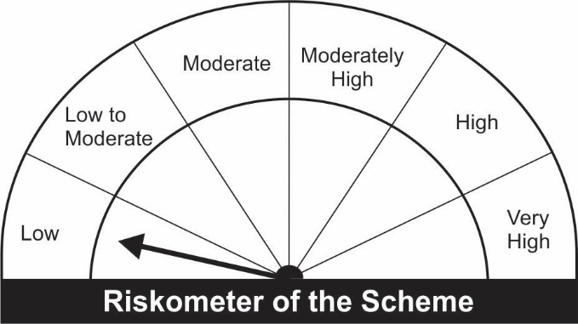
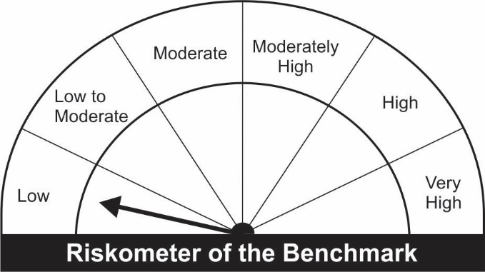
JM Arbitrage Fund (An open ended scheme investing in arbitrage opportunities)
Name of the Instruments | Industry/Rating | Quantity | Market Value (Rs. In Lakhs) | % age to NAV | ISIN | Yield % | ^YTC (AT1/Tier 2 bonds)
EQUITY & EQUITY RELATED
a) Listed/Awaiting Listing On Stock Exchange
Adani Ports and Special Economic Zone Ltd. | Transportation | 71,250 | 493.76 | 9.86 | INE742F01042
Tata Consultancy Services Ltd. | Software | 11,700 | 397.54 | 7.94 | INE467B01029
Adani Enterprises Ltd. | Minerals/Mining | 27,000 | 384.37 | 7.68 | INE423A01024
ITC Ltd. | Consumer Non Durables | 131,200 | 292.84 | 5.85 | INE154A01025
Jindal Steel & Power Ltd. | Ferrous Metals | 57,500 | 239.95 | 4.79 | INE749A01030
Tata Steel Ltd. | Ferrous Metals | 17,850 | 234.90 | 4.69 | INE081A01012
HDFC Life Insurance Company Ltd | Insurance | 27,500 | 187.12 | 3.74 | INE795G01014
HCL Technologies Ltd. | Software | 14,700 | 168.13 | 3.36 | INE860A01027
Multi Commodity Exchange of India Ltd. | Capital Markets | 9,800 | 166.97 | 3.33 | INE745G01035
Eicher Motors Ltd. | Auto | 5,950 | 147.85 | 2.95 | INE066A01021
Escorts Ltd. | Auto | 8,250 | 129.48 | 2.59 | INE042A01014
Hindustan Unilever Ltd. | Consumer Non Durables | 4,200 | 100.51 | 2.01 | INE030A01027
Indian Energy Exchange Ltd. | Capital Markets | 12,500 | 88.54 | 1.77 | INE022Q01020
HDFC Asset Management Company Ltd. | Capital Markets | 3,000 | 79.42 | 1.59 | INE127D01025
Alembic Pharmaceuticals Ltd. | Pharmaceuticals | 9,900 | 76.94 | 1.54 | INE901L01018
Kotak Mahindra Bank Ltd. | Banks | 3,200 | 65.00 | 1.30 | INE237A01028
Reliance Industries Ltd. | Petroleum Products | 1,750 | 44.38 | 0.89 | INE002A01018
Axis Bank Ltd. | Banks | 4,800 | 35.62 | 0.71 | INE238A01034
Grasim Industries Ltd. | Cement & Cement Products | 950 | 16.35 | 0.33 | INE047A01021
Tech Mahindra Ltd. | Software | 600 | 8.87 | 0.18 | INE669C01036
Sub Total: |  |  | 3,358.52 | 67.07

b) Unlisted |  |  | NIL | NIL

Total: |  |  | 3,358.52 | 67.07

DEBT INSTRUMENTS
a) Listed/Awaiting Listing On Stock Exchange |  |  | NIL | NIL

b) Privately Placed / Unlisted |  |  | NIL | NIL

TERM DEPOSITS

Deposits (Maturity not exceeding 91 days) |  |  | NIL | NIL

Deposits (Placed as F & O margin) | No. of Days
HDFC Bank Ltd. | 377 |  | 100.00 | 2.00 | -
HDFC Bank Ltd. | 186 |  | 100.00 | 2.00 | -
Sub Total: |  |  | 200.00 | 4.00

MONEY MARKET INSTRUMENTS
Treasury Bills
182 Days Treasury-Bill 30/12/2021 | GOI SOV | 500,000 | 497.19 | 9.93 | IN002021Y130 | 3.5002
364 Days Treasury-Bill 20/01/2022 | GOI SOV | 500,000 | 496.15 | 9.91 | IN002020Z428 | 3.5402
Sub Total: |  |  | 993.34 | 19.84

TREPS-Triparty Repo |  | - | 212.26 | 4.24 | - | 3.2773
Sub Total: |  |  | 212.26 | 4.24

Total: |  |  | 4,764.11 | 95.15 | -

Net Current Assets |  |  | 243.35 | 4.85

Net Assets |  |  | 5,007.46 | 99.99

Number of Instances of Deviation In valuation Of Securities as per Sebi circular ref no SEBI/HO/IMD/DF4/CIR/P/2019/102 dated September 24, 2019- Nil
^ YTC i.e. Yield to Call is disclosed at security level only for Additional Tier 1 Bonds and Tier 2 Bonds issued by Banks as per AMFI Best Practices Notification 135/BP/91/2020-21 read with SEBI circular SEBI/HO/IMD/DF4/CIR/P/2021/034

Hedging Positions through futures as on October 31, 2021:
Underlying | Long / Short | Quantity | Futures price when purchased (Rs.) | Current price of the Contract (Rs.) | Total Margin maintained in(Rs. In Lakhs)
Adani Enterprises Ltd.-Nov-2021 | Short | 27,000 | 1,560.68 | 1,427.00 | 116.16
Adani Ports and Special Economic Zone Ltd.-Nov-2021 | Short | 71,250 | 765.19 | 694.10 | 142.29
Alembic Pharmaceuticals Ltd.-Nov-2021 | Short | 9,900 | 775.82 | 780.10 | 17.38
Axis Bank Ltd.-Nov-2021 | Short | 4,800 | 746.86 | 746.00 | 8.90
Eicher Motors Ltd.-Nov-2021 | Short | 5,950 | 2,511.89 | 2,497.65 | 33.75
Escorts Ltd.-Nov-2021 | Short | 8,250 | 1,551.04 | 1,577.95 | 33.23
Grasim Industries Ltd.-Nov-2021 | Short | 950 | 1,716.36 | 1,727.95 | 4.12
HCL Technologies Ltd.-Nov-2021 | Short | 14,700 | 1,171.25 | 1,147.55 | 39.51
HDFC Asset Management Company Ltd.-Nov-2021 | Short | 3,000 | 2,875.24 | 2,652.70 | 15.80
HDFC Life Insurance Company Ltd-Nov-2021 | Short | 27,500 | 704.05 | 682.45 | 41.90
Hindustan Unilever Ltd.-Nov-2021 | Short | 4,200 | 2,436.19 | 2,398.95 | 17.81
Indian Energy Exchange Ltd.-Nov-2021 | Short | 12,500 | 803.40 | 710.50 | 24.52
ITC Ltd.-Nov-2021 | Short | 131,200 | 241.57 | 224.30 | 64.09
Jindal Steel & Power Ltd.-Nov-2021 | Short | 57,500 | 433.37 | 417.70 | 111.81
Kotak Mahindra Bank Ltd.-Nov-2021 | Short | 3,200 | 2,106.65 | 2,041.90 | 18.52
Multi Commodity Exchange of India Ltd.-Nov-2021 | Short | 9,800 | 1,910.69 | 1,707.55 | 41.06
Reliance Industries Ltd.-Nov-2021 | Short | 1,750 | 2,641.08 | 2,546.15 | 9.83
Tata Steel Ltd.-Nov-2021 | Short | 17,850 | 1,337.13 | 1,318.45 | 74.56
Tata Consultancy Services Ltd.-Nov-2021 | Short | 11,700 | 3,575.24 | 3,413.25 | 83.58
Tech Mahindra Ltd.-Nov-2021 | Short | 600 | 1,472.31 | 1,469.05 | 1.94

Total outstanding exposure in derivative instruments at the end of the period - Short -(Rs in Lakhs) : (3,368.80)

Total 67.28% of existing assets hedged through futures as on 31/10/2021
For the period ended October 31, 2021, following are the hedging transactions through futures which have been squared off / expired :
Total number of contracts where futures were bought |  |  | 470
Total number of contracts where futures were sold |  |  | 464
Gross notional value of contracts where futures were bought (Rs. In Lakhs) |  |  | 4,173.88
Gross notional value of contracts where futures were sold (Rs. In Lakhs) |  |  | 4,197.45
Net Profit /(Loss) on all contracts combined (Rs.in Lakhs) |  |  | (111.28)

Total exposure due to futures (non hedging positions) was 0% of net assets as on 31/10/2021
For the period ended October 31, 2021, following are the non-hedging transactions through futures which have been squared off / expired :
Total number of contracts where futures were bought |  |  | -
Total number of contracts where futures were sold |  |  | -
Gross notional value of contracts where futures were bought (Rs. In Lakhs) |  |  | -
Gross notional value of contracts where futures were sold (Rs. In Lakhs) |  |  | -
Net Profit /(Loss) on all contracts combined (Rs.in Lakhs) |  |  | -

This Product is suitable for investors who are seeking* |  |  | Benchmark of the scheme - Nifty 50 Arbitrage Index
• Regular Income over Medium Term
• Income through arbitrage by investment predominantly in Equity Stocks and taking offsetting positions in Equity Futures and Options.
*Investors should consult their financial advisers if in doubt about whether the product is suitable for them.

