IF
JM Income Fund (An open ended medium term debt scheme investing in instruments such that the Macaulay duration of the portfolio is between 4 years to 7 years.)
This Product is suitable for investors who are seeking* |  |  | Benchmark of the scheme - Crisil Composite Bond Fund Index
• Regular Income over Medium to Long Term.
• Investment in debt and money market securities such that the Macaulay duration of the portfolio is between 4 years – 7 years.

*Investors should consult their financial advisers if in doubt about whether the product is suitable for them.
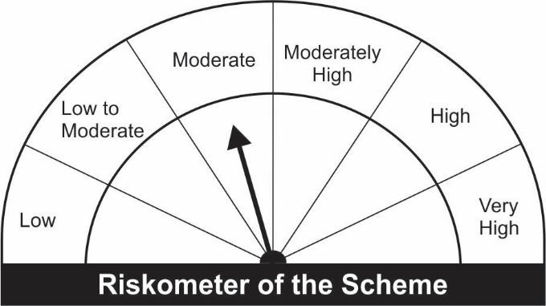

Name of the Instruments | Industry/Rating | Quantity | Market Value (Rs. In Lakhs) | % age to NAV | ISIN | Yield % | ^YTC (AT1/Tier 2 bonds)

DEBT INSTRUMENTS
a) Listed/Awaiting Listing On Stock Exchange |  |  | NIL | NIL

b) Privately Placed / Unlisted |  |  | NIL | NIL

TERM DEPOSITS

Deposits (Maturity not exceeding 91 days) |  |  | NIL | NIL

Deposits (Placed as F & O margin) |  |  | NIL | NIL

GOVERNMENT SECURITIES
7.17% Government of India Securities 2028 08/01/2028 | GOI SOV | 500,000 | 528.59 | 24.77 | IN0020170174 | 6.0577
6.97% Government of India Securities 2026 06/09/2026 | GOI SOV | 500,000 | 525.34 | 24.62 | IN0020160035 | 5.7728
6.10% Government of India Securities 2031 12/07/2031 | GOI SOV | 500,000 | 495.70 | 23.23 | IN0020210095 | 6.2170
Sub Total: |  |  | 1,549.63 | 72.62

MONEY MARKET INSTRUMENTS
Certificate of Deposit (CD) / Commercial Paper (CP)
Treasury Bills
182 Days Treasury-Bill 18/11/2021 | GOI SOV | 52,000 | 51.77 | 2.43 | IN002021Y072 | 3.3848
Sub Total: |  |  | 51.77 | 2.43

TREPS-Triparty Repo |  | - | 514.46 | 24.11 | - | 3.2267

Sub Total: |  |  | 514.46 | 24.11

Total: |  |  | 2,115.86 | 99.15 | -

Net Current Assets |  |  | 18.09 | 0.85

Net Assets |  |  | 2,133.95 | 100.00

Number of Instances of Deviation In valuation Of Securities as per Sebi circular ref no SEBI/HO/IMD/DF4/CIR/P/2019/102 dated September 24, 2019- Nil
^ YTC i.e. Yield to Call is disclosed at security level only for Additional Tier 1 Bonds and Tier 2 Bonds issued by Banks as per AMFI Best Practices Notification 135/BP/91/2020-21 read with SEBI circular SEBI/HO/IMD/DF4/CIR/P/2021/034

